Candidate review
StreetSurfaceVis shadow candidate review — round 3 |  |  |  |  |  |  | Source | https://zenodo.org/records/11449977
Keep only when a visible shadow falls on the road surface. Exclude dark scenes, glare, or shade that does not cover the road. |  |  |  |  |  |  | License | CC-BY-SA stated on the official Zenodo record; recheck before redistribution
 |  |  |  |  |  |  | Important | The selector only ranks candidates. Your Human decision determines acceptance.
Candidate images | 30 | Keep | 0 | Exclude | 0
Pending | 30 | Unclear | 0

Candidate ID | Image ID | Image preview | Human decision | Reviewer notes | Selector score | Original source label
SH-R3-C001 | SSV-355014816011795 | 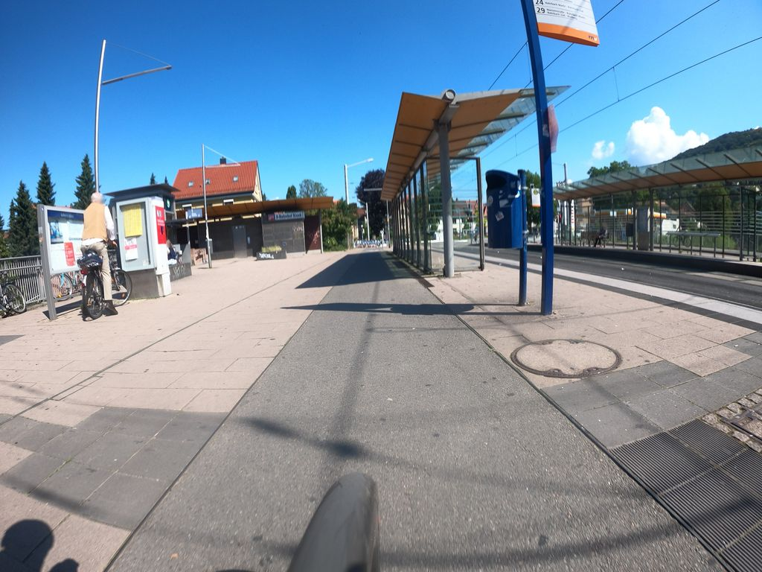 | pending |  | 0.635 | Normal_asphalt
SH-R3-C002 | SSV-1636300796731998 | 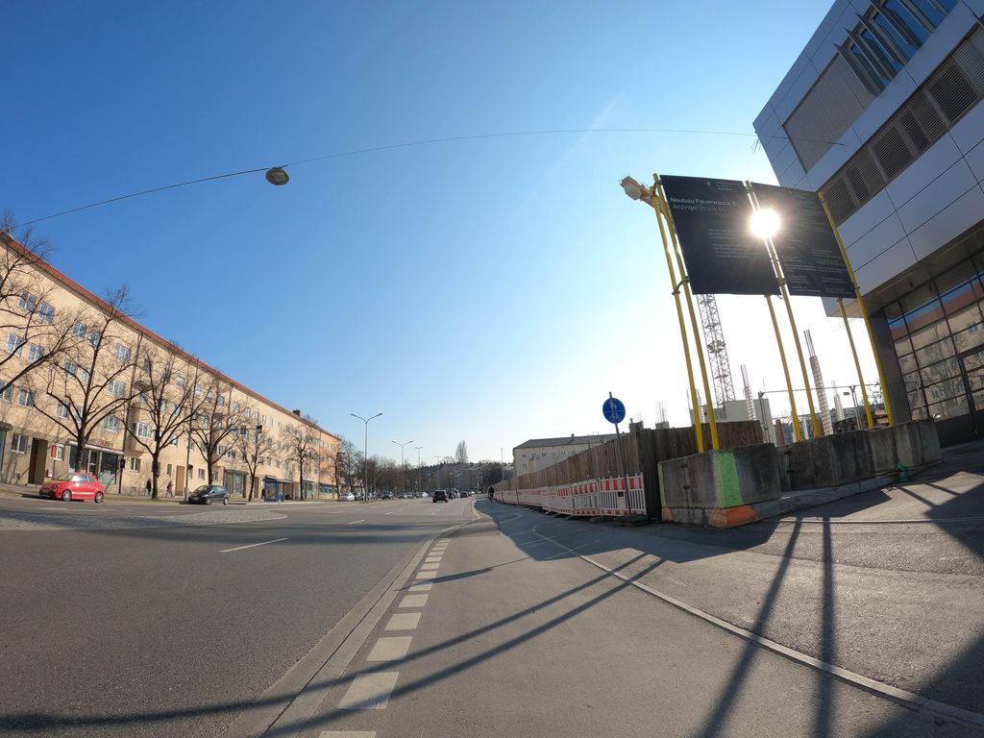 | pending |  | 0.634 | Normal_asphalt
SH-R3-C003 | SSV-2899758883645901 | 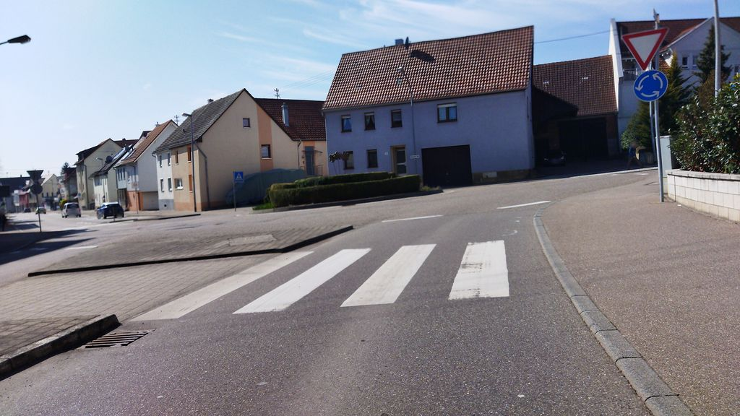 | pending |  | 0.633 | Normal_asphalt
SH-R3-C004 | SSV-1022572435530840 | 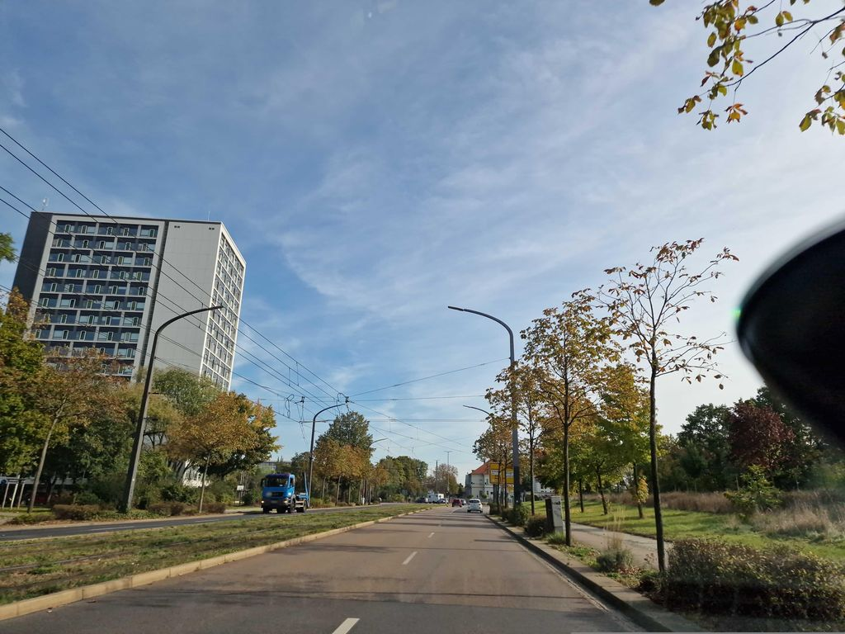 | pending |  | 0.629 | Normal_asphalt
SH-R3-C005 | SSV-598926625111735 | 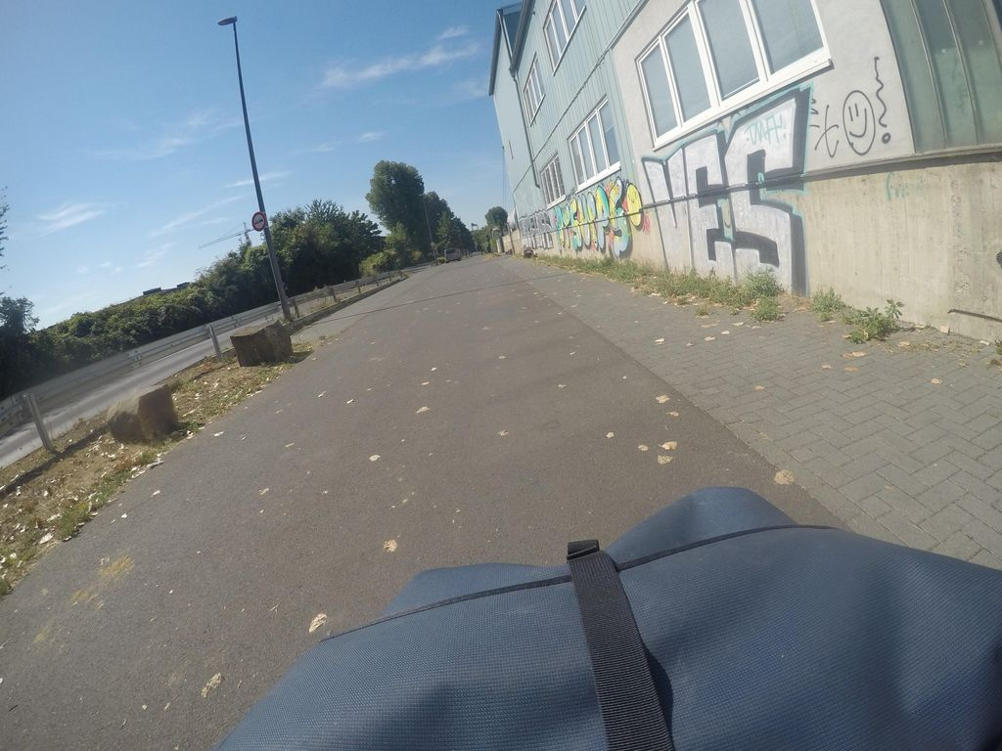 | pending |  | 0.627 | Normal_asphalt
SH-R3-C006 | SSV-832835560968582 | 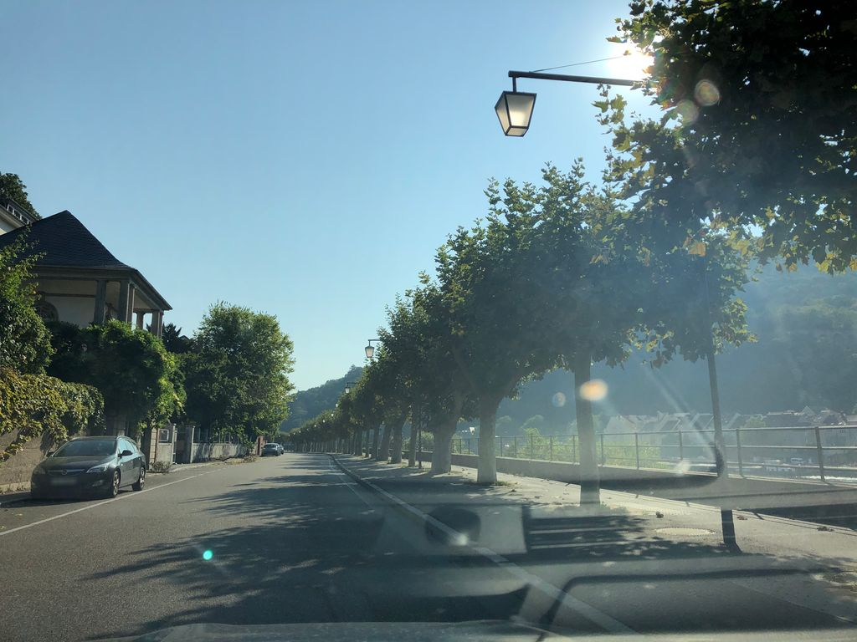 | pending |  | 0.621 | Normal_asphalt
SH-R3-C007 | SSV-194714696769750 | 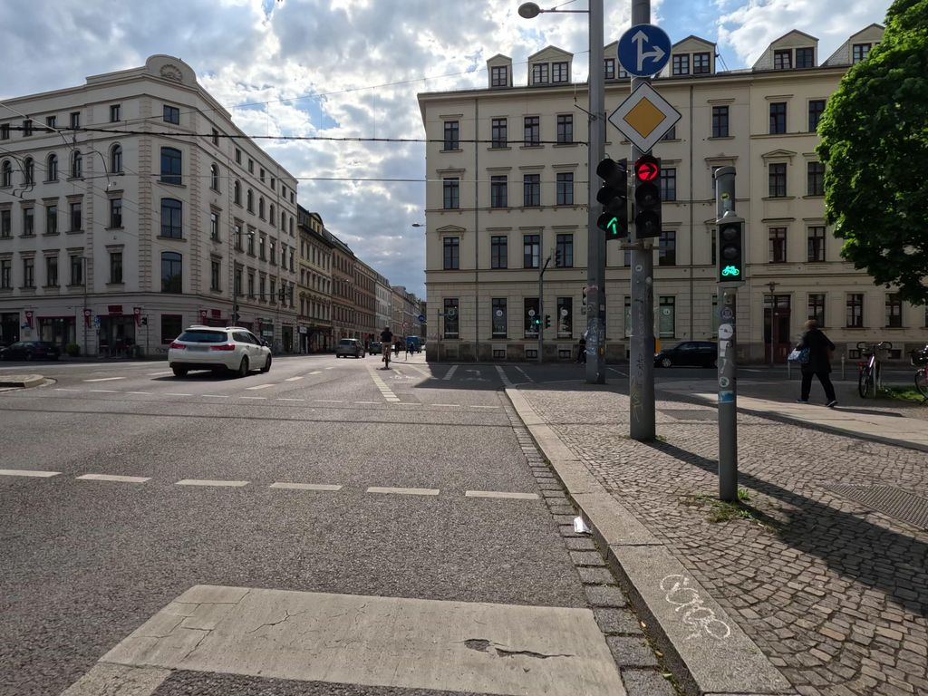 | pending |  | 0.619 | Normal_asphalt
SH-R3-C008 | SSV-328430092006459 | 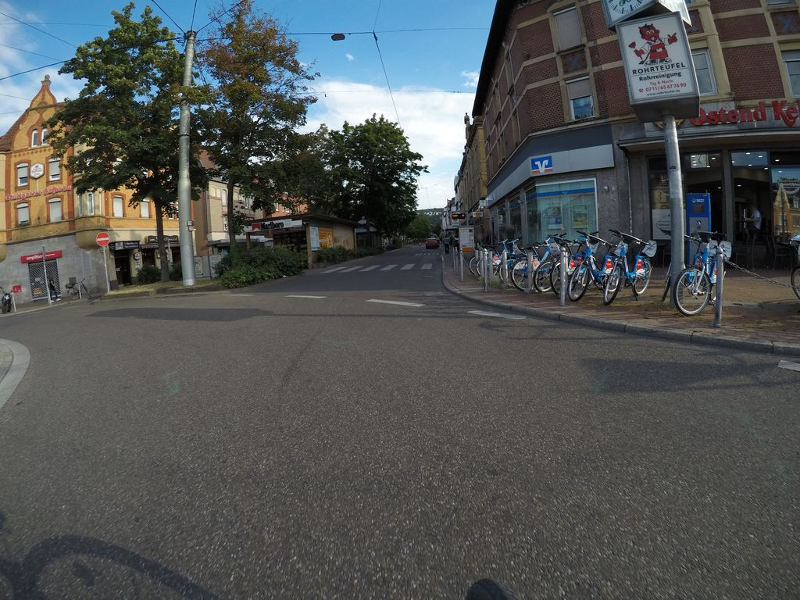 | pending |  | 0.618 | Normal_asphalt
SH-R3-C009 | SSV-2819145165003980 | 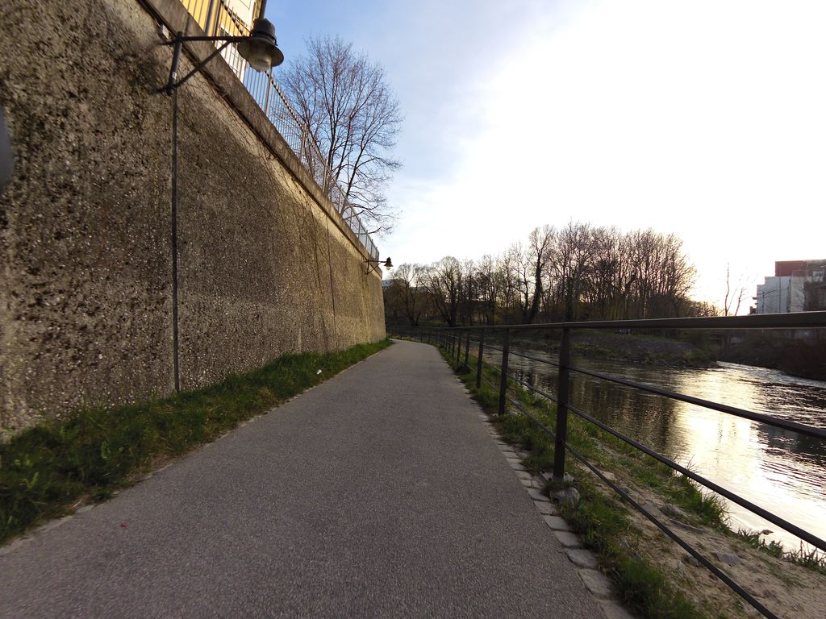 | pending |  | 0.618 | Normal_asphalt
SH-R3-C010 | SSV-474006511397686 | 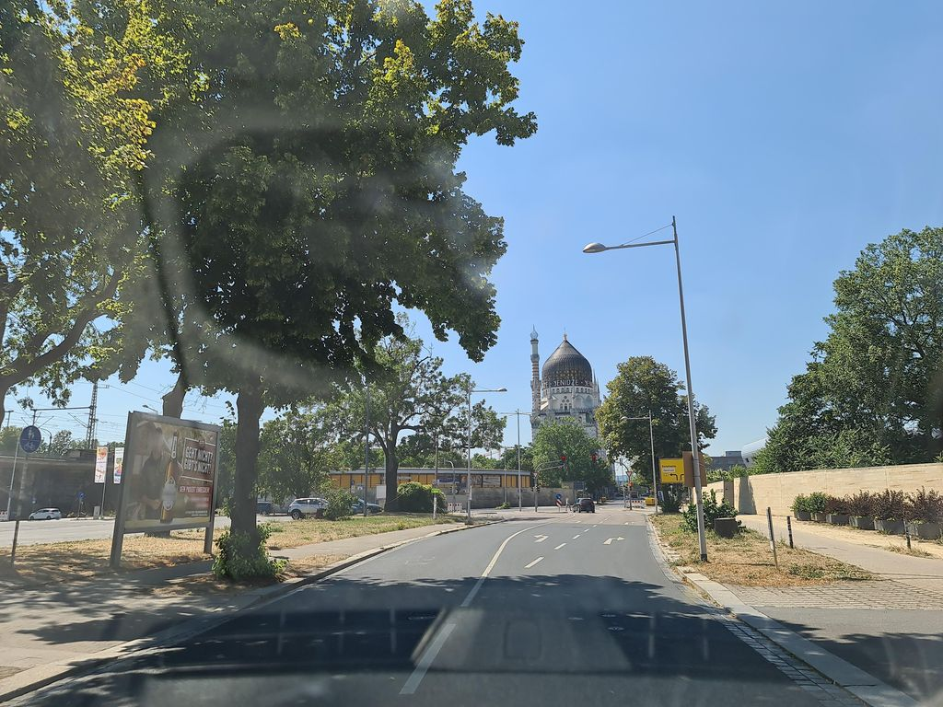 | pending |  | 0.617 | Normal_asphalt
SH-R3-C011 | SSV-895053284379158 | 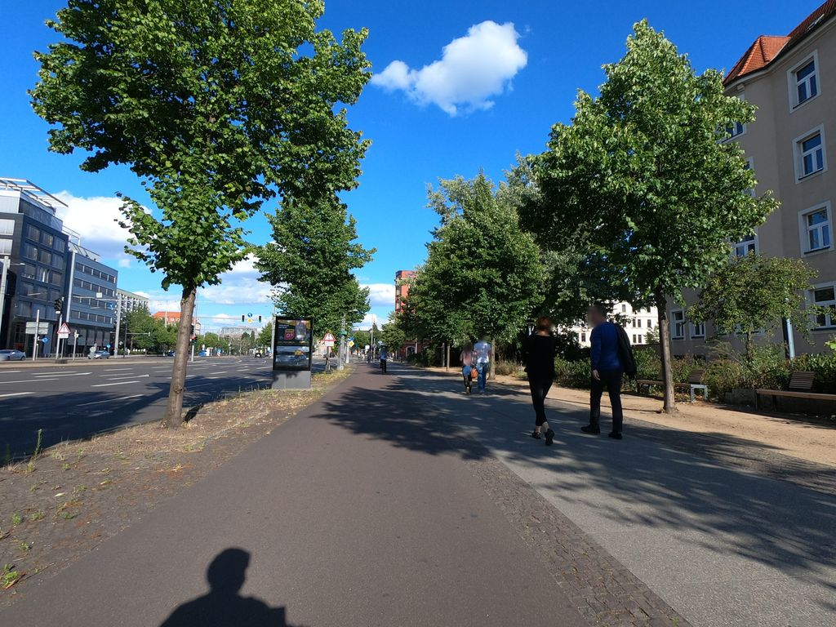 | pending |  | 0.617 | Normal_asphalt
SH-R3-C012 | SSV-516605316188075 | 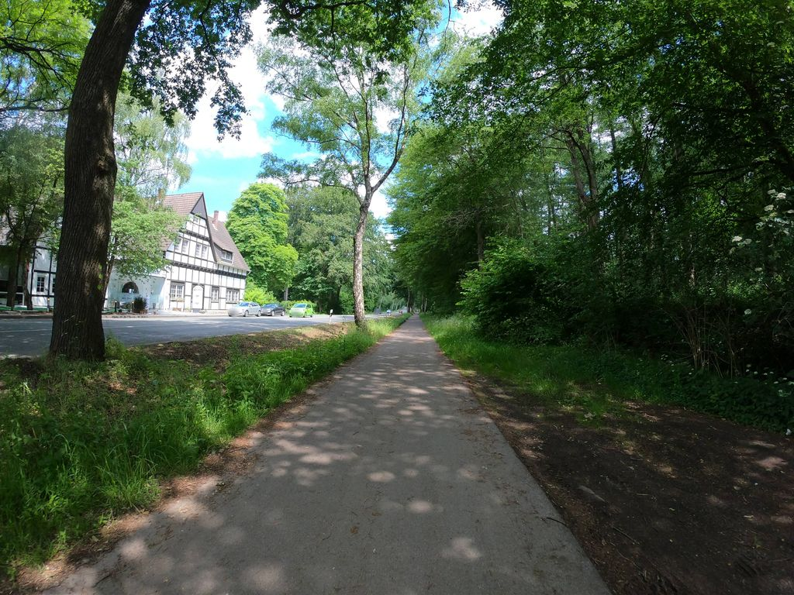 | pending |  | 0.616 | Normal_asphalt
SH-R3-C013 | SSV-358195699821922 | 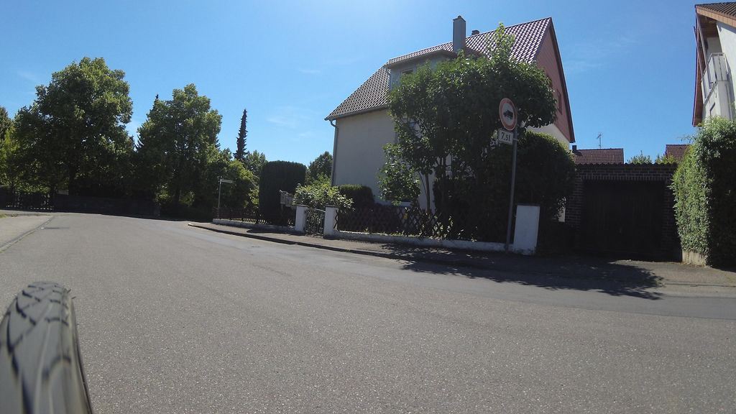 | pending |  | 0.614 | Normal_asphalt
SH-R3-C014 | SSV-1049314595676107 | 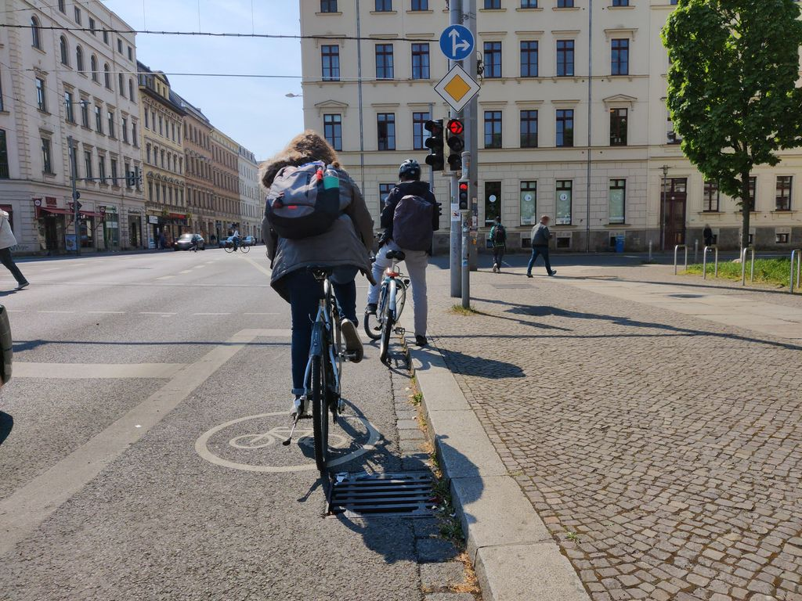 | pending |  | 0.614 | Normal_asphalt
SH-R3-C015 | SSV-1129291450892284 | 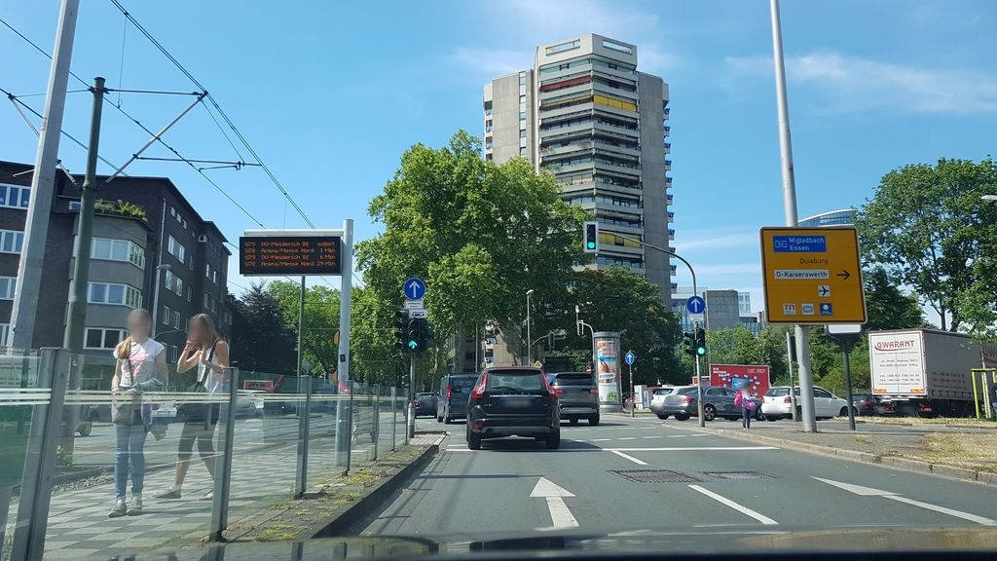 | pending |  | 0.613 | Normal_asphalt
SH-R3-C016 | SSV-153942900206528 | 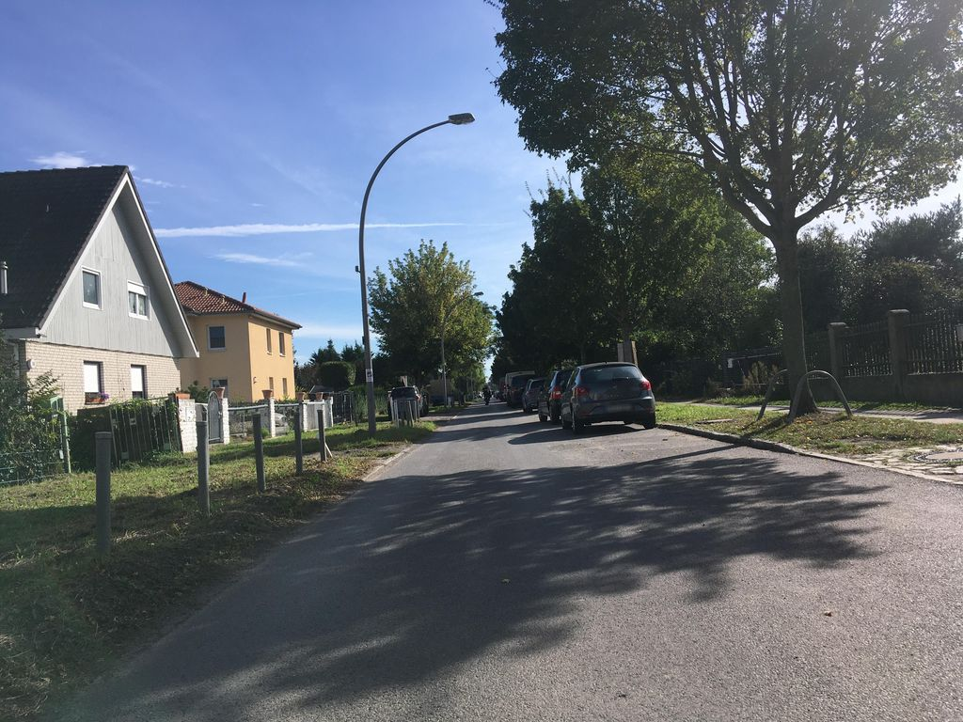 | pending |  | 0.612 | Normal_asphalt
SH-R3-C017 | SSV-305501987739145 | 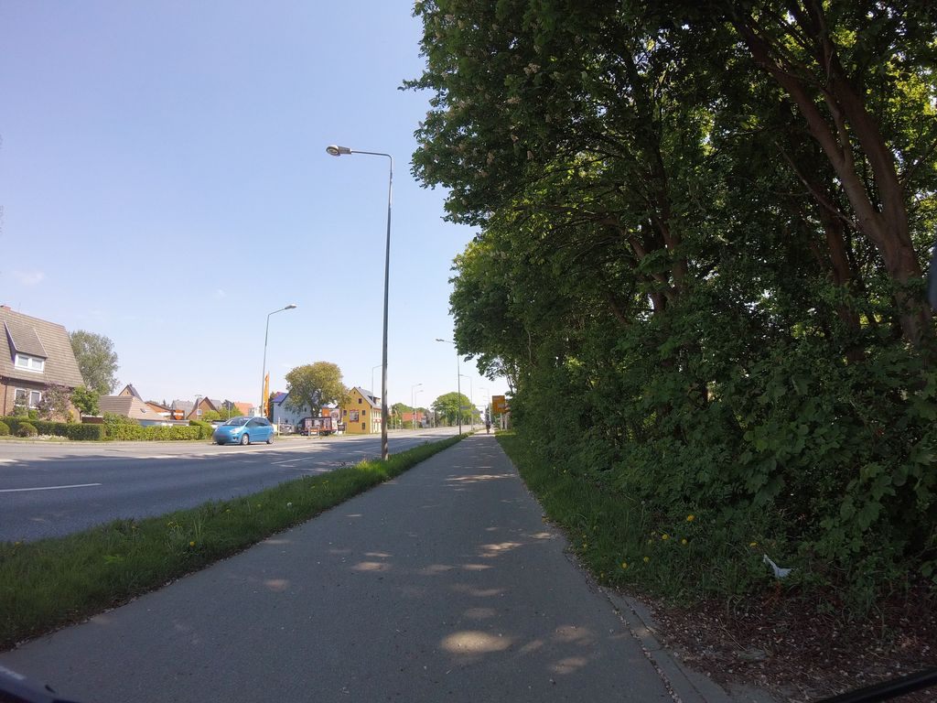 | pending |  | 0.607 | Normal_asphalt
SH-R3-C018 | SSV-513942847597933 | 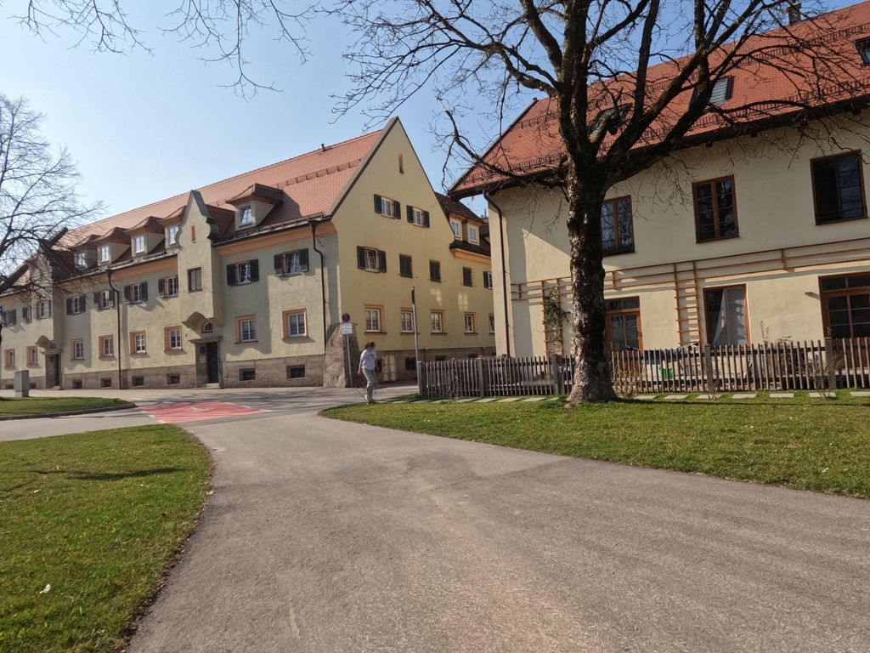 | pending |  | 0.607 | Normal_asphalt
SH-R3-C019 | SSV-1005619040188548 | 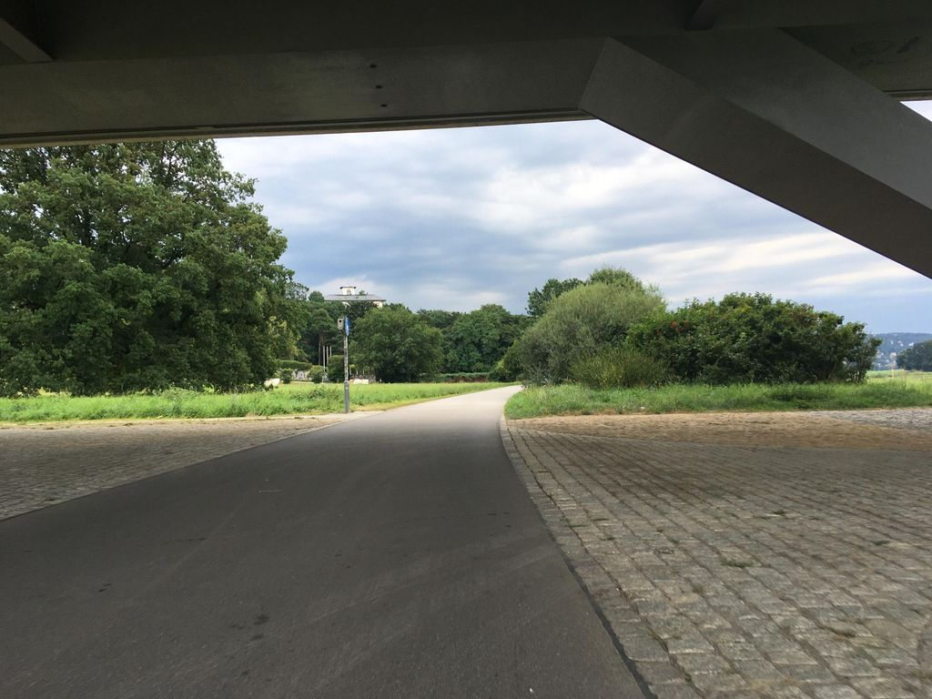 | pending |  | 0.605 | Normal_asphalt
SH-R3-C020 | SSV-602315901768326 | 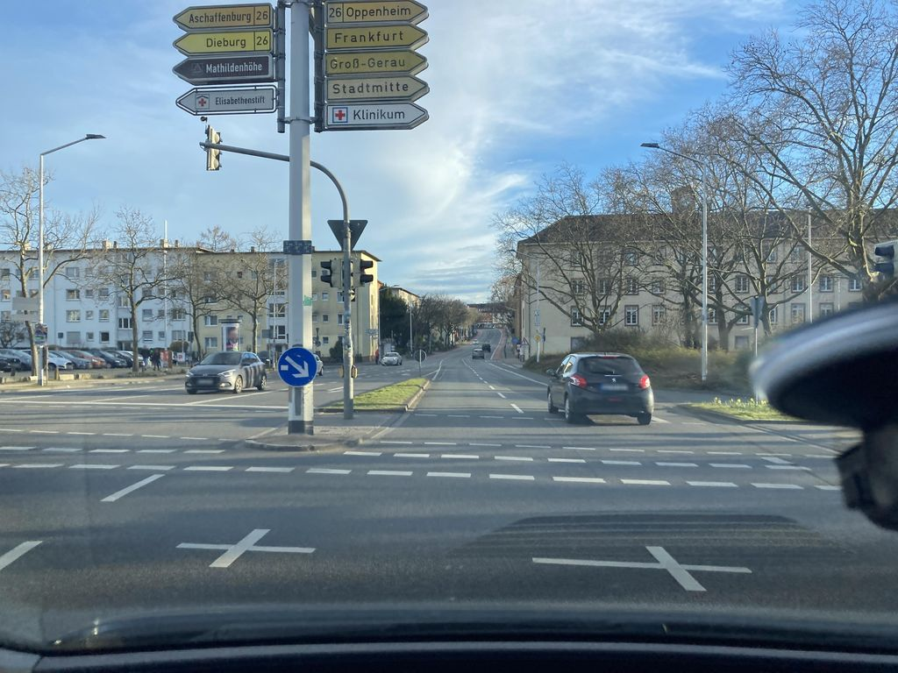 | pending |  | 0.601 | Normal_asphalt
SH-R3-C021 | SSV-471705277273102 | 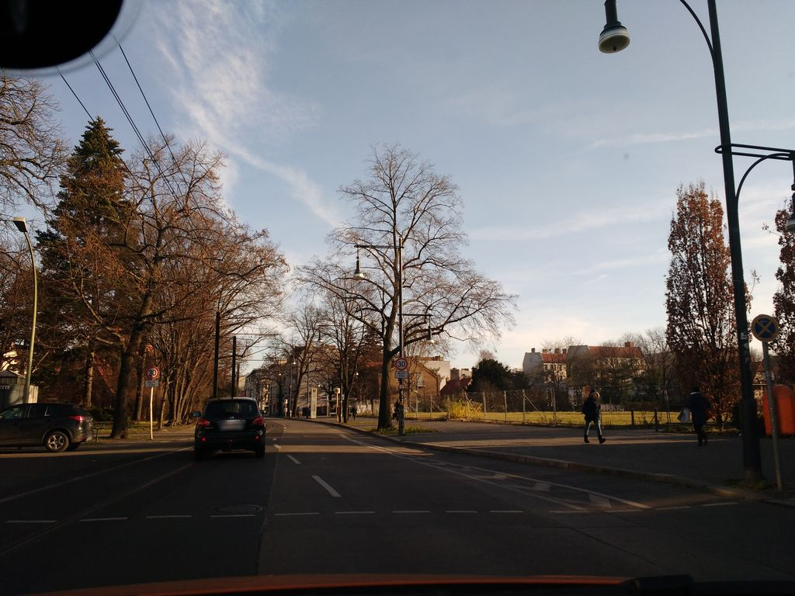 | pending |  | 0.601 | Normal_asphalt
SH-R3-C022 | SSV-576652070100447 | 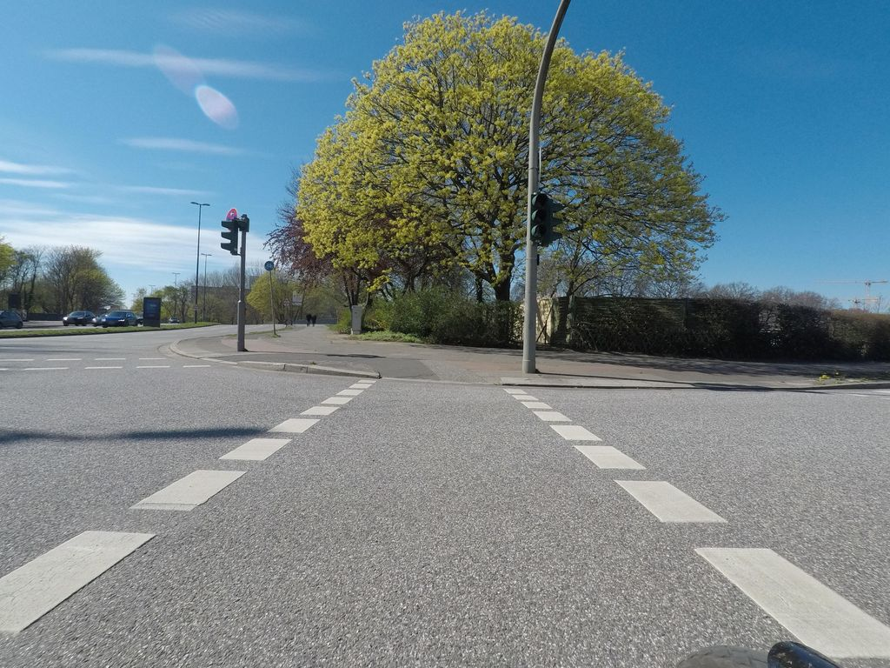 | pending |  | 0.601 | Normal_asphalt
SH-R3-C023 | SSV-983380299076038 | 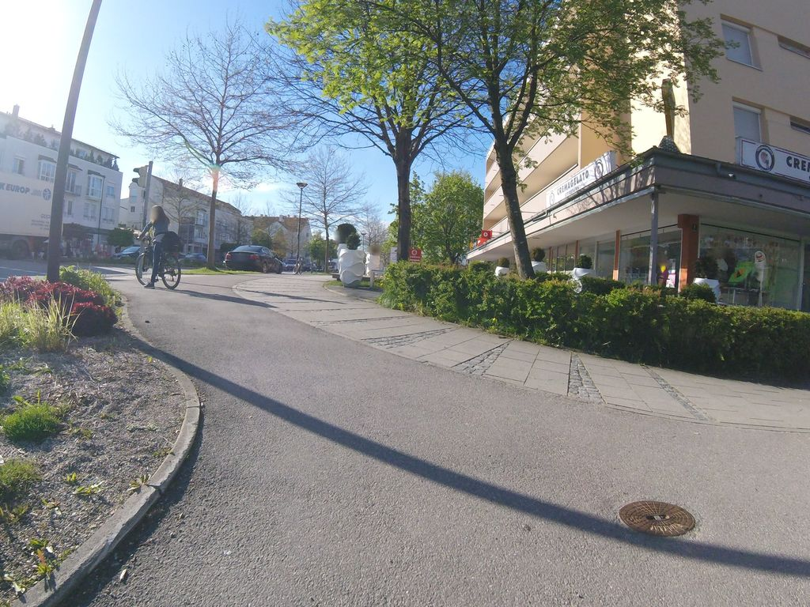 | pending |  | 0.600 | Normal_asphalt
SH-R3-C024 | SSV-219443166354731 | 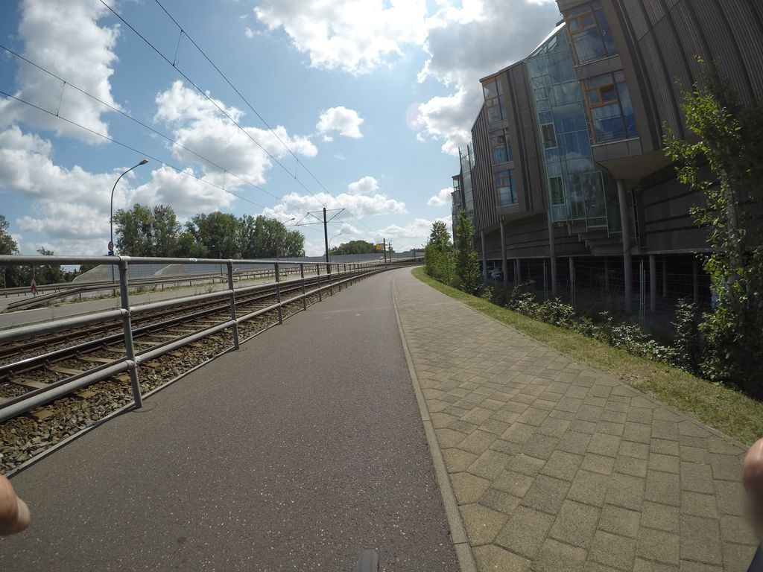 | pending |  | 0.598 | Normal_asphalt
SH-R3-C025 | SSV-152961963896540 | 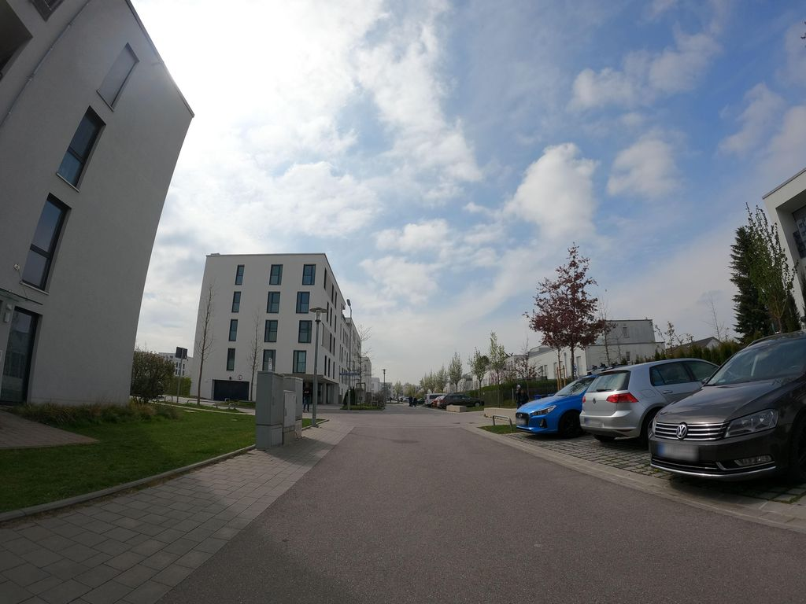 | pending |  | 0.598 | Normal_asphalt
SH-R3-C026 | SSV-2028590297320207 | 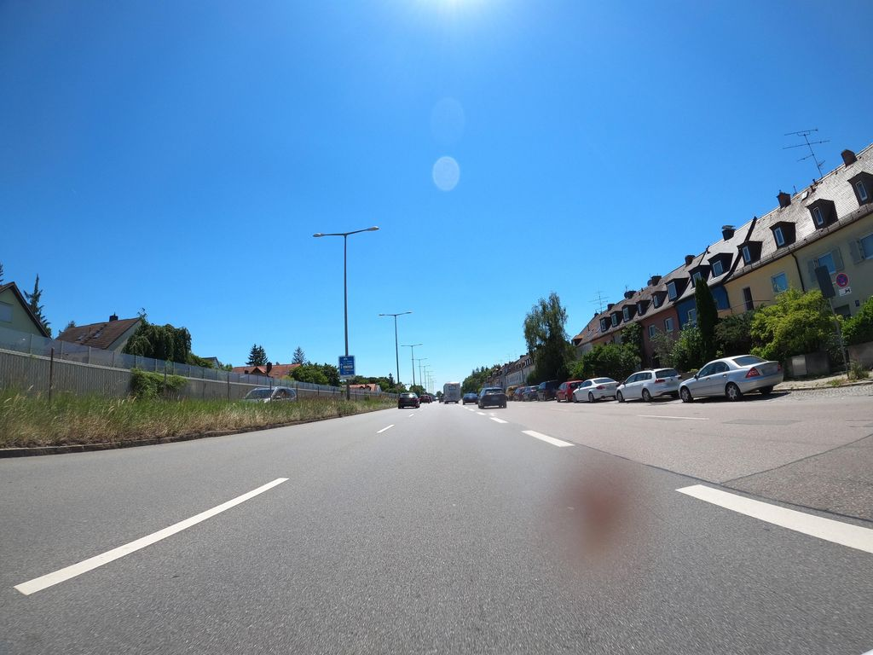 | pending |  | 0.597 | Normal_asphalt
SH-R3-C027 | SSV-1969869240070091 | 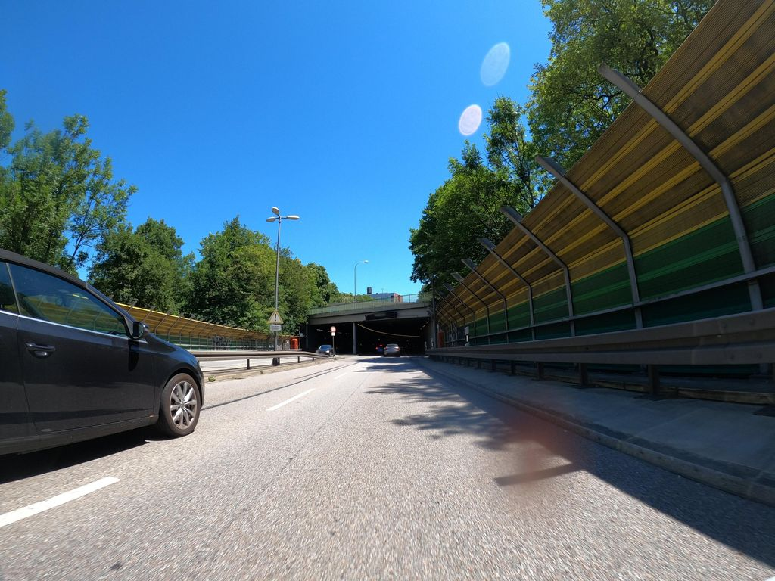 | pending |  | 0.597 | Normal_asphalt
SH-R3-C028 | SSV-314577030186053 | 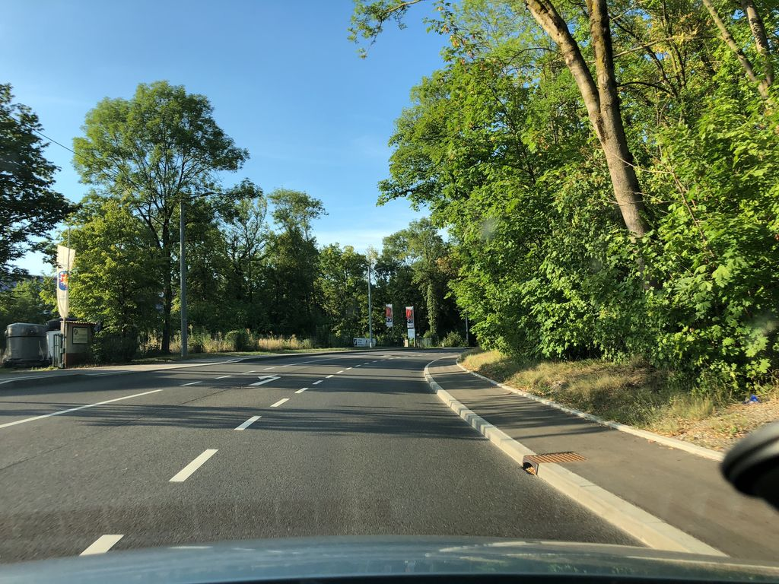 | pending |  | 0.596 | Normal_asphalt
SH-R3-C029 | SSV-212746900312291 | 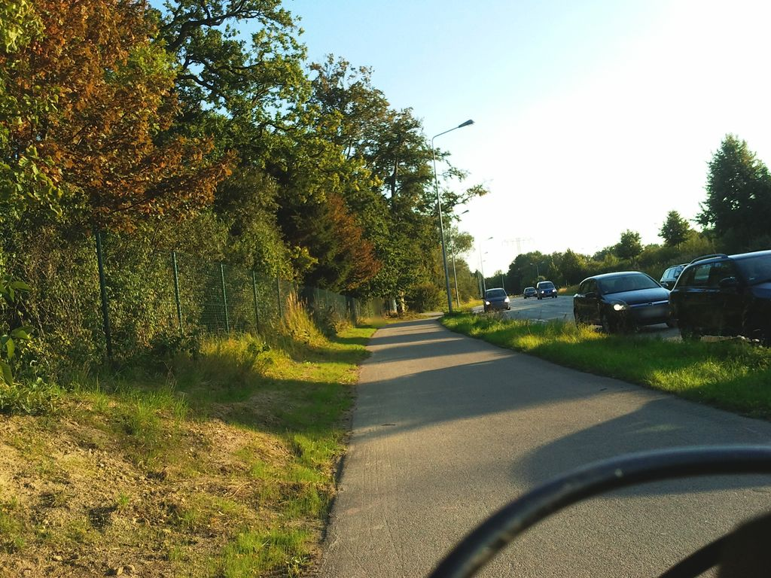 | pending |  | 0.596 | Normal_asphalt
SH-R3-C030 | SSV-481073536503152 | 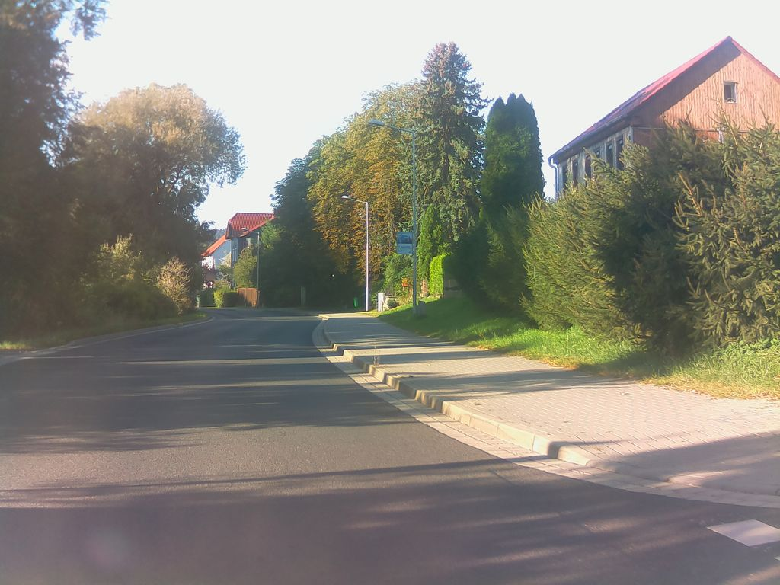 | pending |  | 0.596 | Normal_asphalt

