No-shadow review
StreetSurfaceVis: clear no-shadow review
Purpose: build a small, human-reviewed set of normal road images with no visible road shadow. These decisions do not train a model yet.
Choose no_shadow_clear only when the road itself is evenly lit. Choose shadow_present when a physical cast shadow falls on the road. Choose unclear_exclude if you cannot decide confidently. Dark asphalt alone is not proof of a shadow.

Review ID | Image preview | Source record | Source image | Original source label | Human decision | Reviewer notes
NS-001 | 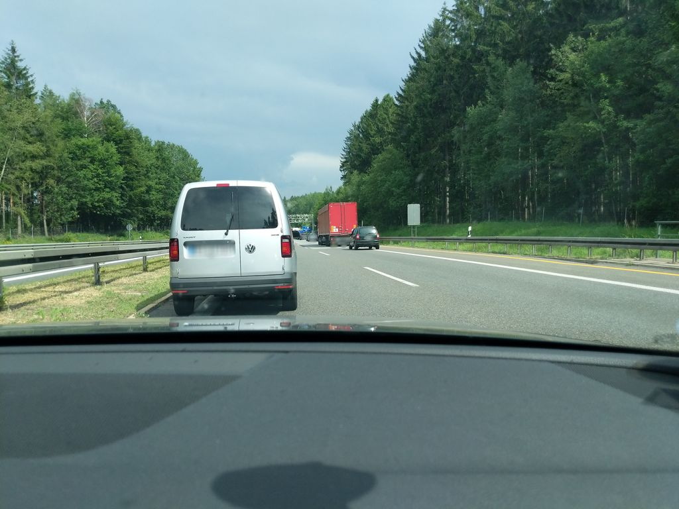 | '1192203861225189 | data/raw/v2/streetsurfacevis/s_1024/1192203861225189.jpg | Normal_asphalt | pending
NS-002 | 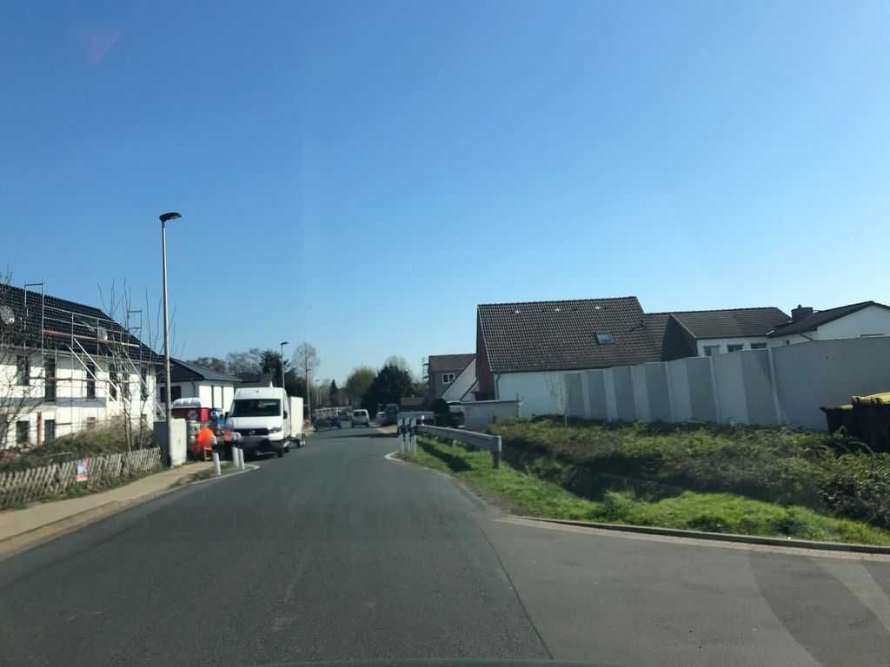 | '1396404087425169 | data/raw/v2/streetsurfacevis/s_1024/1396404087425169.jpg | Normal_asphalt | pending
NS-003 | 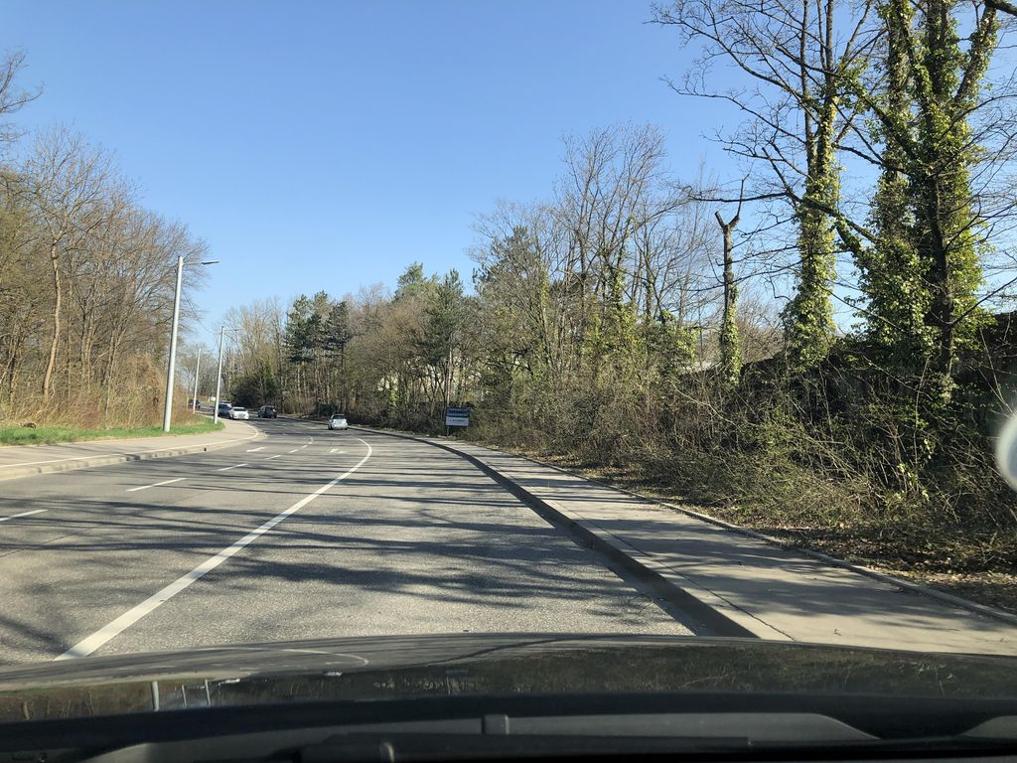 | '1638275656507101 | data/raw/v2/streetsurfacevis/s_1024/1638275656507101.jpg | Normal_asphalt | pending
NS-004 | 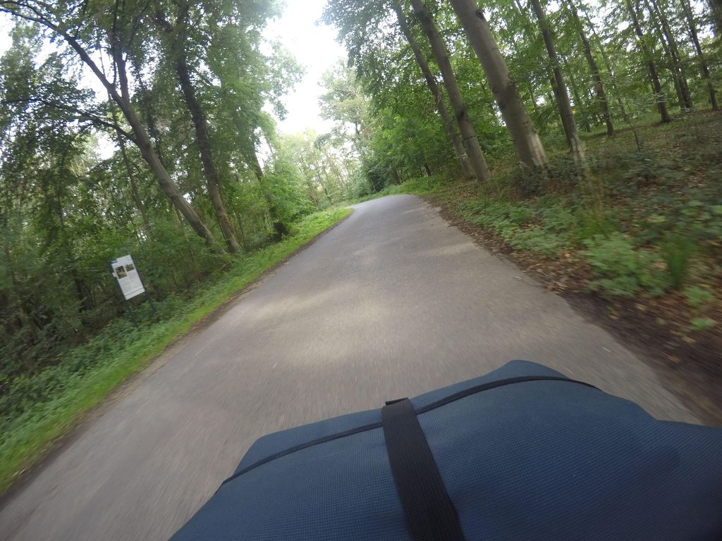 | '334540182574938 | data/raw/v2/streetsurfacevis/s_1024/334540182574938.jpg | Normal_asphalt | pending
NS-005 | 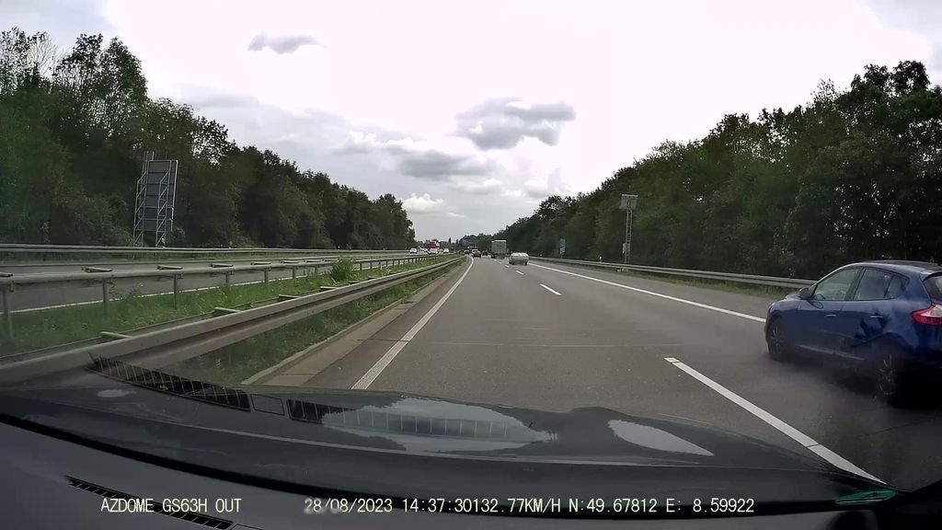 | '1692926774505454 | data/raw/v2/streetsurfacevis/s_1024/1692926774505454.jpg | Normal_asphalt | pending
NS-006 | 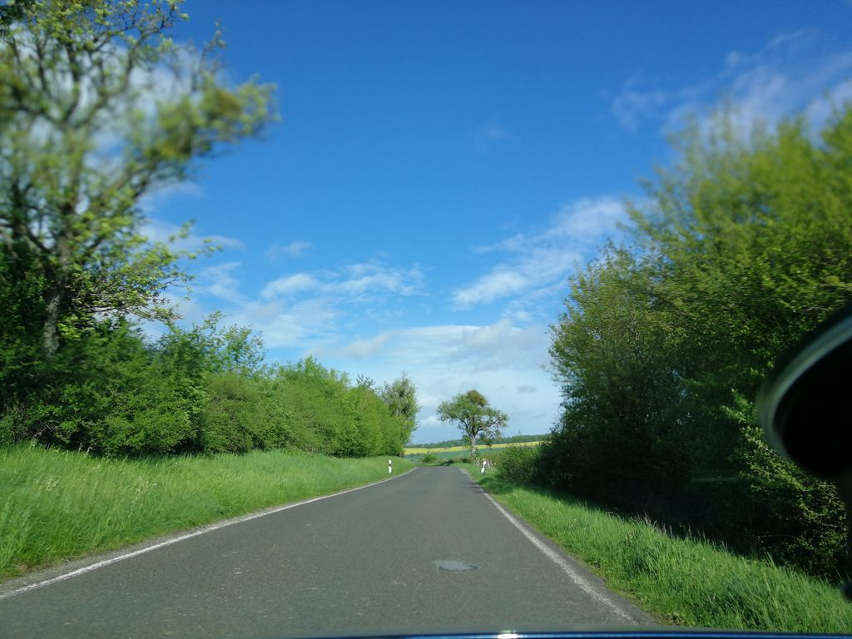 | '109544924542566 | data/raw/v2/streetsurfacevis/s_1024/109544924542566.jpg | Normal_asphalt | pending
NS-007 | 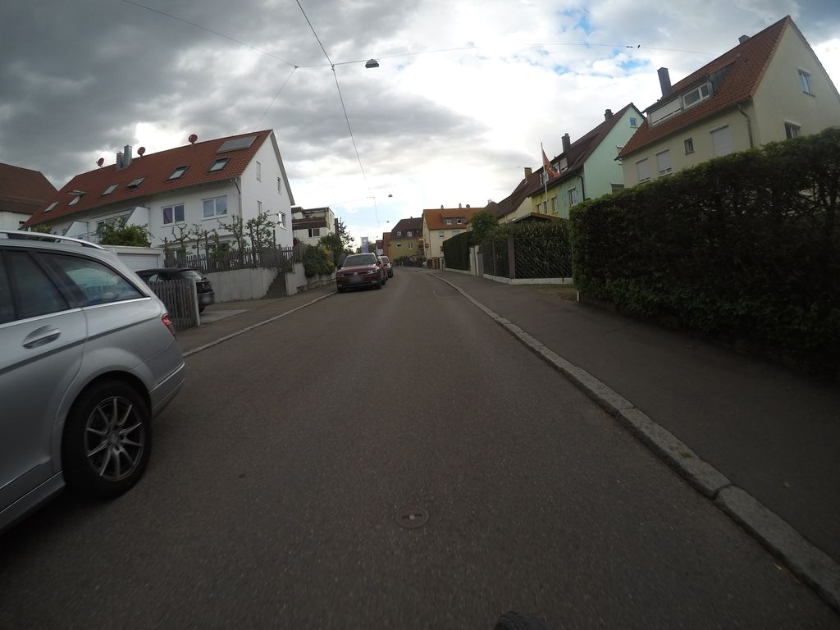 | '847315406140879 | data/raw/v2/streetsurfacevis/s_1024/847315406140879.jpg | Normal_asphalt | pending
NS-008 | 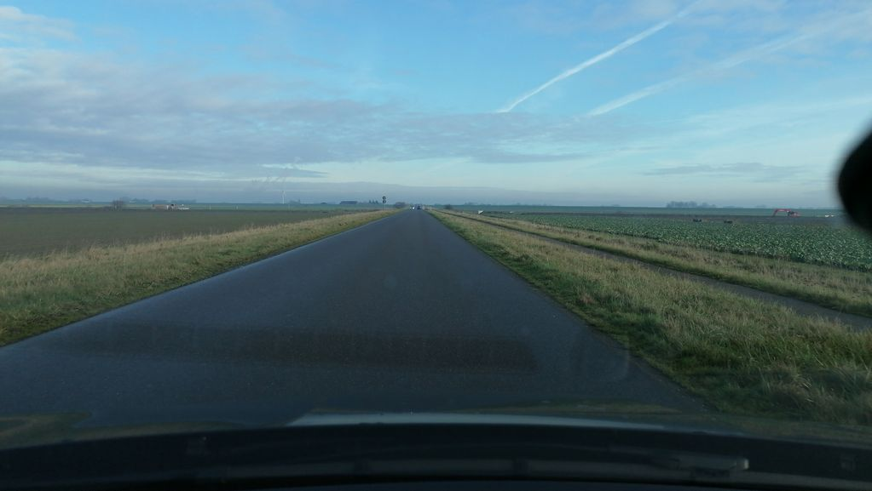 | '799473020675410 | data/raw/v2/streetsurfacevis/s_1024/799473020675410.jpg | Normal_asphalt | pending
NS-009 | 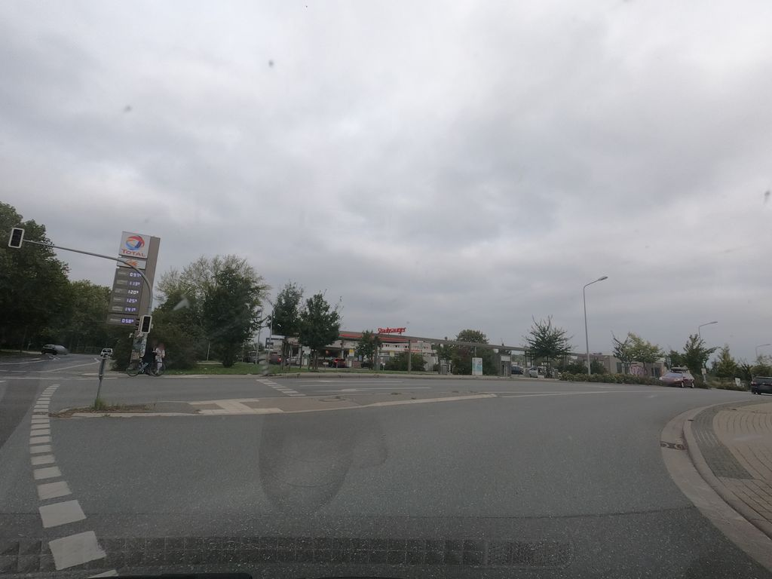 | '1168115696947693 | data/raw/v2/streetsurfacevis/s_1024/1168115696947693.jpg | Normal_asphalt | pending
NS-010 | 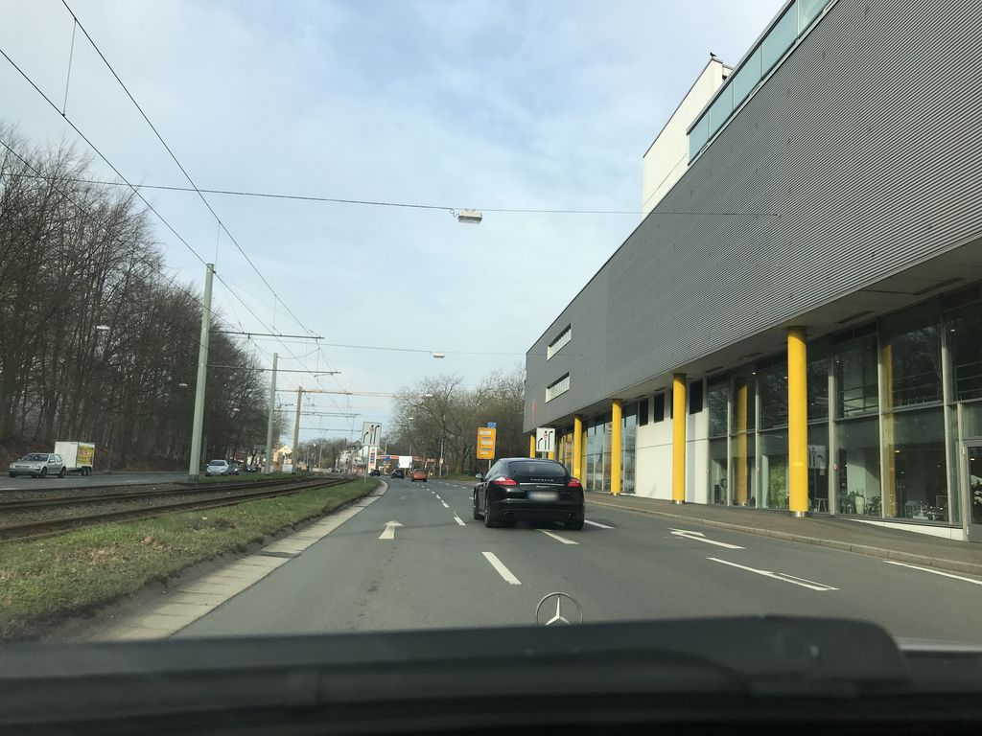 | '526564922084202 | data/raw/v2/streetsurfacevis/s_1024/526564922084202.jpg | Normal_asphalt | pending
NS-011 | 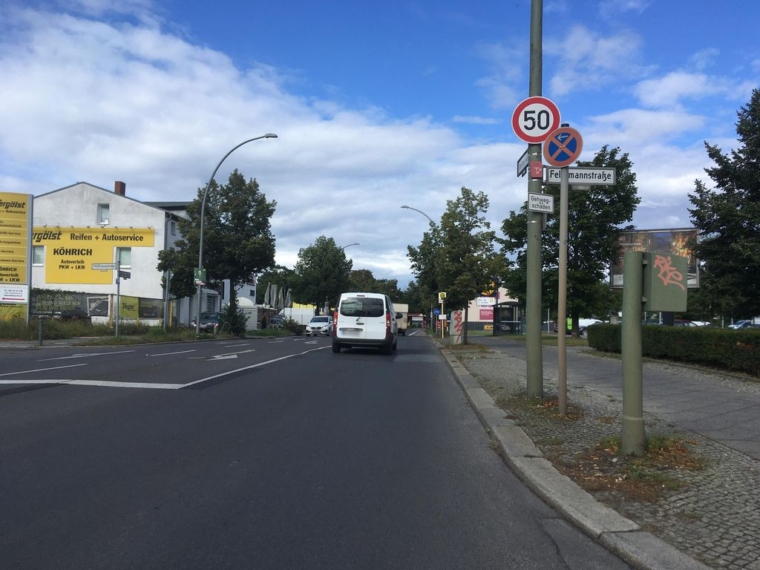 | '4191081234279145 | data/raw/v2/streetsurfacevis/s_1024/4191081234279145.jpg | Normal_asphalt | pending
NS-012 | 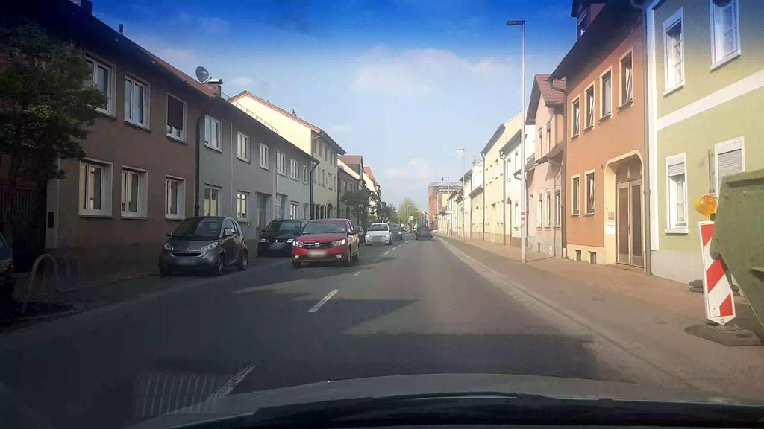 | '803352010286348 | data/raw/v2/streetsurfacevis/s_1024/803352010286348.jpg | Normal_asphalt | pending
NS-013 | 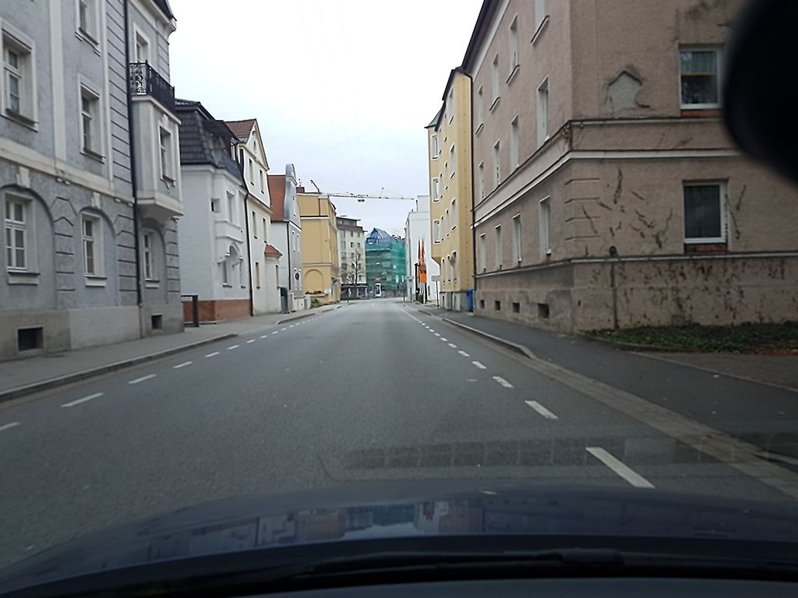 | '461713041726340 | data/raw/v2/streetsurfacevis/s_1024/461713041726340.jpg | Normal_asphalt | pending
NS-014 | 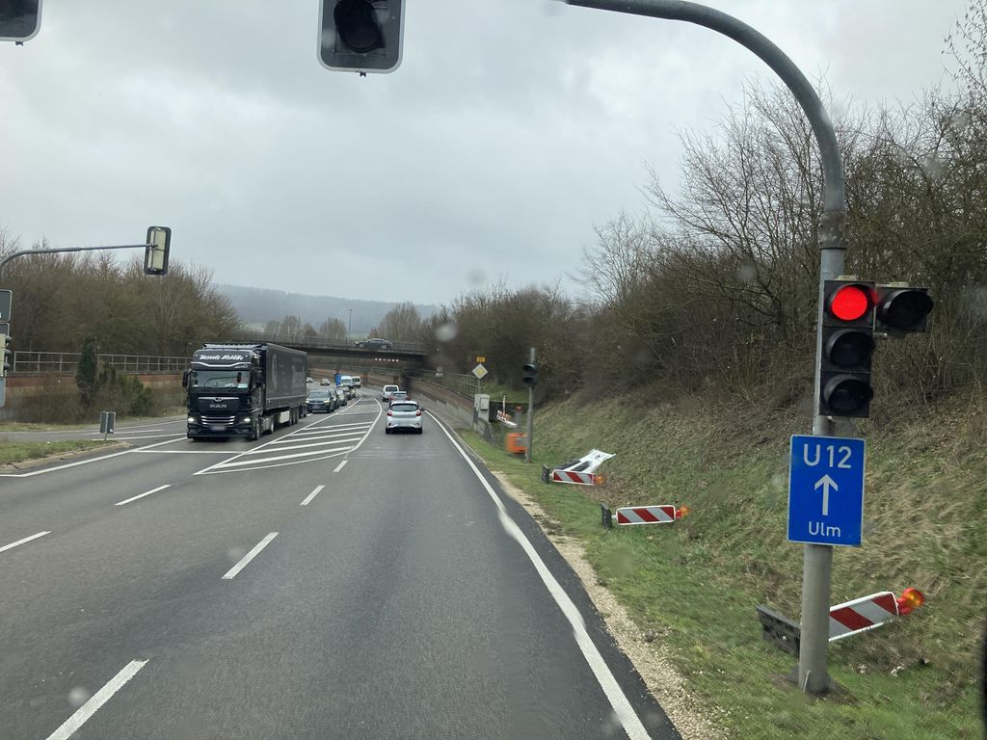 | '117039758001756 | data/raw/v2/streetsurfacevis/s_1024/117039758001756.jpg | Normal_asphalt | pending
NS-015 | 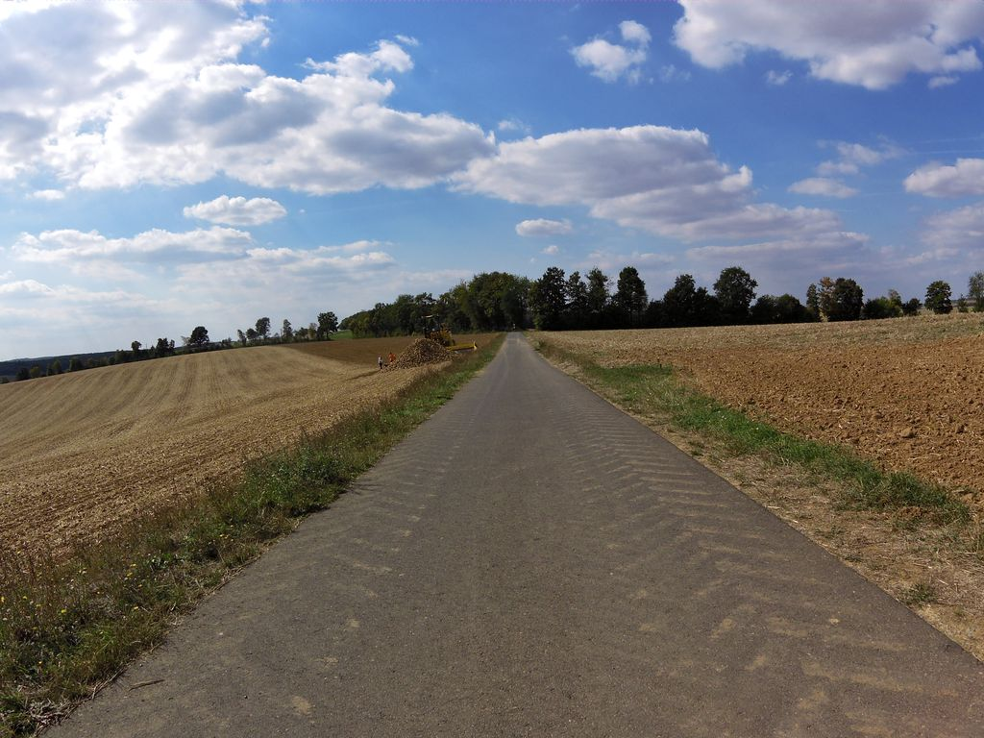 | '141317951254952 | data/raw/v2/streetsurfacevis/s_1024/141317951254952.jpg | Normal_asphalt | pending
NS-016 | 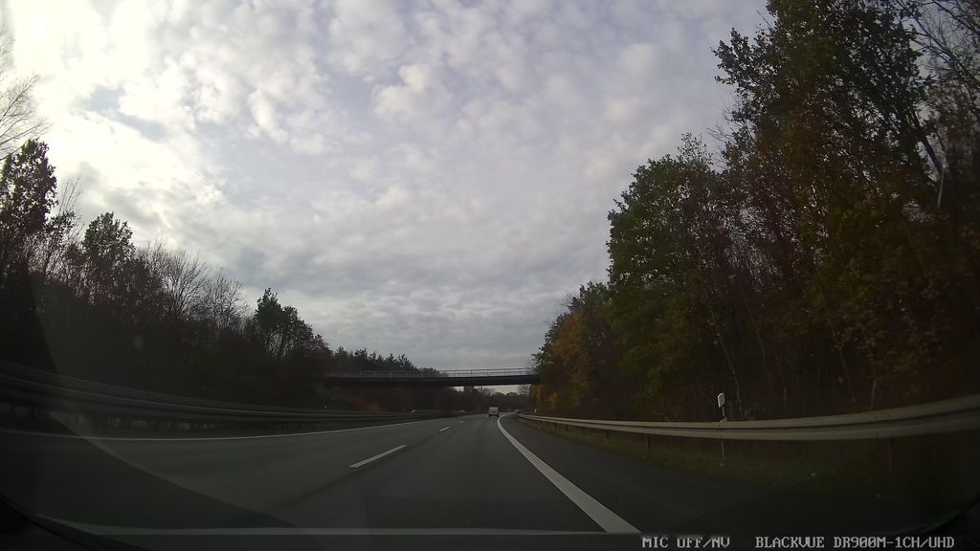 | '3938530869557425 | data/raw/v2/streetsurfacevis/s_1024/3938530869557425.jpg | Normal_asphalt | pending
NS-017 | 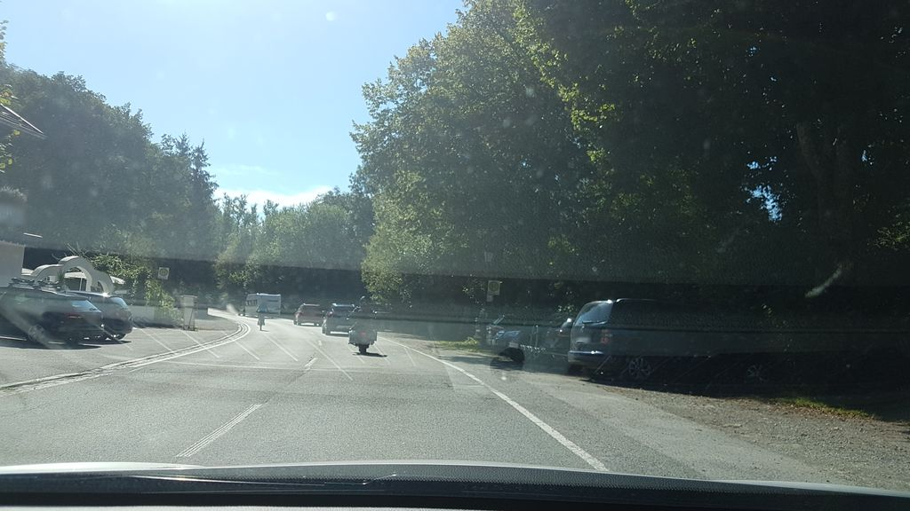 | '479136550015176 | data/raw/v2/streetsurfacevis/s_1024/479136550015176.jpg | Normal_asphalt | pending
NS-018 | 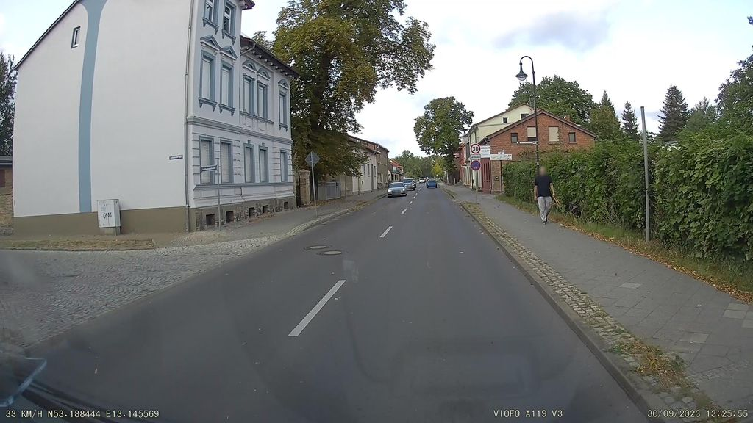 | '873211231021841 | data/raw/v2/streetsurfacevis/s_1024/873211231021841.jpg | Normal_asphalt | pending
NS-019 | 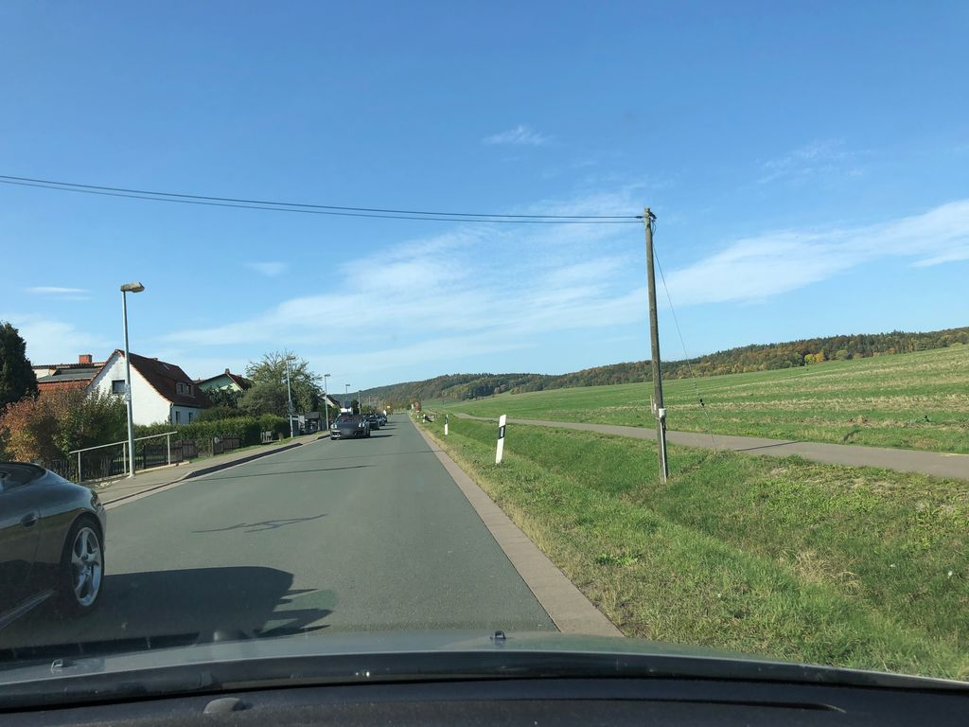 | '814836792718636 | data/raw/v2/streetsurfacevis/s_1024/814836792718636.jpg | Normal_asphalt | pending
NS-020 | 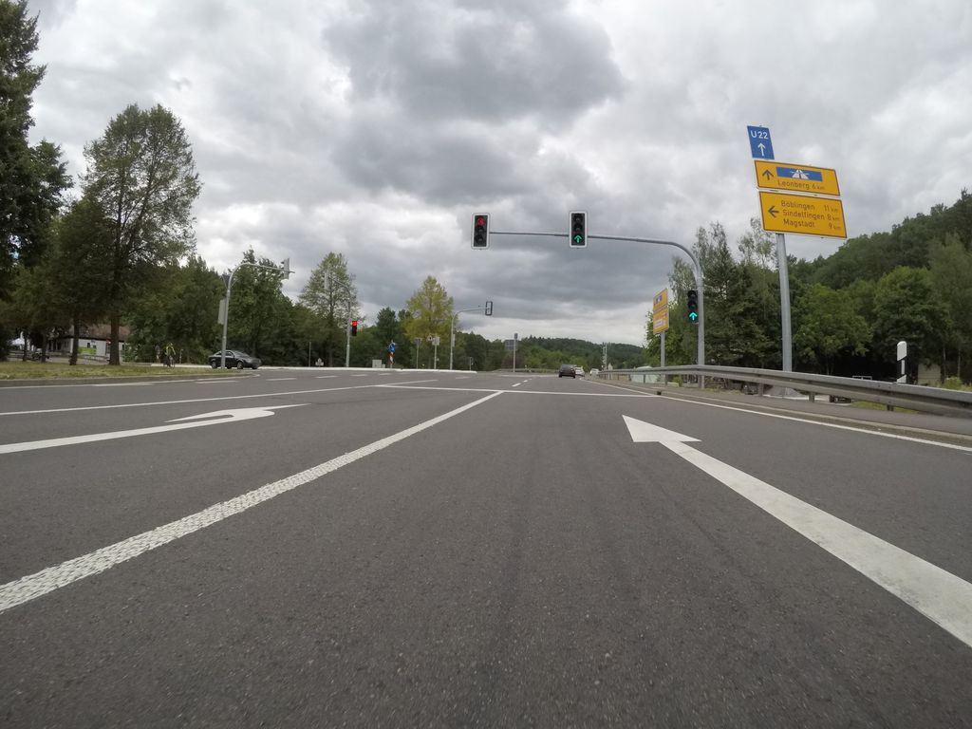 | '802322163710717 | data/raw/v2/streetsurfacevis/s_1024/802322163710717.jpg | Normal_asphalt | pending
NS-021 | 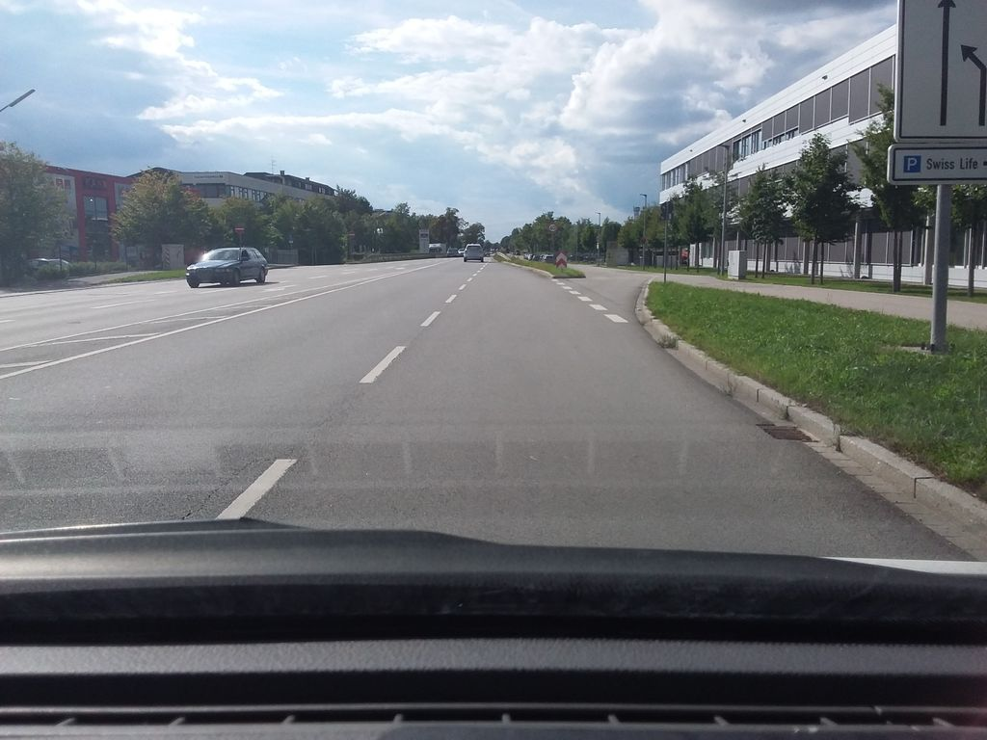 | '485363269348105 | data/raw/v2/streetsurfacevis/s_1024/485363269348105.jpg | Normal_asphalt | pending
NS-022 | 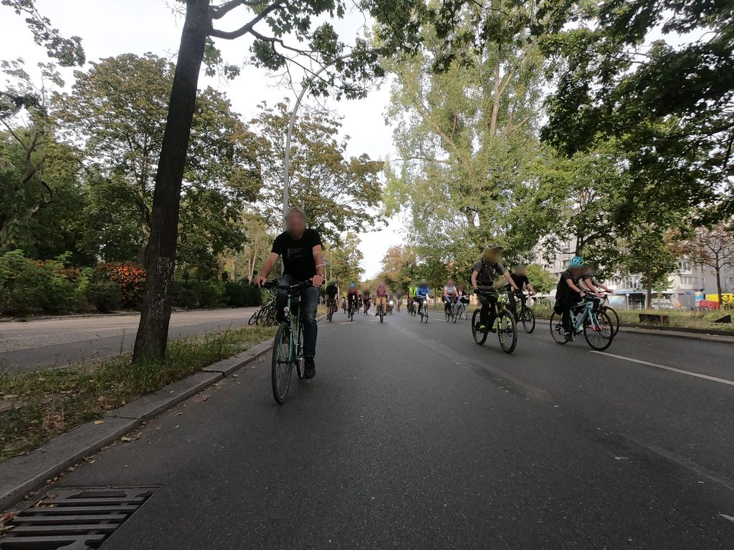 | '753640608659247 | data/raw/v2/streetsurfacevis/s_1024/753640608659247.jpg | Normal_asphalt | pending
NS-023 | 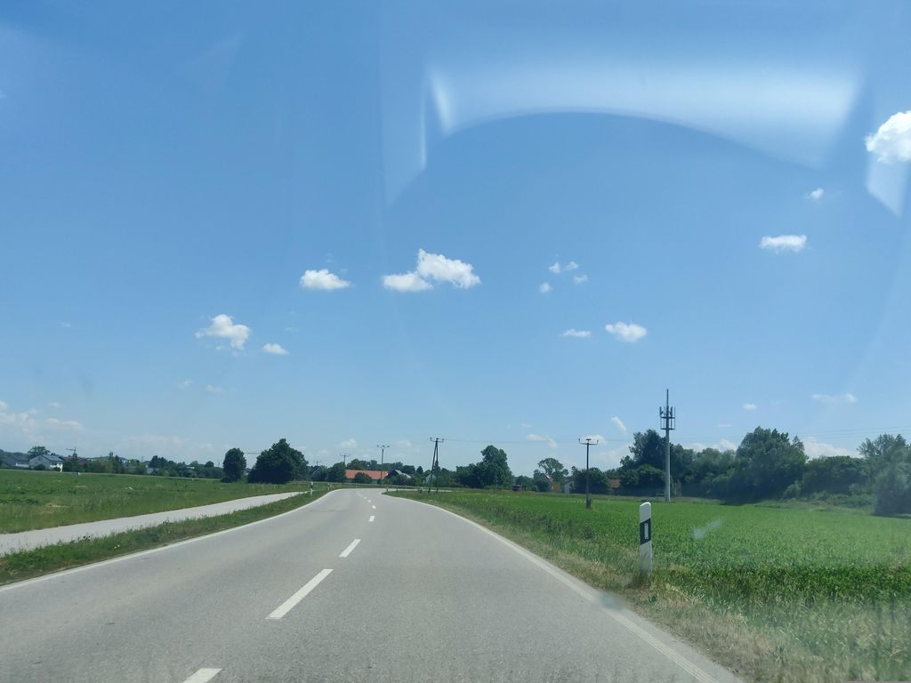 | '993568121645717 | data/raw/v2/streetsurfacevis/s_1024/993568121645717.jpg | Normal_asphalt | pending
NS-024 | 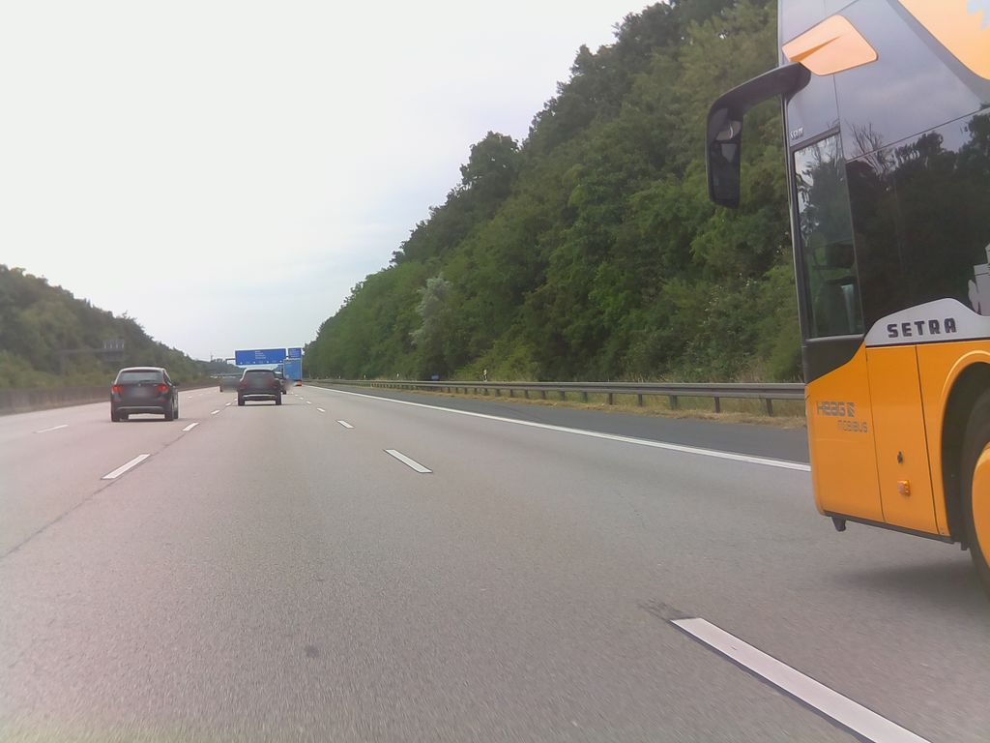 | '4382010995165875 | data/raw/v2/streetsurfacevis/s_1024/4382010995165875.jpg | Normal_asphalt | pending
NS-025 | 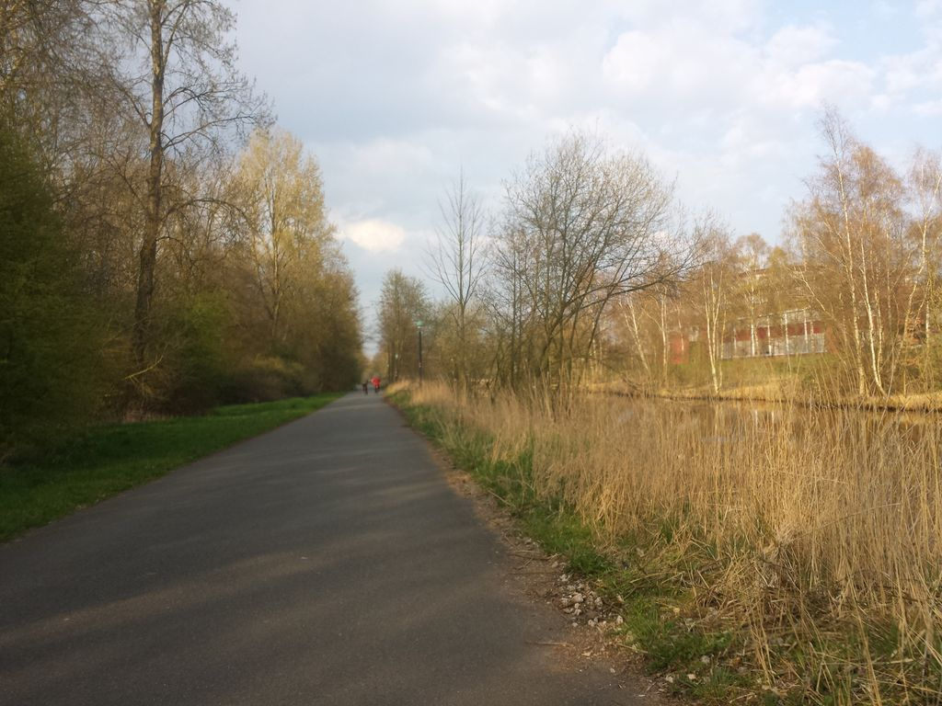 | '150317243718267 | data/raw/v2/streetsurfacevis/s_1024/150317243718267.jpg | Normal_asphalt | pending
NS-026 | 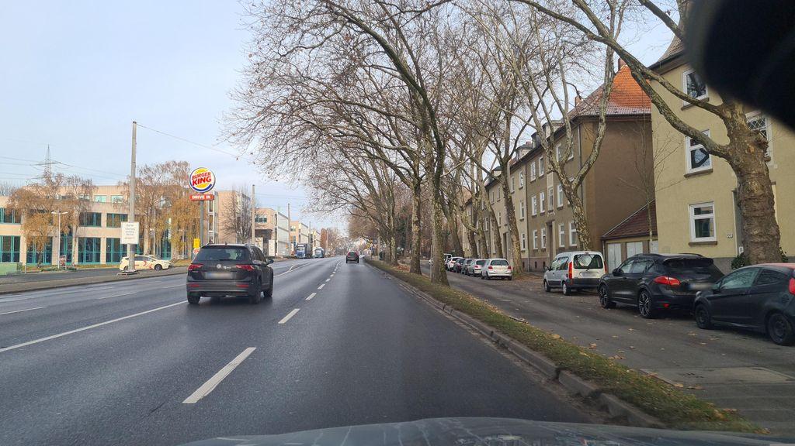 | '1187791265215775 | data/raw/v2/streetsurfacevis/s_1024/1187791265215775.jpg | Normal_asphalt | pending
NS-027 | 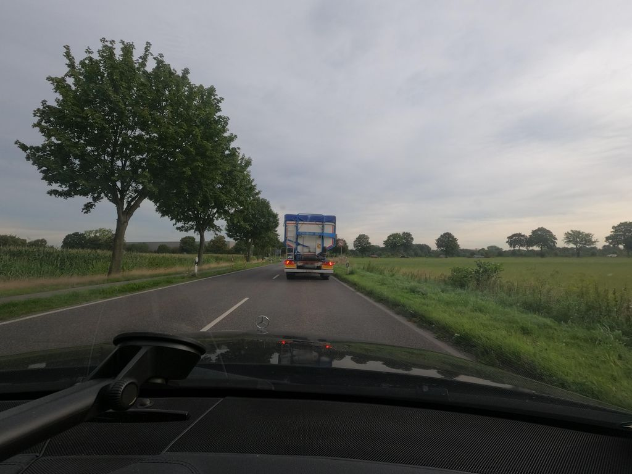 | '810999677419251 | data/raw/v2/streetsurfacevis/s_1024/810999677419251.jpg | Normal_asphalt | pending
NS-028 | 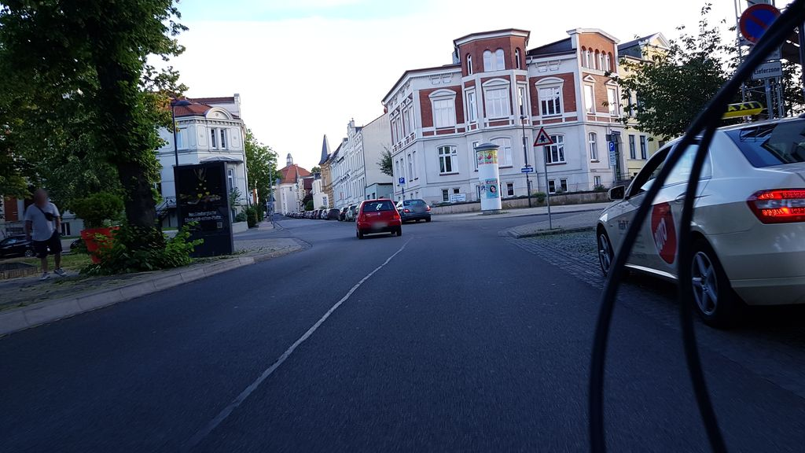 | '1142265532953657 | data/raw/v2/streetsurfacevis/s_1024/1142265532953657.jpg | Normal_asphalt | pending
NS-029 | 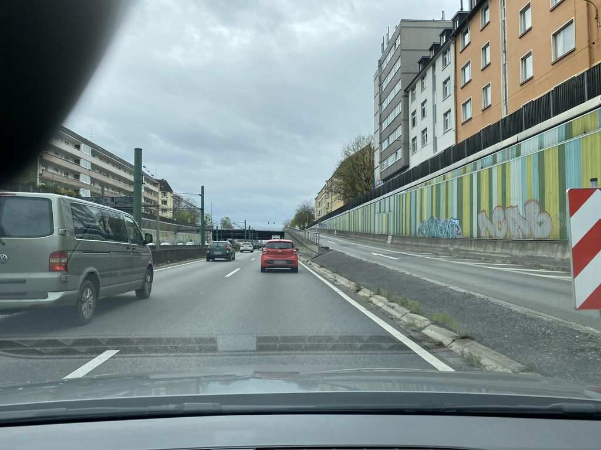 | '482006733705163 | data/raw/v2/streetsurfacevis/s_1024/482006733705163.jpg | Normal_asphalt | pending
NS-030 | 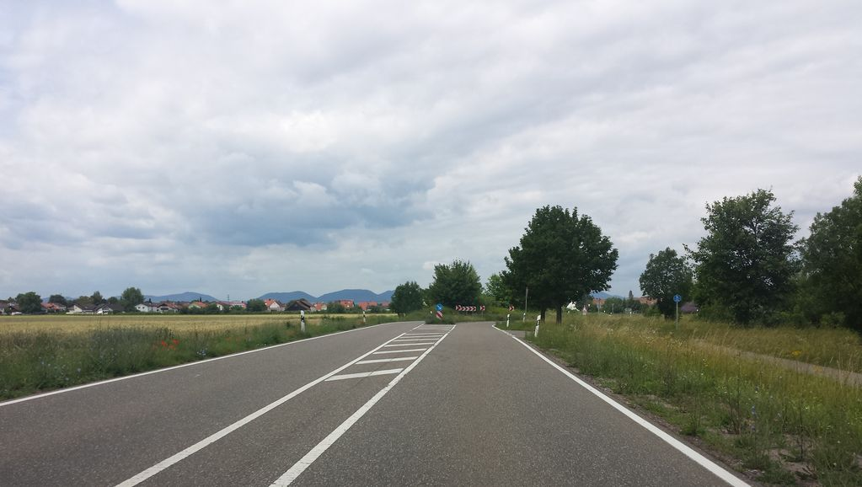 | '742872509734606 | data/raw/v2/streetsurfacevis/s_1024/742872509734606.jpg | Normal_asphalt | pending
NS-031 | 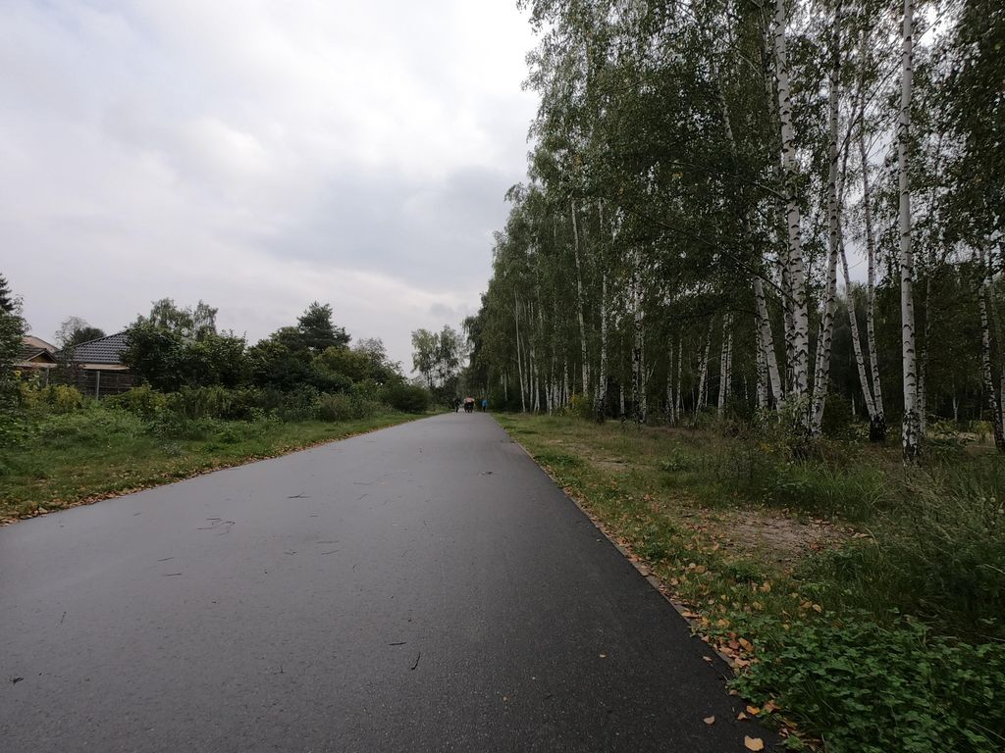 | '4130993023695364 | data/raw/v2/streetsurfacevis/s_1024/4130993023695364.jpg | Normal_asphalt | pending
NS-032 | 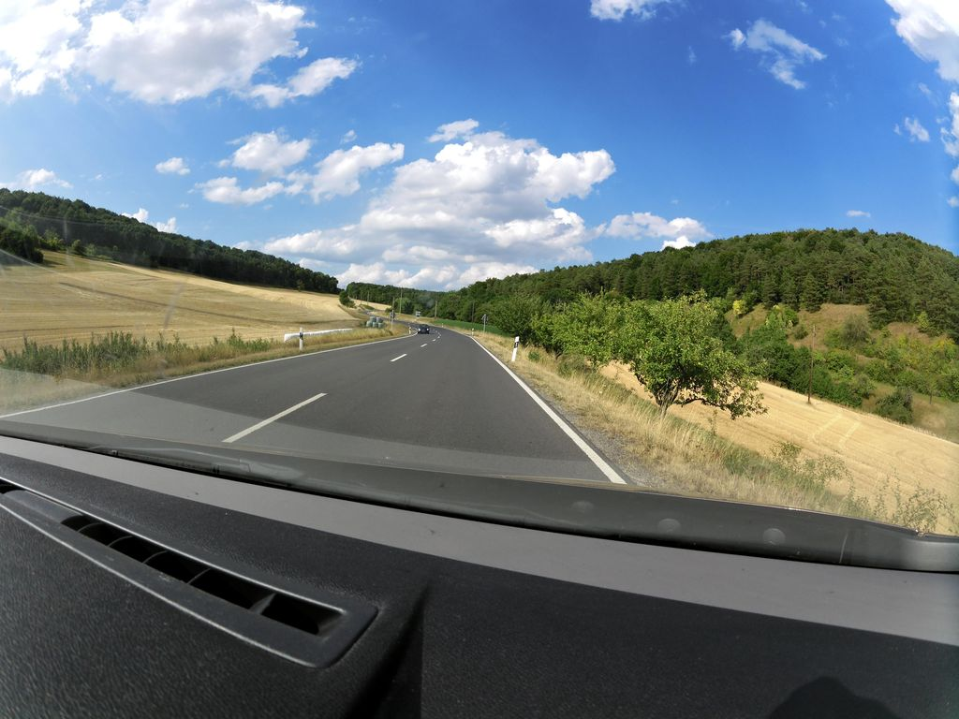 | '726159688466990 | data/raw/v2/streetsurfacevis/s_1024/726159688466990.jpg | Normal_asphalt | pending
NS-033 | 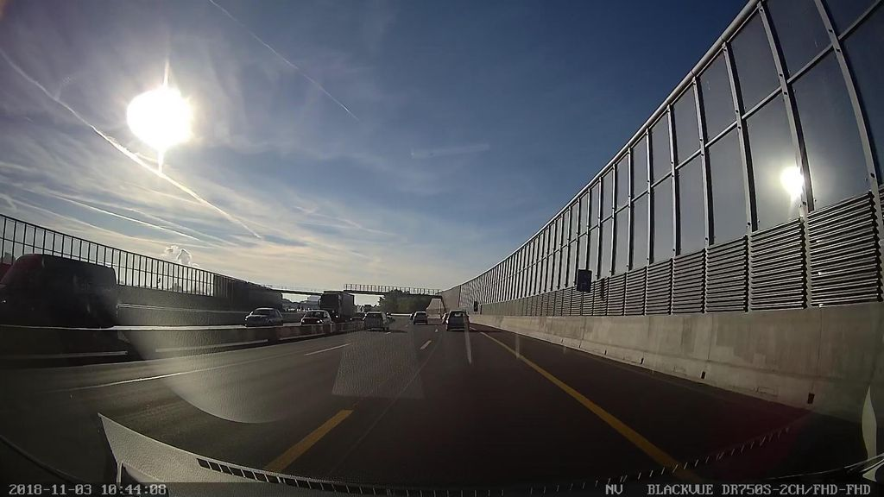 | '744029259612041 | data/raw/v2/streetsurfacevis/s_1024/744029259612041.jpg | Normal_asphalt | pending
NS-034 | 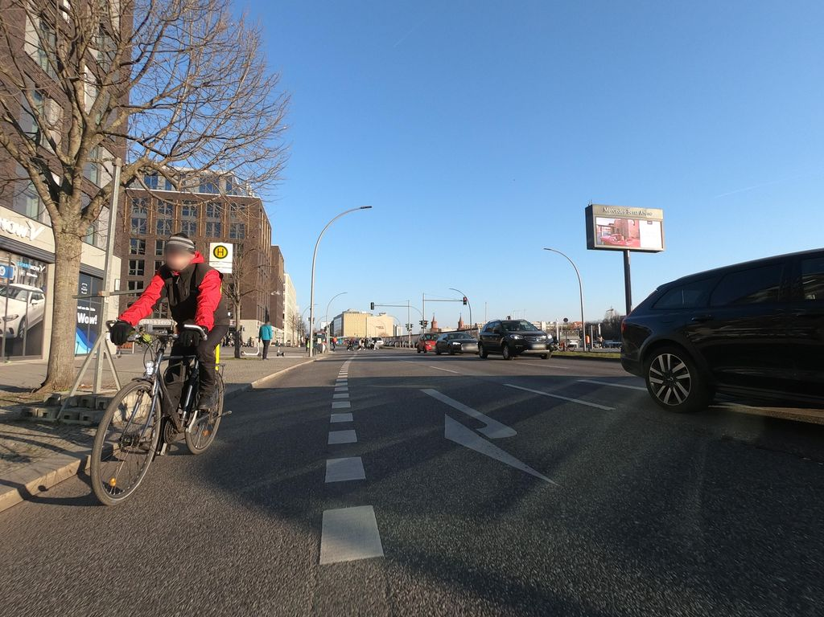 | '240783648191559 | data/raw/v2/streetsurfacevis/s_1024/240783648191559.jpg | Normal_asphalt | pending
NS-035 | 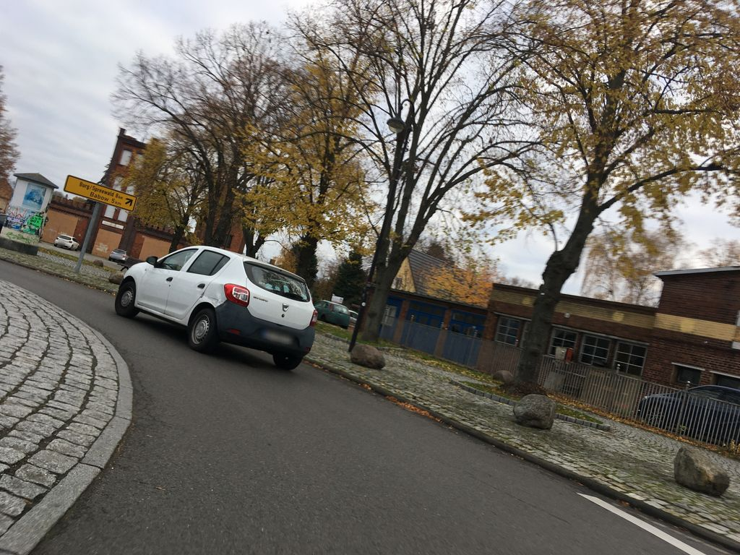 | '4285304724821100 | data/raw/v2/streetsurfacevis/s_1024/4285304724821100.jpg | Normal_asphalt | pending
NS-036 | 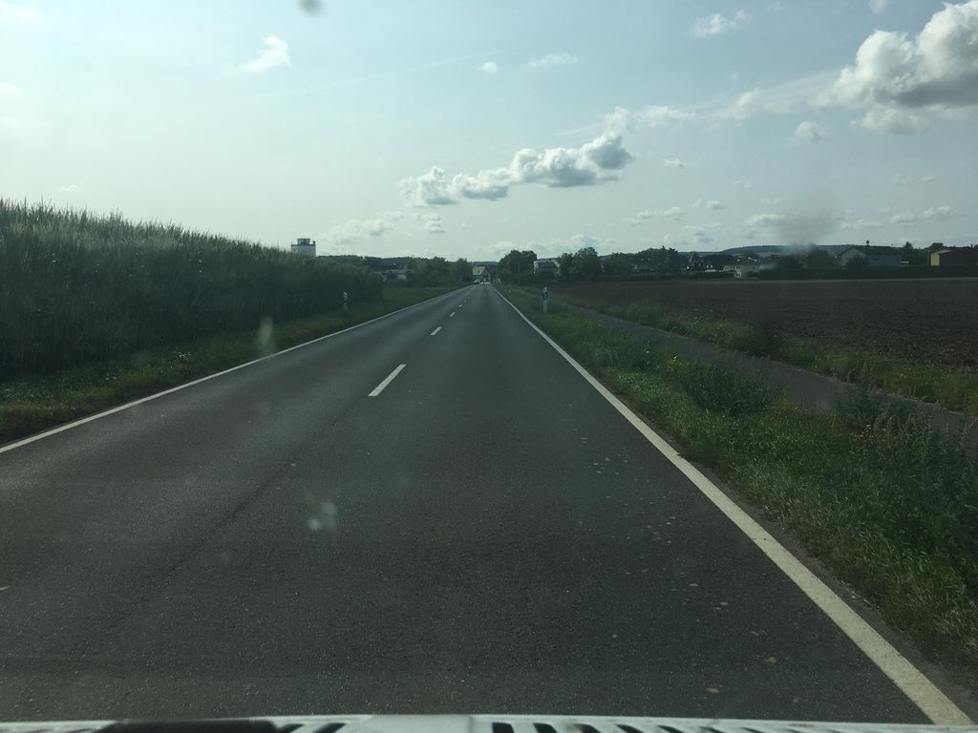 | '803521833639155 | data/raw/v2/streetsurfacevis/s_1024/803521833639155.jpg | Normal_asphalt | pending
NS-037 | 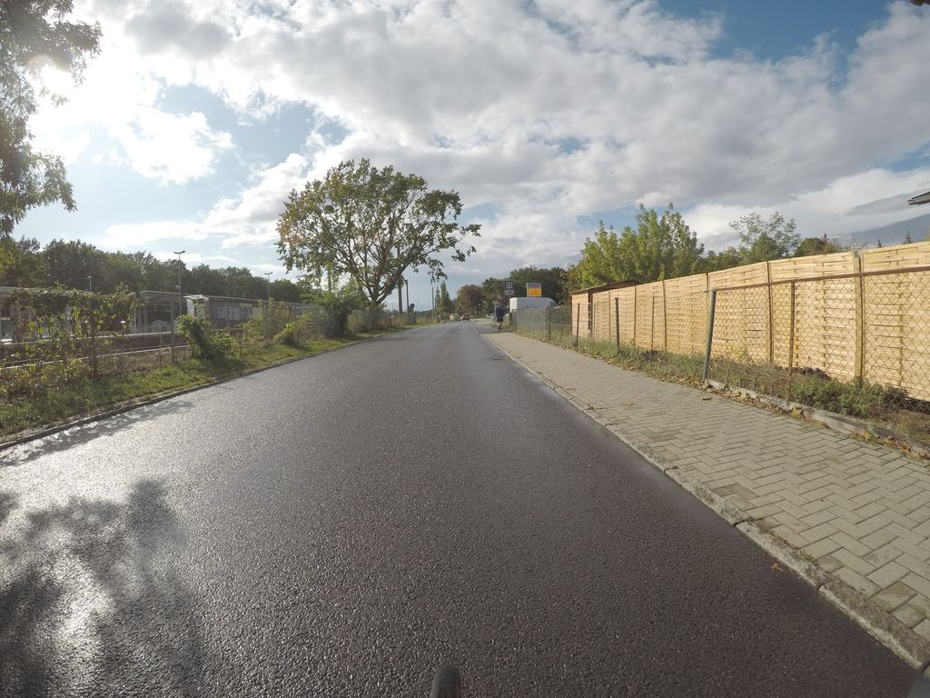 | '498340641516936 | data/raw/v2/streetsurfacevis/s_1024/498340641516936.jpg | Normal_asphalt | pending
NS-038 | 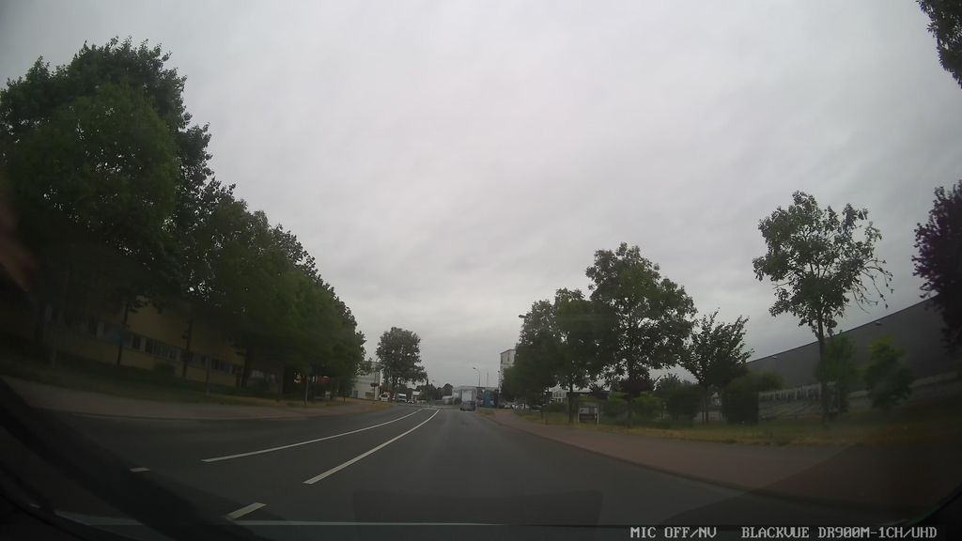 | '1931077070594607 | data/raw/v2/streetsurfacevis/s_1024/1931077070594607.jpg | Normal_asphalt | pending
NS-039 | 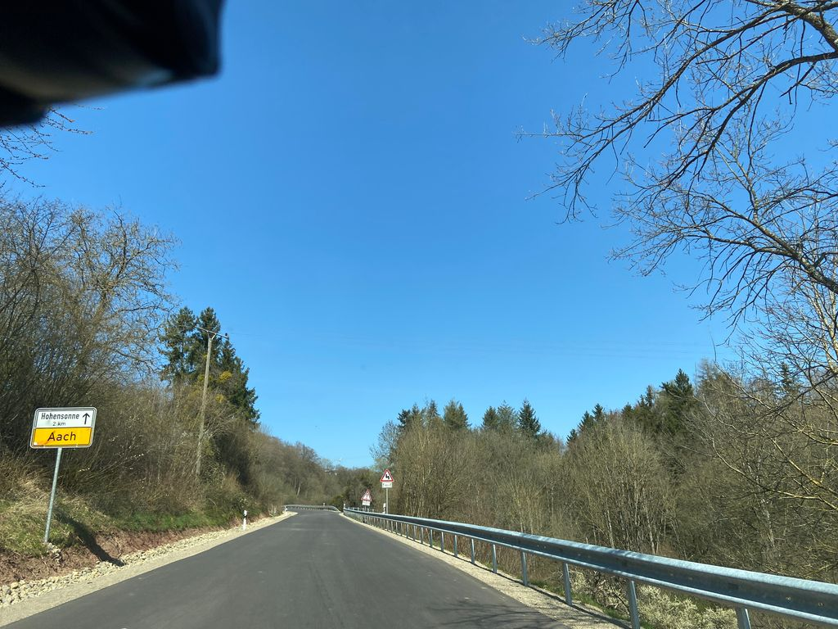 | '1167198743781110 | data/raw/v2/streetsurfacevis/s_1024/1167198743781110.jpg | Normal_asphalt | pending
NS-040 | 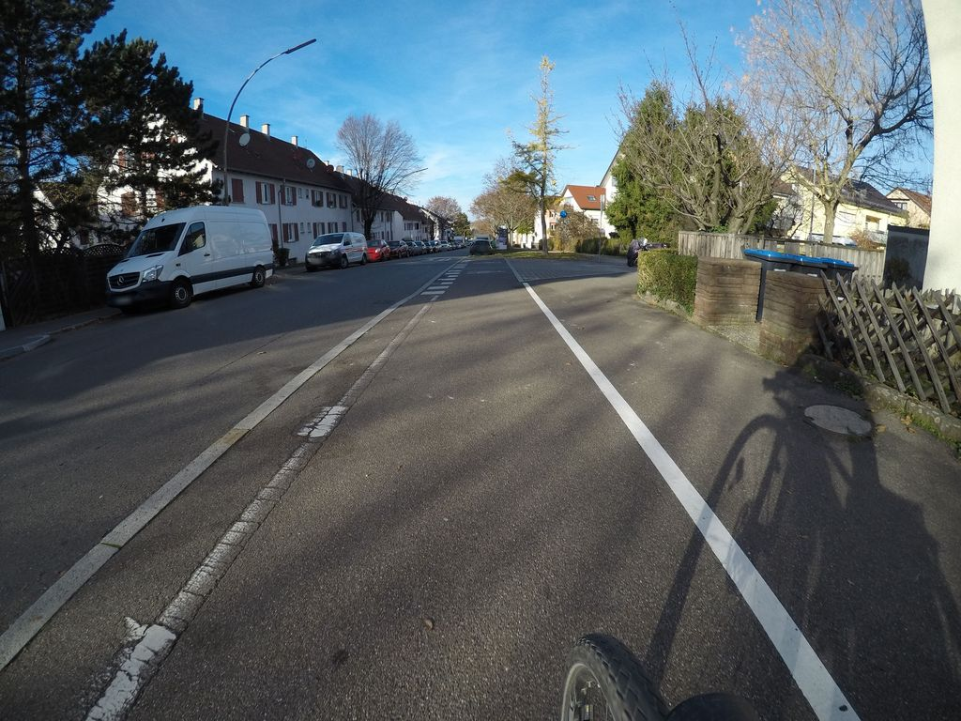 | '515304936158040 | data/raw/v2/streetsurfacevis/s_1024/515304936158040.jpg | Normal_asphalt | pending
NS-041 | 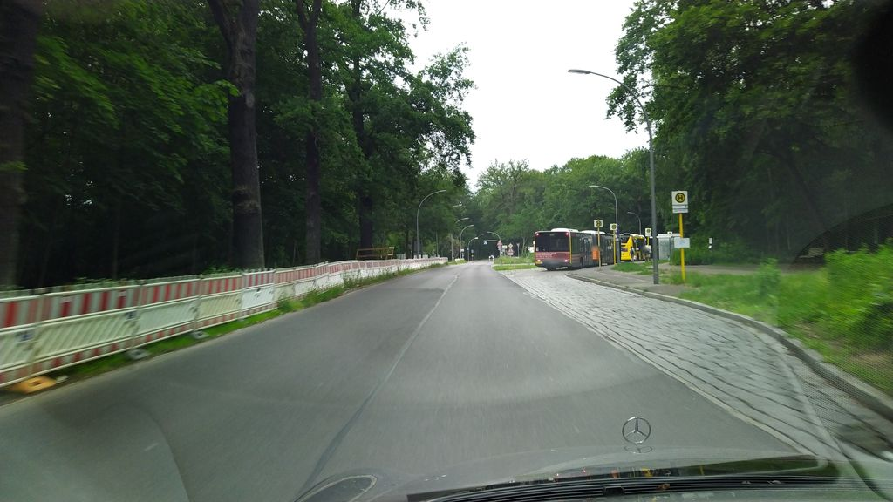 | '978445736233602 | data/raw/v2/streetsurfacevis/s_1024/978445736233602.jpg | Normal_asphalt | pending
NS-042 | 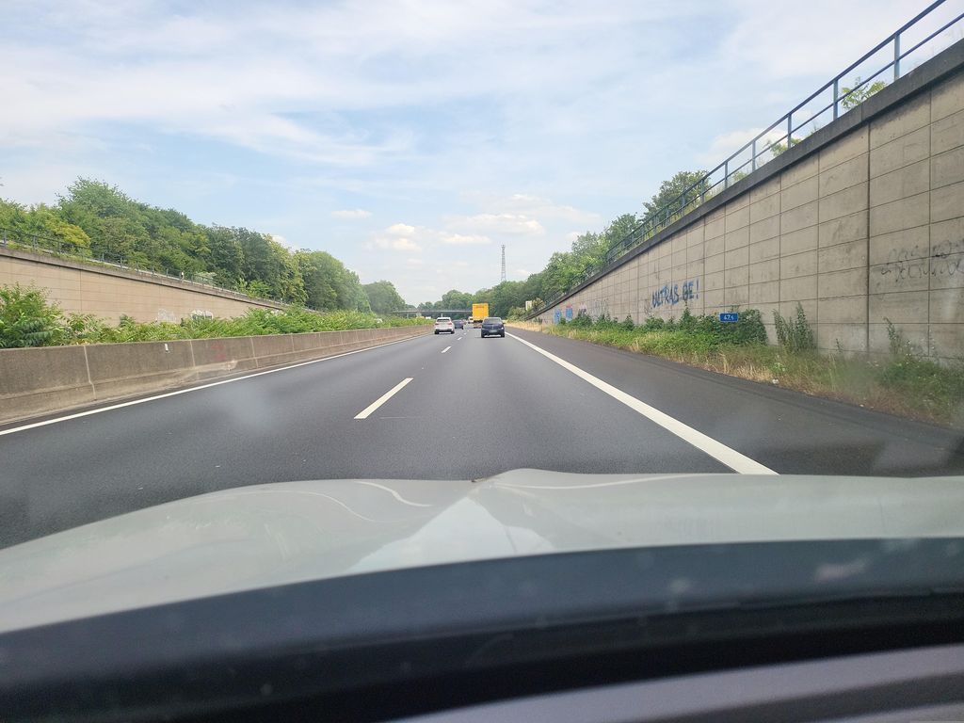 | '277967264903768 | data/raw/v2/streetsurfacevis/s_1024/277967264903768.jpg | Normal_asphalt | pending
NS-043 | 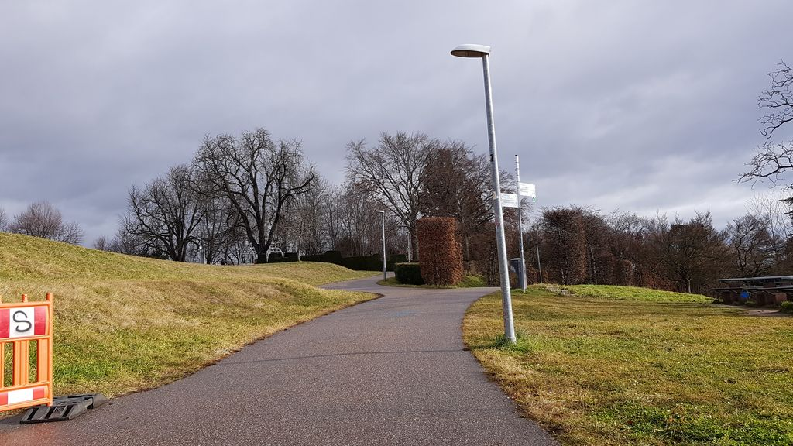 | '524805188675918 | data/raw/v2/streetsurfacevis/s_1024/524805188675918.jpg | Normal_asphalt | pending
NS-044 | 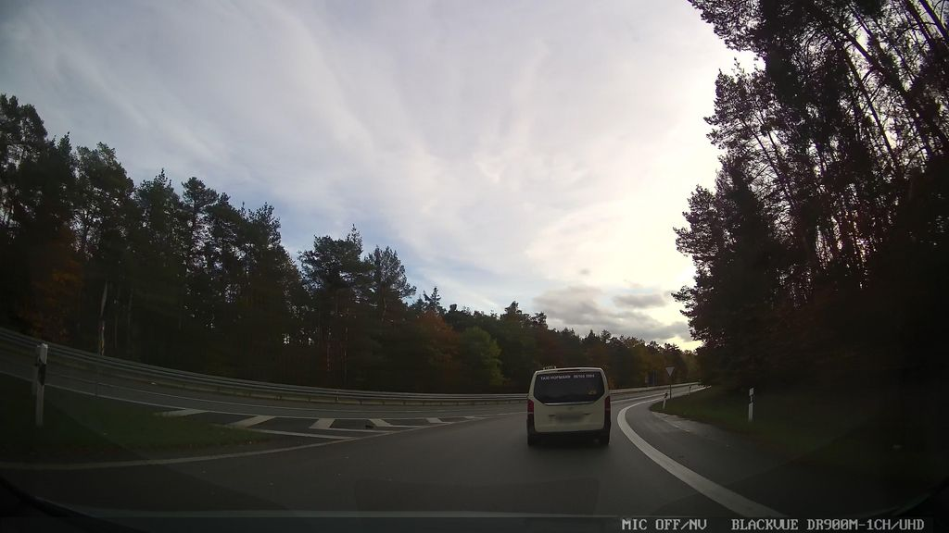 | '879368329460913 | data/raw/v2/streetsurfacevis/s_1024/879368329460913.jpg | Normal_asphalt | pending
NS-045 | 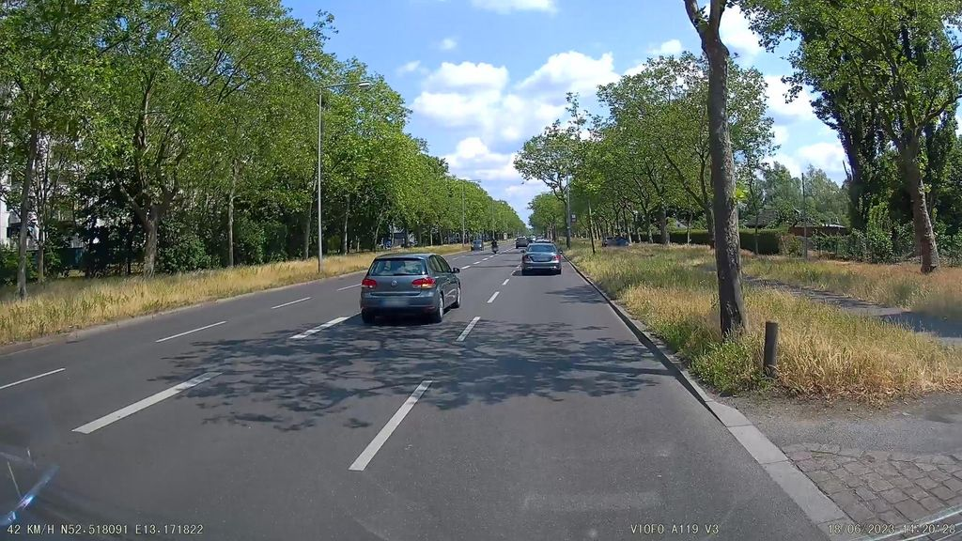 | '1405219660272349 | data/raw/v2/streetsurfacevis/s_1024/1405219660272349.jpg | Normal_asphalt | pending
NS-046 | 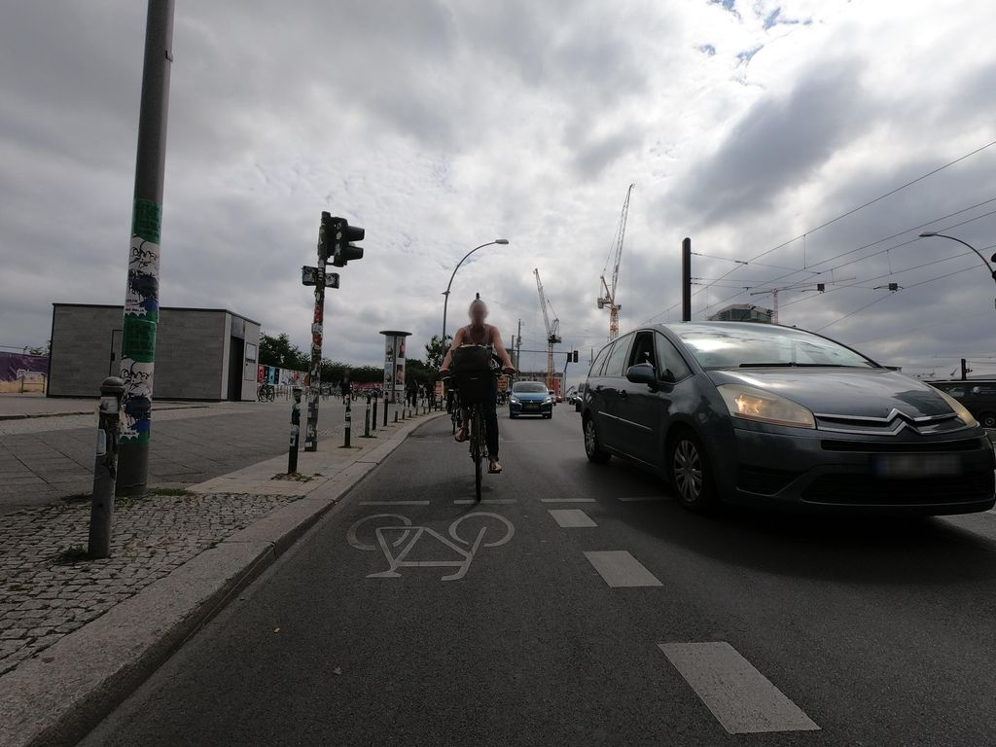 | '1778700352335380 | data/raw/v2/streetsurfacevis/s_1024/1778700352335380.jpg | Normal_asphalt | pending
NS-047 | 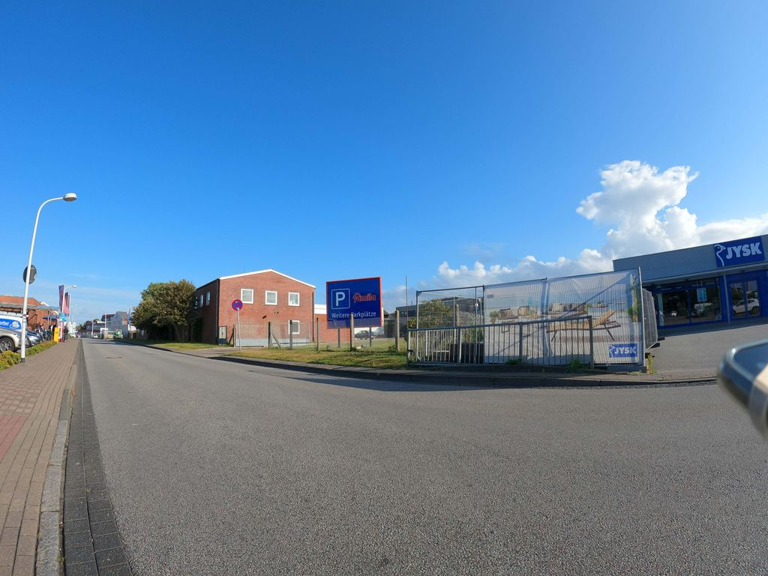 | '155080163794210 | data/raw/v2/streetsurfacevis/s_1024/155080163794210.jpg | Normal_asphalt | pending
NS-048 | 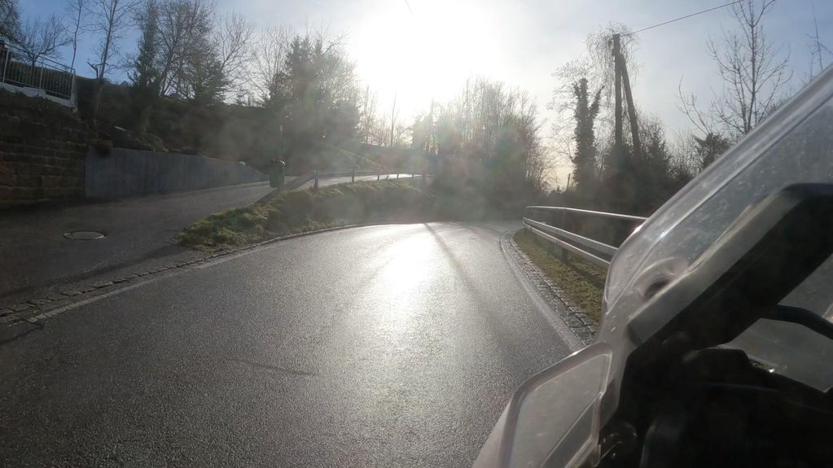 | '554372596573093 | data/raw/v2/streetsurfacevis/s_1024/554372596573093.jpg | Normal_asphalt | pending
NS-049 | 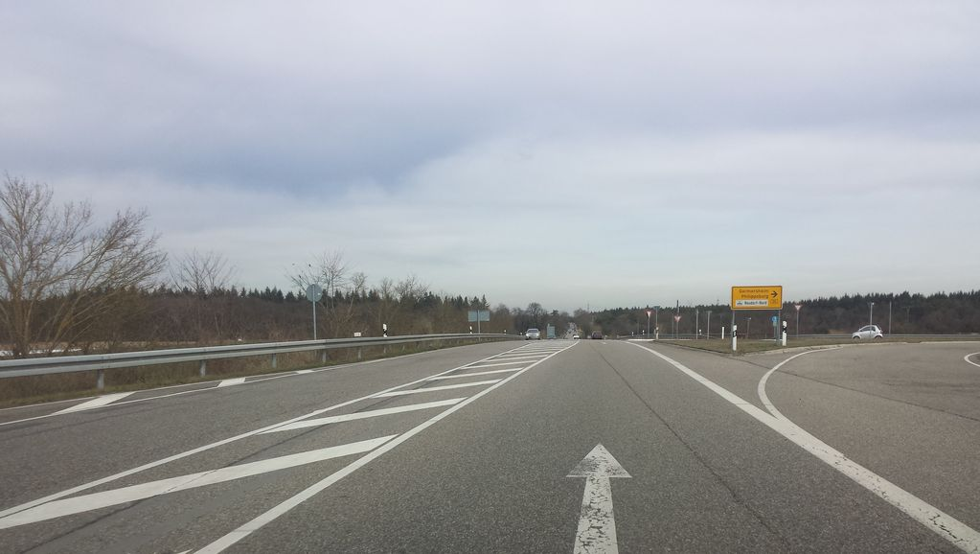 | '878791416001573 | data/raw/v2/streetsurfacevis/s_1024/878791416001573.jpg | Normal_asphalt | pending
NS-050 | 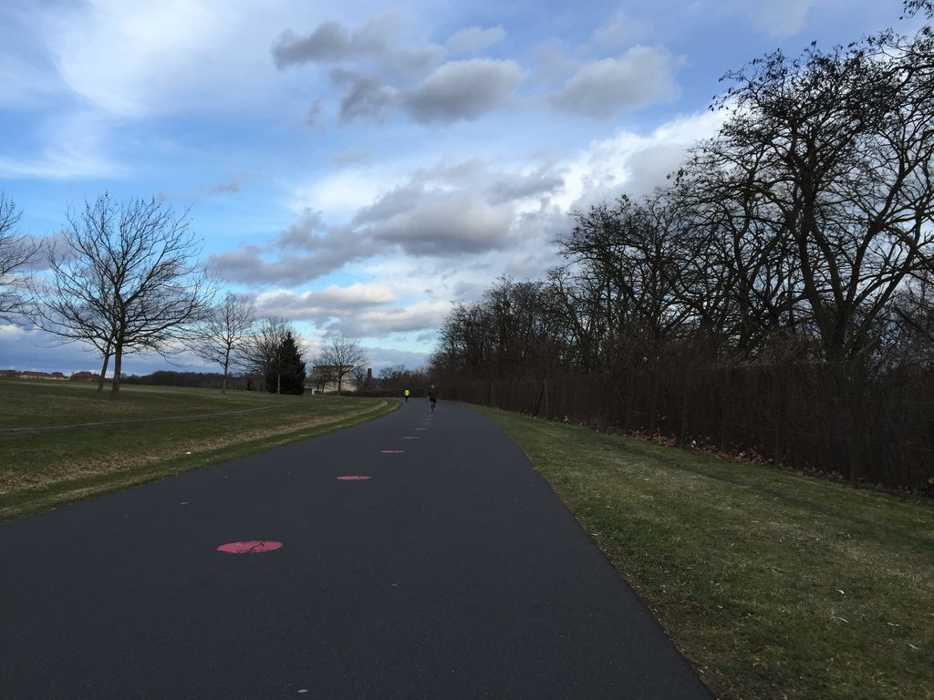 | '145858377503846 | data/raw/v2/streetsurfacevis/s_1024/145858377503846.jpg | Normal_asphalt | pending
NS-051 |  | '911250652992836 | data/raw/v2/streetsurfacevis/s_1024/911250652992836.jpg | Normal_asphalt | pending
NS-052 |  | '918908606618366 | data/raw/v2/streetsurfacevis/s_1024/918908606618366.jpg | Normal_asphalt | pending
NS-053 |  | '511118723256567 | data/raw/v2/streetsurfacevis/s_1024/511118723256567.jpg | Normal_asphalt | pending
NS-054 |  | '848524202410406 | data/raw/v2/streetsurfacevis/s_1024/848524202410406.jpg | Normal_asphalt | pending
NS-055 |  | '401175468702884 | data/raw/v2/streetsurfacevis/s_1024/401175468702884.jpg | Normal_asphalt | pending
NS-056 |  | '165477135663600 | data/raw/v2/streetsurfacevis/s_1024/165477135663600.jpg | Normal_asphalt | pending
NS-057 |  | '818614312100096 | data/raw/v2/streetsurfacevis/s_1024/818614312100096.jpg | Normal_asphalt | pending
NS-058 |  | '1129291450892284 | data/raw/v2/streetsurfacevis/s_1024/1129291450892284.jpg | Normal_asphalt | pending
NS-059 |  | '302428901464558 | data/raw/v2/streetsurfacevis/s_1024/302428901464558.jpg | Normal_asphalt | pending
NS-060 |  | '843021024064570 | data/raw/v2/streetsurfacevis/s_1024/843021024064570.jpg | Normal_asphalt | pending

