Candidate review
StreetSurfaceVis shadow candidate review |  |  |  |  |  |  | Source | https://zenodo.org/records/11449977
Review the image itself. Select Keep only when a visible shadow falls on the road surface. Similarity ranking proposes candidates; it does not prove the label. |  |  |  |  |  |  | License | CC-BY-SA stated on the official Zenodo record; recheck before redistribution
 |  |  |  |  |  |  | Important | These are proposed candidates. Only the Human decision column determines acceptance.
Candidate images | 48 | Keep | 33 | Exclude | 15
Pending | 0 | Unclear | 0

Candidate ID | Image ID | Image preview | Human decision | Reviewer notes | Similarity score | Original source label
SH-C001 | SSV-765100174607174 | 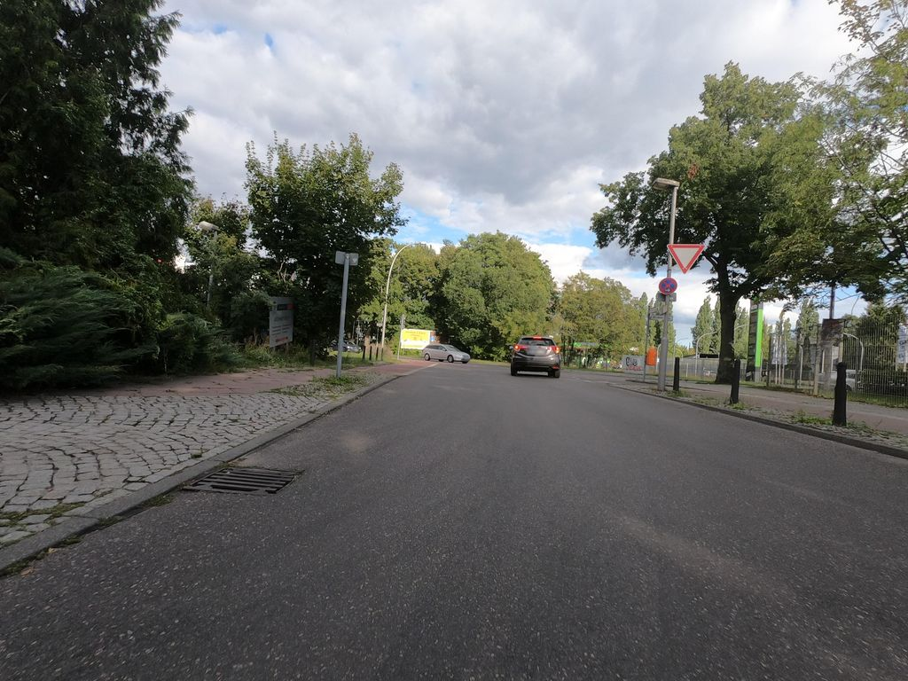 | Exclude |  | 0.805 | Normal_asphalt
SH-C002 | SSV-467673481111243 | 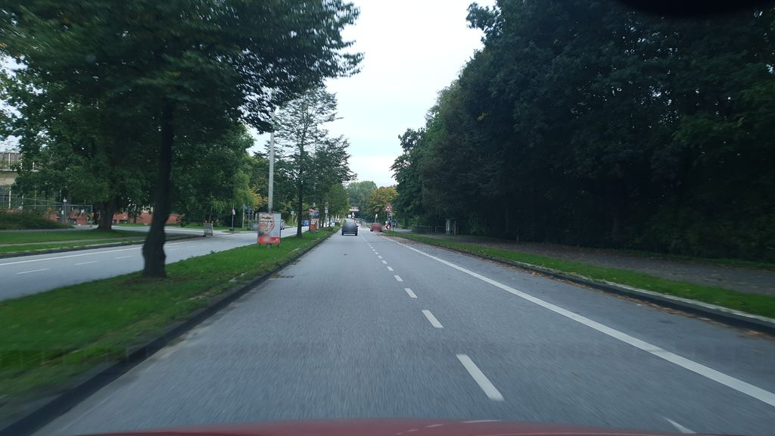 | Exclude |  | 0.792 | Normal_asphalt
SH-C003 | SSV-1964334537048617 | 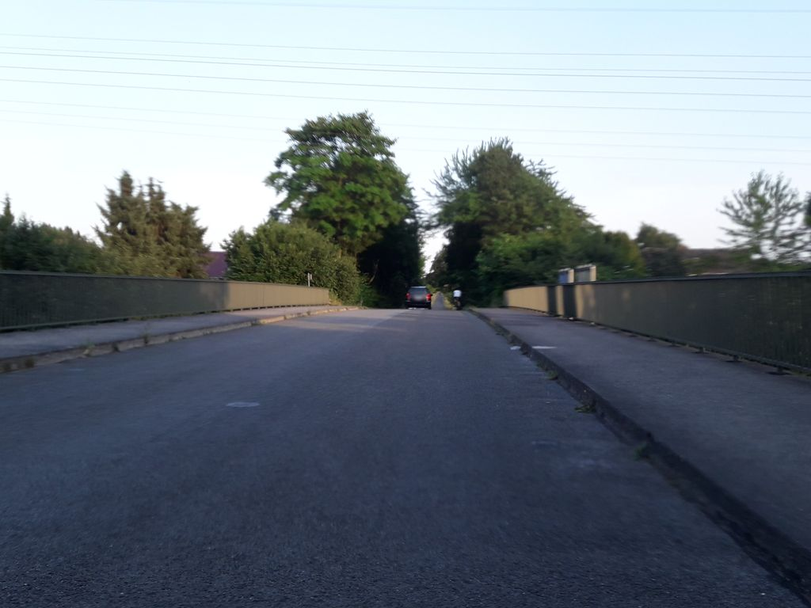 | Keep |  | 0.789 | Normal_asphalt
SH-C004 | SSV-2570008989970943 | 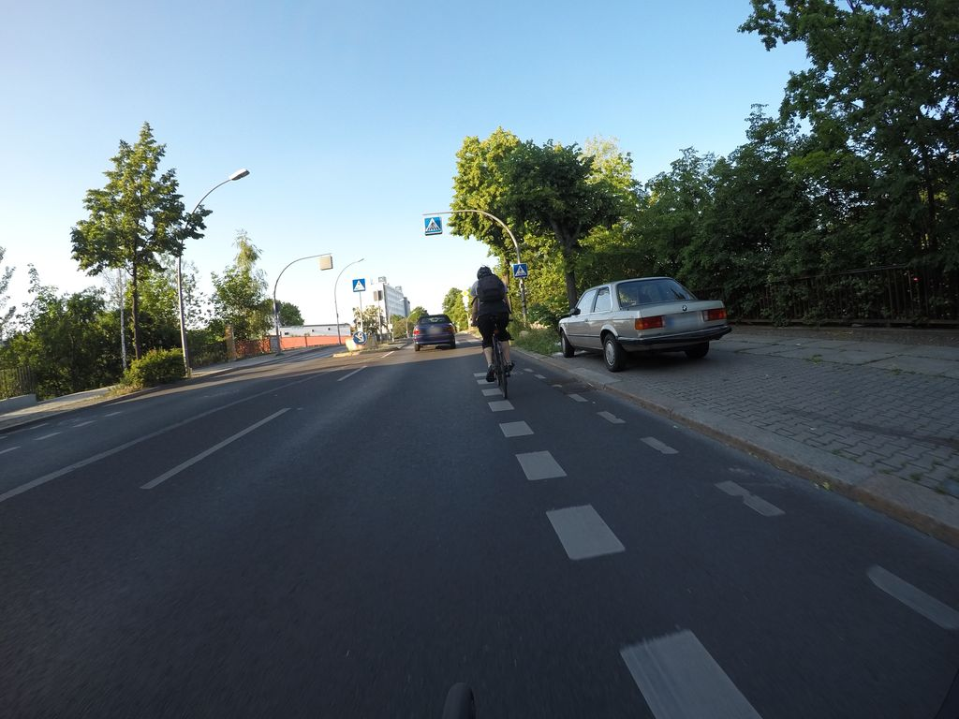 | Keep |  | 0.781 | Normal_asphalt
SH-C005 | SSV-794469802269622 | 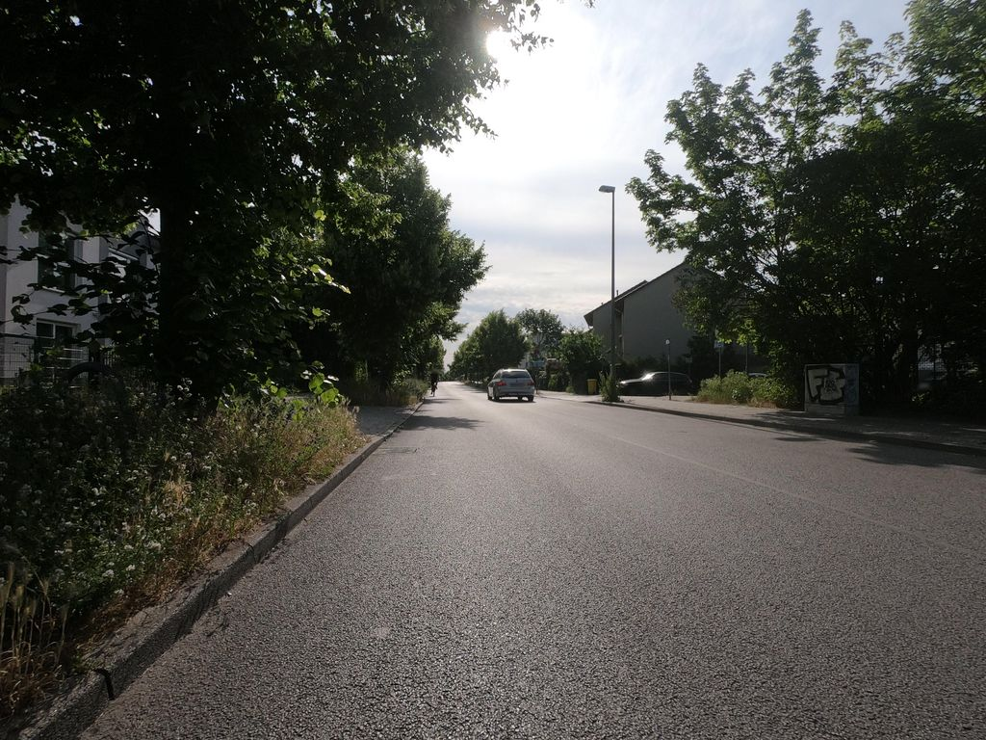 | Keep |  | 0.765 | Normal_asphalt
SH-C006 | SSV-485042319475830 | 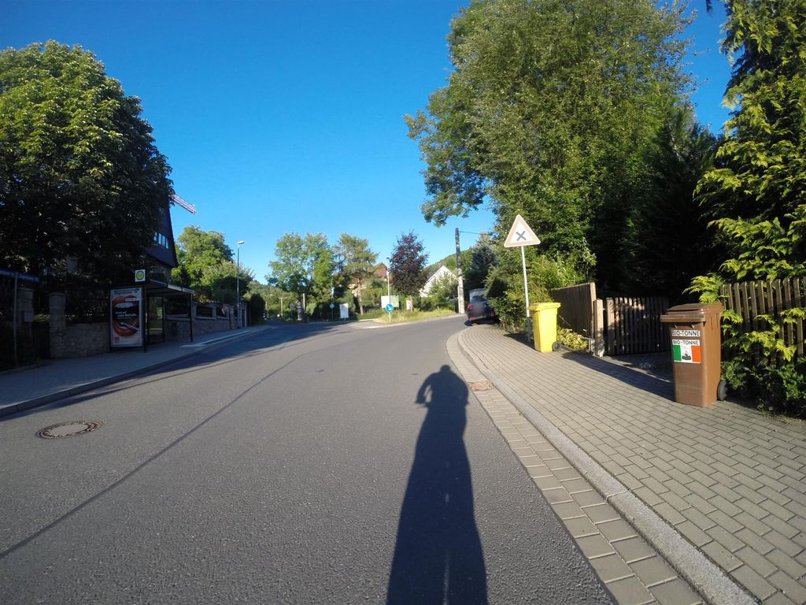 | Keep |  | 0.755 | Normal_asphalt
SH-C007 | SSV-304312067847151 | 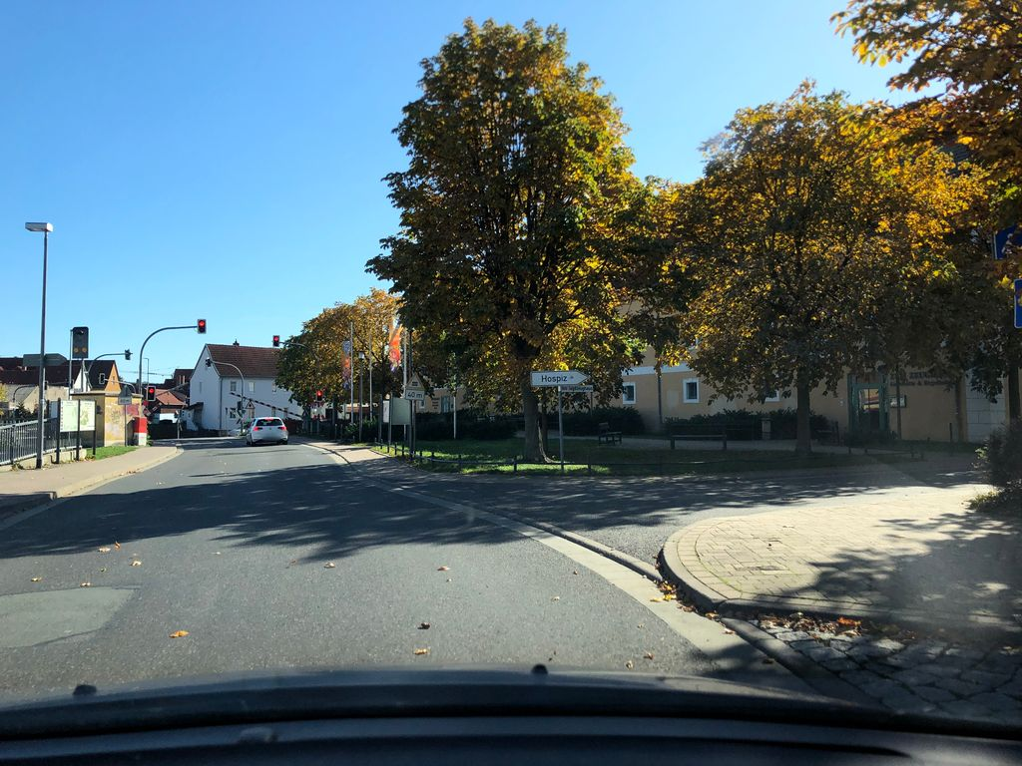 | Keep |  | 0.752 | Normal_asphalt
SH-C008 | SSV-1187724221664906 | 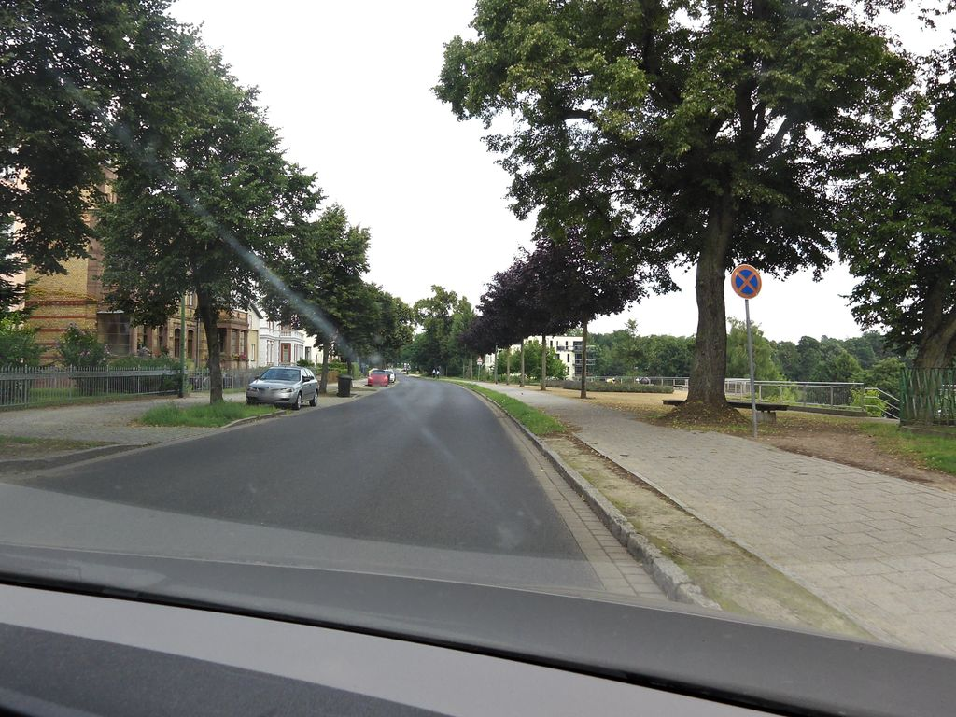 | Keep |  | 0.749 | Normal_asphalt
SH-C009 | SSV-566327654645367 | 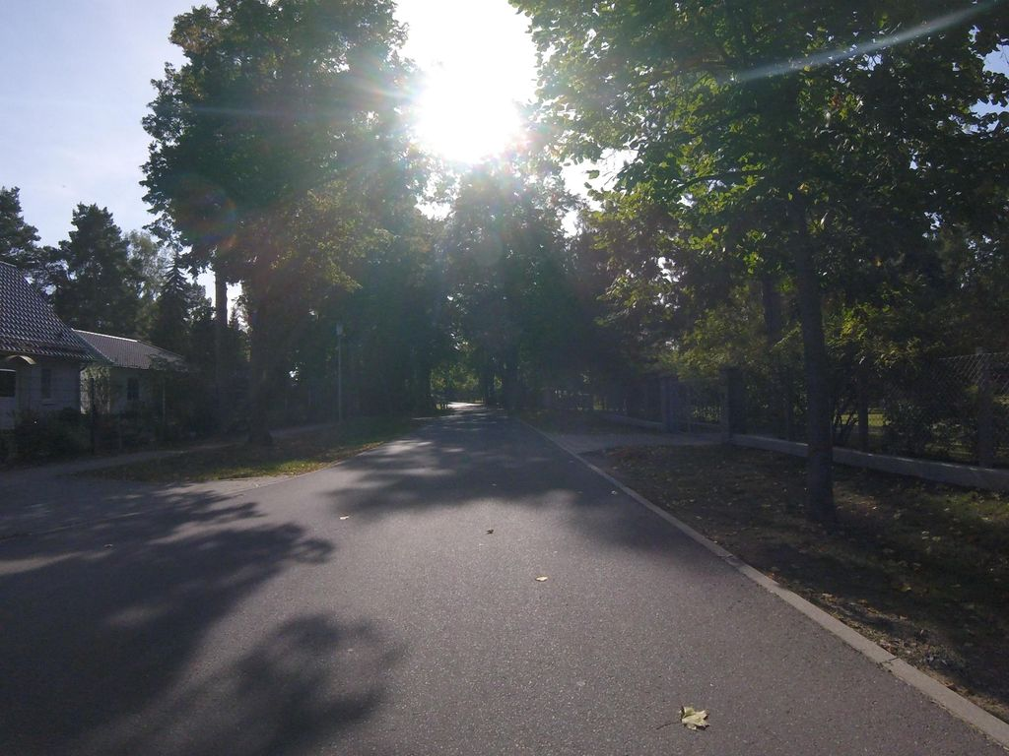 | Keep |  | 0.748 | Normal_asphalt
SH-C010 | SSV-1235733870182121 | 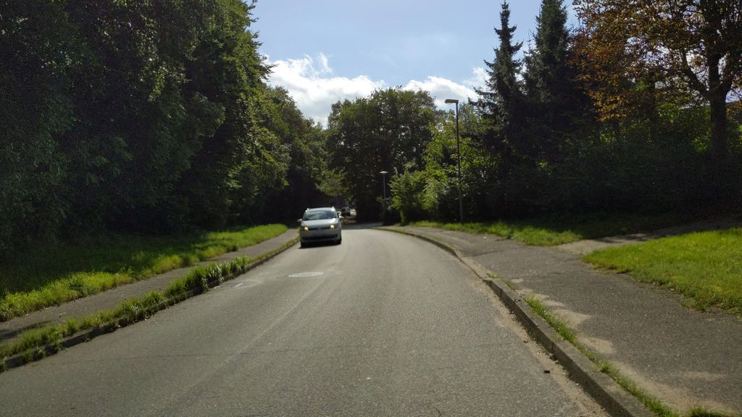 | Exclude |  | 0.748 | Normal_asphalt
SH-C011 | SSV-1061896178058744 | 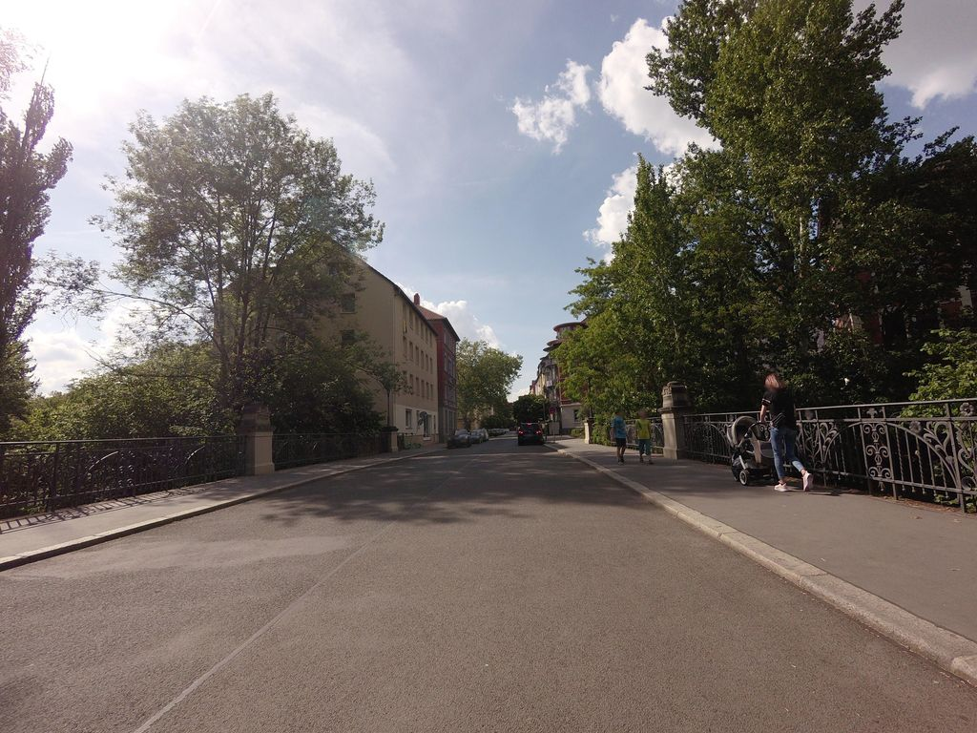 | Keep |  | 0.747 | Normal_asphalt
SH-C012 | SSV-638188590387957 | 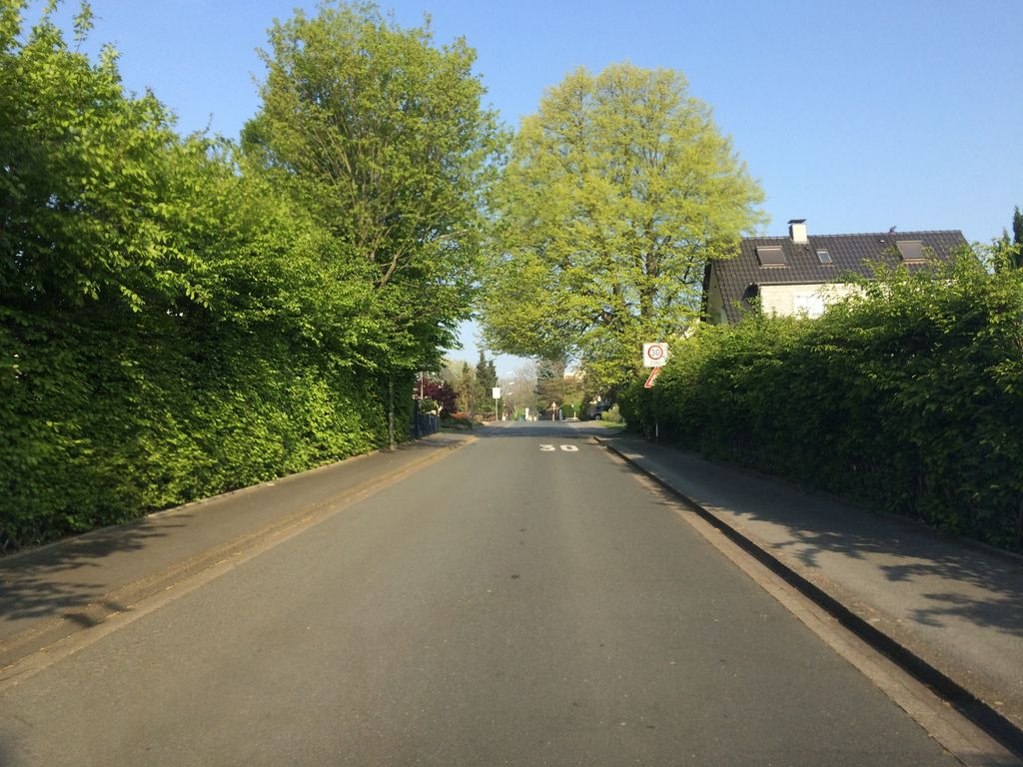 | Keep |  | 0.744 | Normal_asphalt
SH-C013 | SSV-135421615285100 | 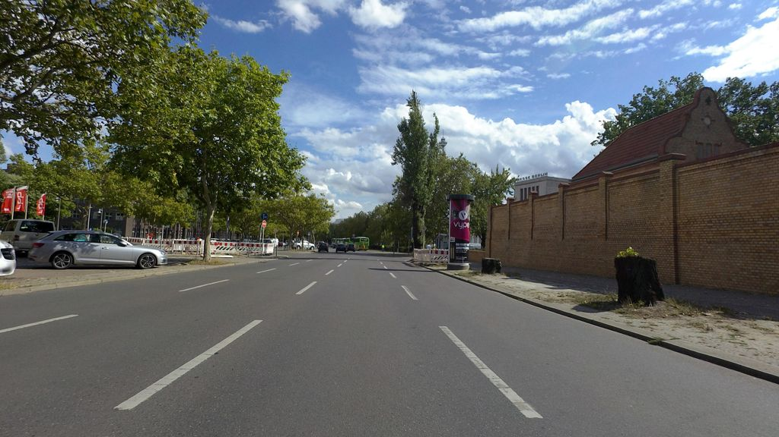 | Keep |  | 0.743 | Normal_asphalt
SH-C014 | SSV-5297950250326667 | 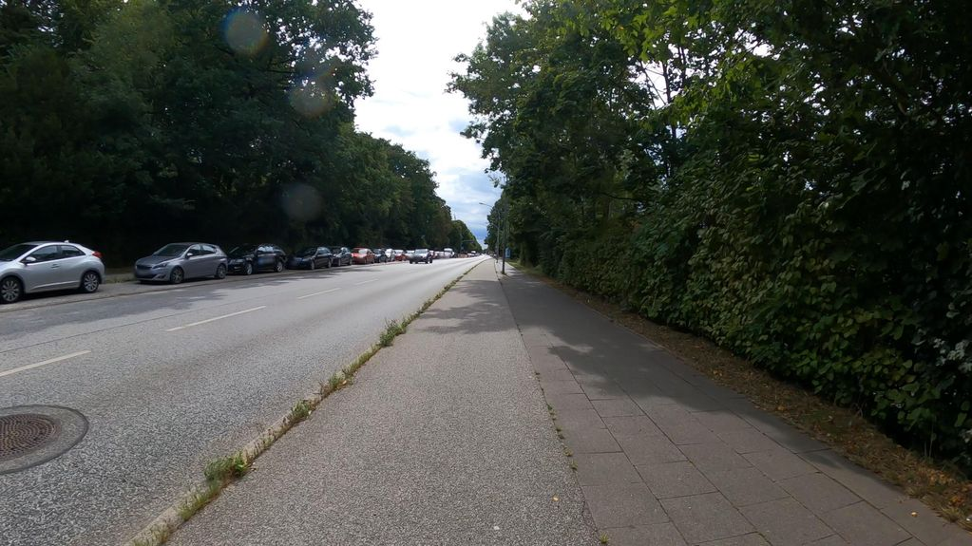 | Keep |  | 0.743 | Normal_asphalt
SH-C015 | SSV-3094430640772024 | 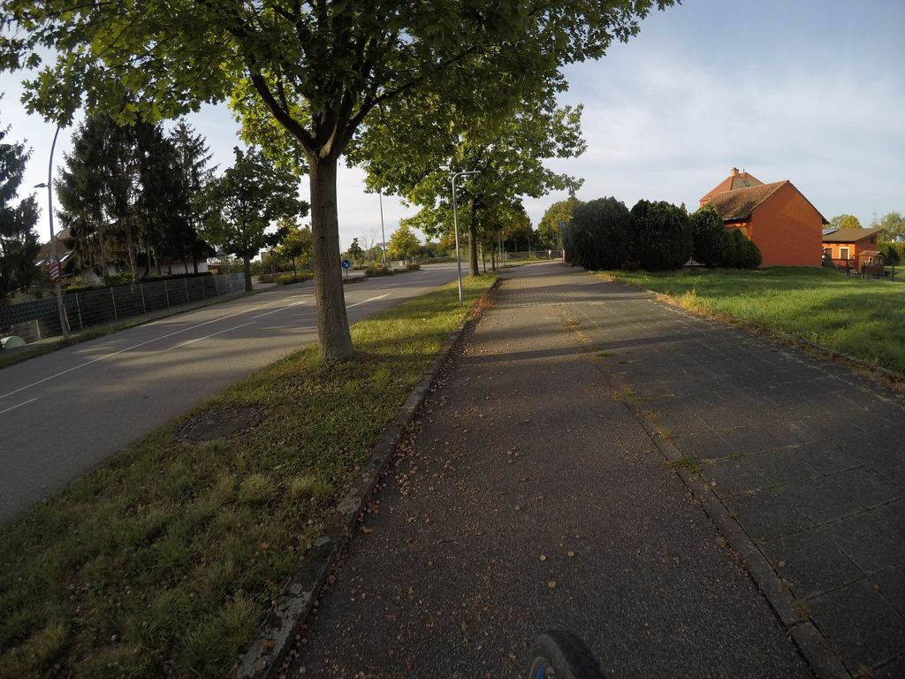 | Keep |  | 0.743 | Normal_asphalt
SH-C016 | SSV-148163274404450 | 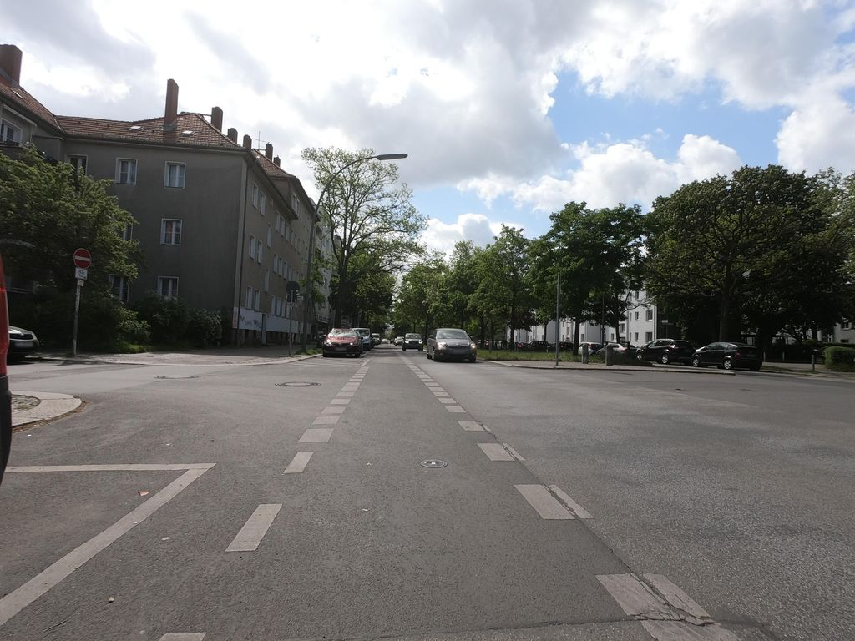 | Exclude |  | 0.742 | Normal_asphalt
SH-C017 | SSV-386209555929504 | 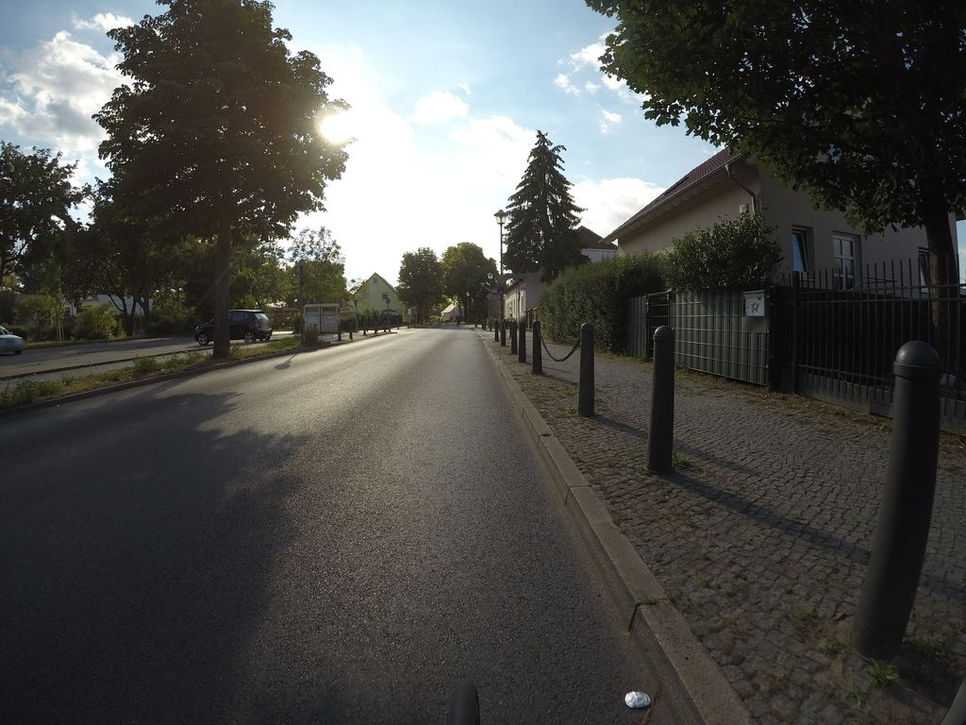 | Keep |  | 0.740 | Normal_asphalt
SH-C018 | SSV-614095730069612 | 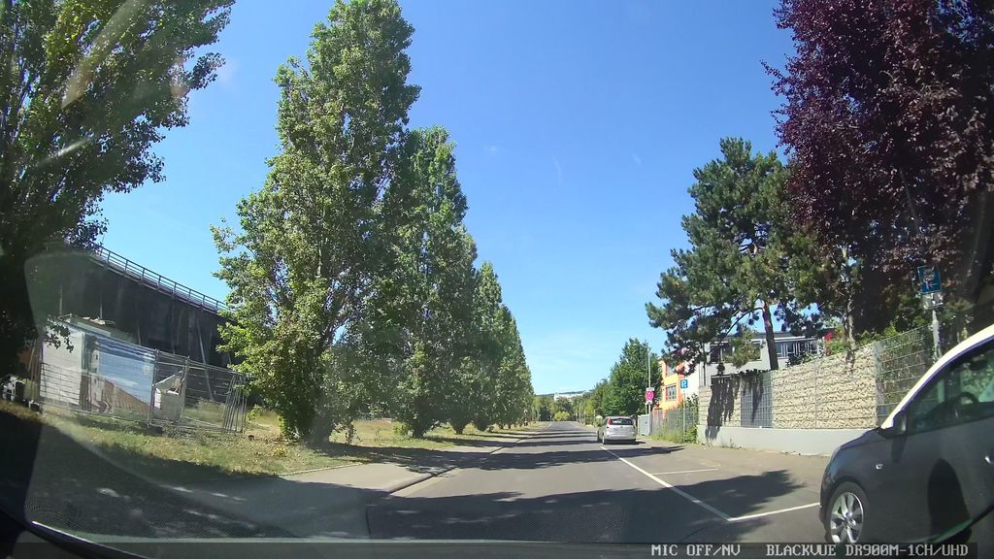 | Keep |  | 0.740 | Normal_asphalt
SH-C019 | SSV-841797367495650 | 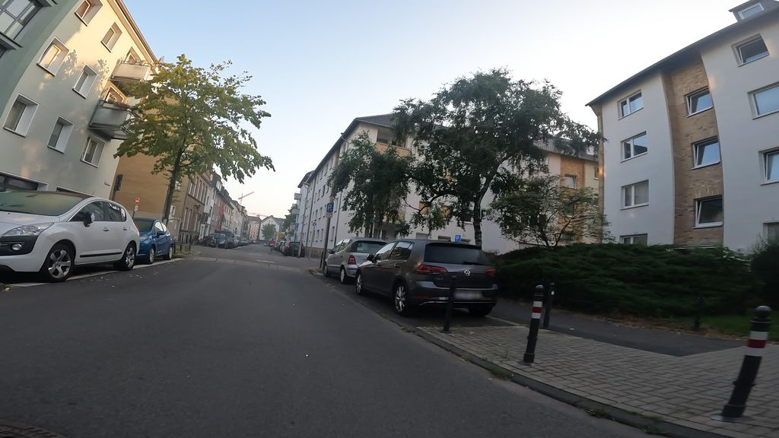 | Exclude |  | 0.738 | Normal_asphalt
SH-C020 | SSV-291942482473080 | 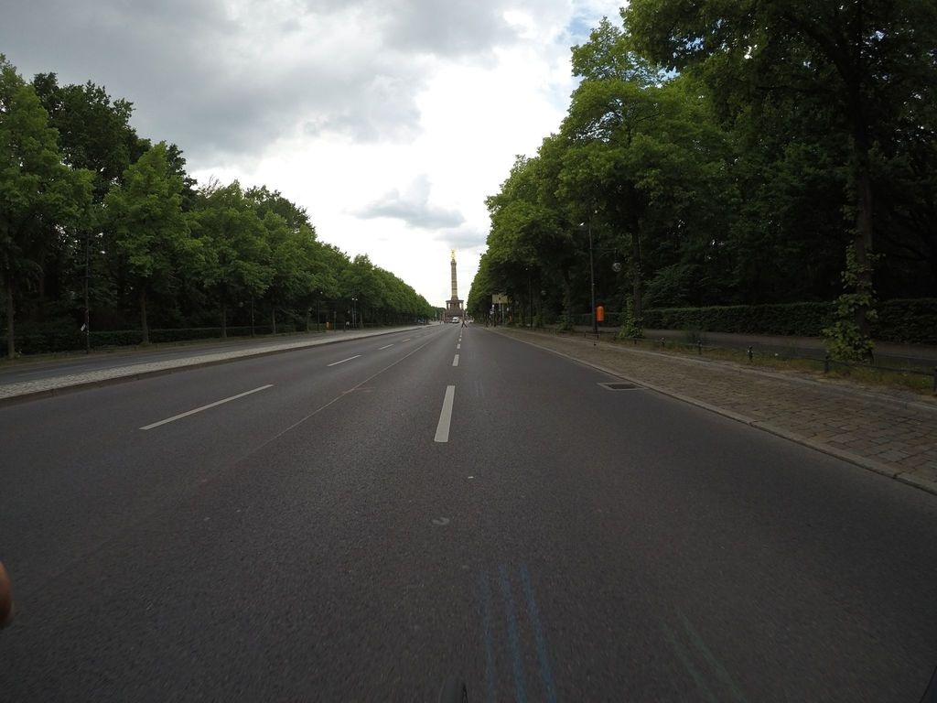 | Exclude |  | 0.737 | Normal_asphalt
SH-C021 | SSV-588271565485583 | 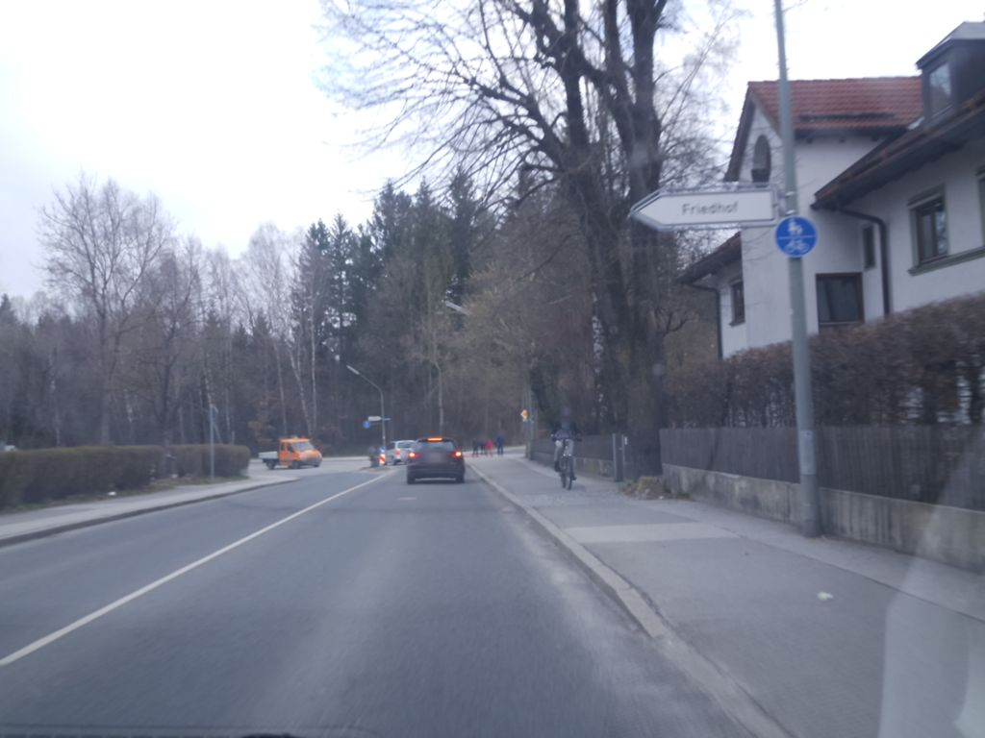 | Exclude |  | 0.737 | Normal_asphalt
SH-C022 | SSV-489239522197538 | 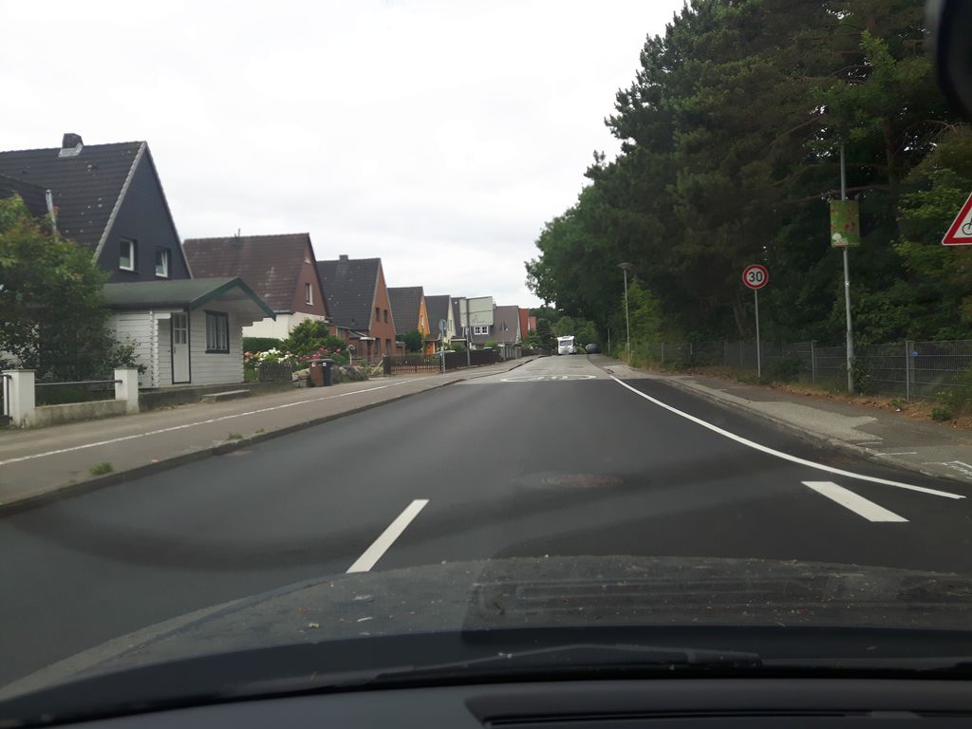 | Keep |  | 0.737 | Normal_asphalt
SH-C023 | SSV-1629206557566476 | 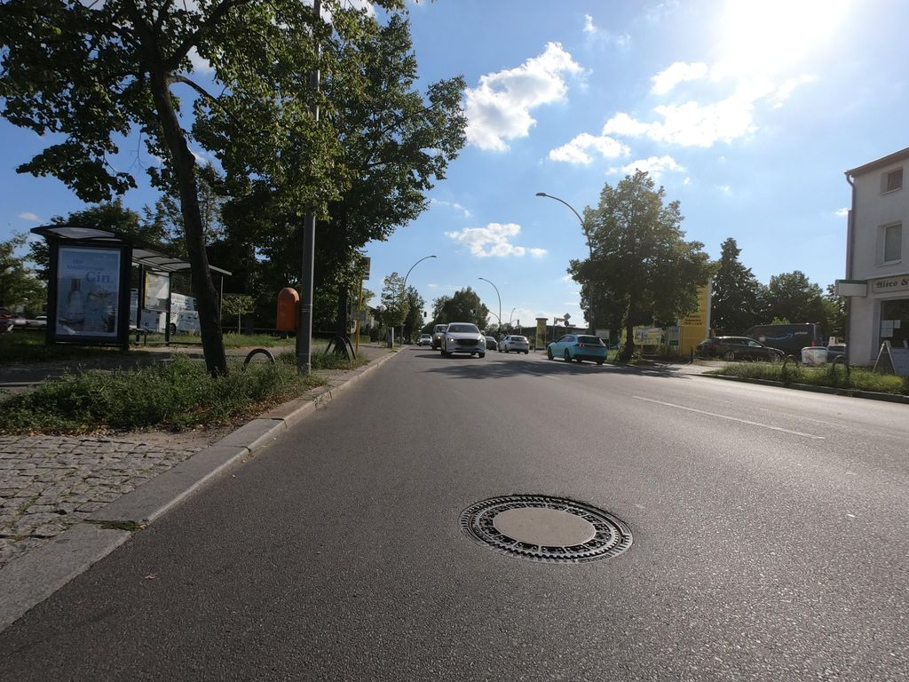 | Keep |  | 0.737 | Normal_asphalt
SH-C024 | SSV-2963220880591269 | 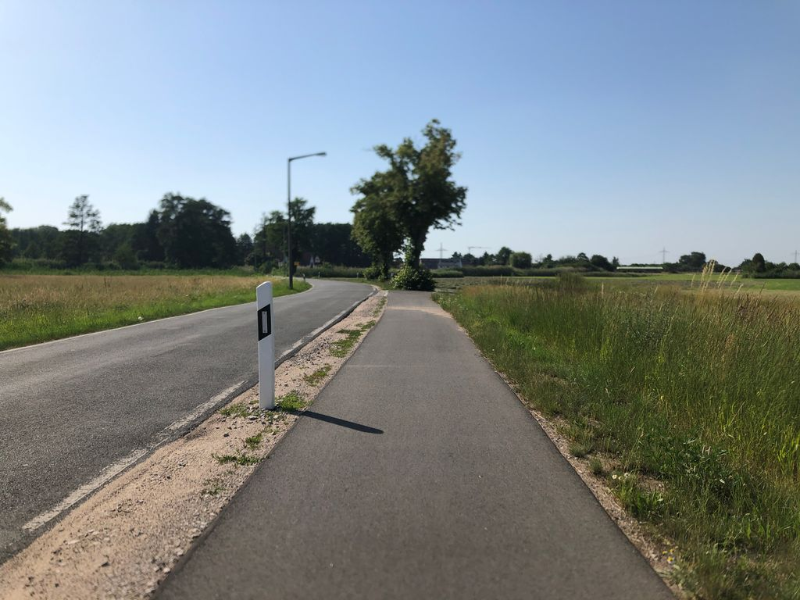 | Keep |  | 0.736 | Normal_asphalt
SH-C025 | SSV-473247300574041 | 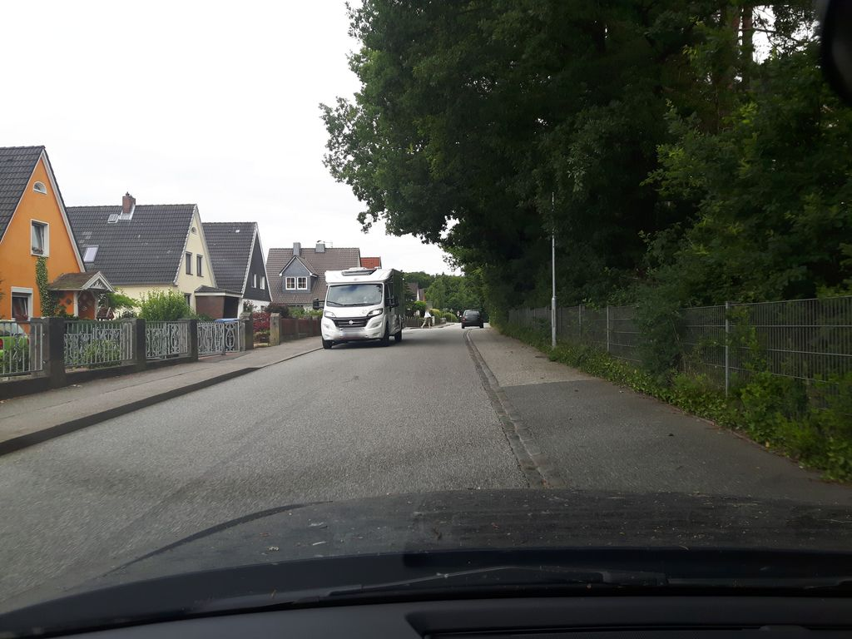 | Exclude |  | 0.736 | Normal_asphalt
SH-C026 | SSV-288492096969344 | 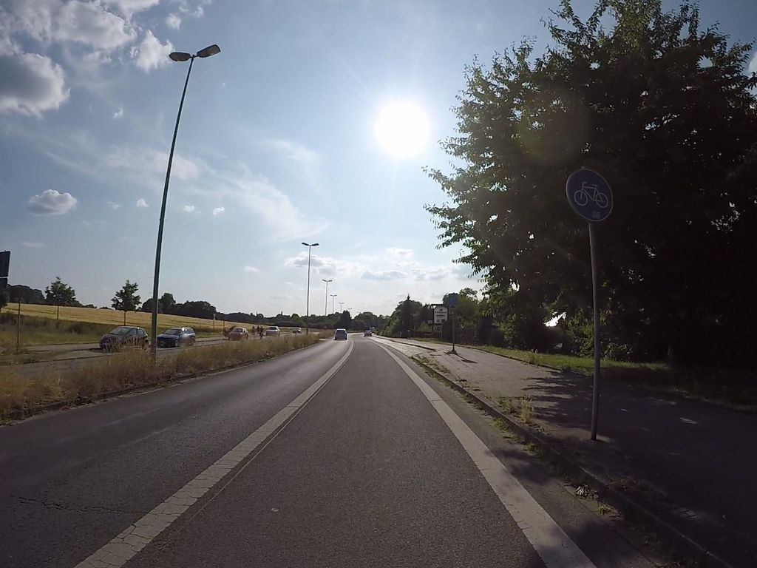 | Keep |  | 0.735 | Normal_asphalt
SH-C027 | SSV-538157117568903 | 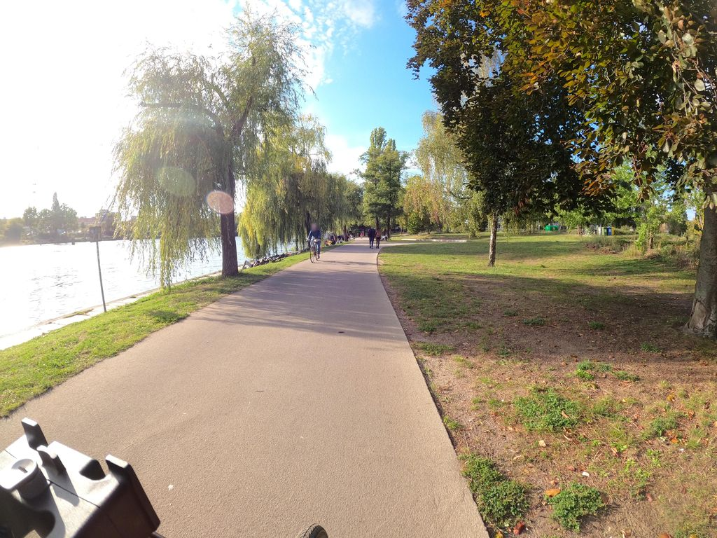 | Keep |  | 0.735 | Normal_asphalt
SH-C028 | SSV-1131693973997862 | 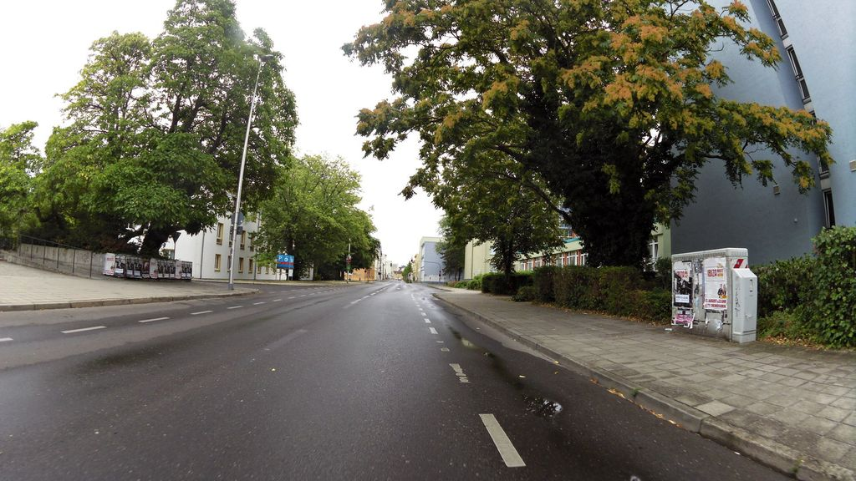 | Exclude |  | 0.735 | Normal_asphalt
SH-C029 | SSV-527629208250433 | 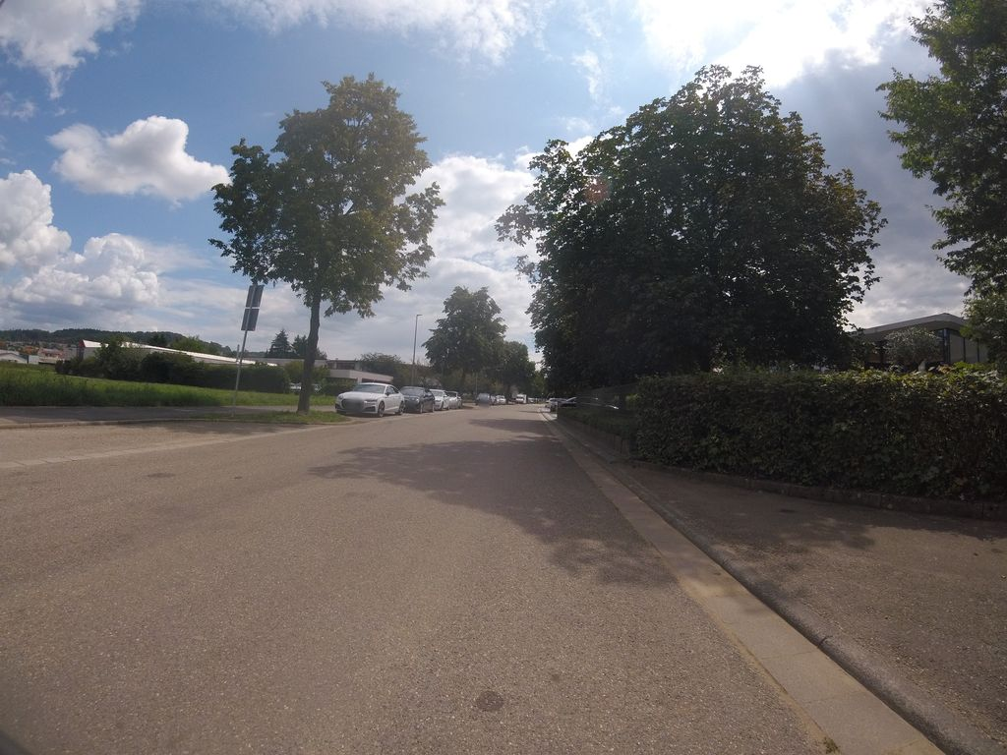 | Keep |  | 0.735 | Normal_asphalt
SH-C030 | SSV-4882907708411346 | 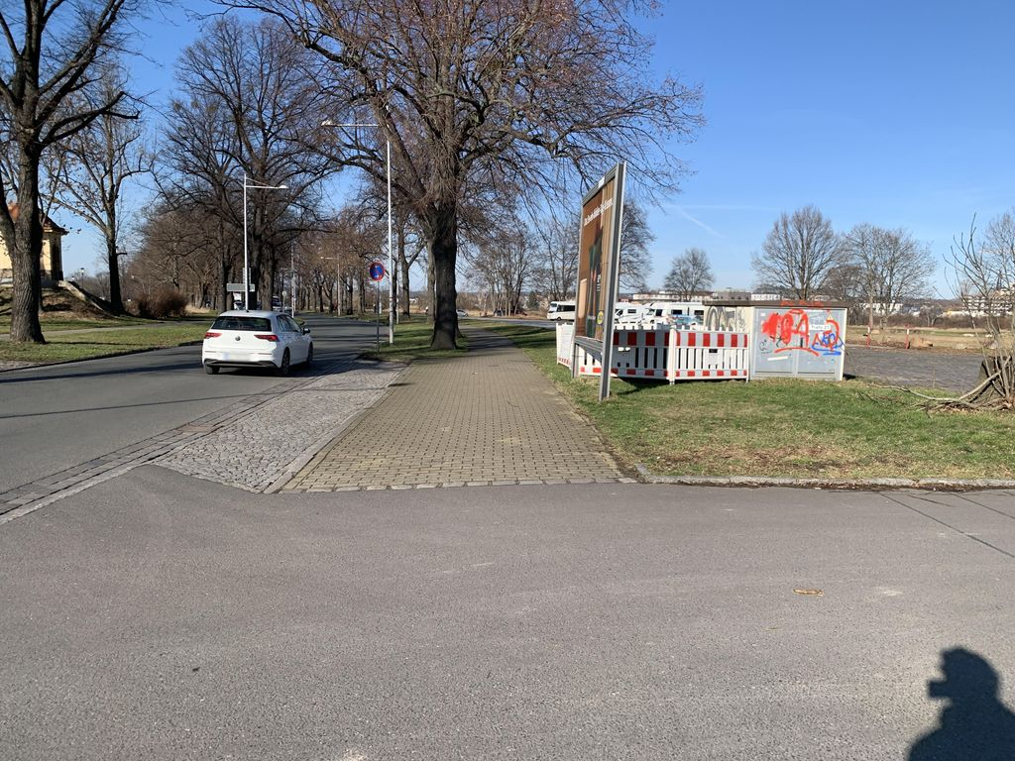 | Keep |  | 0.733 | Normal_asphalt
SH-C031 | SSV-1303718360258569 | 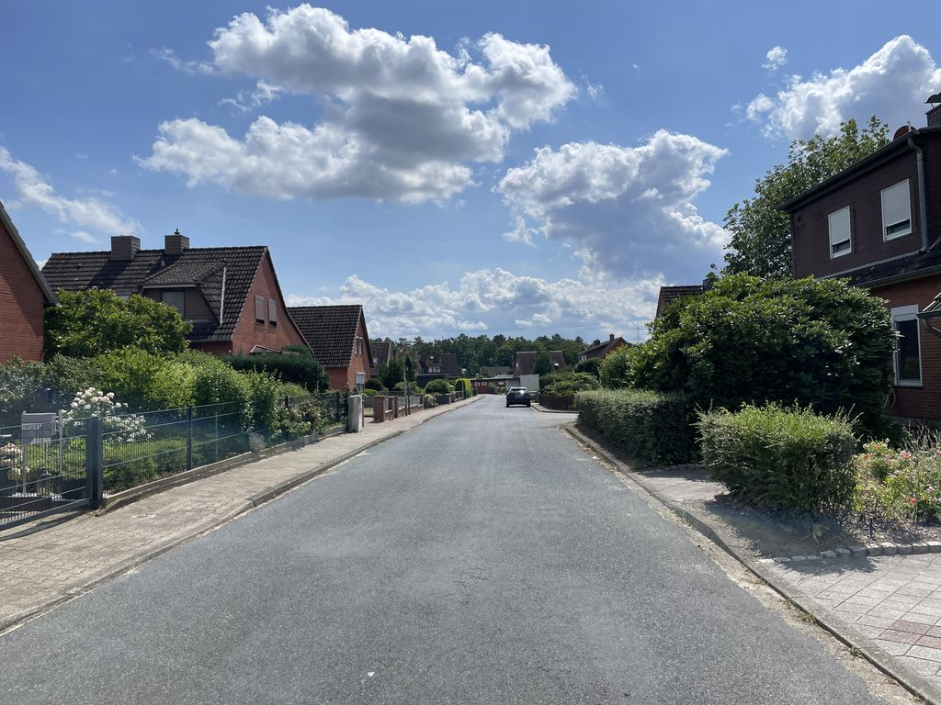 | Keep |  | 0.733 | Normal_asphalt
SH-C032 | SSV-584882903624933 | 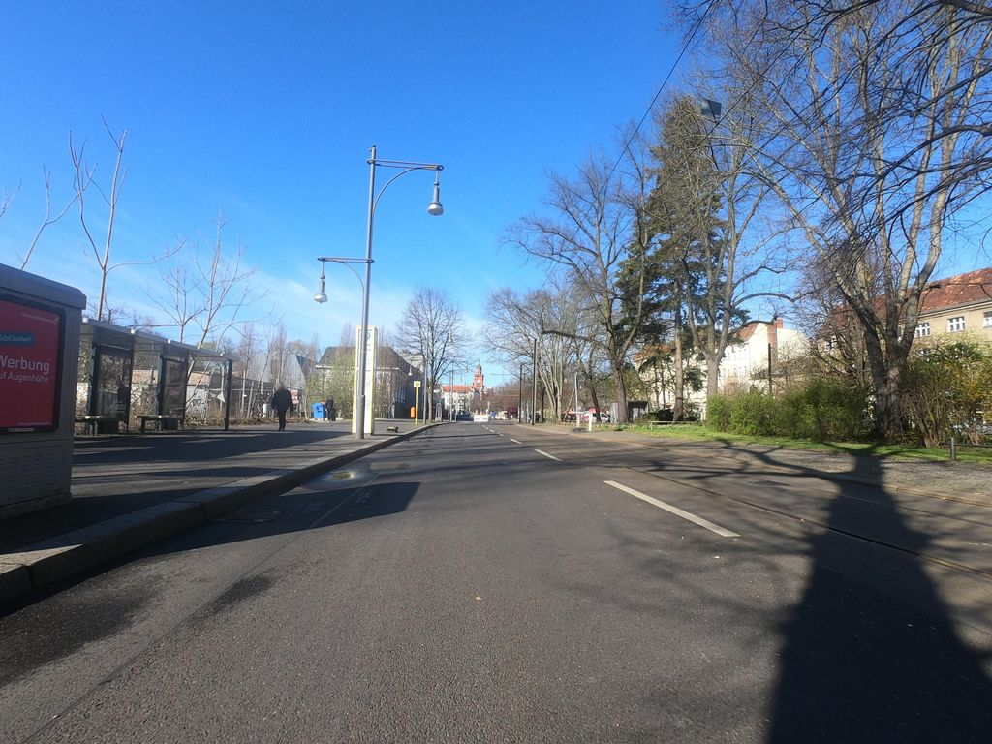 | Keep |  | 0.732 | Normal_asphalt
SH-C033 | SSV-336220424907857 | 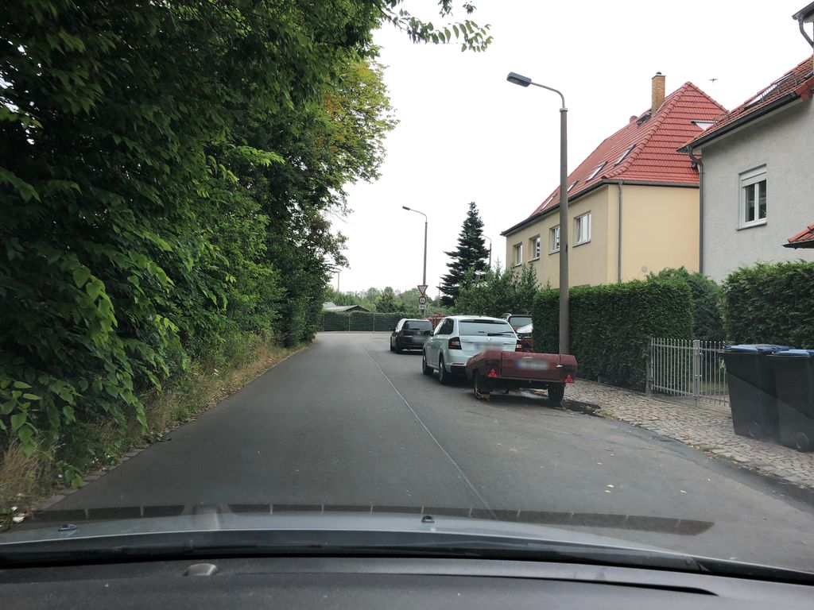 | Exclude |  | 0.732 | Normal_asphalt
SH-C034 | SSV-197494732097614 | 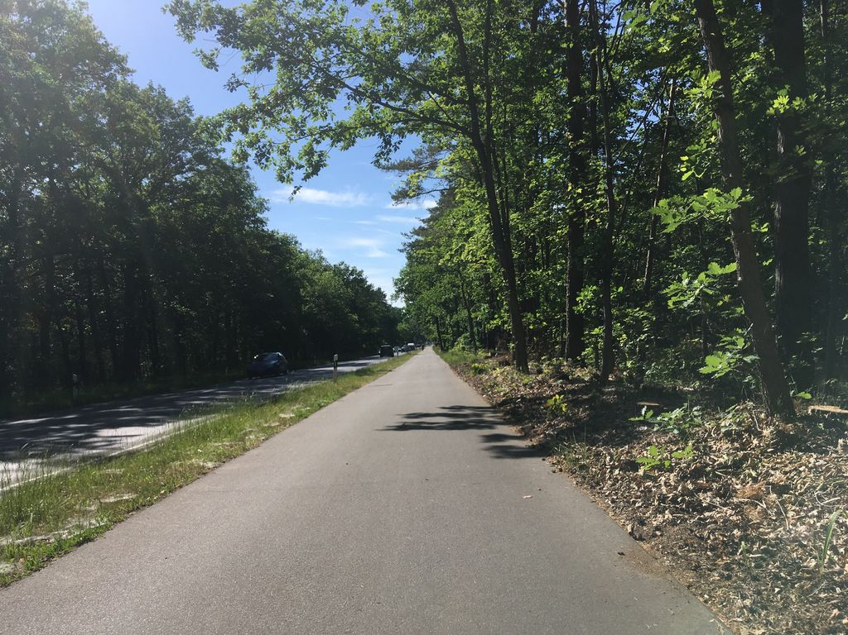 | Keep |  | 0.732 | Normal_asphalt
SH-C035 | SSV-592309569667839 | 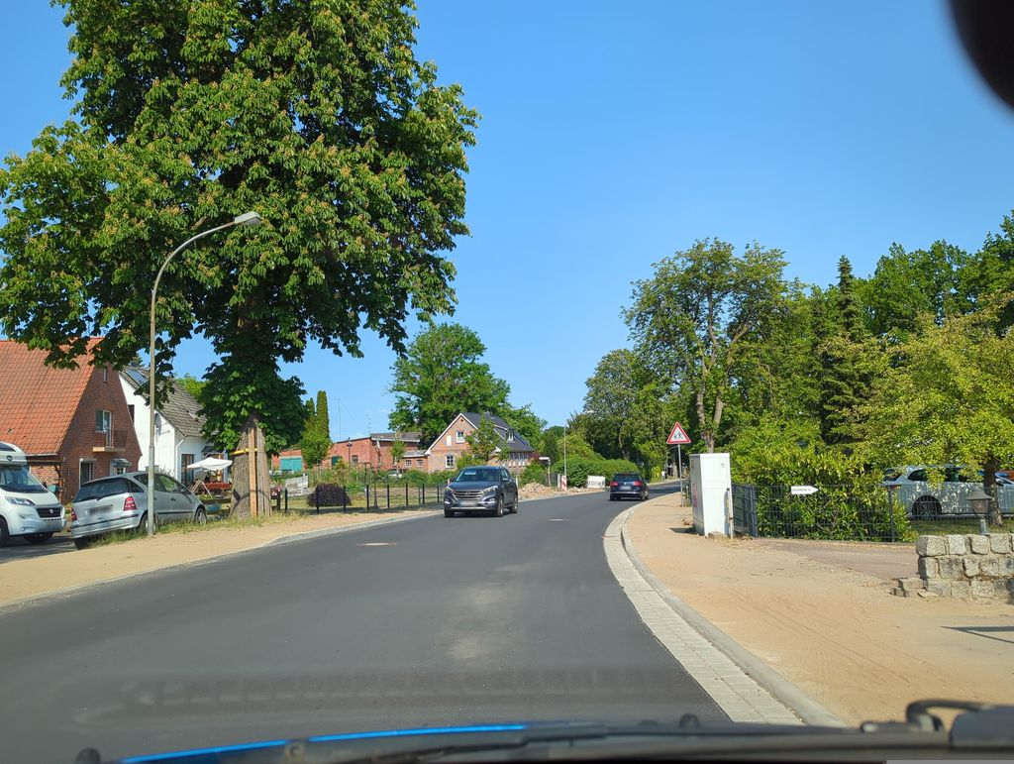 | Exclude |  | 0.731 | Normal_asphalt
SH-C036 | SSV-1244500255984732 | 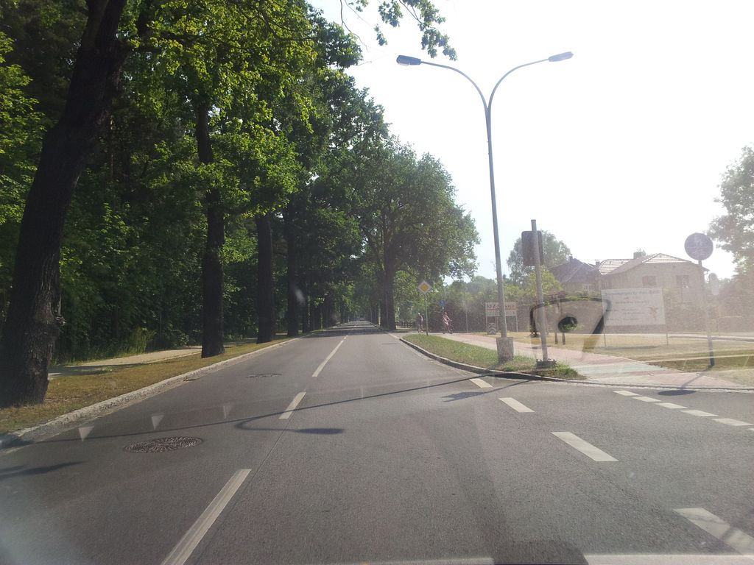 | Keep |  | 0.730 | Normal_asphalt
SH-C037 | SSV-362595122758501 | 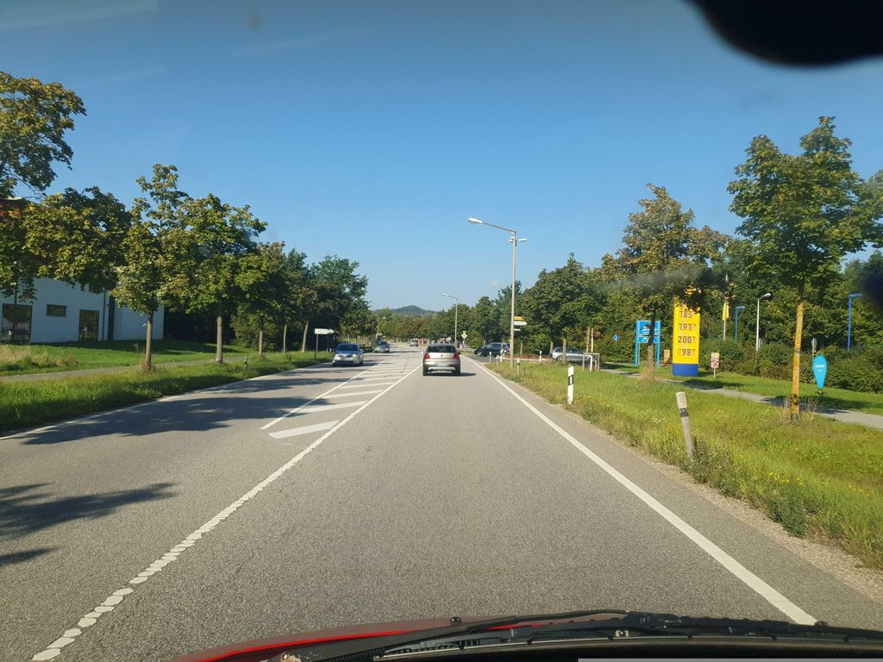 | Keep |  | 0.730 | Normal_asphalt
SH-C038 | SSV-1594889404258826 | 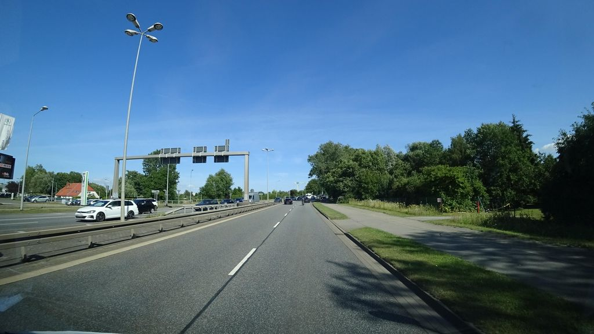 | Keep |  | 0.729 | Normal_asphalt
SH-C039 | SSV-508533690407775 | 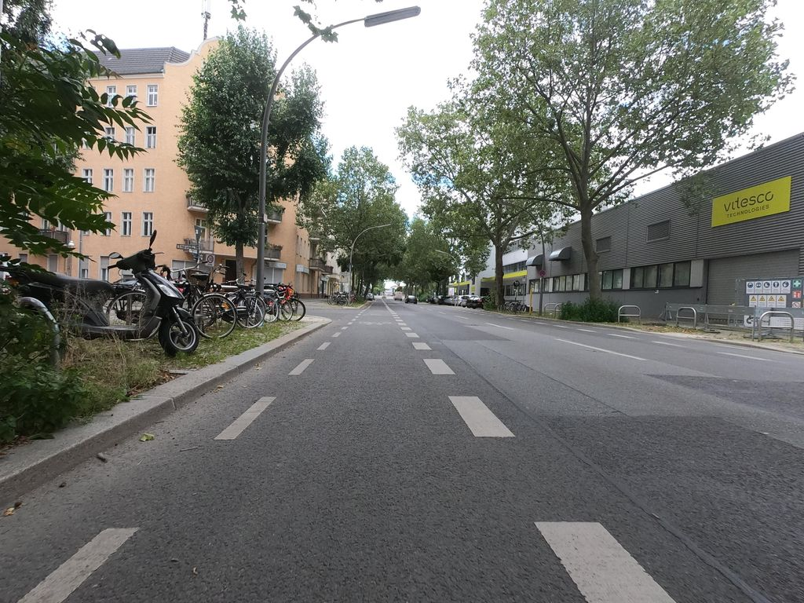 | Exclude |  | 0.729 | Normal_asphalt
SH-C040 | SSV-264265018729502 | 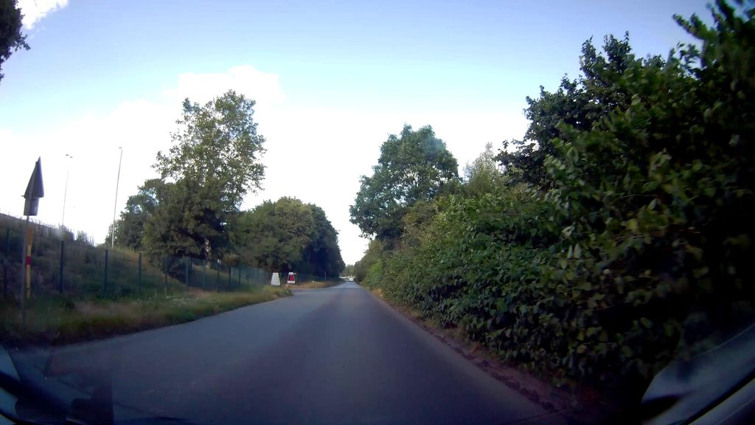 | Exclude |  | 0.728 | Normal_asphalt
SH-C041 | SSV-617544953636636 | 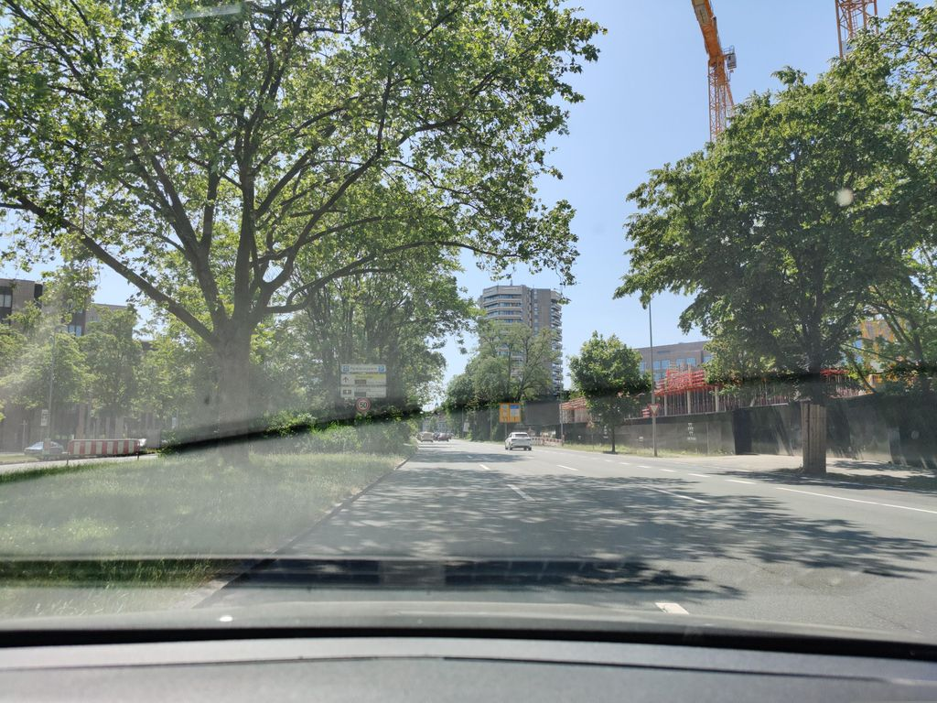 | Keep |  | 0.727 | Normal_asphalt
SH-C042 | SSV-805381081232940 | 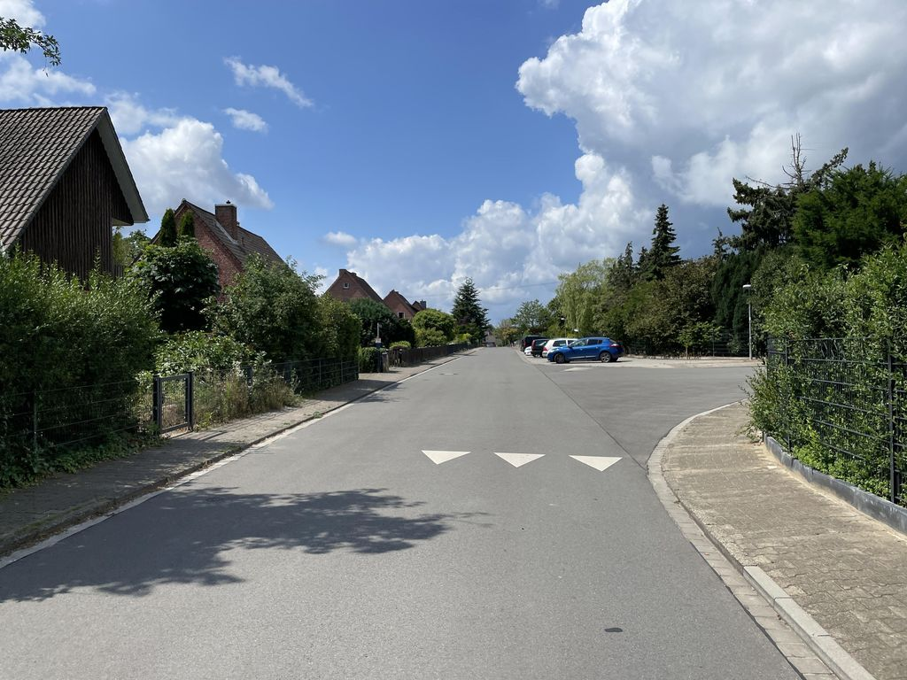 | Keep |  | 0.727 | Normal_asphalt
SH-C043 | SSV-1057856498475497 | 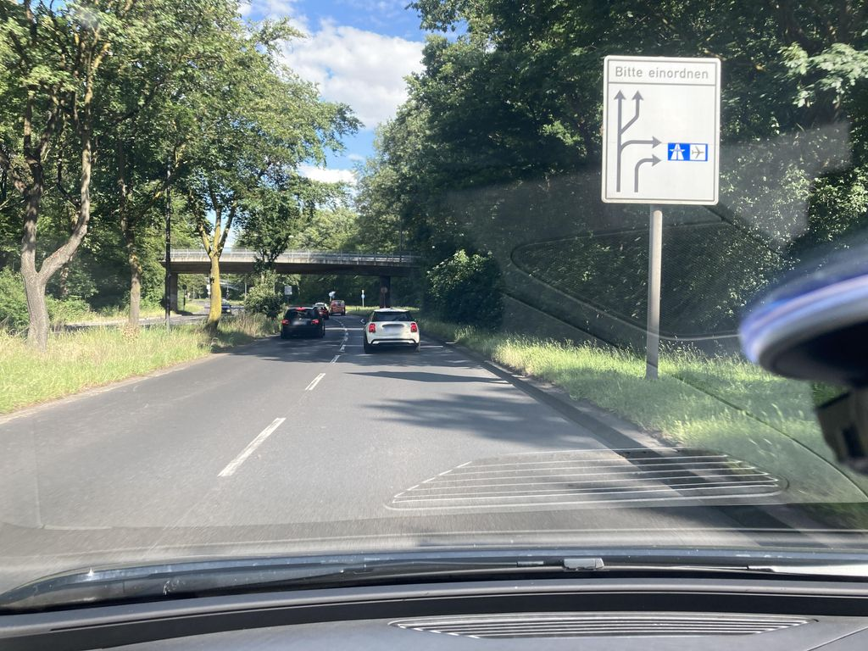 | Keep |  | 0.727 | Normal_asphalt
SH-C044 | SSV-2757658381211319 | 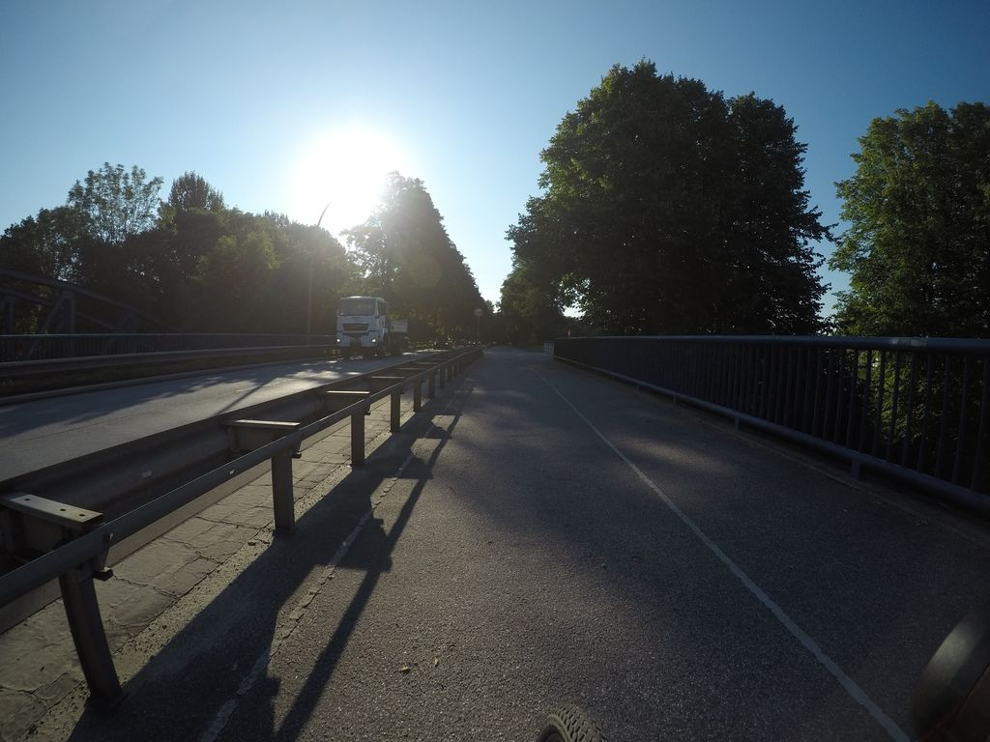 | Keep |  | 0.726 | Normal_asphalt
SH-C045 | SSV-1660098824173479 | 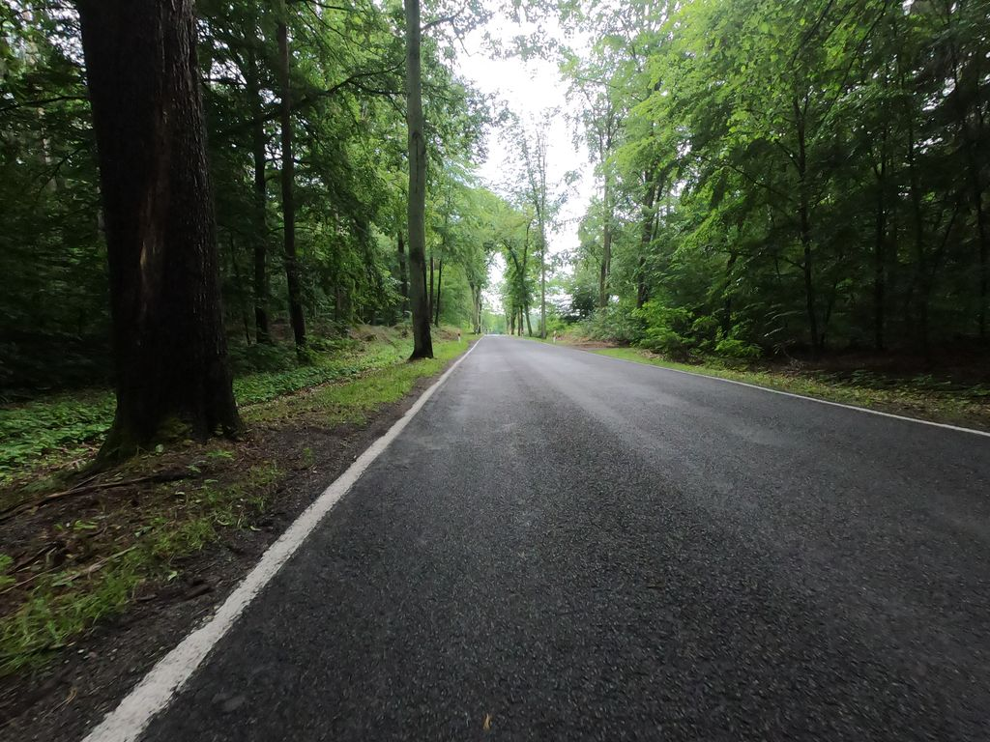 | Exclude |  | 0.726 | Normal_asphalt
SH-C046 | SSV-541605023544739 | 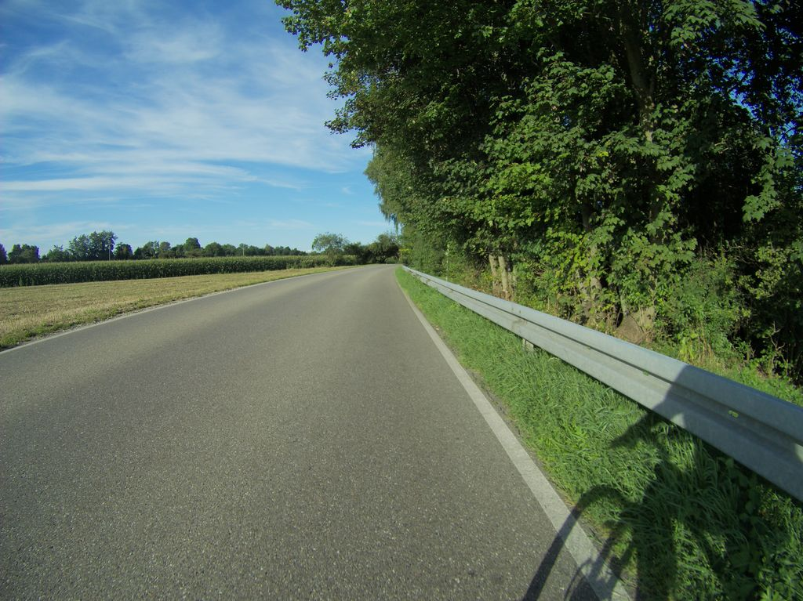 | Keep |  | 0.726 | Normal_asphalt
SH-C047 | SSV-971326080280494 | 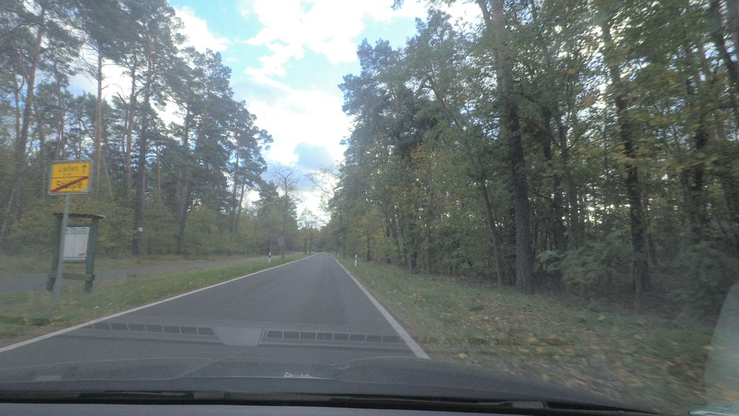 | Exclude |  | 0.725 | Normal_asphalt
SH-C048 | SSV-1327560291197288 | 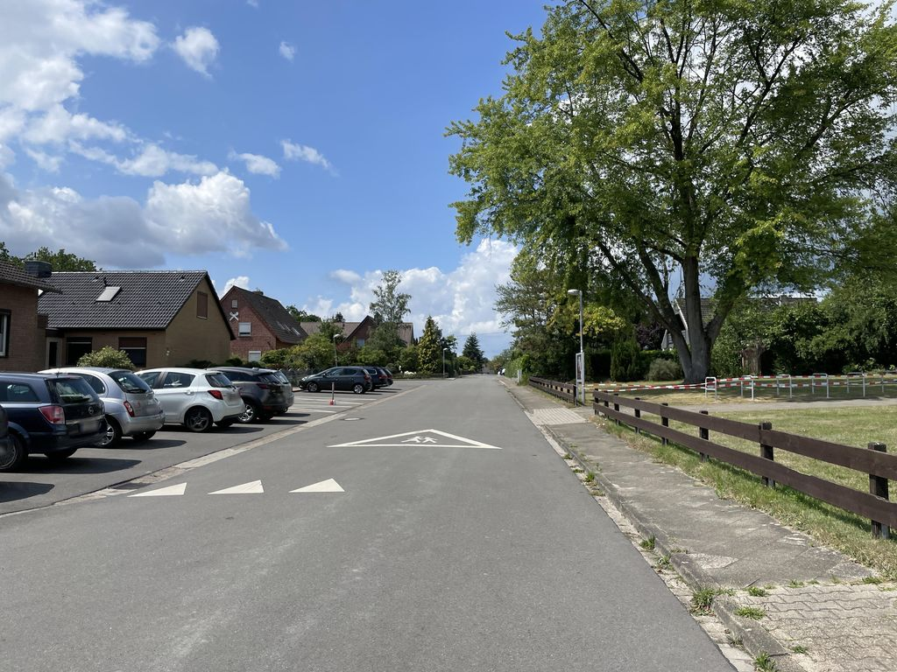 | Keep |  | 0.725 | Normal_asphalt

Approved seeds
Approved shadow reference images
These 12 StreetSurfaceVis images were approved by the project owner as containing a visible road shadow on 2026-09-14.

Reference ID | Image ID | Image preview | Decision | Reason | Original source label
SH-01 | SSV-337962774349768 | 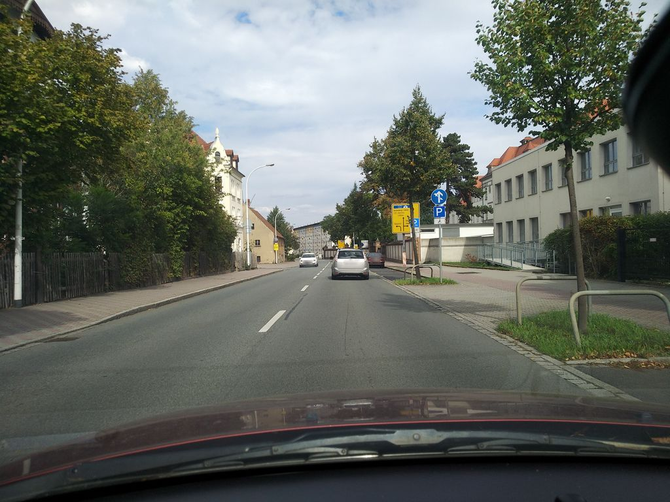 | Keep | Visible shadow falls on the road surface | Normal_asphalt
SH-02 | SSV-163131436181172 | 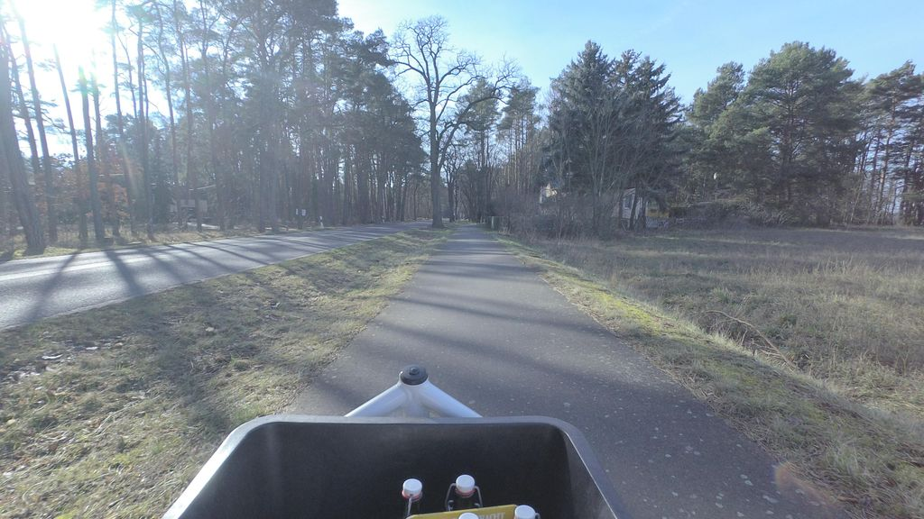 | Keep | Visible shadow falls on the road surface | Normal_asphalt
SH-03 | SSV-958064384954616 |  | Keep | Visible shadow falls on the road surface | Normal_asphalt
SH-04 | SSV-2947968652146226 |  | Keep | Visible shadow falls on the road surface | Normal_asphalt
SH-05 | SSV-323186369159822 |  | Keep | Visible shadow falls on the road surface | Normal_asphalt
SH-06 | SSV-187811569886501 |  | Keep | Visible shadow falls on the road surface | Normal_asphalt
SH-07 | SSV-621218932788649 |  | Keep | Visible shadow falls on the road surface | Normal_asphalt
SH-08 | SSV-292276845787849 |  | Keep | Visible shadow falls on the road surface | Normal_asphalt
SH-09 | SSV-300585424924842 |  | Keep | Visible shadow falls on the road surface | Normal_asphalt
SH-10 | SSV-201999914870482 |  | Keep | Visible shadow falls on the road surface | Normal_asphalt
SH-11 | SSV-300679328256360 |  | Keep | Visible shadow falls on the road surface | Normal_asphalt
SH-12 | SSV-559386385893535 |  | Keep | Visible shadow falls on the road surface | Normal_asphalt

