Sheet1
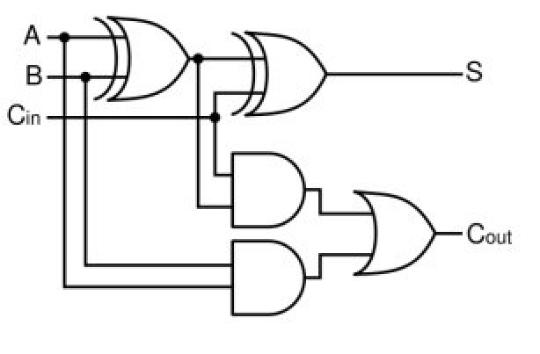
A | B | Cin | S | Cout
0 | 0 | 0 | 0 | 0
0 | 0 | 1 | 1 | 0
0 | 1 | 0 | 1 | 0
0 | 1 | 1 | 0 | 1
1 | 0 | 0 | 1 | 0
1 | 0 | 1 | 0 | 1
1 | 1 | 0 | 0 | 1
1 | 1 | 1 | 1 | 1

