LAB Integration Testing-02
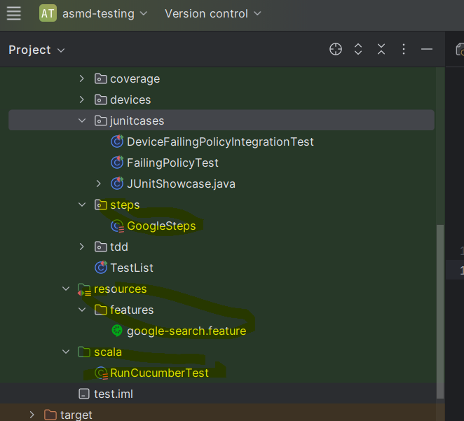
 | Task of : Compare the differences between your unit and integration tests
 | Aspect | FailingPolicyTest | DeviceFailingPolicyIntegrationTest
 | Test Level | Unit Test | Integration Test
 | Subject Under Test | FailingPolicy (mocked behavior) | StandardDevice (real) using mocked FailingPolicy
 | Focus | Testing behavior of FailingPolicy directly | Testing how StandardDevice behaves with a policy
 | Use of Mocks | Mocked FailingPolicy is the test subject itself | Mocked FailingPolicy is used as a dependency of device
 | Method Tested | attemptOn() and policyName() | on(), off(), and isOn() of StandardDevice
 | Exceptions Tested? | No | Yes – handles failure via IllegalStateException
 | Verifies interaction? | Yes – e.g., how many times attemptOn() is called | Yes – ensures attemptOn() is called the right number of times

 | Additional tasks

1 | TOOLING
 | Experiment with installing/using Mockito with Scala and/or in VSCode. Is VSCode better at all here? What’s the state of mocking
 | technologies for Scala?
2 | REENGINEER
 | Take an existing implemented small app with GUI, e.g. an OOP exam. Add a requirement that it outputs to console some relevant
 | messages, through a log class. Now you have an App with at least 3 classes (GUI, Model, Log). How would you write integration tests
 | for it? Search here: https://bitbucket.org/mviroli/oop2023-esami (2023, 2022,. . . )
3 | GUI-TESTER
 | Generally, GUIs are a problem with testing. How do we test them? How do we automatise as most as possible testing of an app with a
 | GUI? Play with a simple example and derive some useful consideration.
4 | TESTING-LLM
 | LLMs/ChatGPT can arguably help in write/improve/complete/implement/reverse-engineer a JUnit test, either unit or integration test.
 | Experiment with this, based on the above tasks or in other cases. Is ChatGPT useful for all that?

 | 1 | TOOLING
 |  | Experiment with installing/using Mockito with Scala and/or in VSCode. Is VSCode better at all here? What’s the state of mocking technologies for Scala?

 | Answer for SCALA: Mockito works with Scala but it has limitations.

 | First the setup is needed

 | build.sbt

 |  | libraryDependencies ++= Seq(
 |  | "org.scalatest" %% "scalatest" % "3.2.18" % Test,
 |  | "org.mockito" % "mockito-core" % "5.12.0" % Test,
 |  | "org.scalatestplus" %% "mockito-5-12" % "3.2.18.0" % Test // ScalaTest+Mockito adapter
 |  | )

 | Answer for VSCode: Mockito works with VS Studio but it needs the following :

 | 1 Install Metals extension (Scala Language Server)
 | 2 Use the ScalaTest plugin (for test running)
 | 3 Configure build.sbt properly
 | 4 Enable Java+Scala support if mixing dependencies
 | 5 VSCode is usable, but not better than IntelliJ for Scala+Bazel/Coursier/SBT based tooling. IntelliJ has better automatic import support and test integration.

 | Summary

 | Question |  | Answer
 | Can you use Mockito in Scala? |  | Yes, with ScalaTest+Mockito adapters
 | Is VSCode good for this? |  | It works, but IntelliJ is still more mature for Scala-based projects
 | Better mocking tools for Scala? |  | Scalamock (mutable), functional mocks with ZIO, Cats, etc.
 | Is mocking common in modern Scala? |  | Less common in FP-style; preferred in OOP/legacy/test-heavy code

 | 3.Scala-Native Alternatives to Mockito?

 | Mockito is designed for Java’s mutable/OOP style. Scala encourages more pure, functional, and type-safe mocking. Here are Scala-specific alternatives:

 | Library | Description | Good for
 | Scalamock | Scala-native mocking framework | Idiomatic mocking
 | Mockito (Scala) | Java mocking, usable with ScalaTest adapter | Familiarity
 | Weaver + cats.effect.testing | Functional testing for IO, Resource, etc. | Pure FP tests
 | ZIO Test | For ZIO-based apps with powerful test support | ZIO-based apps

 | 3 | GUI-TESTER
 |  | Generally, GUIs are a problem with testing. How do we test them? How do we automatise as most as possible testing of an app with a
 |  | GUI? Play with a simple example and derive some useful consideration.

 | GUIs are harder to test than backend code. This is due to their statefulness, user interactions, and visual complexity. However, there are effective strategies and tools that help automate GUI testing.

 | There are 3 levels of GUI testing:

 | Level of Testing |  |  | How are you testing? | Example on how to test:
 | 1. Unit testing logic behind the GUI |  |  | Test the model/viewmodel/controller separately | Example: ButtonController.toggle() toggles internal state
 | 2. Integration testing (semi-automated) |  |  | Test how GUI components interact with logic | Click a button, check if expected backend method was called
 | 3. End-to-end (E2E) testing |  |  | Simulate full user interaction with GUI | Use tools to mimic real user actions: clicking, typing, dragging, etc.

 | 4 | TESTING-LLM
 |  | LLMs/ChatGPT can arguably help in write/improve/complete/implement/reverse-engineer a JUnit test, either unit or integration test.
 |  | Experiment with this, based on the above tasks or in other cases. Is ChatGPT useful for all that?

 | I wrote the following functions with using CHATGPT. Even though everything should work there are still some issues with library versions that i couldnt solve.

