TIMER
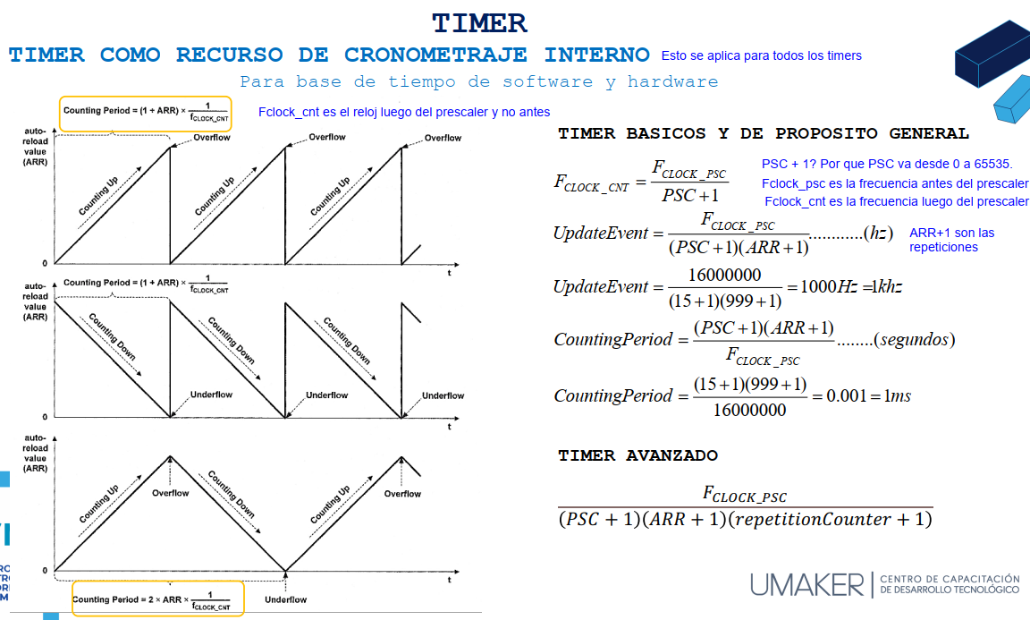
Delay Timer
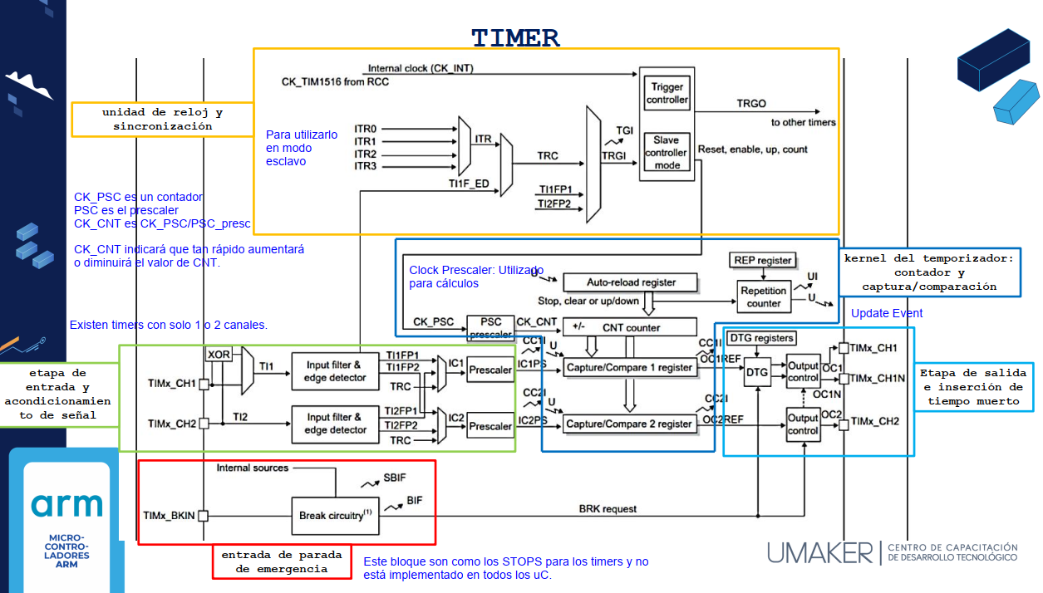
Prescaler | 15999
Clock PSC | 16000000
Clock CNT | 1000

Update Event y Counting Period

Clock PSC | 16000000 | Hz
Presc PSC | 15
Autorealod | 1999
Update Event | 500 | Hz
Counting Period | 2 | ms

Para conteos ascendentes y descendentes

Clock PSC | 16000000 | Hz
Autorealod | 1000
Couting Period | 0.000125

