Report Calling UI
Report Calling UI
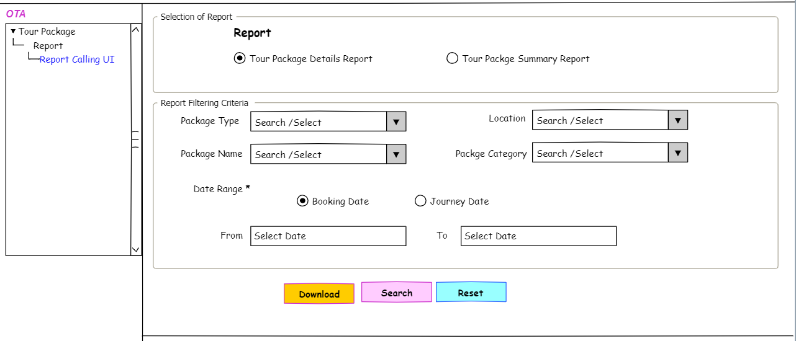

Busienss Rules for Report filtering criteria

SL No | Field Name | Filed Type | Is Required | Description
1 | Selection of Report | Selection of radio button | yes | 1. by default "Tour package details report will be selected 2. based on the selection the system will allow user to search and view the respective report
2 | Package Type | Dropdown | No | 2. user will be able to make partial search 3. dropdown value a) Night stay b) Activity Based c)All
3 | Location | Dropdown | No | 1.All the Location which are user with any packge will come in this dropdown 2. user will be able to make partial search 3. user will be able to select single /multiple location
4 | Package Name | Dropdown | No | 1.All the package name will come in this dropdown 2. user will be able to make partial search 3. user will be able to select single /multiple location
5 | Package Category | Dropdown | No | 1.All the package name will come in this dropdown 2. user will be able to make partial search 3. user will be able to select single /multiple location
6 | Date Range | selection of radio button | Yes | 1.By default "Booking date" will be selected 2.based on the selection of the option the report will be generated with respective data
7 | From, To | Selection of Date | Yes | 1. user will not be able to select any future date in this field 2. User will not be able to select date more than 3 month/90 days in the date range for " Tour package details report" 3. based on the selected date range the system will allow user to generate the report

Other rules

1 | On clicking search the system will show the report in the below part of the UI in a grid with respectie value
2 | On clicking the "Download" button the system will pop a window from where user will be able to select download option from a dropdown filed named report format - Excel or CSV. based on the selection the system will allow user to download the reoprt on respective formate upon clicking confrim. on clicking cancel from the pop up the system will remove the pop up window. |  |  |  | * need analysis should we take the existing templet or make a new feature.

3 | user will be able to make partial table search on the grid data
4 | by default the system will show 10 data in the grid.
5 | user will be abel to move from one page to another page by the navigation of the pagination button
6 | on clicking all from the "short by" option to see the all related data at once the system will show the grand total row within the page " Tour package details Report"
7 | if the data is coming via pegination the system will show the grand total in the last page for " Tour package details Report"

