Staking Table
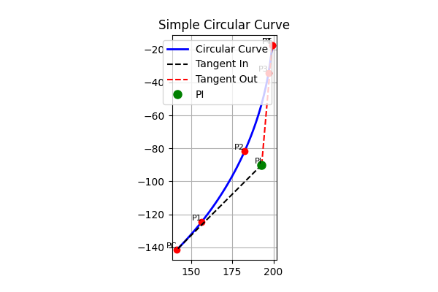
id | station | arc_length | deflection | total_deflection | chord
1 | 9950 | 22.794046853 | 3.2650067068 | 3.2650067068 | 22.781712324
2 | 10000 | 50 | 7.1619724391 | 10.426979146 | 49.869893354
3 | 10050 | 50 | 7.1619724391 | 17.588951585 | 49.869893354
4 | 10066.832293 | 16.832293306 | 2.4110484149 | 20 | 16.827326009

