Sheet
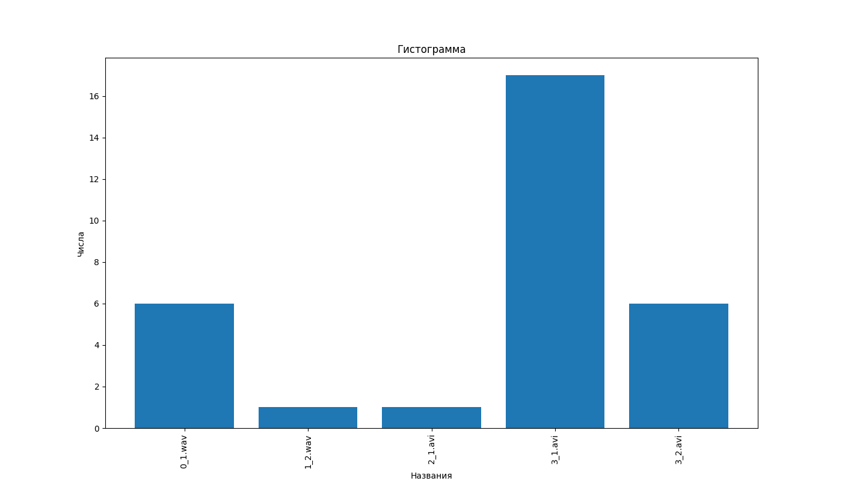
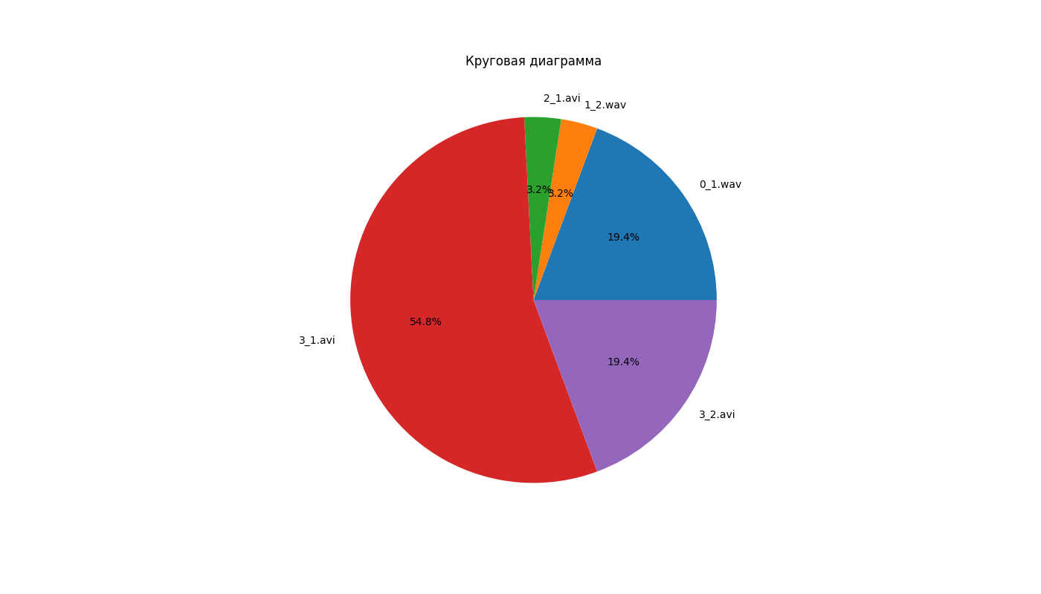
Segment_num | Advertisement ID
6 | 0_1.wav
1 | 1_2.wav
1 | 2_1.avi
17 | 3_1.avi
6 | 3_2.avi

