Kaynakça
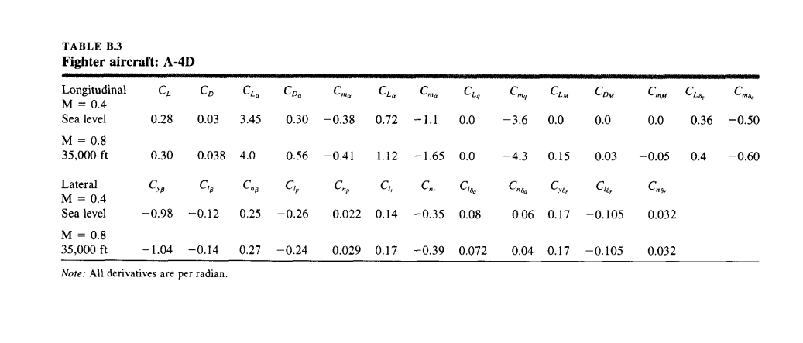
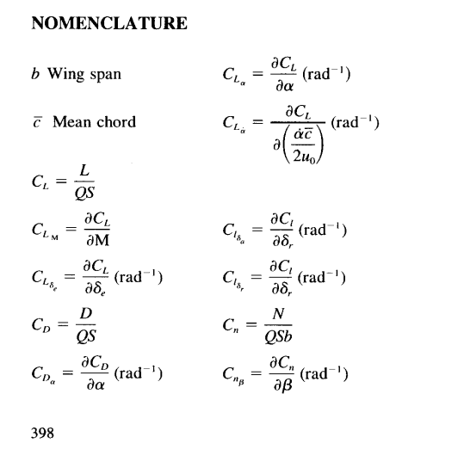
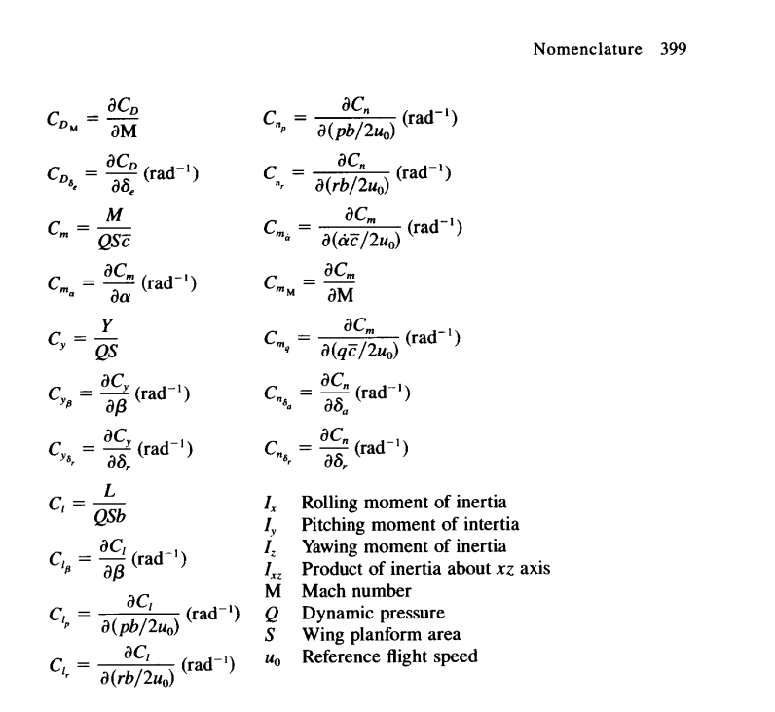
Kaynak: | Flight Stability and Automatic Control - SECOND EDITION - Dr. Robert C. Nelson

