PERT Network Diagram
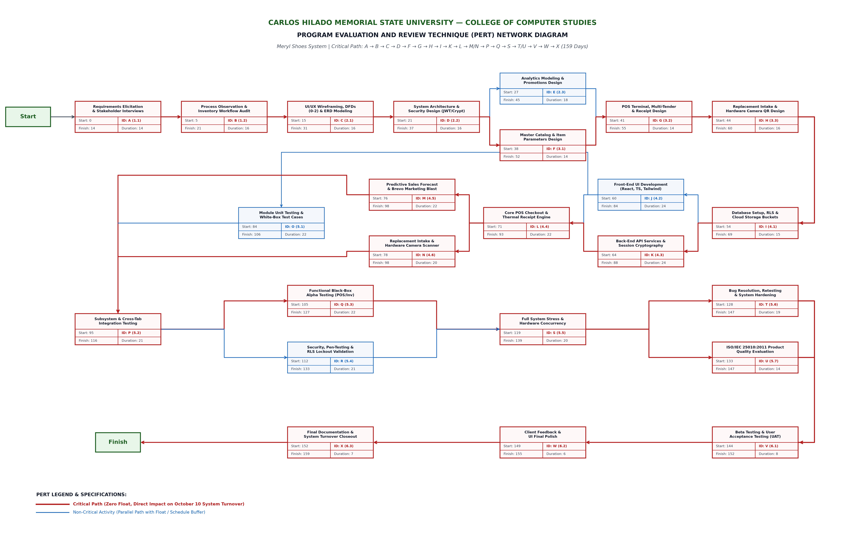
MERYL SHOES SYSTEM — PERT NETWORK DIAGRAM (APPENDIX I)
Critical Path Duration: 159 Calendar Days (May 5 – Oct 10, 2026) | Chain: A → B → C → D → F → G → H → I → K → L → M/N → P → Q → S → T/U → V → W → X

CPM Network Diagram
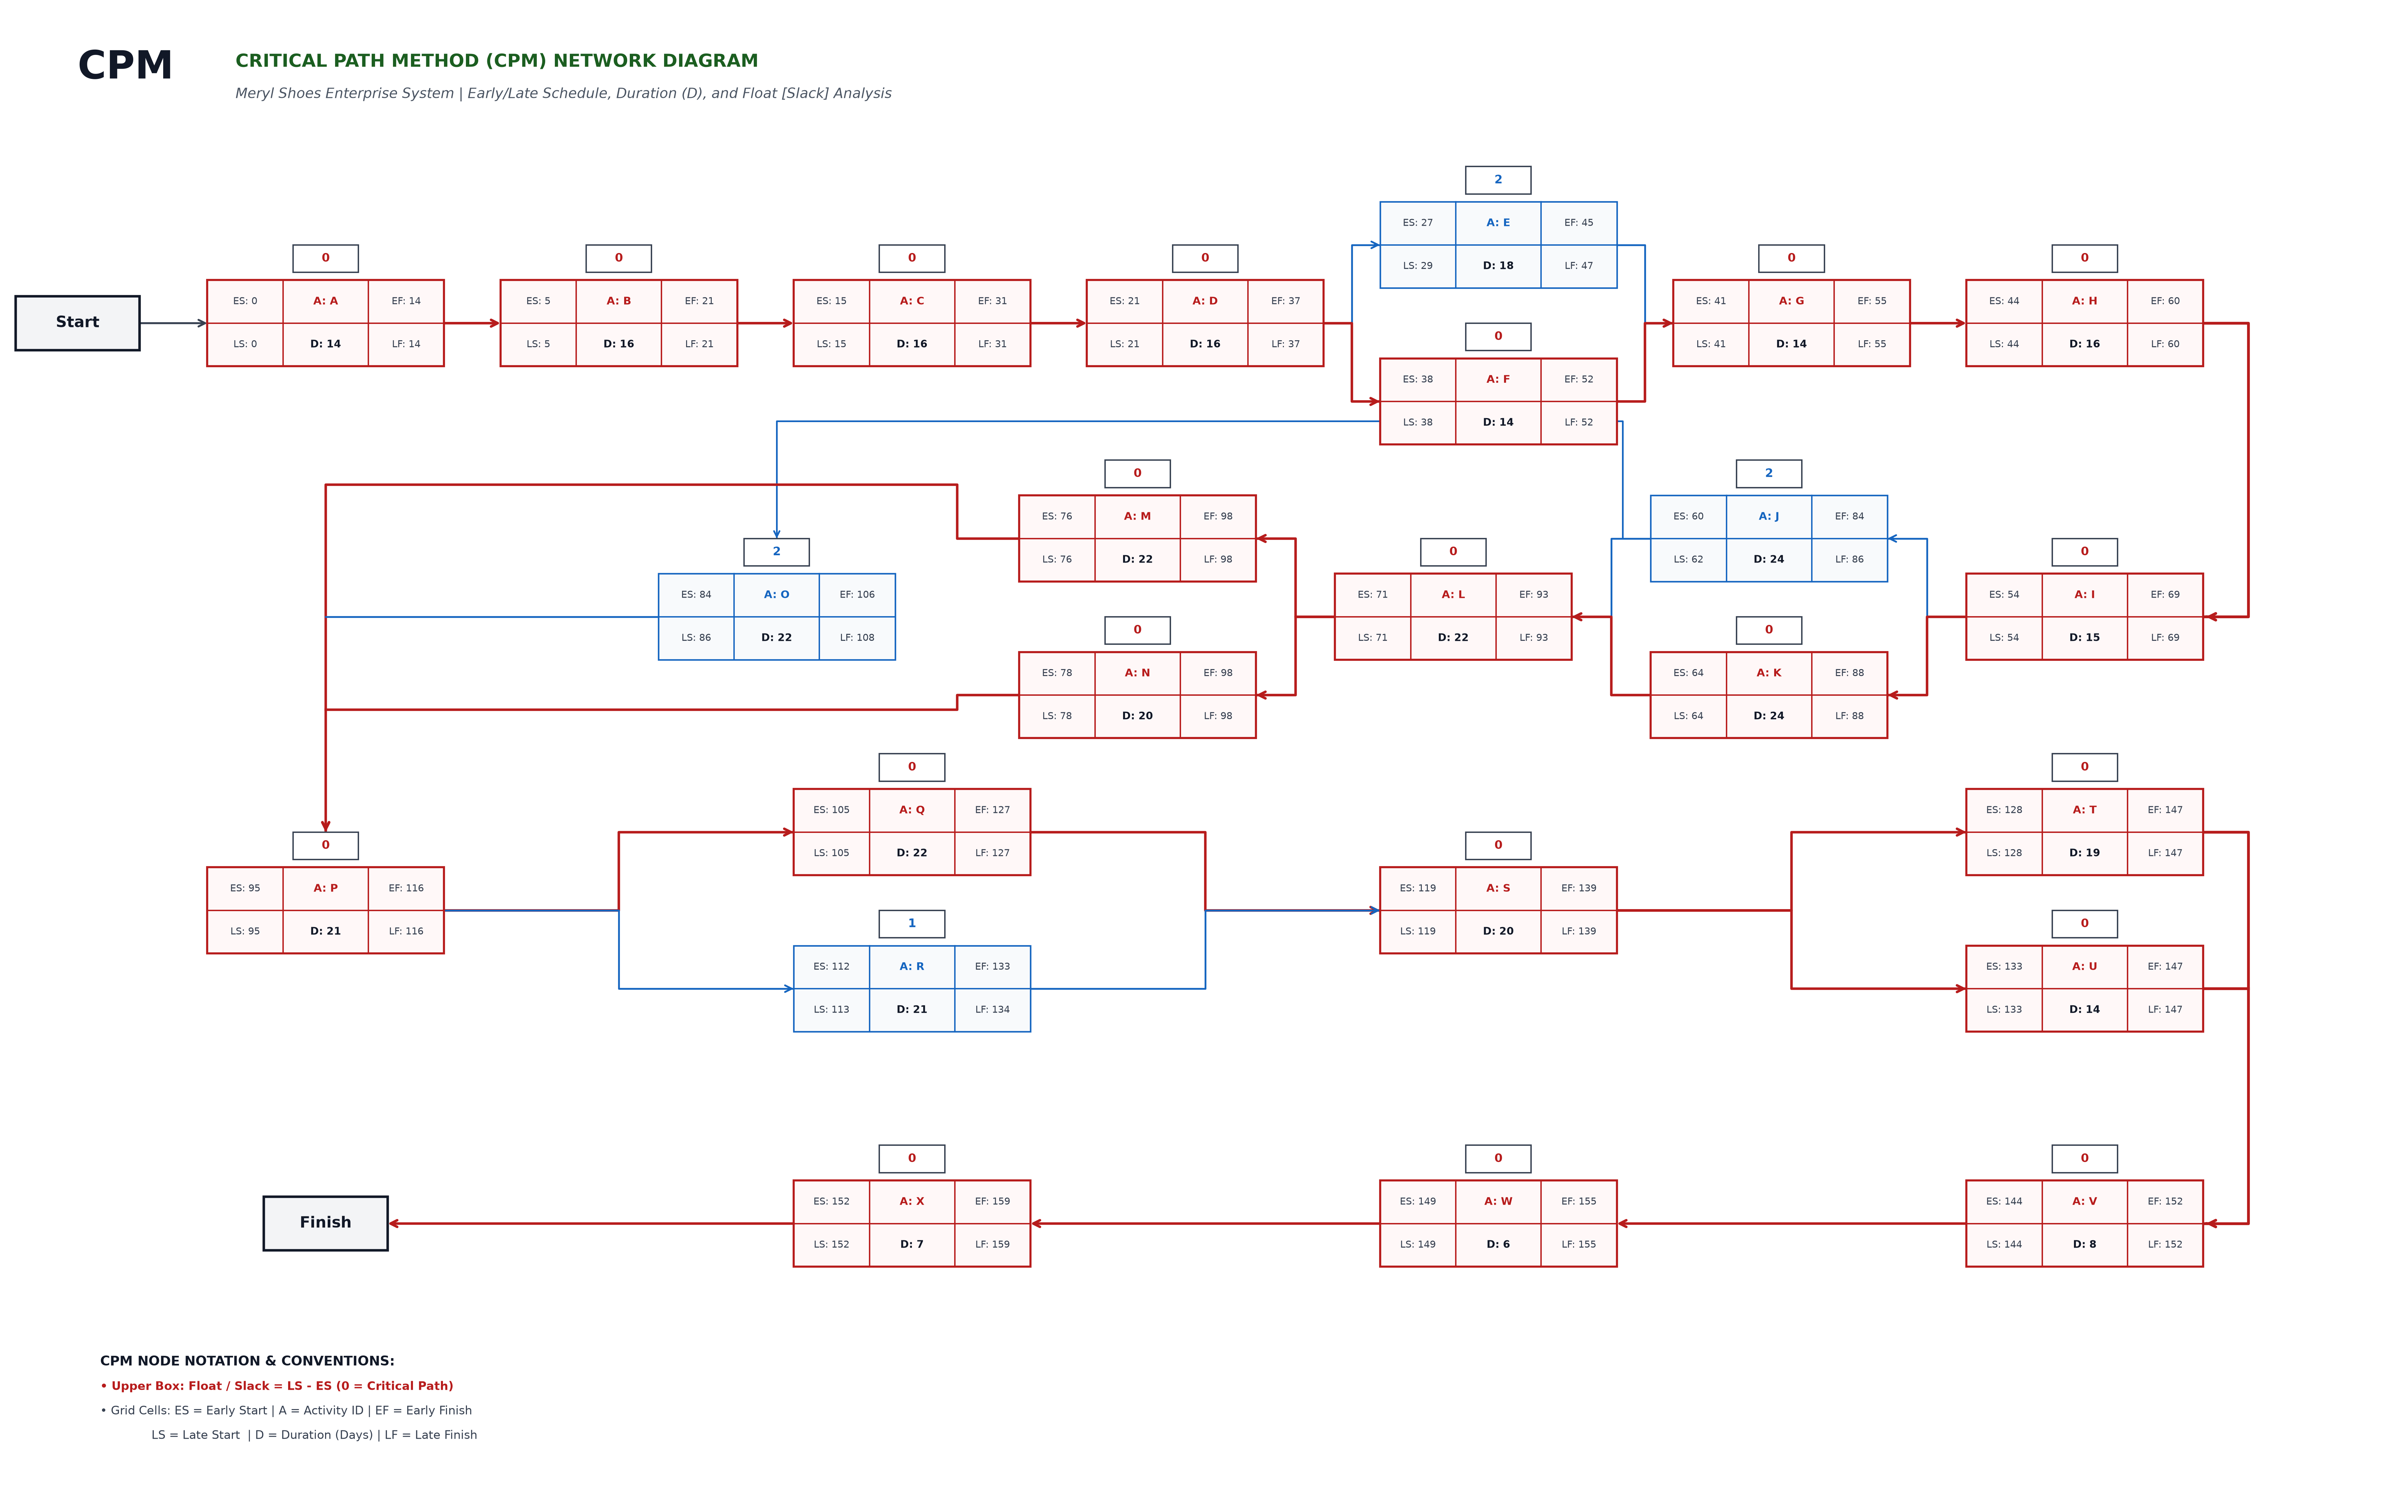
MERYL SHOES SYSTEM — CRITICAL PATH METHOD (CPM) NETWORK DIAGRAM
Detailed ES, EF, LS, LF, Duration (D), and Float/Slack [S] per Activity Node

