Exercise
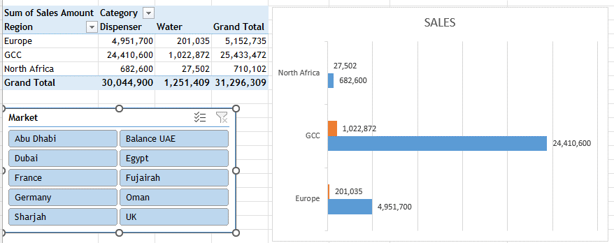
S No. | Question
1 | Create a PivotTable like the one shown here using the Data Sheet
2 | Create a Slicer for Market and Pivot Chart as shown for the Region
3 | Save your work

