design
 | dim | Description | Unit |  | Configurations | 1 | With baffles | C1 | Inclined
0 | 0.195 | Collector height | m | df0 |  | 2 | Without baffles | C2 | Cascade
1 | 0.19 | Height crossed by humid air | m | df |  |  |  | C3 | Conventional
2 | 0.005 | Absorber thickness | m | epb |  |  |  | C4 | Stepped
3 | 0.1 | insulation thickness | m | epi
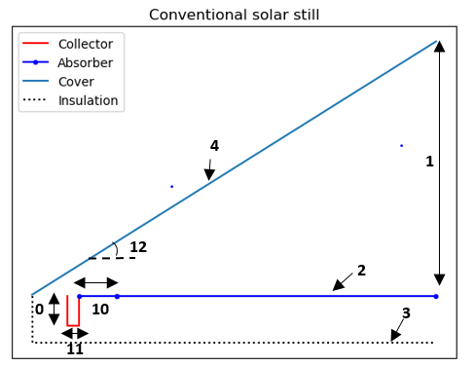
4 | 0.004 | Cover thickness | m | epg
5 | 1 | Solar still width | m | l
6 | 1 | Number of steps | - | ns
7 | 0 | Inclined part of step length | m | li0
8 | 1 | Length horizontal part of step | m | lh0
9 | 0 | Height of edges that retain water | m | b
10 | 0 | Last stage before collector lengrh | m | lh1
11 | 0.038 | Collector width | m | lh2
12 | 15 | Tilt angle transparent cover | degree | teta1
13 | 0 | Stair inclination angle | degree | teta2
14 | Without baffles | Basin with or without baffles | - | Fs
15 | Conventional | Type of solar still | - | Type
16 | 0.02 | Supply valve diameter | m | d0
17 | 0.25 | Supply valve position | m | hv
18 | 0.01 | Thickness Rubber sealing | m | epc
19 | 0.4 | Diameter of the salt water storage tank | m | Dc
20 | 0 | baffles width | m | baff
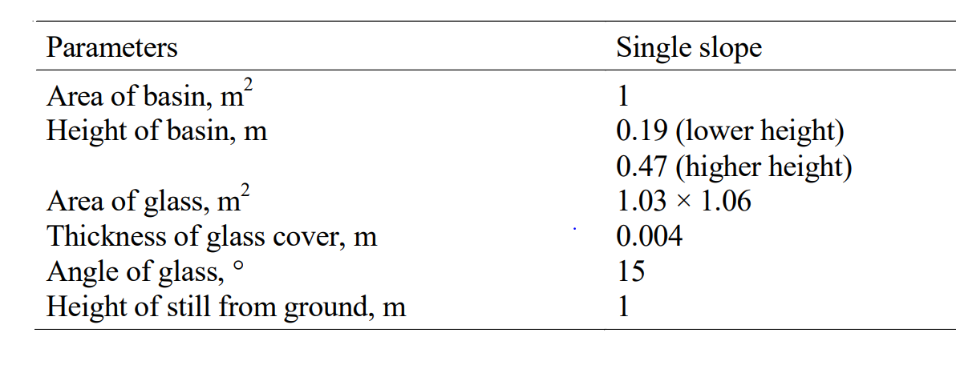
21 | 0 | baffles count | - | nbaf

Corr
Correlations for thermal model |  | Therm_mod
R.V Dunkle | Choose the correlation | R.V Dunkle
Hollands et al
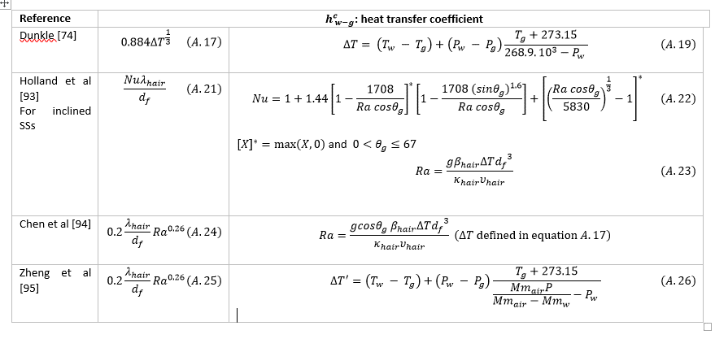
Chen et al
Zheng Hongfei et al

