Corr
Correlations for thermal model |  | Therm_mod
R.V Dunkle | Choose the correlation | R.V Dunkle
Hollands et al
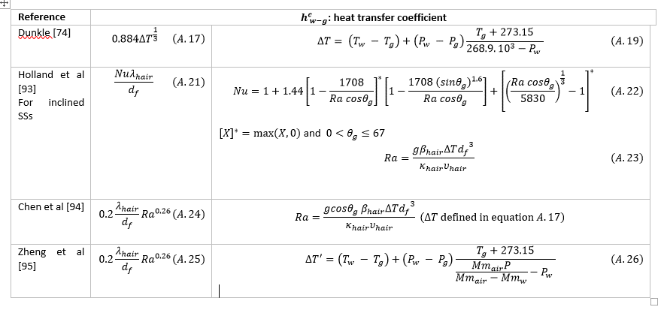
Chen et al
Zheng Hongfei et al

