design
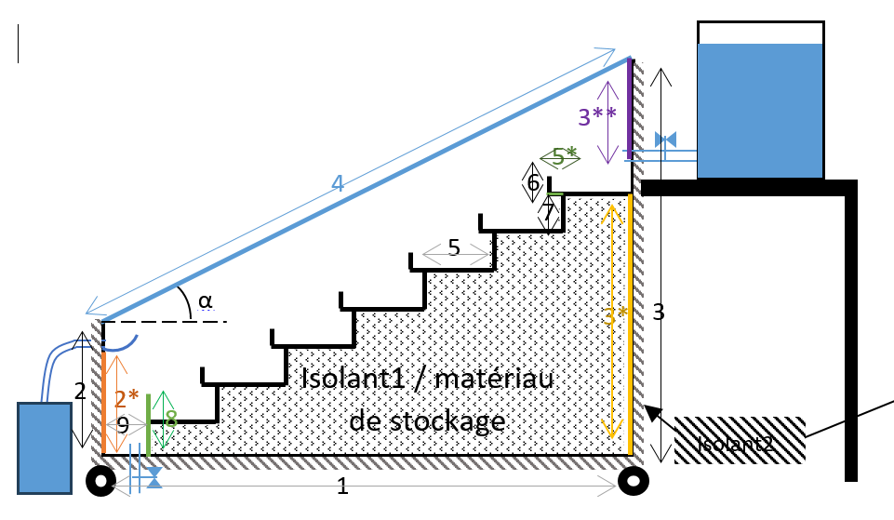
 | dim | Description | Unit |  | Configurations | 1 | With baffles | C1 | Inclined |  | Valeur (m/m2/°)
0 | 0.05 | Collector height | m | df0 |  | 2 | Without baffles | C2 | Cascade | 1 | 0.634
1 | 0.12 | Height crossed by humid air | m | df |  |  |  | C3 | Conventional | 1* | 0.5
2 | 0.045 | Absorber thickness | m | epb |  |  |  | C4 | Stepped | 2 | 0.16
3 | 0.04 | insulation thickness | m | epi |  |  |  |  |  | 2* | 0.12
4 | 0.03 | Cover thickness | m | epg |  |  |  |  |  | 3 | 0.47
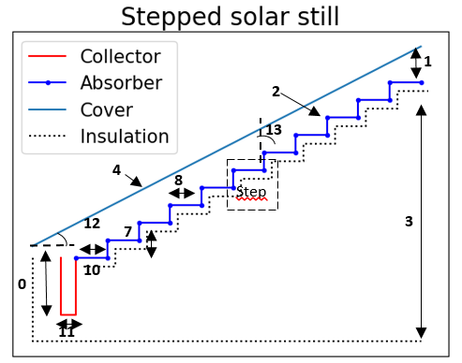
5 | 2 | Solar still width | m | l |  |  |  |  |  | 3* | 0.31
6 | 5 | Number of steps | - | ns |  |  |  |  |  | 3** | 0.12
7 | 0.1 | Inclined part of step length | m | li0 |  |  |  |  |  | 4 | 0.704
8 | 0.1 | Length horizontal part of step | m | lh0 |  |  |  |  |  | 5 | 0.1
9 | 0.05 | Height of edges that retain water | m | b |  |  |  |  |  | 5* | 0.02
10 | 0 | Last stage before collector lengrh | m | lh1 |  |  |  |  |  | 6 | 0.02
11 | 0.074 | Collector width | m | lh2 |  |  |  |  |  | 7 | 0.045
12 | 30 | Tilt angle transparent cover | degree | teta1 |  |  |  |  |  | 8 | 0.075
13 | 90 | Stair inclination angle | degree | teta2 |  |  |  |  |  | 9 | 0.074
14 | Without baffles | Basin with or without baffles | - | Fs |  |  |  |  |  | Isolant 1 | 0.095 m2
15 | Stepped | Type of solar still | - | Type |  |  |  |  |  | Isolant 2 | 0.004
16 | 0.1 | Supply valve diameter | m | d0 |  |  |  |  |  | α | 30°
17 | 0.25 | Supply valve position | m | hv
18 | 0.01 | Thickness Rubber sealing | m | epc
19 | 0.5 | Diameter of the salt water storage tank | m | Dc
20 | 0.02 | baffles width | m | baff
21 | 5 | baffles count | - | nbaf

Corr
Correlations for thermal model |  | Therm_mod
R.V Dunkle | Choose the correlation | R.V Dunkle
Hollands et al
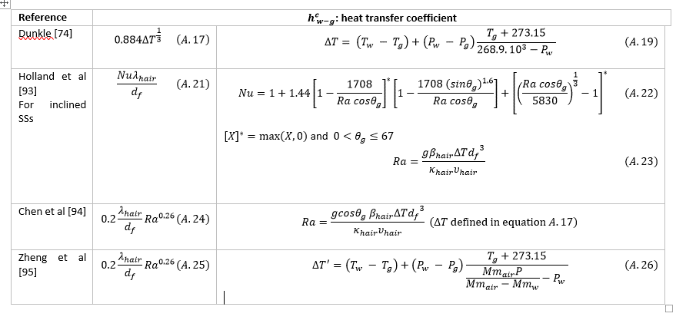
Chen et al
Zheng Hongfei et al

