n11UserNum-20PerformanceTestRe
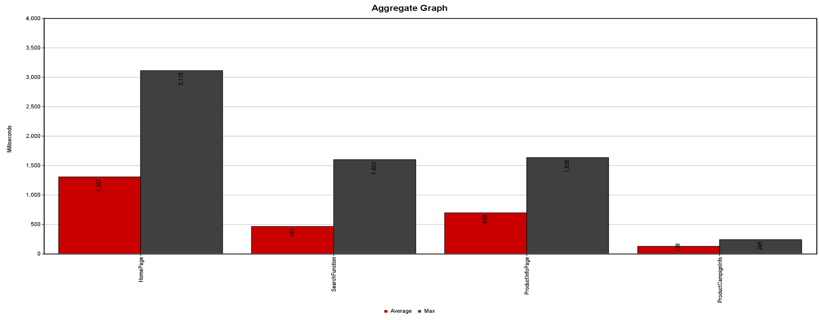
Tester Name | Fatih ATAŞ |  | Test Date & Time |  |  |  | 10/06/2023 - 01:30
n11.com Search Product & Take Information about Product Campain and Product Infos from Product Page Test (User Number : 20)
Label | User Num | Avarage Time | Median | 90% | %95 line | %99 Line | Min Time | Max Time | Error % | Throughput/sec
HomePage | 40 | 1307 | 1280 | 2378 | 2508 | 3115 | 272 | 3115 | 17.50% | 5.17464
SearchFunction | 40 | 467 | 438 | 702 | 839 | 1602 | 79 | 1602 | 0.00% | 5.06457
ProductInfoPage | 40 | 699 | 616 | 1231 | 1386 | 1635 | 104 | 1635 | 0.00% | 5.01379
ProductCampignInfo | 40 | 128 | 127 | 224 | 233 | 245 | 39 | 245 | 0.00% | 5.29661
TOTAL | 160 | 651 | 438 | 1602 | 1891 | 2508 | 39 | 3115 | 4.38% | 18.25234

n11UserNum-1PerformanceTestRe
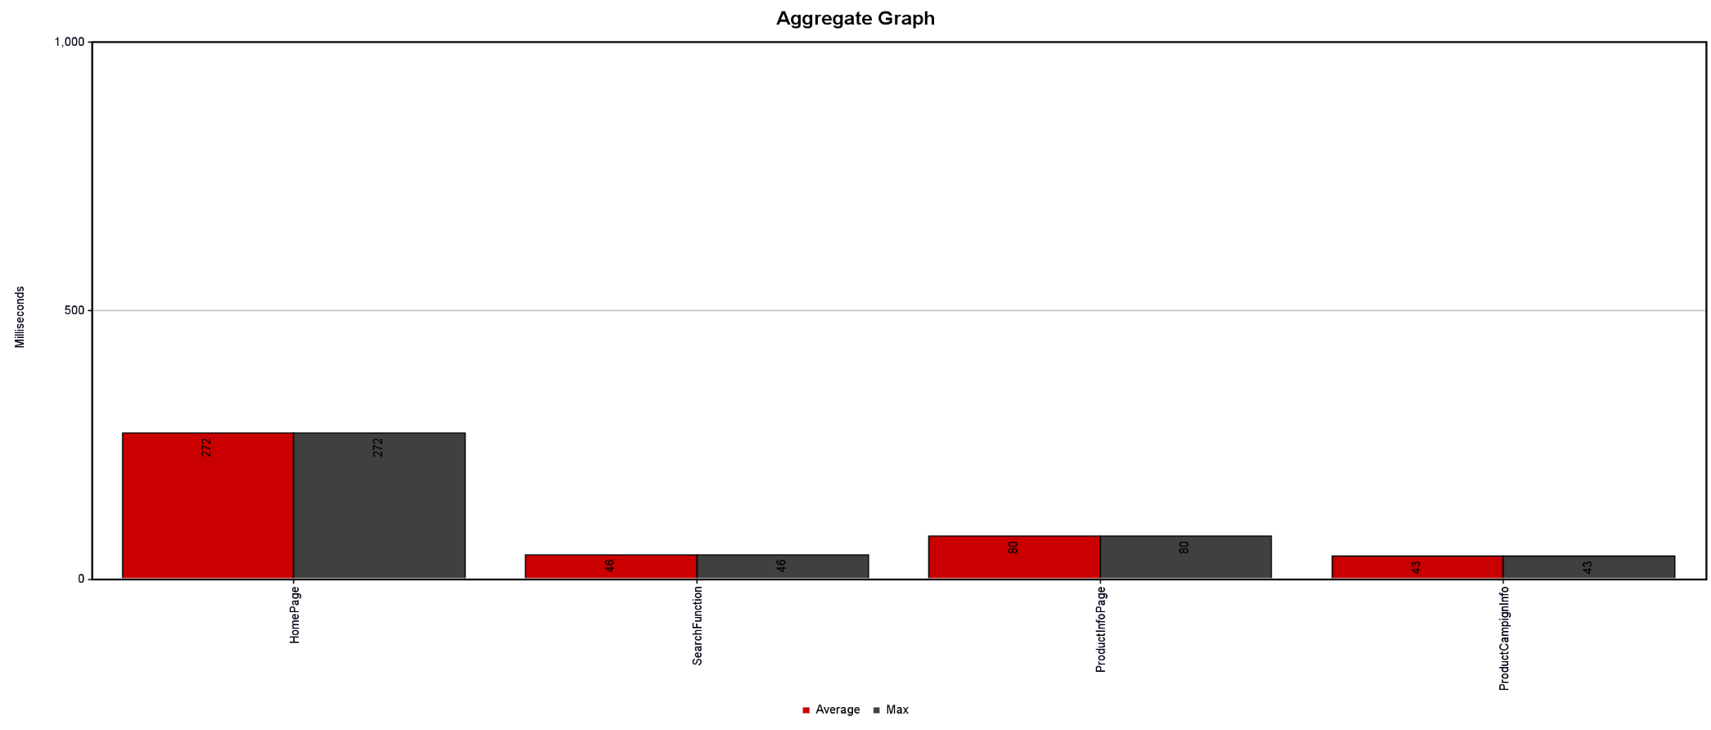
Tester Name | Fatih ATAŞ |  | Test Date & Time |  |  |  | 10/06/2023 - 01:30
n11.com Search Product & Take Information about Product Campain and Product Infos from Product Page Test (User Number : 1)
Label | User Num | Avarage Time | Median | 90% | %95 line | %99 Line | Min Time | Max Time | Error % | Throughput/sec
HomePage | 1 | 272 | 272 | 272 | 272 | 272 | 272 | 272 | 0.00% | 4
SearchFunction | 1 | 46 | 46 | 46 | 46 | 46 | 46 | 46 | 0.00% | 20.83333
ProductInfoPage | 1 | 80 | 80 | 80 | 80 | 80 | 80 | 80 | 0.00% | 12.19512
ProductCampignInfo | 1 | 43 | 43 | 43 | 43 | 43 | 43 | 43 | 0.00% | 24.39024
TOTAL | 4 | 110 | 46 | 272 | 272 | 272 | 43 | 272 | 0.00% | 9.47867

