Sheet1
Name |  | National Student Management System
Goals & Objective |  | The focus of this website is to make students all over Bangladesh to connect to get proper resources and guidance. From this website students can: • Get guidance from instructors. • Get guidance about courses. • To communicate with fellow peers • To track their progress • Get technical support. • To get information about different institutions • Can store information in notepad. • To get updated notification about latest services
Product Type |  | Web Application
Domain |  | Web2
Access Layers |  | Students,Admin,Manager
Design Required |  | Yes

Phase | Item No | Specification [Role] | Screen Definition | User Story | Acceptance Criteria | UI Screen | Tags
Feature: 1 |  | Auth Feature
phase 1 | 1 | Sign Up [Students][Instructor] | <Form> <input=name> <input=email> <input=gender> <input=dob> <input=password> <input=re-password> <button=signup> <link=signin> | - Enter Full name (input) [Required] - Enter email (input) [Required] - Enter password (input) [Logic: At least 8 characters long, atleast one special character] [Required] - Enter password again (input) [Logic: should match password input][Required] - Click Signup (button) [Logic: If the email is unique, user will be registered to the sysmem (databse)] - Signin (link) [Logic: redirect user to Login page] | - Email (input) field should only accept valid unregistered email address as input, otherwise will show an 'email already used' message. - Password (input) should be minimum 8 characters long. Otherwise show an invalid message. - Re-password (input) should match password. Otherwise show 'password do not match' message. - On clicking signup button, credential will be stored in database, user will be redirected to his dashboard. - A copy of the login information will be sent to his email. | 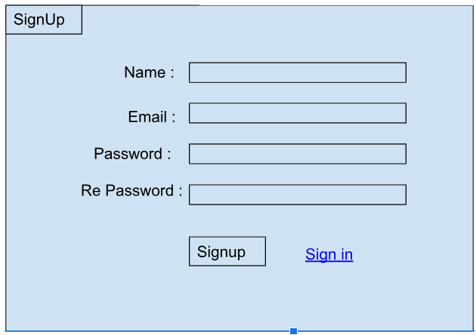 | signup
phase 1 | 2 | Sign In [Students][Admin][Instructor] | <Form> <input=email> <input=password> <option=remember me> <button=signin> <link=signup> <link=forgot password> | - Enter Email (input) - Enter password (input) - signin (button) - signup (link) - forgot password (link) | - Email must match database email - password must match database password - User go to dashboard (if email & password match with database) - User is promt with an error. "Email or password does not match!". (if email & password match with database) - clicking signup should take user to signup page - clicking forgot password should take him to forgot password page | 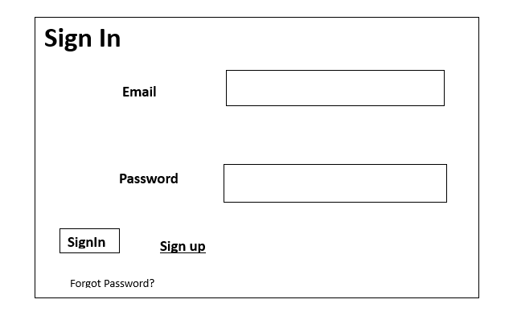 | signin
phase 1 | 3 | Forget Password [Students][Admin][Instructor] | <Form> <input=email> <button=send code> <input=code> <input=password> <input=confirm Password> <button=submit> | - Enter email (input) - Press send code (button) - Enter new password (input) - Re-type new password (input) - click on change passowrd to update password (button) | - email must match DB email or promt "No email found!" - pressing send code will print a message "code sent!" and the code can be found at user info row. - enter new password [At least 8 characters long, atleast one special character] - re-type new password [it should match new password] - clicking submit button will show user -> "password changed" if all info match criteria or it'll indicate what's wrong | 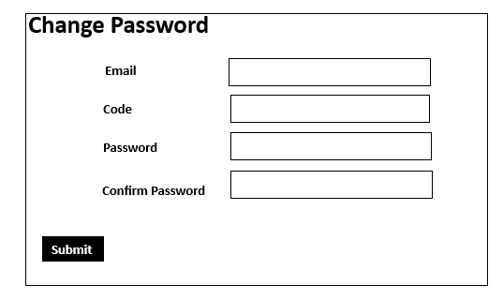 | forgotpassword
Feature: 2 |  | Dashboard
phase 1 | 4 | Menu [Admin] | Dashboard Edit Profile Change Profile Photo Change Password Enrollment Management Financial Management System Configuration Report Generate Transcript Generate | Dashboard(link) View Profile(link) Edit profile(link) change profile photo(link) change password(link) Enrollment Management(link) Financial Management(link) System Configuration(link) Report Generate(link) Transcript Generate(link) | View Dashboard on click Edit Profile option on click Change Profile Photo option on click Change Password option on click Enrollment Management on click Financial Management on click System Configuration on click Report Generate on click Transcript Generate on click | 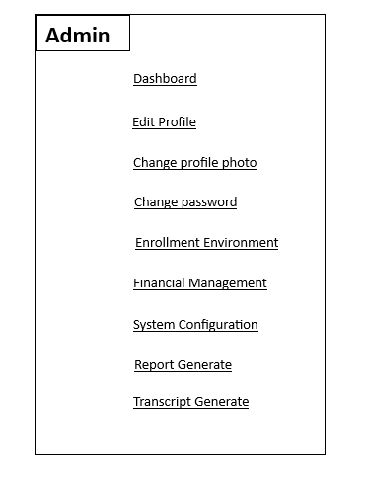 | Menu
phase 1 | 5 | Menu[Student] | Dashboard View Profile Edit Profile Change Profile Photo Change Password Timetable Resource centre Data Analytics Student Clubs Communication Portal Library | Dashboard(link) View Profile(link) Edit Profile(link) Change Profile Photo(link) Change Password(link) Timetable(link) Resource centre(link) Data Analytics(link) Student Clubs(link) Communication Portal(link) Library(link) | View Dashboard on click View profile on click Edit Profile option on click Change Profile Photo option on click Change Password option on click Timetable on click Resource centre on click Data Analytics on click Student Clubs on click Communication Portal on click Library on click | 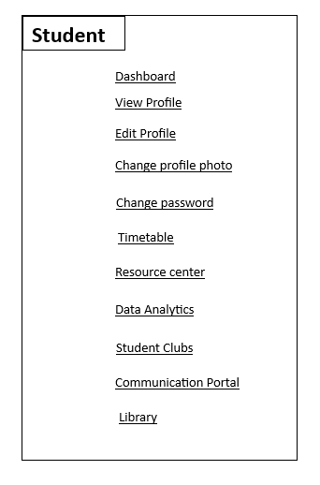 | Menu
phase 1 | 6 | Dashboard [Instructor] | Dashboard View Profile Edit Profile Change Profile Photo Change Password Timetable Data Analytics Communication Portal Graduation Tracking Student Health Record Discipline Management | Dashboard(link) View Profile(link) Edit profile(link) change profile photo(link) change password(link) Timetable(link) Data Analytics(link) Communication Portal(link) Graduation Tracking(link) Student Health Record(link) Discipline Management(link) | View Dashboard on click View profile on click Edit Profile option on click Change Profile Photo option on click Change Password option on click Timetable on click Data Analytics on click Communication Portal on click Graduation Trackingon on click Student Health Record on click Discipline Management on click | 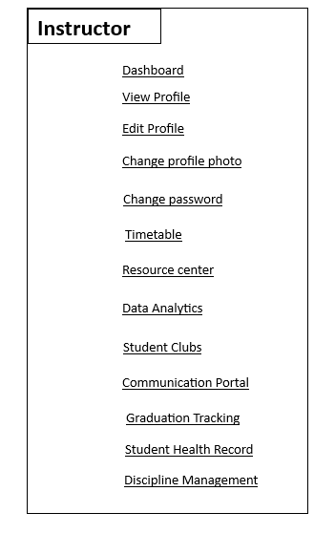 | Menu
Feature: 3 |  | Top bar and Bottom Bar
phase 1 | 7 | Top bar | table row 1 col1 : logo col2 : leave it blank col3 : Logged in as, fatima | logout | - clicking on logo will take user to dashboard - clicking on logout will logout user - clicking on username will take him to profile page | - logout should erase cookie and user should not be able to go to dashboard without login again | 
phase 1 | 8 | Bottom Bar | copyright and year | none | none | 
Feature: 4 |  | Profile
phase 1 | 15 | View Profile[student][instructor] | <table> Name Email Phone Date of Birth gender user type edit | - Full name of user (view) - phone number of user (view) - date of birth of user (view) - gender of user (view) - user type (miner/user) - edit (link button) | - No null values - Edit button should take user to edit page
phase 1 | 16 | Edit Profile[Students][Admin][Instructor] | <table> <input = Name > <input = Email > <input = Phone > <date input = Date of Birth > <radio button = gender > <button = save > | - can edit name - can edit email - can edit phone - can edit date of birth - can edit gender - can click on save button | - No null values - email should be in correct format [xyz@abc.com] - phone number should be in correct format [11 digits] - date of birth should be in at least 15 years - clicking save button will either promt with an error if above rules do not meet or a promt notifying the user about successful change
phase 1 | 17 | Change Profile Photo[Students][Admin][Instructor] | <table> <current image> <input type="file"> <button = confirm> | - current image of user/miner is shown - user can choose new photo from device - after choosing new photo, user can confirm by pressing confirm button | - current image/ default image is shown - input file should be an image and not any other format [png,jpg format] - cofirm button should redirect user to view profile page
phase 1 | 18 | Change Password[Students][Admin][Instructor] | <table> <input type="password"> current password <input type="password"> new password <input type="password"> confirm password <button=change> | - type current password - type new password - type new password again | - user can type current password [it should match database password] - Password (input) should be minimum 8 characters long. Otherwise show an invalid message. - Re-password (input) should match password. Otherwise show 'password do not match' message. - On clicking signup button, credential will be stored in database, user will be prompted with a message. [sucessfully changed / something went wrong]
Feature: 5 |  | Enrollment Management
phase 1 | 19 | Enroll Student [Admin] | <table> <input = Student Name > <input = Email > <input = Phone > <date input = Date of Birth > <radio button = gender > <button = accept > <button = reject > | - can insert name - can insert email - can insert phone - can insert date of birth - can insert gender - can click on accept/reject button | - No null values - email should be in correct format [xyz@abc.com] - phone number should be in correct format [11 digits] - date of birth should be in at least 4 years - clicking accept button will take to a page where students are chosen for their respective classes - clicking reject button will not allow the enrollment of the student
phase 1 | 20 | Assign Clases [Admin] | <drop down = assign class> | can assign class | No null values
Feature: 6 |  | Settings
phase 1 | 21 | Settings [Admin] [Students] [Instructor] | <link> | can access password change | Change password
Feature: 7 |  | Report Generate
phase 1 | 22 | Generate Report [Admin][Instructor] | <link = generate report> | Ø Generate reports (link) | Ø Generate reports by clicking.
Feature: 8 |  | Transcript Generate
phase 1 | 23 | Generate Transcript [Student] | <link = generate transcript> | Generate transcript (link) | Generate transcript by clicking.
Feature: 9 |  | Timetable Display
phase 1 | 24 | View timetable [Student] | Ø <link = Availability of Instructor> | Ø View instructor’s timetable (link) | Ø View timetable by clicking.
Feature: 10 |  | FAQ
phase 1 | 24 | Ø Edit FAQ [Admin] | <Input = Question> <Input = Answer> | Edit questions (input) Edit answers (input) | Ø Edit frequently asked questions and answers.
phase 1 | 25 | Ø View FAQ [Students][Instructors] | <link = FAQ> | Ø View FAQ (link) | Ø View FAQ
Feature: 11 |  | Notification
phase 1 | 26 | Ø View notifications [Students][Instructors][Admin] | Ø <link = Notification> | Ø View Notification (link) | Ø View Notification
Feature: 12 |  | About
phase 1 | 27 | Ø View about [Students][Instructors] | Ø <link = About> | Ø View About (link) | Ø View About
Feature: 13 |  | History
phase 1 | 28 | View history [Students][Instructors][Admin] | Ø <link = History> | Ø View History (link) | Ø View History

