Sheet1
Test case ID | Related Requirement | Type | Title | Precondition | Test Data | Steps | ER | Attachements | Designed by | Status | Bug ID | Reviewed by
Car_MyProfile_01 | Car_SRS_45 | UI | Validate that "MY PROFILE" button exists in the header of the page |  | User name: customer password: soso.soso123 | 1) open URL "http://CarPurchasing" 2)Login with an existing account | MYPROFILE button Should be displayed in the top right of the page. | 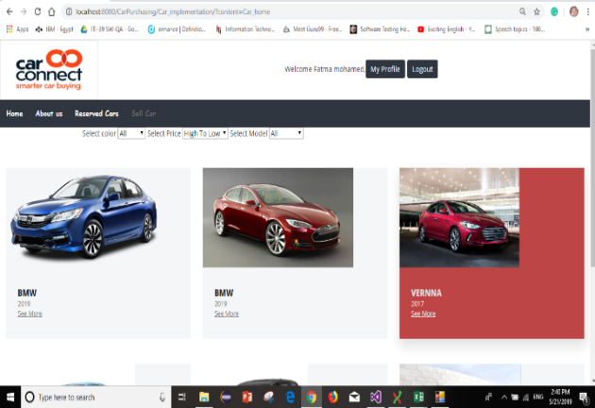 | Fatma | passed
Car_MyProfile_02 | Car_SRS_45 | Function | Validate "MY PROFILE" functionality |  | User name: customer password: soso.soso123 | 1) open URL "http://CarPurchasing" 2)Login with an existing account 3)Click on My Profile button | User should be redirct to My Profile page witch contain his information (Name, Email, Address, Phone) |  | Fatma | passed
Car_MyProfile_03 | Car_SRS_25 | UI | Valide UI of MY PROFILE page |  | User name: customer password: soso.soso123 | 1) open URL "http://CarPurchasing" 2)Login with an existing account 3)Click on My Profile button | Form displayed with 4 text fields 1-User name 2-Email 3-Address 4-Phone -edit button at (Email and Address) fields -Save button at the end of the form | 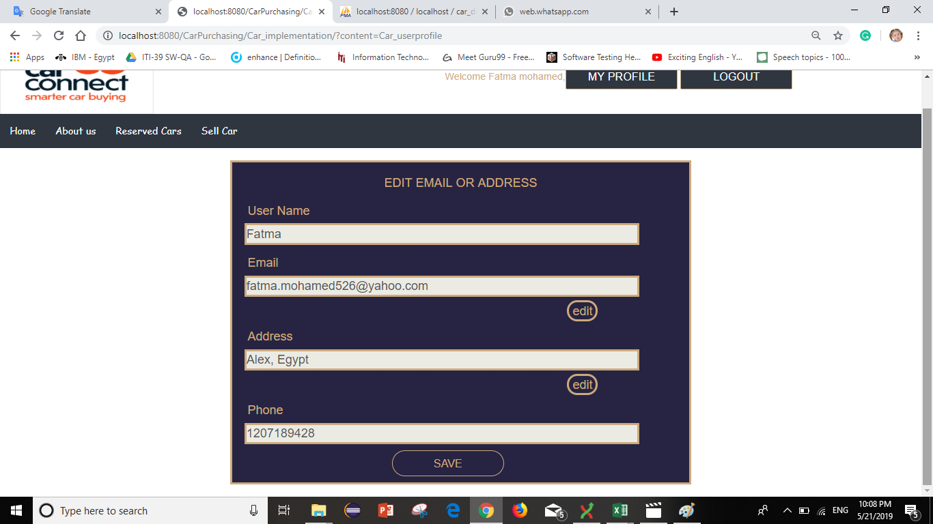 | Fatma | passed
Car_MyProfile_04 | Car_SRS_25 | Function | Validate "Edit" and "Save" functionality at email field |  | User name: customer password: soso.soso123 | 1) open URL "http://CarPurchasing" 2)Login with an existing account 3)Click on My Profile button 4)Click on Edit button at the Email field 5)make any change in email 6)Click on Save button 7)Click on MY PROFILE button to load the page with changing data | The email will change as the user edit |  | Fatma | passed
Car_MyProfile_05 | Car_SRS_25 | Function | Validate "Edit" and "Save" functionality at address field |  | User name: customer password: soso.soso123 | 1) open URL "http://CarPurchasing" 2)Login with an existing account 3)Click on My Profile button 4)Click on Edit button at the address field 5)make any change in email 6)Click on Save button 7)Click on MY PROFILE button to load the page with changing data | The address will change as the user edit |  | Fatma | Failed
Car_MyProfile_06 |  |  |  |  |  |  |  |  | Fatma
Car_MyProfile_07 |  |  |  |  |  |  |  |  | Fatma
Car_MyProfile_08
Car_MyProfile_09
Car_MyProfile_10
Car_MyProfile_11

