Sheet1
Defect ID | Title | type | steps to produce | test data | Expected result | Actual result | Priority | Severity | TC_ID | Status | Attachments
Car_SearchBug_01 | The default value for the color drop down list is "Red" not "All" | Functional | 1. Navigate to car connect website "http://localhost:8080/Car_implementation/" 2. In the home page, Check that the colors drop down list default value |  | The default value for the color drop list is "All" and cars are viewed with different colors | The default value for the color drop list is "Red" and cars are viewed with different colors | High | Medium | Car_SearchTC_01 | Closed
Car_SearchBug_02 | If the guest choose a color from the drop down list and click back, the value of the drop down list doesn't change | Functional | 1. Navigate to car connect website "http://localhost:8080/Car_implementation/" 2. In the home page,click the colors drop down list 3. choose "Gray" 4. After checking the gray cars, click on the drop down list again 5. choose "red" 6. click back and check on the results viewed and the drop down list |  | All gray cars in the database are viewed in the search result page again and the colors down down list value is set to " Gray" | All gray cars in the database are viewed in the search result page again and the colors down down list value is still set to " red" | High | Medium | Car_SearchTC_04 | open | 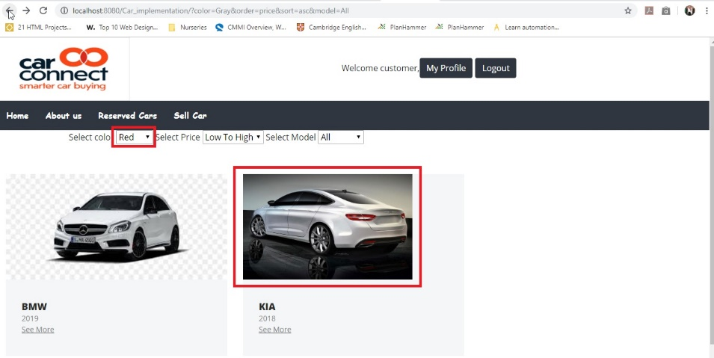
Car_SearchBug_03 | The default value for the model drop down list is "Fiat" not "All" | Functional | 1. Navigate to car connect website "http://localhost:8080/Car_implementation/" 2. In the home page, Check that the models drop down list default value |  | The default value for the model drop list is "All" and cars are viewed with different models | The default value for the model color drop list is "Fiat" and cars are viewed with different models | High | Medium | Car_SearchTC_07 | Closed
Car_SearchBug_04 | if the filtering leads to 0 results, the website redirects me to a blank page | Functional | 1. Navigate to car connect website "http://localhost:8080/Car_implementation/" 2. In the home page,click the colors drop down list and choose "Gray" 3. click on the model drop down list and choose "Fiat" |  | an error message appears having "Sorry, we don't have this car right now, please check it later" | the website redirects me to a blank page | Medium | Medium | Car_SearchTC_08 | Closed
Car_SearchBug_05 | If the guest choose a model from the drop down list and click back, the value of the drop down list doesn't change | Functional | 1. Navigate to car connect website "http://localhost:8080/Car_implementation/" 2. In the home page,click the colors drop down list 3. choose "BMW" 4. After checking the BMW cars, click on the drop down list again 5. choose "Fiat" 6. click back and check on the results viewed and the drop down list |  | All BMW cars in the database are viewed in the search result page again and the colors down down list value is set to " BMW" | All BMW cars in the database are viewed in the search result page again and the colors down down list value is still set to " Fiat" | High | Medium | Car_SearchTC_11 | open | 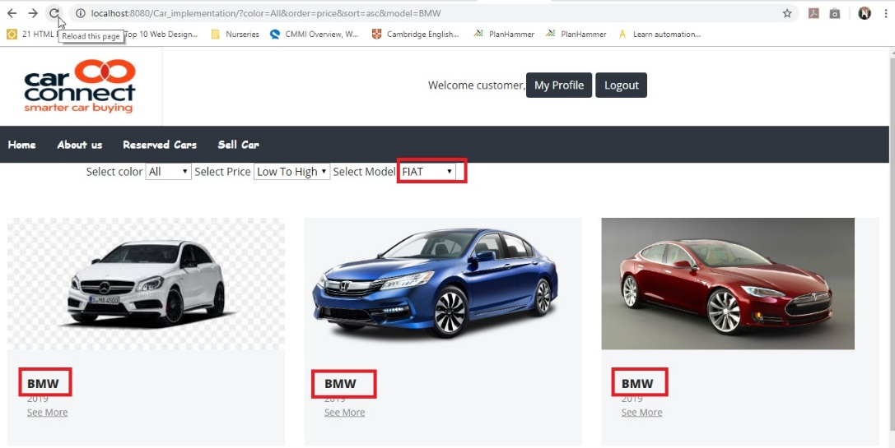
Car_SearchBug_06 | If the user choose a color from the drop down list and click back, the value of the drop down list doesn't change | Functional | 1. Navigate to car connect website "http://localhost:8080/Car_implementation/" 2. After login, In the home page,click the colors drop down list 3. choose "Gray" 4. After checking the gray cars, click on the drop down list again 5. choose "red" 6. click back and check on the results viewed and the drop down list | username: customer password: soso.soso126 | All gray cars in the database are viewed in the search result page again and the colors down down list value is set to " Gray" | All gray cars in the database are viewed in the search result page again and the colors down down list value is still set to " red" | High | Medium | Car_SearchTC_18 | open
Car_SearchBug_07 | If the user choose a model from the drop down list and click back, the value of the drop down list doesn't change | Functional | 1. Navigate to car connect website "http://localhost:8080/Car_implementation/" 2. After login, In the home page,click the colors drop down list 3. choose "BMW" 4. After checking the BMW cars, click on the drop down list again 5. choose "Fiat" 6. click back and check on the results viewed and the drop down list | username: customer password: soso.soso126 | All BMW cars in the database are viewed in the search result page again and the colors down down list value is set to " BMW" | All BMW cars in the database are viewed in the search result page again and the colors down down list value is still set to " Fiat" | High | Medium | Car_SearchTC_11 | open

