Sheet1
Test case ID | Related Requirement | Type | Title | Precondition | Test Data | Steps | ER | Attachements | Designed by | Status | Bug ID | Reviewed by
Car_Details_01 | Car_SRS_28 | Functional | Validate "See more" button functionality for a user | 1) open URL "http://CarPurchasing" 2)Login with an existing account | User name: customer password: soso.soso123 | 1)From home page click on "see more" button at any car | User should be redirected to a car detaiLs page which contains information about the car |  | Fatma | passed |  | jannat
Car_Details_02 | Car_SRS_07 | Functional | Validate "See more" button functionality for a guest | 1) open URL "http://CarPurchasing" 2)don't login |  | 1)From home page click on "see more" button at any car | Guest should be redirected to a registration page |  | Fatma | passed
Car_Details_03 | Car_SRS_20 | UI | Validate UI of car details page | 1) open URL "http://CarPurchasing" 2)Login with an existing account | User name: customer password: soso.soso123 | 1)From home page click on "see more" button at any car | User should be redirected to the car detaiLs page and this page contains ( the model year, Status, Available Color, Price, and other information about it) and there is a Reserve button at the bottom of the page | 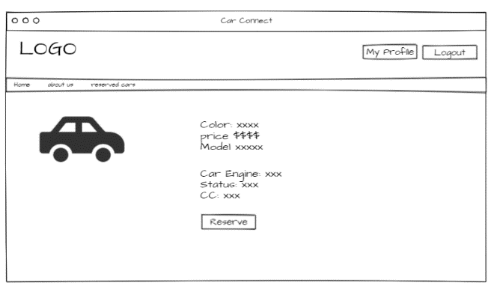 | Fatma | passed |  | jannat
Resrvation
Car_Reservation_01 | Car_SRS_26 | Functional | Validate "Reserve" button functionality | 1) open URL "http://CarPurchasing" 2)Login with an existing account | User name: customer password: soso.soso124 | 1)From the home page click on "see more" button at any car 2)Click on Reserve button | The button will disappear and the car will be reserved instead of free and will be added to the reserved user's car list | 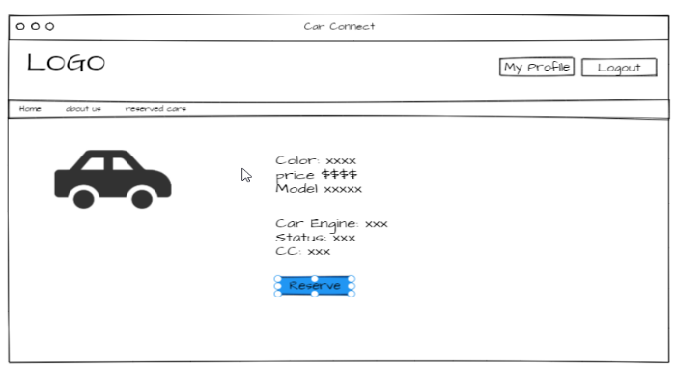 | Fatma | passed |  | jannat
Car_Reservation_02 | Car_SRS_27 | Functional | Validate "Reserved cars" button functionality | 1) open URL "http://CarPurchasing" 2)Login with an existing account | User name: customer password: soso.soso125 | 1)From the home page click on "see more" button at any car 2)Click on Reserve button 3)From the header click on "Reserved cars" | User should be redirected to Reserved cars page and this page contains all the cars reserved by the user before |  | Fatma | passed |  | jannat
Car_Reservation_03 | Car_SRS_27 | UI | Validate UI of Reserved cars page | 1) open URL "http://CarPurchasing" 2)Login with an existing account | User name: customer password: soso.soso126 | 1)From the home page click on "see more" button at any car 2)Click on Reserve button 3)From the header click on "Reserved cars" | User should be redirected to Reserved cars page and this page contains all the cars reserved by the user before as image for car, little information about it and "see more" button |  | Fatma | passed |  | jannat
Car_Reservation_04 | Car_SRS_27 | Functional | Check if the date of reservation is correct after reserve a car | 1) open URL "http://CarPurchasing" 2)Login with an existing account | User name: customer password: soso.soso126 | 1)From the home page click on "see more" button at any car 2)Click on Reserve button 3)From the header click on "Reserved cars" 4)check if the car exists and the data is right on it | User should be redirected to Reserved cars page and this page contains all the cars reserved by the user before which written on it reserved by username |  | Fatma | passed

