Sheet1
Test case ID | Related Requirement | Type | Title | Precondition | Test Data | Steps | ER | Attachements | Designed by | Status | Bug ID | Reviewed by
Car_Details_01 | Car_SRS_45 | UI | Validate that "MYPROFILE" button is exist in the header |  | User name: customer password: soso.soso123 | 1) open URL "http://CarPurchasing" 2)Login with exist account | MYPROFILE button Should displayed in top right of the page. | 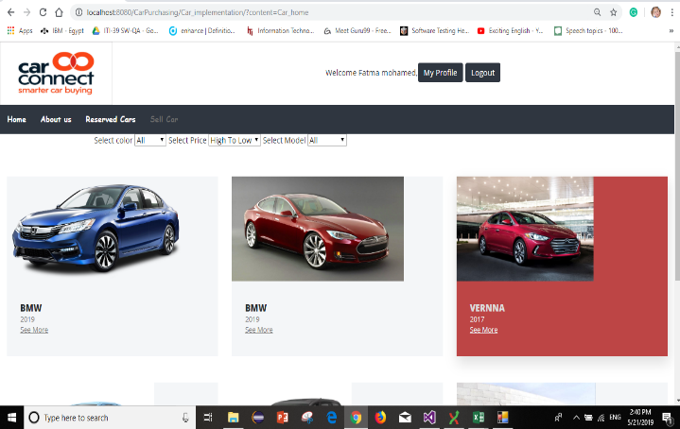 | Fatma

