Pivot
smoker | no

sex | bmi | Count of smoker | Region | Smoker | Non-Smoker
male |  | 426 | northeast | 67 | 257
Grand Total |  | 426 | northwest | 58 | 267
 |  |  | southeast | 91 | 273
 |  |  | southwest | 58 | 267

 |  |  | sex | Smoker | Non-smoker
 |  |  | female | 115 | 547
 |  |  | male | 159 | 517

 |  |  | region | sex | Smoker | Non-smoker
 |  |  | northeast | female | 29 | 132
 |  |  | northeast | male | 38 | 125

 |  |  | region | sex | Smoker | Non-smoker
 |  |  | northwest | female | 29 | 135
 |  |  | northwest | male | 29 | 132

 |  |  | region | sex | Smoker | Non-smoker
 |  |  | southeast | female | 36 | 139
 |  |  | southeast | male | 55 | 134

 |  |  | region | sex | Smoker | Non-smoker
 |  |  | southwest | female | 21 | 141
 |  |  | southwest | male | 37 | 126

Dashboard
 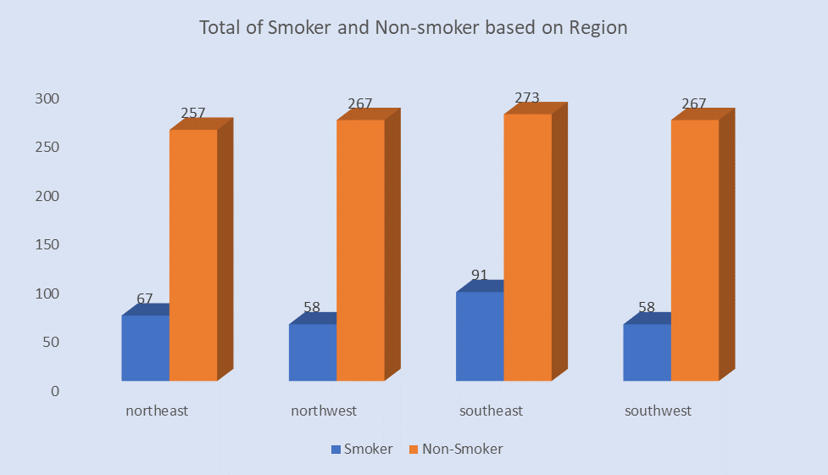 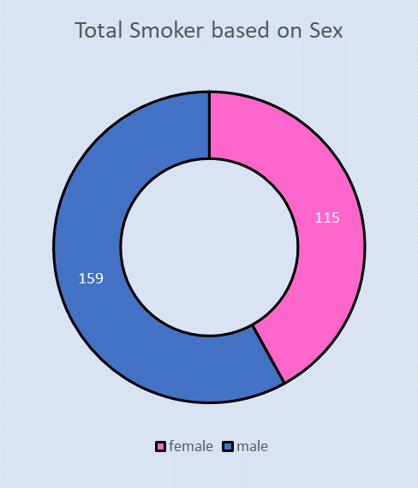 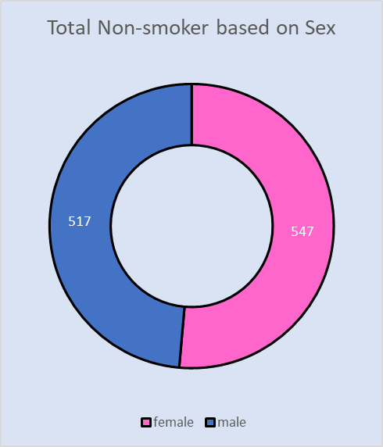 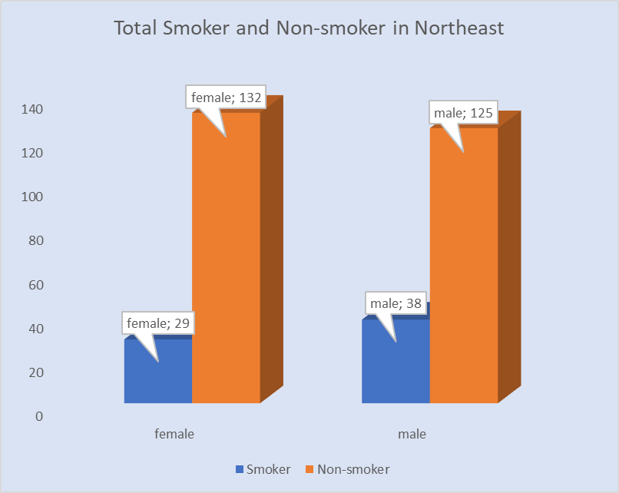 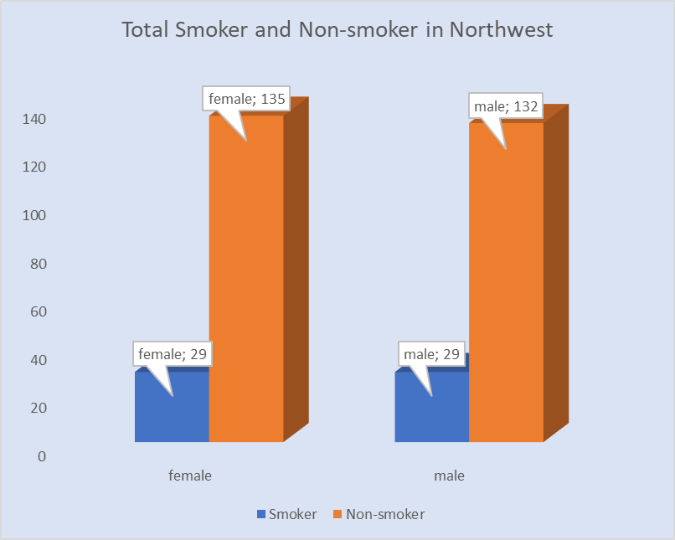 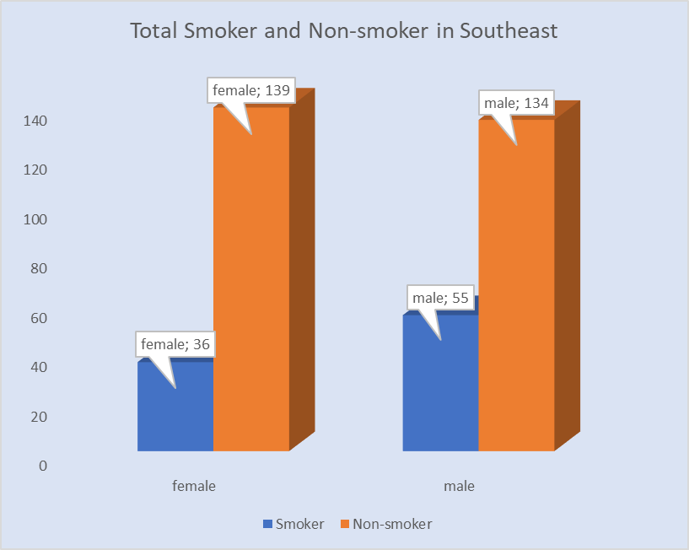 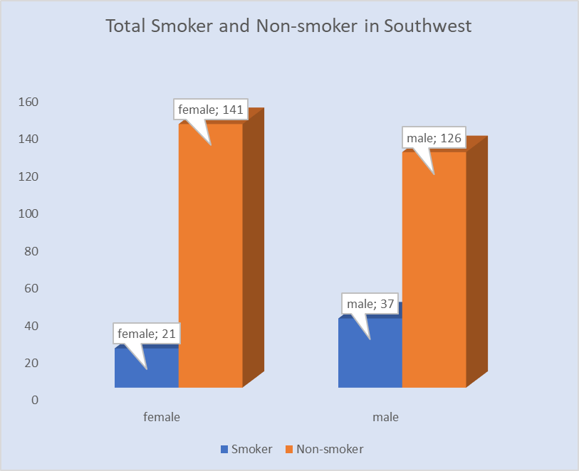
Health Insurance Claim From Smoker and Non-smoker Client
by Fauzan Hilmy Mulyaawan

