Sheet1
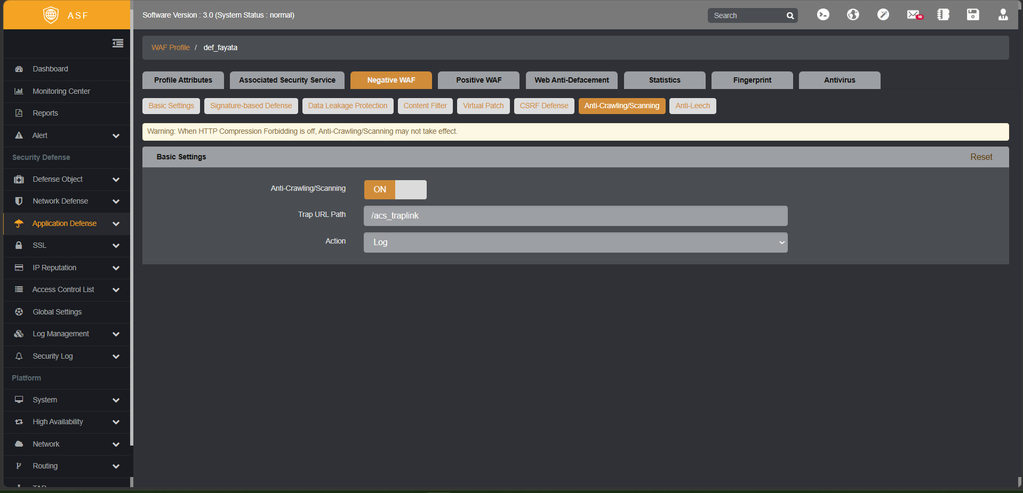
No | DVWA Module | Vulnerability Type | DVWA Security Level | Target Endpoint | Attack Method / Payload | No WAF | vASF WAF Status (Defend Mode) | Notes / WAF Bypass Details | Lampiran
1 | Web Crawling | Reconnaissance | All Levels | All endpoints | Bot (No-JS Execution) | Vulnerable (Discovered endpoints) | Bypassed (Failed to Block) | WAF Anti-Crawling relies on JS trap-links. Our bot ignores JS.
2 | Brute Force | Authentication Bypass | Low | /vulnerabilities/brute/ | Dictionary Attack (admin:password) | Vulnerable (Login Success) | Blocked (Threshold/Rate Limit) | WAF blocks excessive failed logins from same IP.
3 | Brute Force | Authentication Bypass | Medium | /vulnerabilities/brute/ | Dictionary Attack (admin:password) | Vulnerable (Login Success) | Blocked (Threshold/Rate Limit)
4 | Brute Force | Authentication Bypass | High | /vulnerabilities/brute/ | Dictionary + CSRF Token parsing | Safe (Token expires) | Blocked (Threshold/Rate Limit)
5 | Brute Force | Authentication Bypass | Impossible | /vulnerabilities/brute/ | Dictionary Attack | Safe (Account Lockout) | Blocked (Threshold/Rate Limit) | DVWA locks account after 3 attempts.
6 | Command Injection | RCE | Low | /vulnerabilities/exec/ | 127.0.0.1; cat /etc/passwd | Vulnerable (File Read) | Blocked (HTTP 403) | WAF signature catches OS commands and semi-colons.
7 | Command Injection | RCE | Medium | /vulnerabilities/exec/ | 127.0.0.1 | cat /etc/passwd | Vulnerable (File Read) | Blocked (HTTP 403) | WAF signature catches pipe (|) execution.
8 | Command Injection | RCE | High | /vulnerabilities/exec/ | 127.0.0.1|cat /etc/passwd (No spaces) | Vulnerable (File Read) | Blocked (HTTP 403)
9 | Command Injection | RCE | Impossible | /vulnerabilities/exec/ | Any injected command | Safe (Strict sanitization) | Blocked (HTTP 403)
10 | CSRF | Session Riding | Low | /vulnerabilities/csrf/ | GET request with password_new | Vulnerable (Password Changed) | Blocked (HTTP 403) | WAF checks Referer header anomaly.
11 | CSRF | Session Riding | Medium | /vulnerabilities/csrf/ | Spoofed Referer Header | Safe (DVWA checks Referer) | Blocked (HTTP 403)
12 | CSRF | Session Riding | High | /vulnerabilities/csrf/ | Requires Anti-CSRF Token | Safe (Token required) | Blocked (HTTP 403)
13 | CSRF | Session Riding | Impossible | /vulnerabilities/csrf/ | Requires current password | Safe (Requires old password) | Blocked (HTTP 403)
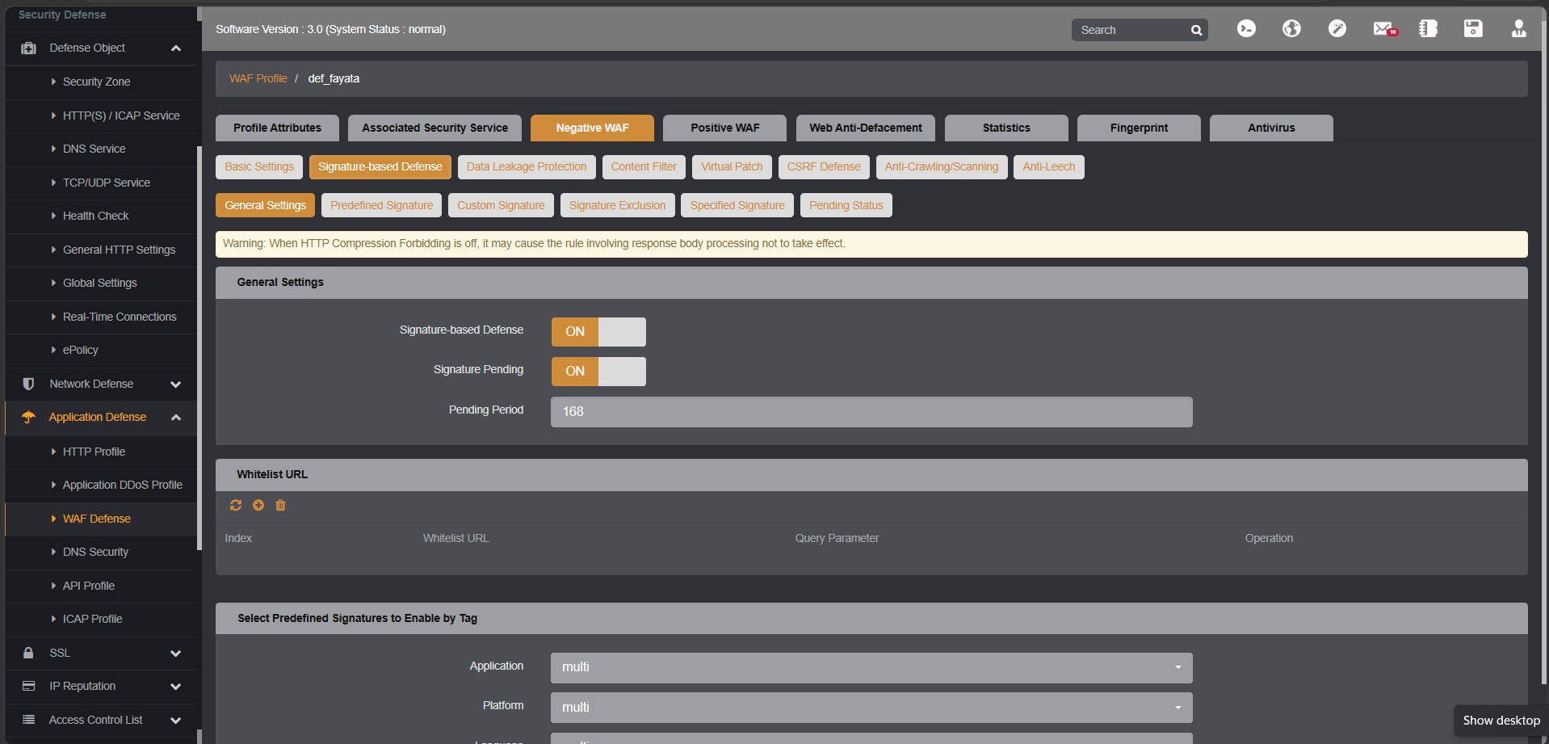
14 | File Inclusion | LFI / RFI | Low | /vulnerabilities/fi/ | ../../../../etc/passwd | Vulnerable (File Read) | Blocked (HTTP 403) | WAF detects directory traversal (../)
15 | File Inclusion | LFI / RFI | Medium | /vulnerabilities/fi/ | ..././..././etc/passwd | Vulnerable (File Read) | Blocked (HTTP 403) | WAF detects traversal obfuscation
16 | File Inclusion | LFI / RFI | High | /vulnerabilities/fi/ | file:///etc/passwd | Safe (Checks file prefix) | Blocked (HTTP 403)
17 | File Inclusion | LFI / RFI | Impossible | /vulnerabilities/fi/ | Any inclusion payload | Safe (Hardcoded file whitelist) | Blocked (HTTP 403)
18 | File Upload | Malicious File Upload | Low | /vulnerabilities/upload/ | shell.php | Vulnerable (RCE possible) | Blocked (HTTP 403) | WAF blocks dangerous extensions (.php)
19 | File Upload | Malicious File Upload | Medium | /vulnerabilities/upload/ | shell.php.jpg (MIME manipulation) | Vulnerable (RCE possible) | Blocked (HTTP 403)
20 | File Upload | Malicious File Upload | High | /vulnerabilities/upload/ | shell.jpeg (Polyglot with EXIF payload) | Safe (Checks getimagesize) | Blocked (HTTP 403) | WAF detects malicious payload inside image structure
21 | File Upload | Malicious File Upload | Impossible | /vulnerabilities/upload/ | Any executable payload | Safe (Re-encodes image) | Blocked (HTTP 403)
22 | Insecure CAPTCHA | Logic Flaw | Low | /vulnerabilities/captcha/ | Step-skip parameter manipulation | Vulnerable (Password Changed) | Bypassed (Failed to Block) | WAF cannot inspect logical application steps.
23 | Insecure CAPTCHA | Logic Flaw | Medium | /vulnerabilities/captcha/ | Fake reCAPTCHA parameters | Vulnerable (Password Changed) | Bypassed (Failed to Block)
24 | Insecure CAPTCHA | Logic Flaw | High | /vulnerabilities/captcha/ | User-Agent manipulation | Safe (Server-side validation) | Bypassed (Failed to Block)
25 | Insecure CAPTCHA | Logic Flaw | Impossible | /vulnerabilities/captcha/ | Any bypass attempt | Safe (Strict validation) | Bypassed (Failed to Block)
26 | SQL Injection | SQLi | Low | /vulnerabilities/sqli/ | ' OR '1'='1 | Vulnerable (Data Dump) | Blocked (HTTP 403) | WAF Signature matches common SQL payloads.
27 | SQL Injection | SQLi | Medium | /vulnerabilities/sqli/ | 1 OR 1=1 (No quotes) | Vulnerable (Data Dump) | Blocked (HTTP 403)
28 | SQL Injection | SQLi | High | /vulnerabilities/sqli/ | Stored in session / Out-of-band | ' OR '1'='1 (Blind) | Blocked (HTTP 403)
29 | SQL Injection | SQLi | Impossible | /vulnerabilities/sqli/ | Any SQL payload | Safe (Prepared Statements) | Blocked (HTTP 403)
30 | SQL Injection (Blind) | Time-Based SQLi | Low | /vulnerabilities/sqli_blind/ | 1' AND SLEEP(5)-- | Vulnerable (Delay 5s) | Blocked (HTTP 403) | WAF blocks sleep/benchmark keywords.
31 | SQL Injection (Blind) | Time-Based SQLi | Medium | /vulnerabilities/sqli_blind/ | 1 AND SLEEP(5) | Vulnerable (Delay 5s) | Blocked (HTTP 403)
32 | SQL Injection (Blind) | Time-Based SQLi | High | /vulnerabilities/sqli_blind/ | 1' AND SLEEP(5)-- | Safe (Cookie validation) | Blocked (HTTP 403)
33 | SQL Injection (Blind) | Time-Based SQLi | Impossible | /vulnerabilities/sqli_blind/ | Any SQL payload | Safe (Prepared Statements) | Blocked (HTTP 403)
34 | Weak Session IDs | Predictable Session | Low | /vulnerabilities/weak_id/ | Incremental Integer ID | Vulnerable (Predictable) | Bypassed (Failed to Block) | WAF cannot analyze application-level token entropy.
35 | Weak Session IDs | Predictable Session | Medium | /vulnerabilities/weak_id/ | Timestamp based ID | Vulnerable (Predictable) | Bypassed (Failed to Block)
36 | Weak Session IDs | Predictable Session | High | /vulnerabilities/weak_id/ | MD5(incremental ID) | Vulnerable (Crackable) | Bypassed (Failed to Block)
37 | Weak Session IDs | Predictable Session | Impossible | /vulnerabilities/weak_id/ | Cryptographically secure random | Safe (Unpredictable) | Bypassed (Failed to Block)
38 | XSS (DOM) | DOM-Based XSS | Low | /vulnerabilities/xss_d/ | <script>alert(1)</script> | Vulnerable (Execution) | Blocked (HTTP 403) | WAF signature catches basic script tags.
39 | XSS (DOM) |  | Medium | /vulnerabilities/xss_d/ | <body onload=alert(1)> | Vulnerable (Execution) | Blocked (HTTP 403)
40 | XSS (DOM) | DOM-Based XSS | High | /vulnerabilities/xss_d/ | #<script>alert(1)</script> | Safe (Handled in JS) | Bypassed (Failed to Block) | WAF does not inspect URL fragments (#). Client-side only.
41 | XSS (DOM) | DOM-Based XSS | Impossible | /vulnerabilities/xss_d/ | Any payload | Safe (Strict DOM handling) | Bypassed (Failed to Block)
42 | XSS (Reflected) | Reflected XSS | Low | /vulnerabilities/xss_r/ | <script>alert(1)</script> | Vulnerable (Execution) | Blocked (HTTP 403) | WAF signature catches basic script tags.
43 | XSS (Reflected) | Reflected XSS | Medium | /vulnerabilities/xss_r/ | <ScRiPt>alert(1)</ScRiPt> | Vulnerable (Execution) | Blocked (HTTP 403) | WAF case-insensitive signature blocks this.
44 | XSS (Reflected) | Reflected XSS | High | /vulnerabilities/xss_r/ | <img src=x onerror=alert(1)> | Safe (preg_replace) | Blocked (HTTP 403)
45 | XSS (Reflected) | Reflected XSS | Impossible | /vulnerabilities/xss_r/ | Any payload | Safe (htmlspecialchars) | Blocked (HTTP 403)
46 | XSS (Stored) | Stored XSS | Low | /vulnerabilities/xss_s/ | <script>alert(1)</script> in name | Vulnerable (Execution) | Blocked (HTTP 403) | WAF signature catches basic script tags.
47 | XSS (Stored) | Stored XSS | Medium | /vulnerabilities/xss_s/ | <ScRiPt>alert(1)</ScRiPt> | Vulnerable (Execution) | Blocked (HTTP 403)
48 | XSS (Stored) | Stored XSS | High | /vulnerabilities/xss_s/ | <img src=x onerror=alert(1)> | Safe (Strip_tags) | Blocked (HTTP 403)
49 | XSS (Stored) | Stored XSS | Impossible | /vulnerabilities/xss_s/ | Any payload | Safe (htmlspecialchars) | Blocked (HTTP 403)
50 | CSP Bypass | Content Security Policy | Low | /vulnerabilities/csp/ | Injecting script from allowed domain | Vulnerable (Execution) | Blocked (HTTP 403) | WAF signature blocks the payload structure itself.
51 | CSP Bypass | Content Security Policy | Medium | /vulnerabilities/csp/ | Nonce manipulation | Vulnerable (Execution) | Blocked (HTTP 403)
52 | CSP Bypass | Content Security Policy | High | /vulnerabilities/csp/ | JSONP callback injection | Vulnerable (Execution) | Blocked (HTTP 403)
53 | CSP Bypass | Content Security Policy | Impossible | /vulnerabilities/csp/ | Any payload | Safe (Strict CSP headers) | Blocked (HTTP 403)
54 | JavaScript Attacks | Client-Side Logic | Low | /vulnerabilities/javascript/ | Manipulating hidden JS token | Vulnerable (Success token) | Bypassed (Failed to Block) | WAF cannot prevent manual manipulation in browser console.
55 | JavaScript Attacks | Client-Side Logic | Medium | /vulnerabilities/javascript/ | Obfuscated JS reverse engineering | Vulnerable (Success token) | Bypassed (Failed to Block)
56 | JavaScript Attacks | Client-Side Logic | High | /vulnerabilities/javascript/ | Complex JS deobfuscation | Vulnerable (Success token) | Bypassed (Failed to Block)
57 | JavaScript Attacks | Client-Side Logic | Impossible | /vulnerabilities/javascript/ | Any payload | Safe (No client-side trust) | Bypassed (Failed to Block)
58 | Authorisation Bypass | Privilege Escalation | Low | /vulnerabilities/authbypass/ | Parameter tampering | Vulnerable (Access Granted) | Bypassed (Failed to Block) | WAF does not understand application roles/privileges.
59 | Authorisation Bypass | Privilege Escalation | Medium | /vulnerabilities/authbypass/ | IDOR | Vulnerable (Access Granted) | Bypassed (Failed to Block)
60 | Authorisation Bypass | Privilege Escalation | High | /vulnerabilities/authbypass/ | Forced Browsing | Safe (Checks Session) | Bypassed (Failed to Block)
61 | Authorisation Bypass | Privilege Escalation | Impossible | /vulnerabilities/authbypass/ | Any bypass attempt | Safe (Strict Role Check) | Bypassed (Failed to Block)
62 | Open HTTP Redirect | Unvalidated Redirect | Low | /vulnerabilities/open_redirect/?next=//evil.com | Absolute URL redirect | Vulnerable (Redirected) | Bypassed (Failed to Block) | WAF doesn't always block external URLs in query parameters.
63 | Open HTTP Redirect | Unvalidated Redirect | Medium | /vulnerabilities/open_redirect/?next=https://evil.com | Absolute URL redirect | Vulnerable (Redirected) | Bypassed (Failed to Block)
64 | Open HTTP Redirect | Unvalidated Redirect | High | /vulnerabilities/open_redirect/?next=info.php | Local redirect | Safe (Domain check) | Bypassed (Failed to Block)
65 | Open HTTP Redirect | Unvalidated Redirect | Impossible | /vulnerabilities/open_redirect/ | Any payload | Safe (Whitelist redirect) | Bypassed (Failed to Block)
66 | Cryptography | Weak Crypto | Low | /vulnerabilities/cryptography/ | Base64 decoding | Vulnerable (Decoded) | Bypassed (Failed to Block) | WAF cannot fix inherently weak encryption algorithms.
67 | Cryptography | Weak Crypto | Medium | /vulnerabilities/cryptography/ | MD5 cracking | Vulnerable (Cracked) | Bypassed (Failed to Block)
68 | Cryptography | Weak Crypto | High | /vulnerabilities/cryptography/ | AES ECB manipulation | Vulnerable (Tampered) | Bypassed (Failed to Block)
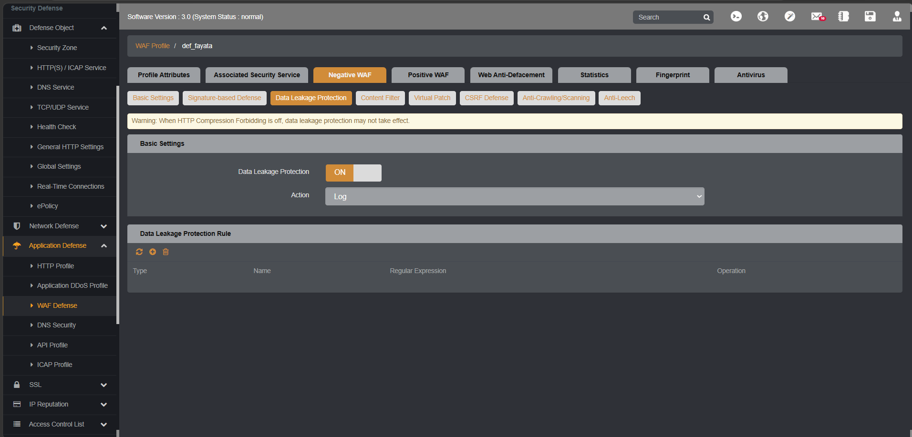
69 | Cryptography | Weak Crypto | Impossible | /vulnerabilities/cryptography/ | Any payload | Safe (Strong Encryption) | Bypassed (Failed to Block)
70 | API | API Vulnerability | Low | /vulnerabilities/api/ | GraphQL Introspection | Vulnerable (Schema Leaked) | Blocked (HTTP 403) | WAF might block Introspection keywords if API shield is ON.
71 | API | API Vulnerability | Medium | /vulnerabilities/api/ | NoSQL Injection in JSON | Vulnerable (Data Leaked) | Blocked (HTTP 403) | WAF blocks JSON-based NoSQL syntax.
72 | API | API Vulnerability | High | /vulnerabilities/api/ | Mass Assignment | Safe (Filtered input) | Bypassed (Failed to Block) | WAF doesn't understand allowed object properties
73 | API | API Vulnerability | Impossible | /vulnerabilities/api/ | Any payload | Safe (Strict schema) | Bypassed (Failed to Block)

