Sheet1
 | P1 | P2 | P3
China | Feb-1 | Feb-22 | Apr-15 | 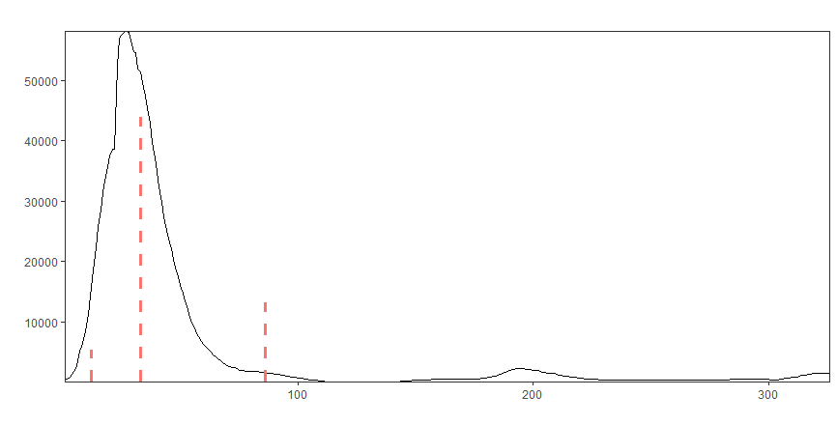
US | June-6 | Nov-4 |  | 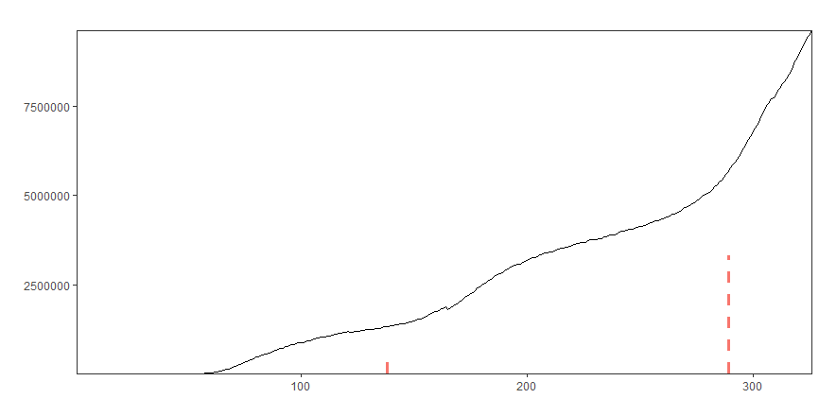
Sweden | May-29 | Nov-10 |  | 