ASBuilt - Diagram (2)
MIGRATION DIAGRAM

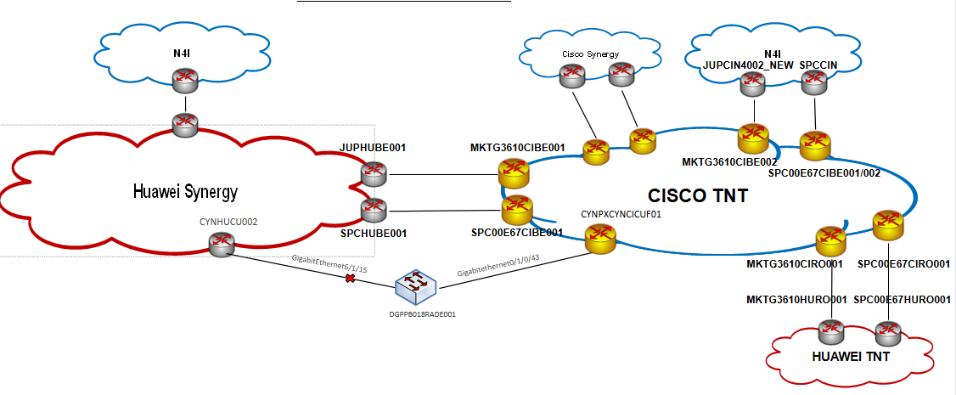

PORT ASSIGNMENTS

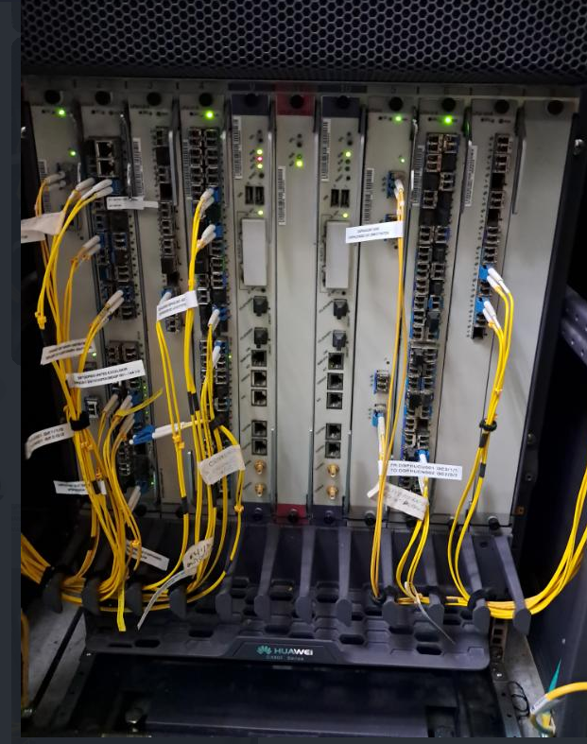
SITE PHOTOS
olt_msan_name | an_hostname

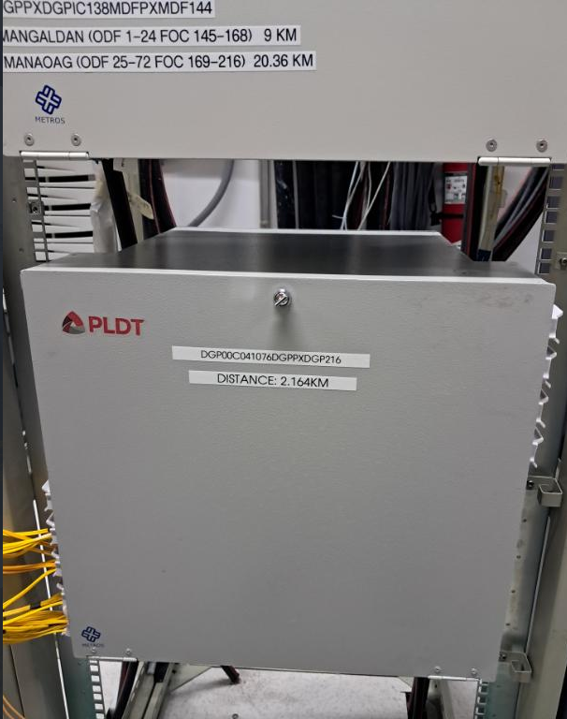

olt_msan_name

an_hostname

