Document
KODE | JENIS | VALUE | JAWABAN
9fc8747327 | Soal | 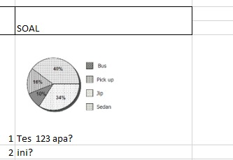 be_b7671299-bfdd-4dc8-b818-0984e3fb54fe.jpeg
 | option | 1 | 0
 | option | 2 | 1
 | option | 3 | 0
 | option | 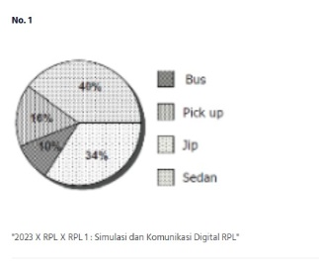 be_70b1b0dd-6954-4b67-8b8f-182b17f7581c.jpeg | 0
 | option | 5 | 0
ea4c51af01 | Soal | be_c10303fe-28f9-4b1c-b33d-1d86f513b3d1.png
 | option | s | 0
 | option | d | 1
 | option | f | 0
 | option | g | 0
 | option | h | 0
0a8e95c43c | Soal | 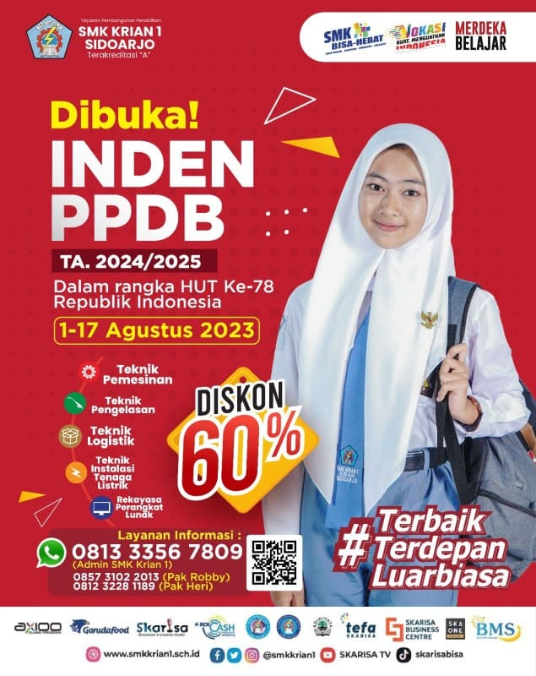 be_dfab805d-3d29-4b8e-8351-789b138a66da.jpeg
 | option | 3 | 0
 | option | 4 | 0
 | option | x | 0
 | option | 6 | 0
 | option | 7 | 1

