Document
KODE | JENIS | VALUE | JAWABAN
9fc8747327 | Soal | 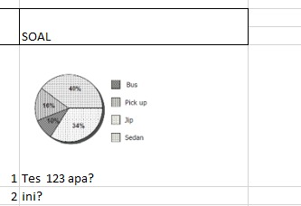 be_assets\exam\exam_2730d205-308c-4b7f-8f1a-e344b893b7a7.jpeg
 | option | 1 | 0
 | option | 2 | 1
 | option | 3 | 0
 | option | 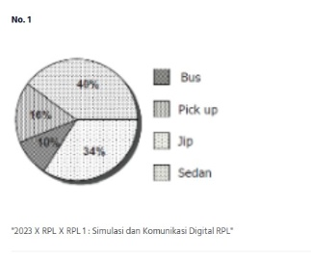 be_assets\exam\exam_c7b09549-68b6-4005-97d8-16d08884aeb2.jpeg | 0
 | option | 5 | 0
ea4c51af01 | Soal | be_assets\exam\exam_59845ae0-63f3-4fb7-a20f-3d430e11e88d.png
 | option | s | 0
 | option | d | 1
 | option | f | 0
 | option | g | 0
 | option | h | 0
0a8e95c43c | Soal | 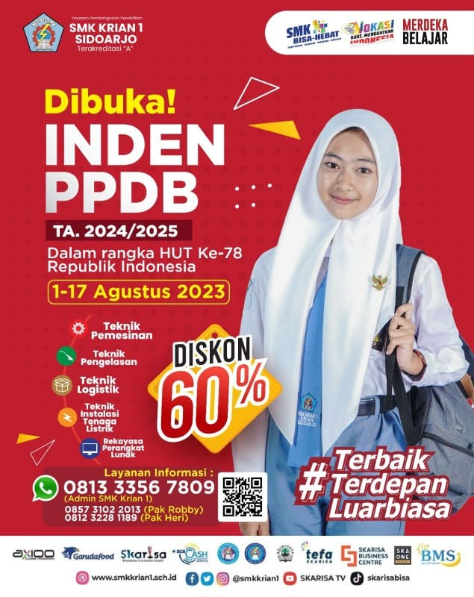 be_assets\exam\exam_6453ba52-77d8-4c48-b94d-42833a2d3f6e.jpeg
 | option | 3 | 0
 | option | 4 | 0
 | option | x | 0
 | option | 6 | 0
 | option | 7 | 1

