Document
TEMPLATE UJIAN URAIAN

NO | SOAL

1 | soal tanpa gmbr no 1
2 | soal tanpa gmbr no 3 test soal soal
3 | soal tanpa gmbr no 3 test soal soal soal
4 | be_b545fa76-a7e3-4c5f-9fb8-b79261ca764c.png
5 | 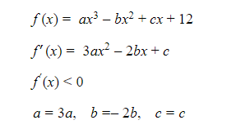 be_643cd685-e88c-4582-86b7-f1c8a5412f17.png
6 | Soal tanpa gambar no 6

