sheetQuiz
TEMPLATE QUIZ

NO | JENIS | VALUE | JAWABAN

 | soal | soal pertama dengan gambar
 | img | be_assets\quiz\quiz_6d3d977b-f790-41ea-a42c-4035526f9e87.png
 | option | 2a - 10 | 0
 | option | 30a - 11 | 1
 | option | 200a - 14 | 0
 | option | 15a - 55 | 0
 | option | 0 | 0
 | soal | soal tanpa gambar di nomer 2
 | image
 | option | a | 1
 | option | b | 0
 | option | c | 0
 | option | d | 0
 | option | e | 0
 | soal | be_assets\quiz\quiz_8208bc61-f0e6-4063-97c7-1f2838c81123.png
 | img | 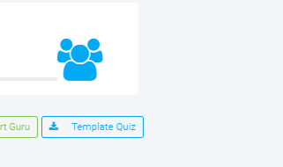
 | option | a | 0
 | option | b | 0
 | option | c | 0
 | option | d | 0
 | option | e | 1
 | soal | soal terakhir
 | img | be_assets\quiz\quiz_f088991b-b310-4abb-bf54-bb9336bf7087.png
 | option | 1 | 1
 | option | 2 | 0
 | option | 3 | 0
 | option | 4 | 0
 | option | 5 | 0

