Document
TEMPLATE UJIAN URAIAN

NO | SOAL

1 | soal tanpa gmbr no 1
2 | soal tanpa gmbr no 3 test soal soal
3 | soal tanpa gmbr no 3 test soal soal soal
4 | be_a502e86f-535e-4a6c-8621-9102a3d08a31.png
5 | 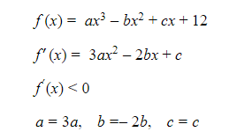 be_eb2e26e2-ea8e-4b29-b068-f1d79ef39e17.png
6 | Soal tanpa gambar no 6

