Document
KODE | JENIS | VALUE | JAWABAN
7631746e7a | Soal | soal tanpa gmbr no 1
 | option | jwb1 | 1
 | option | jwb2 | 0
 | option | jwb3 | 0
 | option | jwb4 | 0
 | option | jwb5 | 0
1977cd55a6 | Soal | 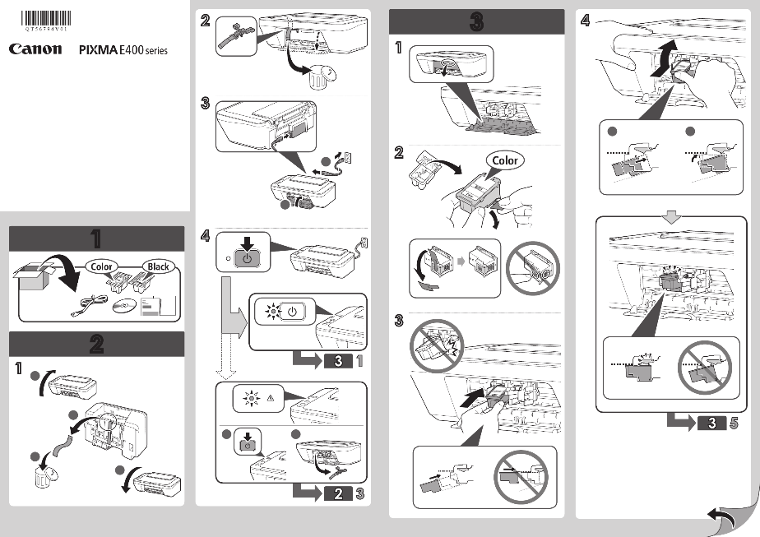 be_assets\quiz\quiz_623da1a3-2639-40b3-b196-9aa92919aa4f.png
 | option | a | 0
 | option | b | 1
 | option | c | 0
 | option | d | 0
 | option | e | 0
21475ccb0a | Soal | soal tanpa gmbr no 3
 | option | x | 0
 | option | y | 0
 | option | z | 1
 | option | z1 | 0
 | option | z2 | 0
7fc0328427 | Soal | be_assets\quiz\quiz_9ebf37a5-8a17-4cc3-bd29-6cdc2477fb4d.png
 | option | benar | 0
 | option | salah | 0
 | option | benar dan salah | 0
 | option | tidak tahu | 1
 | option | skip | 0
26475ccb0a | Soal | soal tanpa gmbr no 3 test soal soal
 | option | x | 0
 | option | y | 0
 | option | wwwwwww | 1
 | option | z1 | 0
 | option | z2 | 0
2647yccb0a | Soal | soal tanpa gmbr no 3 test soal soal soal
 | option | x | 0
 | option | yyyyy | 1
 | option | wwwwwww | 0
 | option | z1 | 0
 | option | z2 | 0

