Document
TEMPLATE UJIAN URAIAN

NO | SOAL

1 | soal tanpa gmbr no 1
2 | soal tanpa gmbr no 3 test soal soal
3 | soal tanpa gmbr no 3 test soal soal soal
4 | be_assets\exam\exam_abd4e26f-5c1b-4da4-8dc9-e34a2f37efd0.png
5 | 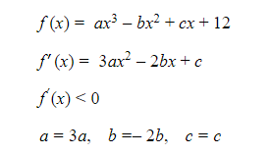 be_assets\exam\exam_fffa81df-a25e-473a-8434-7cc0ab07d550.png

