Document
TEMPLATE UJIAN URAIAN

NO | SOAL

1 | soal tanpa gmbr no 1
2 | soal tanpa gmbr no 3 test soal soal
3 | soal tanpa gmbr no 3 test soal soal soal
4 | be_assets\exam\exam_dd679054-a098-4688-8089-f91aaf6fe8c2.png
5 | 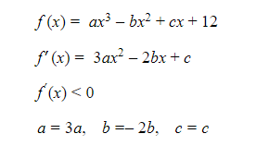 be_assets\exam\exam_55a817d0-4840-4b71-a16a-411d3e78e2b1.png
6 | Soal tanpa gambar no 6

