Document
KODE | JENIS | VALUE | JAWABAN
7631746e7a | Soal | soal tanpa gmbr no 1
 | option | jwb1 | 1
 | option | jwb2 | 0
 | option | jwb3 | 0
 | option | jwb4 | 0
 | option | jwb5 | 0
1977cd55a6 | Soal | 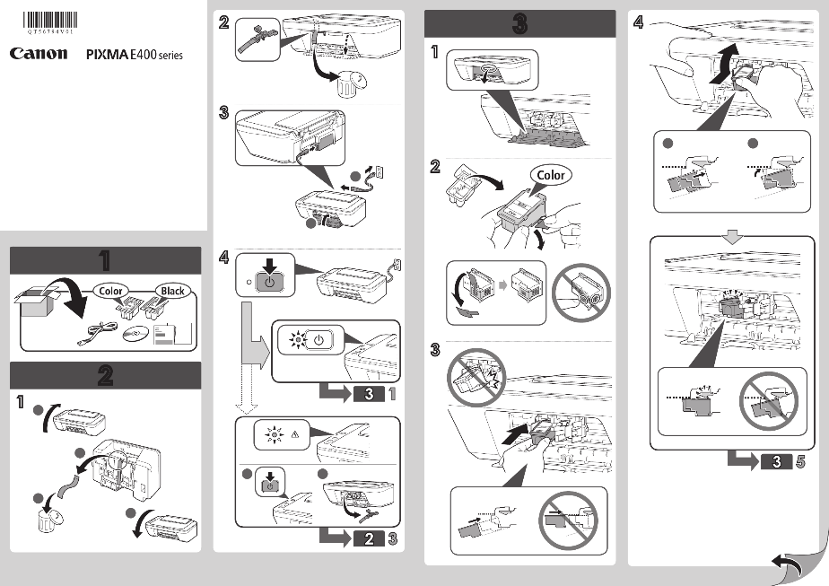 be_assets\quiz\quiz_0467c42c-25eb-4b01-b073-509a2ceca9ca.png
 | option | a | 0
 | option | b | 1
 | option | c | 0
 | option | d | 0
 | option | e | 0
21475ccb0a | Soal | soal tanpa gmbr no 3
 | option | x | 0
 | option | y | 0
 | option | z | 1
 | option | z1 | 0
 | option | z2 | 0
7fc0328427 | Soal | be_assets\quiz\quiz_3db04a8b-ae4b-49a3-9b6c-f492804111db.png
 | option | benar | 0
 | option | salah | 0
 | option | benar dan salah | 0
 | option | tidak tahu | 1
 | option | skip | 0

