Cover
CS673 Project - Group 2

MySurvey
Test Cases and Log

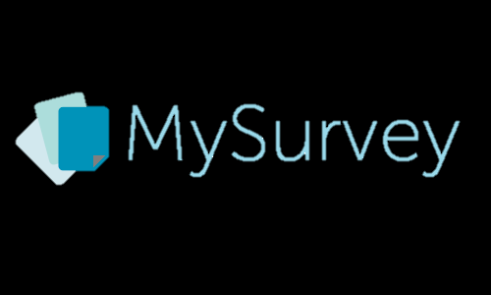

 |  | Prepared By | Reviewed By | Approved By
 | Name | Samuel Tan
 | Role | QA Leader
 | Signature | ST
 | Date | 10/2/2013

 | Project ID: MySurvey |  |  | SCI.ID.> / Ver: 1.0

Summary
行标签 | Sum:Test Case Count | 值
01LoginLogout | 5 | Sum:Pass | 20
02Registration | 7 | Sum:Fail | 1
03SurveyCreator | 9 | Sum:Not Tested | 57
04SurveyTaker | 19
05Report | 19
06Settings | 19
总计 | 78
Test Cases
Pass Rate

