ECLSS
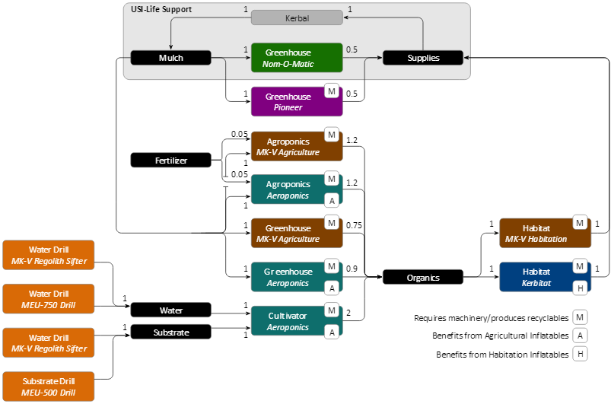
 |  |  |  |  |  |  |  |  |  |  |  |  |  | did | got | d% | want | use
 |  |  |  |  |  |  |  |  |  |  |  |  |  | 2.60529 | 1.15935 | 0.4450 | 1.06 | 2.3820307931
 |  |  |  |  |  |  |  |  |  |  |  |  |  | 2.177579 | 1.92716 | 0.8850 | 0.97716 | 1.1041341122

 |  |  |  |  |  |  |  |  |  |  |  |  |  |  |  | 195 | 221.03274559
 |  |  |  |  |  |  |  |  |  |  |  |  |  |  |  | 397 | 450

 |  |  |  |  |  |  |  |  |  |  |  |  |  |  |  | 2.7
 |  |  |  |  |  |  |  |  |  |  |  |  |  |  |  | 0.04
 |  |  |  |  |  |  |  |  |  |  |  |  |  |  |  | 67.5
 |  |  |  |  |  |  |  |  |  |  |  |  |  |  |  | 2.7

 |  |  |  |  |  |  |  |  |  |  |  |  |  |  |  |  |  |  | kg/day |  |  | 1 | 1.6 | 1 | 1 | 1 | 1 | 5.5 | 7.5 | 2.7 | 3.78 | 3.78 | 3.78 | 2.5 | 1.04 | 7.8 | 2.5 | 0
Module | Water | Substrate | Mulch | Fertilizer | Supplies | Organics | MetallicOre | Uraninite | Minerals | Machinery | Recyclables | SpecializedParts | Chemicals | Polymers | Metals | RocketParts | Power |  | Input | Output | Loss | Water | Substrate | Mulch | Fertilizer | Supplies | Organics | MetallicOre | Uraninite | Minerals | Machinery | Recyclables | SpecializedParts | Chemicals | Polymers | Metals | RocketParts | Power | test | diff
MK-V Regolith Sifter | 0.001 | 0.001 | 0 | 0 | 0 | 0 | 0.001 | 0 | 0.001 | 0 | 0 | 0 | 0 | 0 | 0 | 0 | -2 |  | 0.00 | 933 | 0 | 86.4 | 138.24 | 0 | 0 | 0 | 0 | 475.2 | 0 | 233.28 | 0 | 0 | 0 | 0 | 0 | 0 | 0 | 0 | FALSE | 933.12
MK-V Agricultural Module | 0 | 0 | -0.0001 | 0 | 0 | 0.000075 | 0 | 0 | 0 | -0.00001 | 0.00001 | 0 | 0 | 0 | 0 | 0 | -3 |  | -11.91 | 11.91 | 2.16 | 0 | 0 | -8.64 | 0 | 0 | 6.48 | 0 | 0 | 0 | -3.26592 | 3.26592 | 0 | 0 | 0 | 0 | 0 | 0 | FALSE | 0.00
MK-V Agricultural Module | 0 | 0 | -0.0001 | -0.00002 | 0 | 0.00012 | 0 | 0 | 0 | -0.00001 | 0.00001 | 0 | 0 | 0 | 0 | 0 | -3 |  | -13.63 | 13.63 | 0.00 | 0 | 0 | -8.64 | -1.728 | 0 | 10.368 | 0 | 0 | 0 | -3.26592 | 3.26592 | 0 | 0 | 0 | 0 | 0 | 0 | FALSE | 0.00
MK-V Smelt-O-Matic | 0 | 0 | 0 | 0 | 0 | 0 | -2.5 | 0 | 0 | -0.00001 | 0.00001 | 0 | 0 | 0 | 0.025 | 0 | -3 |  | -1188003 | 1188003 | 1171152 | 0 | 0 | 0 | 0 | 0 | 0 | -1188000 | 0 | 0 | -3.26592 | 3.26592 | 0 | 0 | 0 | 16848 | 0 | 0 | FALSE | 0.00
MK-V Smelt-O-Matic | 0 | 0 | 0 | 0 | 0 | 0 | 0 | 0 | -2.5 | -0.00001 | 0.00001 | 0 | 0.025 | 0 | 0 | 0 | -3 |  | -583203 | 583207 | 577803 | 0 | 0 | 0 | 0 | 0 | 0 | 0 | 0 | -583200 | -3.26592 | 3.26592 | 0 | 5400 | 0 | 0 | 0 | 0 | FALSE | 3.27
MK-V Smelt-O-Matic | 0 | -2.5 | 0 | 0 | 0 | 0 | 0 | 0 | 0 | -0.00001 | 0.00001 | 0 | 0 | 0 | 0 | 0 | -3 |  | -345603 | 345603 | 345600 | 0 | -345600 | 0 | 0 | 0 | 0 | 0 | 0 | 0 | -3.26592 | 3.26592 | 0 | 0 | 0 | 0 | 0 | 0 | FALSE | 0.00
MK-V Habitation Module | 0 | 0 | 0 | 0 | 0.0001 | -0.0001 | 0 | 0 | 0 | -0.00001 | 0.00001 | 0 | 0 | 0 | 0 | 0 | -3 |  | -12 | 12 | 0 | 0 | 0 | 0 | 0 | 8.64 | -8.64 | 0 | 0 | 0 | -3.26592 | 3.26592 | 0 | 0 | 0 | 0 | 0 | 0 | FALSE | 0.00
MK-V Inflatable Workshop | 0 | 0 | 0 | 0 | 0 | 0 | 0 | 0 | 0 | -0.00001 | 0.00001 | -0.25 | -0.25 | -0.25 | -0.25 | 1 | -3 |  | -326595 | 326595 | 110592 | 0 | 0 | 0 | 0 | 0 | 0 | 0 | 0 | 0 | -3.26592 | 3.26592 | -81648 | -54000 | -22464 | -168480 | 216000 | 0 | FALSE | 0.00
MK-V Inflatable Workshop | 0 | 0 | 0 | 0 | 0 | 0 | 0 | 0 | 0 | 1 | 0 | -0.25 | -0.25 | -0.25 | -0.25 | 0 | -3 |  | -326592 | 326592 | 0 | 0 | 0 | 0 | 0 | 0 | 0 | 0 | 0 | 0 | 326592 | 0 | -81648 | -54000 | -22464 | -168480 | 0 | 0 | FALSE | 0.00
MK-V Scout-200 | 0 | 0 | 0 | 0 | 0 | 0 | 0 | 0 | 0 | 0 | 0 | 0 | 0 | 0 | 0 | 0 | 50 |  | 0 | 0 | 0 | 0 | 0 | 0 | 0 | 0 | 0 | 0 | 0 | 0 | 0 | 0 | 0 | 0 | 0 | 0 | 0 | 0 | TRUE | 0.00
Nom-O-Matic 5000 | 0 | 0 | -0.00005 | 0 | 0.000025 | 0 | 0 | 0 | 0 | 0 | 0 | 0 | 0 | 0 | 0 | 0 | -3 |  | -4 | 4 | 2.16 | 0 | 0 | -4.32 | 0 | 2.16 | 0 | 0 | 0 | 0 | 0 | 0 | 0 | 0 | 0 | 0 | 0 | 0 | FALSE | 0.00

Module | Water | Substrate | Mulch | Fertilizer | Supplies | Organics | MetallicOre | Uraninite | Minerals | Machinery | Recyclables | SpecializedParts | Chemicals | Polymers | Metals | RocketParts | Power |  | Input | Output | Loss | Water | Substrate | Mulch | Fertilizer | Supplies | Organics | MetallicOre | Uraninite | Minerals | Machinery | Recyclables | SpecializedParts | Chemicals | Polymers | Metals | RocketParts | Power | test | diff
MEU-500 Drill | 0 | 0.001 | 0 | 0 | 0 | 0 | 0.001 | 0.001 | 0 | 0 | 0 | 0 | 0 | 0 | 0 | 0 | -6 |  | 0.00 | 1261 | 0 | 0 | 138.24 | 0 | 0 | 0 | 0 | 475.2 | 648 | 0 | 0 | 0 | 0 | 0 | 0 | 0 | 0 | 0 | FALSE | 1261.44
MEU-750 Drill | 0.001 | 0 | 0 | 0 | 0 | 0 | 0 | 0 | 0.001 | 0 | 0 | 0 | 0 | 0 | 0 | 0 | 0 |  | 0.00 | 320 | 0 | 86.4 | 0 | 0 | 0 | 0 | 0 | 0 | 0 | 233.28 | 0 | 0 | 0 | 0 | 0 | 0 | 0 | 0 | FALSE | 319.68

Phase 1
unmanned

