ER Diagram
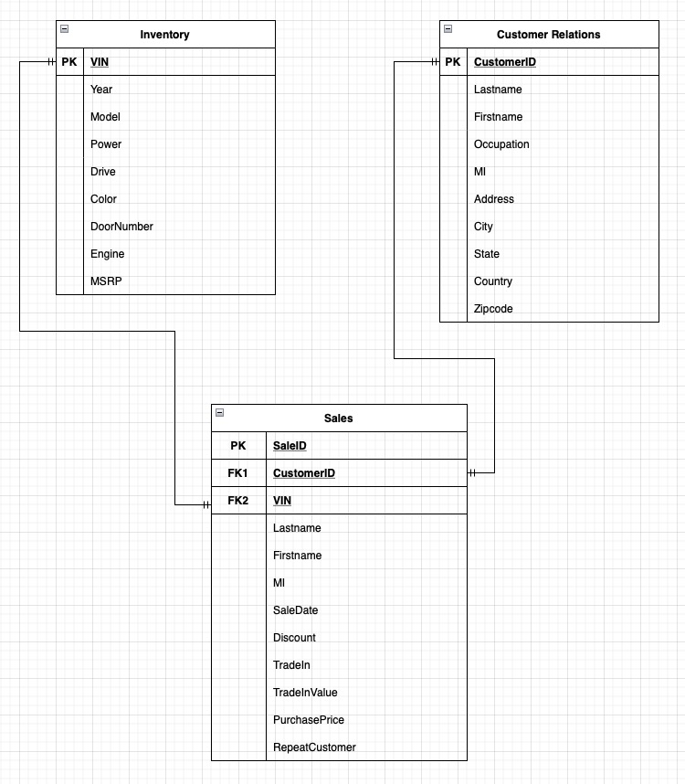
Using draw.io to generate the Entity Relation Chart:

