Smells per program
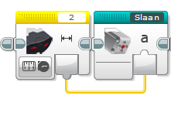
Program | Smell | Explanation
Afhaal Chinees | Feature Envy | Sensor 2 is read in main program only to be fed into the my block, would be better inside it
Afhaal Chinees | Lazy Class | There are three my blocks with only 2 blicks inside (slaan, rij achteruit en draaien)
Afhaal Chinees | Dead Code | 'draaien' is not used

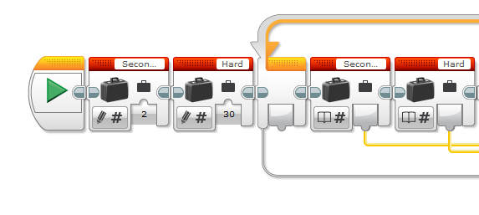
newsumo | Feature Envy | Tempo is defined outside of myblock, but (only) used in
newsumo | Lazy Class | Omdraaien en Rij consist of only 2 blocks
newsumo | Dead Code | Omdraaien is not used anymore
newsumo | No Op

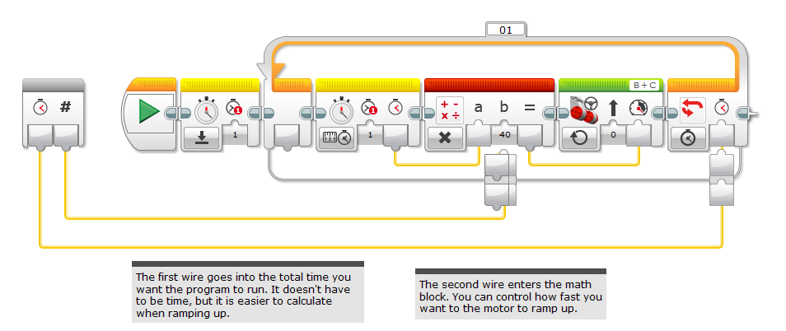
rIK | Feature Envy | Variables for the ramp are stored outside of the block, but could be in
rIK | Duplicate Code | Variables are stored and then immediately read
rIK | Dead Code | Own ramp up block is not used anymore
rIK | Unused Parameter | And in the end, Rik manually set the value, so the original parameter is not used anymore

RobotSmasherProject | Long Method | Muziek block is very long, and could have been implemented with an array
RobotSmasherProject | Duplicated Code | The main block uses three loops, but all blocks could have been placed in parallel in 1 loop

timo en lucas | Duplicate Code | Two blocks with the same power and direction placed consequentively, could have been merged
timo en lucas | Lazy Class | Weg and rij only have 1 block

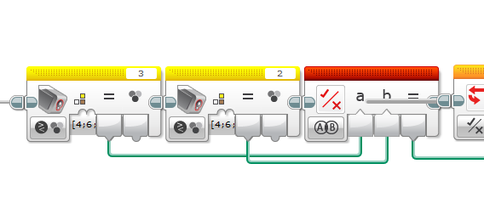
RoboCup Lijn2 | Duplicate Code | Many instances here. Even a copy of a whole myblock in the code, and the two myblocks also look very common
RoboCup Lijn2 | Dead Code | Allebei Zwart no longer used

RoboCup Nickolay | Duplicate Code | There is a part of the code that is bascially 'drive until yellow' but it is not in a block
RoboCup Nickolay | Duplicate Code | The same two blocks look common (allebeizwart and allebeigroen) this is an example I explained in class
RoboCup Lijn2 | Dead Code | Vindhetblik is no longer used

RoboCup Basic | Duplicate Code | Because of the lack of use of my myblocks the switch blocks are quite similar.

