Smells per program
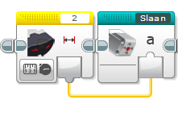
Program | Smell | Explanation
Afhaal Chinees | Feature Envy | Sensor 2 is read in main program only to be fed into the my block, would be better inside it
Afhaal Chinees | Lazy Class | There are three my blocks with only 2 blicks inside (slaan, rij achteruit en draaien)
Afhaal Chinees | Dead Code | 'draaien' is not used

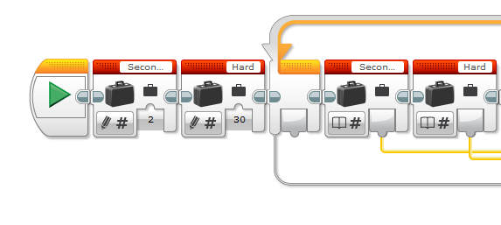
newsumo | Feature Envy | Tempo is defined outside of myblock, but (only) used in
newsumo | Lazy Class | Omdraaien en Rij consist of only 2 blocks
newsumo | Dead Code | Omdraaien is not used anymore
newsumo | No Op

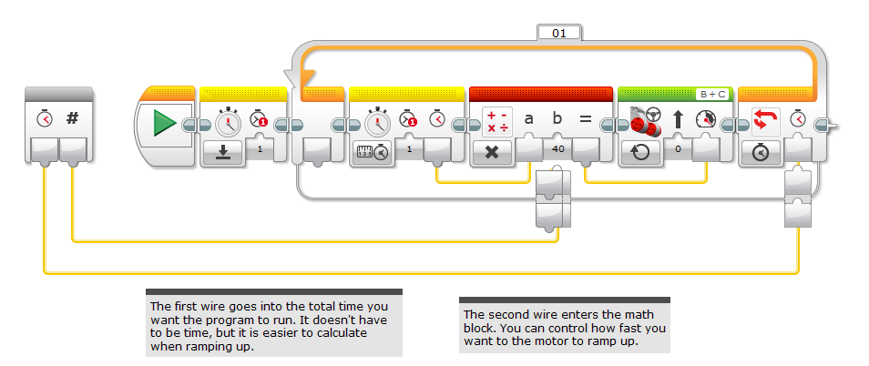
rIK | Feature Envy | Variables for the ramp are stored outside of the block, but could be in
rIK | Duplicate Code | Variables are stored and then immediately read
rIK | Dead Code | Own ramp up block is not used anymore
rIK | Unused Parameter | And in the end, Rik manually set the value, so the original parameter is not used anymore

RobotSmasherProject | Long Method | Muziek block is very long, and could have been implemented with an array
RobotSmasherProject | Duplicated Code | The main block uses three loops, but all blocks could have been placed in parallel in 1 loop

timo en lucas | Duplicate Code | Two blocks with the same power and direction placed consequentively, could have been merged
timo en lucas | Lazy Class | Weg and rij only have 1 block

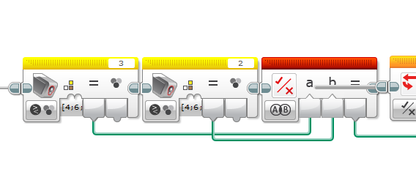
RoboCup Lijn2 | Duplicate Code | Many instances here. Even a copy of a whole myblock in the code, and the two myblocks also look very common
RoboCup Lijn2 | Dead Code | Allebei Zwart no longer used

RoboCup Nickolay | Duplicate Code | There is a part of the code that is bascially 'drive until yellow' but it is not in a block
RoboCup Nickolay | Duplicate Code | The same two blocks look common (allebeizwart and allebeigroen) this is an example I explained in class
RoboCup Lijn2 | Dead Code | Vindhetblik is no longer used

RoboCup Basic | Duplicate Code | Because of the lack of use of my myblocks the switch blocks are quite similar.

FollowRed | Duplicate Code | Two switch paths could have been generalized (multiply sensor value to obtain direction) | This is nitpicking a bit though, for 1 block

ColorFollowerDist | Long Method | With a loop and a switch Line_Follower is one of the bigger blocks I have seen

FollowRed | Duplicate Code | Like in FollowRed, the two switch paths could have been generalized

lineFollow | Many parameters | With 4 parameters, a lot more than all others

LineStraddle | Duplicate Code | Nested switches (ifs) with similar conditions

TurnDegrees | Duplicate Code | MyBlocksa Left and Right are the same except for a different motor

NLT_D3_EV3_2015 | Long Method | Both Calibrate and LineFollower are big (6+ blocks)
NLT_D3_EV3_2015 | Dead Code | SimpleFollower block is not used
NLT_D3_EV3_2015 | Unused Field | Calibrate sets 4 variables that are never used
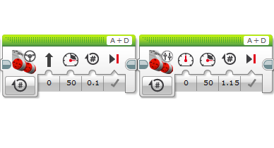
NLT_D3_EV3_2015 | No-op | LineFollowers puts input vars in var-blocks, but the input blocks could be used directly

fll | Duplication | In program 3, there are two subsequent blocks with same power and direction (could have been merged)
fll | Dead Code | Betrokken 2 has an unconnected switch block
fll | Long Method | 4 has over 30 blocks

