Smells per program
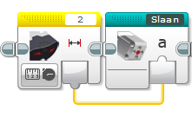
Program | Smell | Explanation
Afhaal Chinees | Feature Envy | Sensor 2 is read in main program only to be fed into the my block, would be better inside it
Afhaal Chinees | Lazy Class | There are three my blocks with only 2 blicks inside (slaan, rij achteruit en draaien)
Afhaal Chinees | Dead Code | 'draaien' is not used

RobotSmasherProject | Long Method | Muziek block is very long, and could have been implemented with an array
RobotSmasherProject | Duplicated Code | The main block uses three loops, but all blocks could have been placed in parallel in 1 loop

timo en lucas | Duplicate Code | Two blocks with the same power and direction placed consequentively, could have been merged

