Sheet1
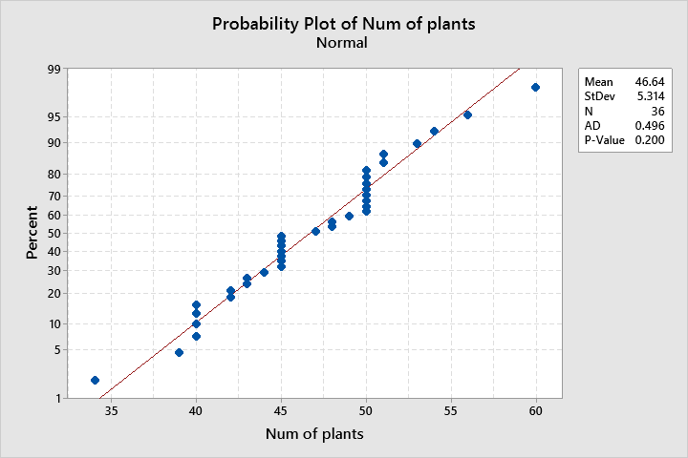
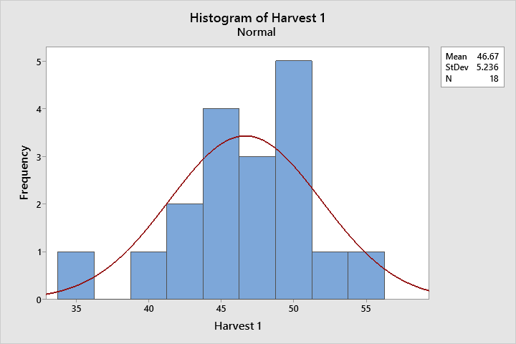
Date | 2022-08-16 | 2022-08-20 | 2022-08-22
 | 6.5 | 6.2 | 5.4 |  | Harvest 2 | Harvest 1 | 44
 | 7.7 | 7.1 | 7 |  | 45 | 44 | 39
 | 7.3 | 6.9 | 6.8 |  | 42 | 39 | 45
 | 6.4 | 6.5 | 7.1 |  | 40 | 45 | 45
Average | 6.98 | 6.68 | 6.57 |  | 40 | 34 | 42
Variance | 0.40 | 0.16 | 0.63 |  | 45 | 42 | 40
 |  |  |  |  | 50 | 47 | 34
 |  |  |  |  | 50 | 51 | 42
 |  |  |  |  | 43 | 50 | 47
 |  |  |  |  | 40 | 50 | 40
 |  |  |  |  | 50 | 48 | 45
 |  |  |  |  | 50 | 45 | 50
 |  |  |  |  | 45 | 43 | 51
 |  |  |  |  | 60 | 53 | 50
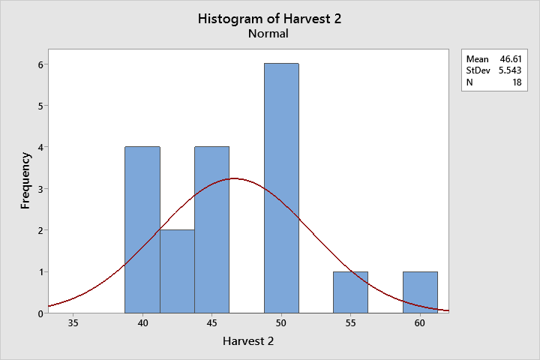
 |  |  |  |  | 50 | 56 | 50
 |  |  |  |  | 45 | 45 | 50
 |  |  |  |  | 40 | 49 | 43
 |  |  |  |  | 54 | 48 | 40
 |  |  |  |  | 50 | 51 | 48
 |  |  |  | std | 5.5427630494 | 5.2356245765 | 45
 |  |  |  | mean | 46.611111111 | 46.666666667 | 43
 |  |  |  |  |  |  | 50
 |  |  |  |  |  |  | 50
 |  |  |  |  |  |  | 45
 |  |  |  |  |  |  | 53
 |  |  |  |  |  |  | 56
 |  |  |  |  |  |  | 45
 |  |  |  |  |  |  | 60
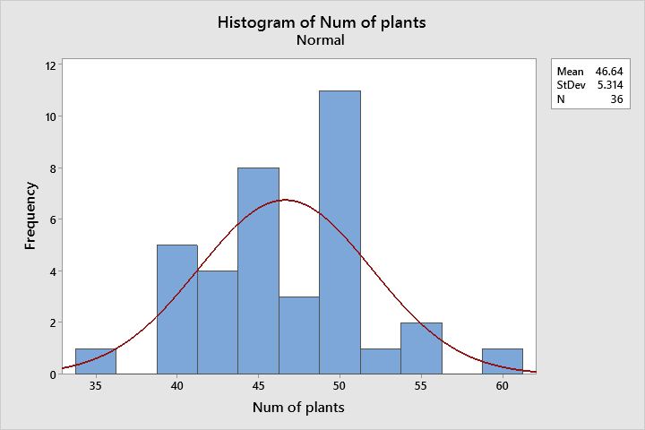
 |  |  |  |  |  |  | 50
 |  |  |  |  |  |  | 45
 |  |  |  |  |  |  | 49
 |  |  |  |  |  |  | 48
 |  |  |  |  |  |  | 51
 |  |  |  |  |  |  | 40
 |  |  |  |  |  |  | 54
 |  |  |  |  |  |  | 50
 |  |  |  |  |  | variance | 28.237301587
 |  |  |  |  |  | mean | 46.638888889

