post load info collection
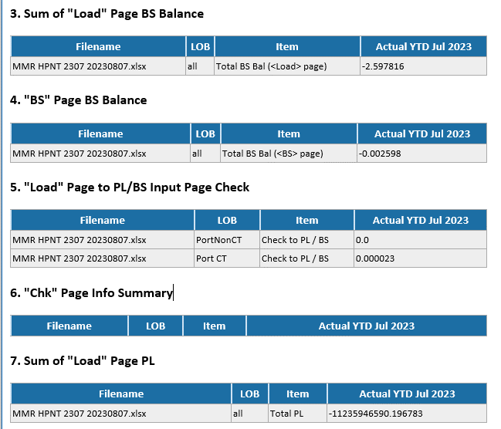
Sum of "Load" Page BS Balance | Sum of range "load_sht_bs_bal_range" across all Cob
"BS" Page BS Balance | value in range "total_bs_bal_in_input_range"
"Load" Page to PL/BS Input Page Check | value in range "load_chk_input_range" for each COB
"Chk" Page Info Summary | Filter and display items that has value "Incomplete Info" in range "chk_page_info_range"
Sum of "Load" Page PL | Sum of range "load_sht_pl_range" across all Cob

