Sheet1
Technical Question | Ref | OOD
HashMap： |  | 设计employee，department，salary什么的 | https://www.1point3acres.com/bbs/forum.php?mod=viewthread&tid=476733
Collision |  | 设计停车场，车位和车各有 S，M，L 三种大小，写两个 api：停车拿 ticket 和离开车库 | https://www.1point3acres.com/bbs/forum.php?mod=viewthread&tid=477239
Time Complexty and the Worst Case | https://www.1point3acres.com/bbs/forum.php?mod=viewthread&tid=485124 | 假设有一个University Campus，里面有很多router、wifi，但是也有很多smart phones macbooks等devices。想办法描述这个网络，并且可以实现检测两个device的连通性。其实就是个Graph问题 | https://www.1point3acres.com/bbs/forum.php?mod=viewthread&tid=485059
HashMap 非线程安全 |  | 机场乘客登机顺序 有头等舱经济舱等 怎么保证舱位优先的先登机 舱位相同的先来的先登记 设计一个数据结构并分析时间复杂度等 | https://www.1point3acres.com/bbs/forum.php?mod=viewthread&tid=485563
Hash Function Design | https://www.1point3acres.com/bbs/forum.php?mod=viewthread&tid=488641 | 设计一个队列数据结构, 实现add和poll | https://www.1point3acres.com/bbs/forum.php?mod=viewthread&tid=485728
Resize | https://www.1point3acres.com/bbs/forum.php?mod=viewthread&tid=494988 | 公司有员工，让设计系统，实现api hire和terminate公司类设有CEO用来初始化，还有个map用来通过ID找员工。 开始写terminate的时候忘记了遍历他手下员工删掉mamager name。经提醒补上。 | https://www.1point3acres.com/bbs/forum.php?mod=viewthread&tid=485728
Simply introduce HashMap |  | 给一个情景，说一个family围坐在一个圆桌上，然后用什么数据结构设计，并且当 new family想加入时，该怎么操作（method）。什么额外条件都没有，随你自己说和写。 | https://www.1point3acres.com/bbs/forum.php?mod=viewthread&tid=485902
LeetCode HashMap | https://www.1point3acres.com/bbs/forum.php?mod=viewthread&tid=501066 | 实现二叉树class，每个node的值是 人这个类的对象，然后问我怎么实现一个二叉树，就是赋值加和左右孩子连起来 | https://www.1point3acres.com/bbs/forum.php?mod=viewthread&tid=487806
 |  | 让我设计一个日历系统。要我先想好建立一个data structure来做这个系统，以及实现“创建事件（名称，日期，时间）”，“查看某个时间是否busy”，以及“查看某日的所有事件”三个function。 | https://www.1point3acres.com/bbs/forum.php?mod=viewthread&tid=488077
Heap: |  | 时间戳 看图 | https://www.1point3acres.com/bbs/forum.php?mod=viewthread&tid=488282
Design PQ | https://www.1point3acres.com/bbs/forum.php?mod=viewthread&tid=488641 | 设计一个系统追踪旅客登机的系统，分开头等舱商务舱经济舱，需要给出使用的数据结构，并设计几个方法实现入队，出队等操作 | https://www.1point3acres.com/bbs/forum.php?mod=viewthread&tid=488787
How to pop | https://www.1point3acres.com/bbs/forum.php?mod=viewthread&tid=488641 | 给你一个method的接口，需要实现把前k个node翻转然后返回。node自己定义，我就定义了一个链表。然后他说你这样写不觉得繁琐吗？我有点晕，不知道他想说啥，愣了一会儿。然后他说你想想stack怎么样，然后我就用stack重写了一下 | https://www.1point3acres.com/bbs/forum.php?mod=viewthread&tid=489269
Heap Complexity | https://www.1point3acres.com/bbs/forum.php?mod=viewthread&tid=490574 | 手撸一个优先队列 heapify的tree | https://www.1point3acres.com/bbs/forum.php?mod=viewthread&tid=489688
 |  | 关于扑克牌 建立一副扑克牌 实现所有花色和面值的排列组合 实现shuffle这个组合 时间复杂度/空间复杂度，有没有方式降低空间复杂度，实现 | https://www.1point3acres.com/bbs/forum.php?mod=viewthread&tid=489814
Tree |  | 有个给你的list作为字典，你输入个"我”， 给出给“我爱你”“我恨你”（这些都在字典里）就是搜索时的提示功能
Binary Search Tree Time Complexity | https://www.1point3acres.com/bbs/forum.php?mod=viewthread&tid=485699 | 一开始先Exercise, 两个string, "dog is under the tree", "cat is on the box" 找共同出现的字 "is", "the"，小心重字 接下来问有很多句子 "dog is under the tree", "cat is on the box", "iphone case is red", "iphone case is brown", "case is good"，找出常一起出现的字pattern，ex: "iphone"和"case" Follow up: 如果有很多没意义但常出现的pattern, ex: "purell", "sanitizer" 如果input超大 计算复杂度 减少space complexity | https://www.1point3acres.com/bbs/forum.php?mod=viewthread&tid=492020
Binary Search Tree 增删改查 | https://www.1point3acres.com/bbs/forum.php?mod=viewthread&tid=489838 | 3个variable, 让你写一个function, return unique user names of a project user: has a name group: a name and users project: a name, users, groups | https://www.1point3acres.com/bbs/forum.php?mod=viewthread&tid=492076
Binary Tree Structure/ Traversal |  | coding让做一个通讯录能add，remove，check人的电话号码，还要能随机返回一个电话号码，要保证constant的复杂度 | https://www.1point3acres.com/bbs/forum.php?mod=viewthread&tid=492135
How to traverse a binary tree? | https://www.1point3acres.com/bbs/forum.php?mod=viewthread&tid=496931 | 设计 Amazon Locker，主要需要写code 设计的部分就是怎么找到最合适放某个package的那个locker。类似于ood设计 | https://www.1point3acres.com/bbs/forum.php?mod=viewthread&tid=494734
 |  | 是给了几条bus线路，每个线路有一个循环的路线（如1->9->2->1），数字是stop的编号，设计一个bus类来表示线路 然后给一个起点stop和终点stop，问两个stop之间的最短路线，很基础的bfs | https://www.1point3acres.com/bbs/forum.php?mod=viewthread&tid=494715
Sort: |  | 4层的parking lot，然后有大中小车，写一些method去assign他们到available space。 | https://www.1point3acres.com/bbs/forum.php?mod=viewthread&tid=495733
MergeSort ans Worst Case Same |  | load balancer. 比如有N台服务器，每一次访问一次网站，会有某一个服务器来处理request，然后如何均衡地使用这些服务器，好让每一台被使用的频率基本相同， 我的方法是priorityqueue, 设计一个类，然后依次放进去priority queue，每次pop出使用频率最低的那一台的ID，然后小哥又问怎么优化时间复杂度 | https://www.1point3acres.com/bbs/forum.php?mod=viewthread&tid=495772
Quick and Sort Worst Case O(n^2) |  | 让我设计一个城市交通系统 内含一个地图 能查看所有车辆的位置 出发地和目的地 能给车导航 交通系统就是个graph 再存上车辆objects 导航算法我说用dijkstra 没让我写code follow问不同车辆可能走的路段有限制怎么办 答先给每个edge里加个category String再给每种车辆加个set of accessible categories，dijkstra里面判断edge的category在不在车辆的那个array里 | https://www.1point3acres.com/bbs/forum.php?mod=viewthread&tid=495981
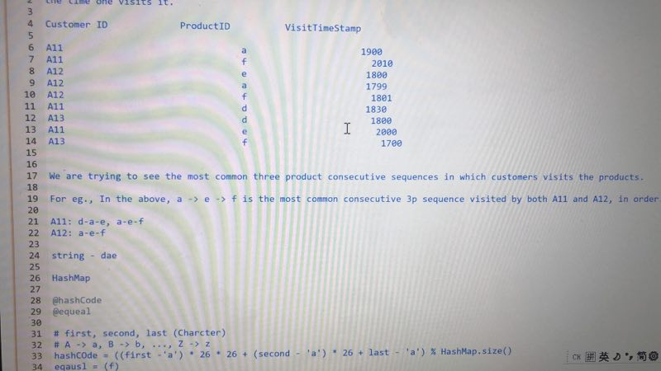
Heap sort
Bubble sort
Bucket Sort

Compare
ArrayList vs LinkedList vs Array vs Vector | https://www.1point3acres.com/bbs/forum.php?mod=viewthread&tid=485834
List vs Map vs Tree vs Set | https://www.1point3acres.com/bbs/forum.php?mod=viewthread&tid=487153
HashMap vs HashSet vs TreeMap vs HashTable | https://www.1point3acres.com/bbs/forum.php?mod=viewthread&tid=488099
Queue vs Stack | https://www.1point3acres.com/bbs/forum.php?mod=viewthread&tid=489097
LinkedList vs HashMap | https://www.1point3acres.com/bbs/forum.php?mod=viewthread&tid=489176
Tree vs Binary Search Tree | https://www.1point3acres.com/bbs/forum.php?mod=viewthread&tid=485699
Overload vs Overide | https://www.1point3acres.com/bbs/forum.php?mod=viewthread&tid=496378
"==" vs equal | https://www.1point3acres.com/bbs/forum.php?mod=viewthread&tid=496413
Tree vs Graph | https://www.1point3acres.com/bbs/forum.php?mod=viewthread&tid=493895
Private vs Protect vs Public | https://www.1point3acres.com/bbs/forum.php?mod=viewthread&tid=496413
String vs StringBuilder
BST vs HashMap | https://www.1point3acres.com/bbs/forum.php?mod=viewthread&tid=495772
Bit vs Byte | https://www.1point3acres.com/bbs/forum.php?mod=viewthread&tid=499029
Heap vs Stack

Basic
Abstract Class | https://www.1point3acres.com/bbs/forum.php?mod=viewthread&tid=485902
Polymorphism | https://www.1point3acres.com/bbs/forum.php?mod=viewthread&tid=485902
OOD | https://www.1point3acres.com/bbs/forum.php?mod=viewthread&tid=487153
Cache | https://www.1point3acres.com/bbs/forum.php?mod=viewthread&tid=493139
Binary Number | https://www.1point3acres.com/bbs/forum.php?mod=viewthread&tid=495687
Big O

