Sheet1
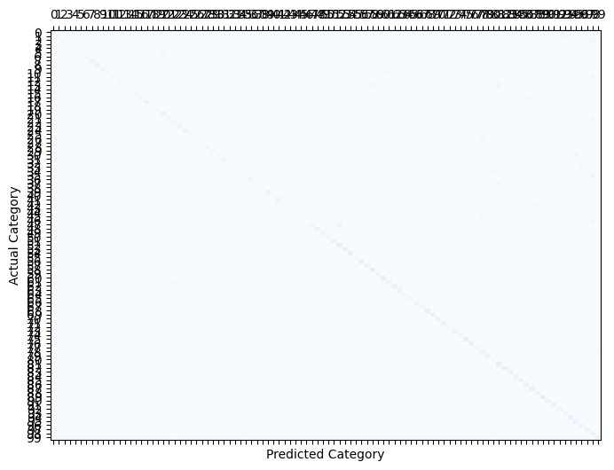


 |  |  |  |  |  | confusion matrix
 |  | accuracy | f1_score | recall | imbalanced_full |  | imabalanced_80%
 | imbalanced_full | 0.1995 | 0.1995 | 0.1995
 | solution1_full | 0.2842 | 0.2842 | 0.2842
 | solution2_full | 0.4036 | 0.4036 | 0.4036
 |  | accuracy | f1_score | recall
 | imbalanced_80% | 0.1944 | 0.1944 | 0.1944
 | solution1_80% | 0.2427 | 0.2427 | 0.2427
 | solution2_80% | 0.3242 | 0.3242 | 0.3242

epochs | 0-40 | 40-80 | 80-110 | 110-140
Learning rate | 0.1 | 0.02 | 0.004 | 0.0008

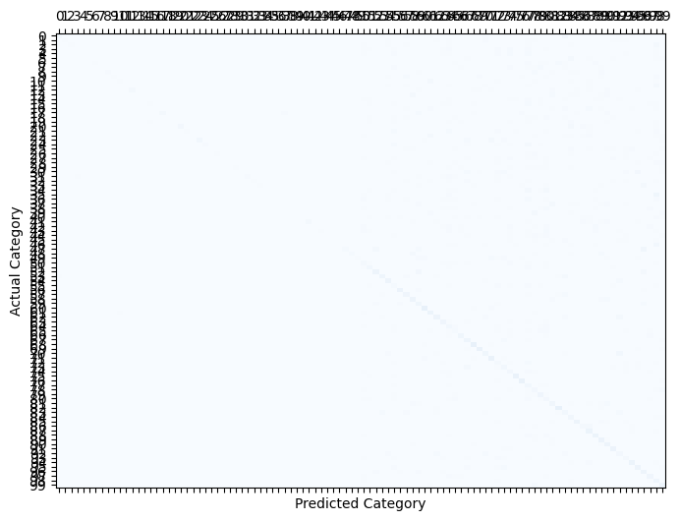
 |  |  |  |  | solution2_full |  | solution2_80%



 |  |  |  |  | solution3 full |  | solution3 80%

