Sheet1
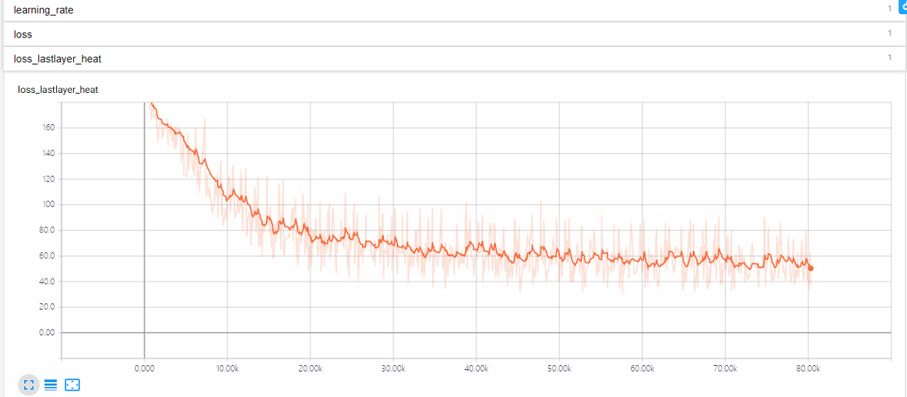
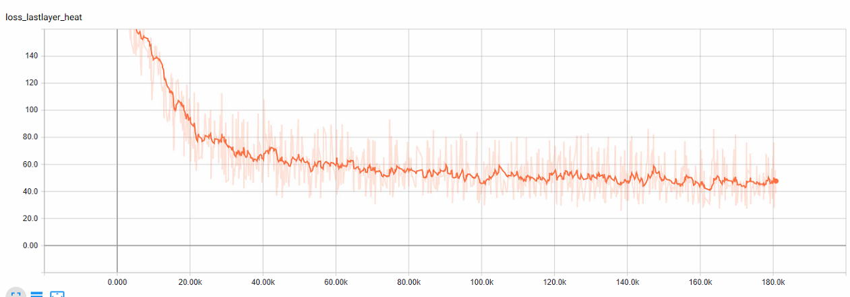
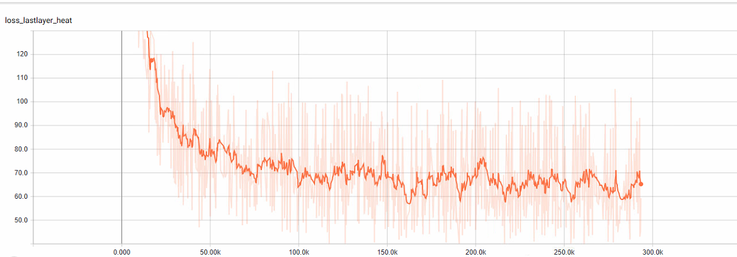
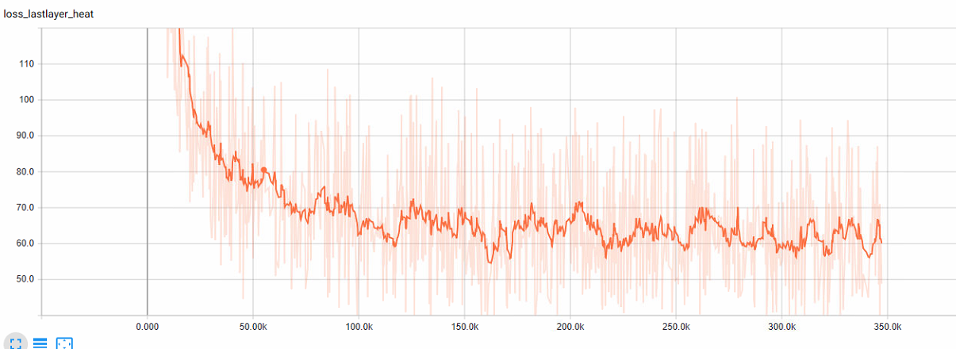
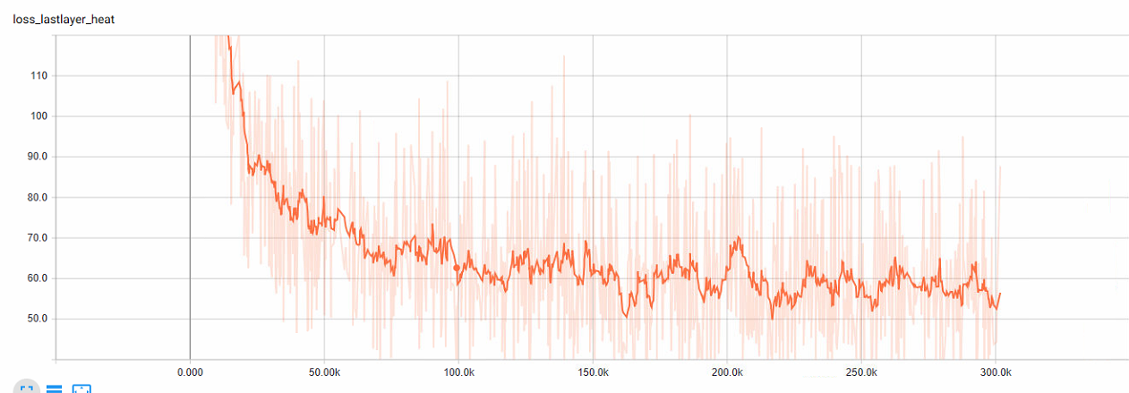
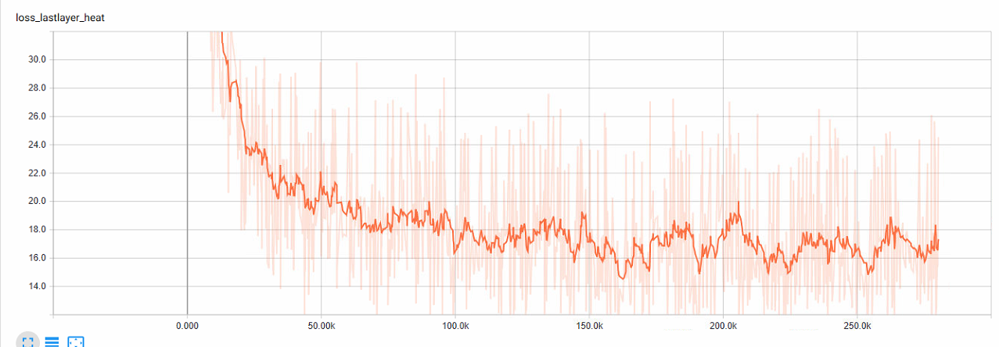
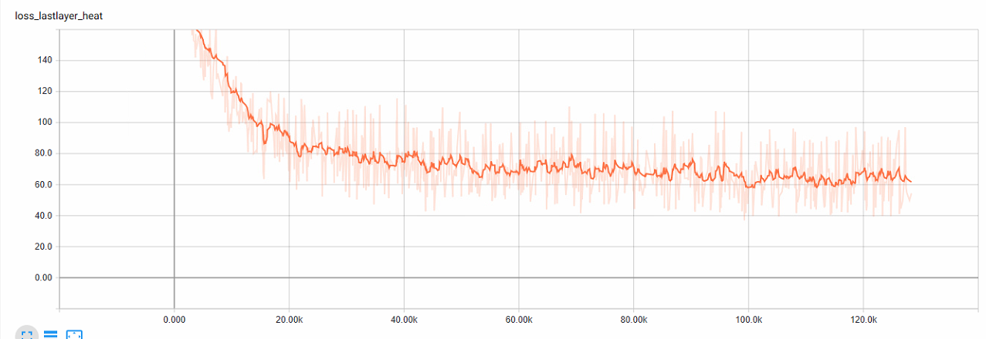
step | ori-PCKh@1.0 | ori-PCKh@0.5 | ori-PCKh@0.2 | zq-PCKh@1.0 | zq-PCKh@0.5 | zq-PCKh@0.2 | zq1-PCKh@1.0 | zq1-PCKh@0.5 | zq1-PCKh@0.2 | zq2-PCKh@1.0 | zq2-PCKh@0.5 | zq2-PCKh@0.2 | zq3-PCKh@1.0 | zq3-PCKh@0.5 | zq3-PCKh@0.2 | zq4-PCKh@1.0 | zq4-PCKh@0.5 | zq4-PCKh@0.2 | zq5-PCKh@1.0 | zq5-PCKh@0.5 | zq5-PCKh@0.2 | zq6-PCKh@1.0 | zq6-PCKh@0.5 | zq6-PCKh@0.2 | zq8-PCKh@1.0 | zq8-PCKh@0.5 | zq8-PCKh@0.2 | zq12-PCKh@1.0 | zq12-PCKh@0.5 | zq12-PCKh@0.2 | zq13-PCKh@1.0 | zq13-PCKh@0.5 | zq13-PCKh@0.2 | zq14-PCKh@1.0 | zq14-PCKh@0.5 | zq14-PCKh@0.2 | zq15-PCKh@1.0 | zq15-PCKh@0.5 | zq15-PCKh@0.2
10000 | 65.11 | 52.5 | 28.01 | 62.1 | 43.66 | 17.29 | 65.56 | 45.81 | 18.31 | 69.76 | 51.85 | 23.05 | 67.72 | 50.14 | 22.85 | 76.13 | 59.32 | 29.17 | 61.54 | 43.08 | 18.54 | 64.79 | 40.95 | 14.24 | 60.48 | 36.23 | 11.21 | 70.66 | 56.02 | 28.44 | 69.07 | 53.61 | 26.05 | 69.91 | 50.92 | 23.12 | 77.58 | 58.8 | 25.9
20000 | 83.39 | 73.97 | 49.17 | 77.59 | 67.71 | 43.02 | 74.35 | 62.7 | 36.51 | 79.76 | 67.59 | 40.86 | 83.67 | 72.76 | 46.32 | 83.3 | 72.3 | 45.5 | 82.36 | 70.04 | 42.75 | 77.2 | 61.64 | 31.92 |  |  |  | 87.36 | 77.8 | 50.2 | 83.45 | 72.83 | 45.6 | 82.79 | 72.7 | 44.92 | 86.4 | 74.46 | 43
30000 | 90.62 | 83.79 | 60.53 | 87.68 | 79.52 | 55.53 | 82.99 | 71.81 | 44.54 |  |  |  | 87.67 | 78.38 | 52.92 | 88.33 | 78.47 | 53.16 | 85.61 | 74.69 | 48.04 | 83.86 | 72.63 | 43.99 |  |  |  | 87.99 | 79.1 | 52.92 | 88.35 | 79.9 | 54.22 | 89.07 | 80.93 | 54.75 | 88.88 | 79.1 | 49.62
40000 | 91.84 | 85.83 | 63.78 | 91.66 | 85 | 62.62 | 86.66 | 77.07 | 50.08 |  |  |  | 86.25 | 76.18 | 51.19 | 88.79 | 79.61 | 54.72 | 87.65 | 77.17 | 50.38 | 85.97 | 75.76 | 47.93 |  |  |  | 89.06 | 80.85 | 55.25 | 89.8 | 82.2 | 57.16 | 89.8 | 81.8 | 56.12 | 89.11 | 79.44 | 50.45
50000 | 92.91 | 87.34 | 66.09 | 91.68 | 85.67 | 63.54 | 88.09 | 78.85 | 52.91 |  |  |  | 89.09 | 81.04 | 57.31 | 89.78 | 81.29 | 57.11 | 87.1 | 76.5 | 50.15 | 86.28 | 76.15 | 49.1 |  |  |  | 90.25 | 82.52 | 58.39 | 90.14 | 82.48 | 57.64 | 89.81 | 81.99 | 57.37 | 90.47 | 81.36 | 52.57
60000 | 93.49 | 88.25 | 68.33 | 92.82 | 87.36 | 66.49 | 89.24 | 80.95 | 55.95 |  |  |  | 89.48 | 82 | 59.87 | 90.63 | 82.71 | 59 |  |  |  |  |  |  |  |  |  | 90.41 | 83.18 | 58.22 | 90.71 | 83.54 | 59.34 | 90.07 | 82.45 | 57.52
70000 | 91.4 | 85.61 | 64.85 | 92.33 | 86.21 | 63.71 | 88.9 | 80.86 | 56.25 |  |  |  | 89.54 | 81.99 | 59.37 | 91.12 | 83.37 | 59.63 |  |  |  |  |  |  |  |  |  | 90.23 | 82.8 | 58.14 | 91.54 | 84.48 | 60.62 | 90.7 | 83.71 | 59.19
80000 | 93.84 | 88.67 | 68.34 | 93.05 | 87.61 | 66.64 | 89.1 | 80.72 | 55.08 |  |  |  | 90.13 | 82.86 | 60.6 | 90.44 | 81.75 | 57.64 |  |  |  |  |  |  |  |  |  | 90.86 | 83.62 | 59.87 | 90.7 | 83.5 | 58.58 | 91.24 | 84.34 | 60.3
90000 |  |  |  | 92.52 | 86.95 | 66.16 | 88.8 | 80.24 | 54.92 |  |  |  | 89.89 | 82.1 | 59.24 | 91.06 | 83.5 | 60.23 |  |  |  |  |  |  |  |  |  | 89.48 | 81.67 | 57.46 | 90.78 | 83.58 | 59.81 | 89.6 | 81.67 | 57.34
100000 |  |  |  | 93.39 | 88.55 | 68.64 | 89.17 | 81.61 | 57.89 |  |  |  | 89.89 | 82.54 | 60.28 | 90.82 | 83.13 | 59.62 |  |  |  |  |  |  |  |  |  | 90.6 | 83.41 | 59.71 | 91.36 | 84.42 | 61.07 | 89.98 | 82.31 | 58.2
110000 |  |  |  | 93.6 | 88.92 | 69.12 | 89.71 | 81.71 | 56.63 | 90.97 | 83.51 | 59.61 | 91.38 | 84.47 | 61.99 | 91.71 | 84.47 | 61.63 |  |  |  |  |  |  |  |  |  | 91.14 | 84.26 | 59.87 | 91.98 | 85.17 | 61.56 | 92.26 | 85.65 | 62.26
120000 |  |  |  | 93.86 | 89.33 | 70.4 | 89.81 | 82.17 | 57.77 | 90.81 | 83.46 | 59.04 | 90.04 | 83.09 | 61.12 | 91.83 | 84.77 | 61.79 |  |  |  |  |  |  |  |  |  | 90.97 | 84.47 | 61.12 | 91.99 | 85.7 | 63.04 | 91.77 | 85.34 | 62.23
130000 |  |  |  | 94.06 | 89.55 | 69.99 | 90.66 | 83.17 | 58.9 | 91.99 | 85.21 | 60.88 | 91.67 | 84.88 | 62.82 | 92.7 | 85.22 | 62.36 |  |  |  |  |  |  |  |  |  |  |  |  | 92.27 | 86.24 | 63.2 | 92.76 | 86.55 | 63.81
mv2_cpm
 | zq2-PCKh@1.0 | zq2-PCKh@0.5 | zq2-PCKh@0.2 | zq4-PCKh@1.0 | zq4-PCKh@0.5 | zq4-PCKh@0.2
10000 | 69.76 | 51.85 | 23.05 | 76.13 | 59.32 | 29.17
20000 | 79.76 | 67.59 | 40.86 | 83.3 | 72.3 | 45.5
30000 |  |  |  | 88.33 | 78.47 | 53.16
40000 |  |  |  | 88.79 | 79.61 | 54.72
50000 |  |  |  | 89.78 | 81.29 | 57.11
60000 |  |  |  | 90.63 | 82.71 | 59
70000 |  |  |  | 91.12 | 83.37 | 59.63
80000 |  |  |  | 90.44 | 81.75 | 57.64
90000 |  |  |  | 91.06 | 83.5 | 60.23
100000 |  |  |  | 90.82 | 83.13 | 59.62
110000 | 90.97 | 83.51 | 59.61 | 91.71 | 84.47 | 61.63
120000 | 90.81 | 83.46 | 59.04 | 91.83 | 84.77 | 61.79
130000 | 91.99 | 85.21 | 60.88 | 92.7 | 85.22 | 62.36
140000 | 91.99 | 85.21 | 60.88 | 92.66 | 85.63 | 63.06
150000 | 91.95 | 85.33 | 61.33 | 92.55 | 85.72 | 62.83
160000 | 92.26 | 85.59 | 62.48 | 92.61 | 85.59 | 63.67
170000 | 92.13 | 85.62 | 62.51 | 92.67 | 85.85 | 63.78
180000 | 92.29 | 85.82 | 62.29 | 92.77 | 86.22 | 63.96
190000 | 92.13 | 85.61 | 62.44 | 92.45 | 85.6 | 63.37
200000 | 92.29 | 85.83 | 62.91 | 92.26 | 85.51 | 63.36
210000 | 92.42 | 86.2 | 62.82 | 92.96 | 86.19 | 64.45
220000 | 92.61 | 86.29 | 62.97 | 92.84 | 86.03 | 63.93
230000 | 92.69 | 86.27 | 63.15 | 93.24 | 86.63 | 64.82
240000 | 92.76 | 86.54 | 63.5 | 93.2 | 86.56 | 64.77
250000 | 92.7 | 86.57 | 63.56 | 93.3 | 86.95 | 65.25
260000 | 92.82 | 86.65 | 63.67 | 93.37 | 86.71 | 64.96
270000 | 92.73 | 86.45 | 63.69 | 93.31 | 86.94 | 65.09
280000 | 92.82 | 86.72 | 63.63 | 93.27 | 86.63 | 64.79
290000 | 92.76 | 86.55 | 63.34
300000 | 92.58 | 86.31 | 63.48
310000 | 92.64 | 86.62 | 63.66
320000 | 92.73 | 86.62 | 63.59
330000 | 92.82 | 86.59 | 63.67
340000 | 92.85 | 86.62 | 63.91
500000 | 92.82 | 86.85 | 64.15
510000 | 92.92 | 86.85 | 64.12
520000 | 92.89 | 86.82 | 64.05
140000 |  |  |  | 94.03 | 89.59 | 70.59 | 91.1 | 84.04 | 59.96 | 91.99 | 85.21 | 60.88 | 91.87 | 85.19 | 63.77 | 92.66 | 85.63 | 63.06 |  |  |  |  |  |  |  |  |  |  |  |  | 92.53 | 86.49 | 64.36 | 91.98 | 85.85 | 62.9
150000 |  |  |  | 94.24 | 89.73 | 70.1 | 91.23 | 84.03 | 60 | 91.95 | 85.33 | 61.33 | 91.63 | 84.68 | 63.03 | 92.55 | 85.72 | 62.83 |  |  |  |  |  |  |  |  |  |  |  |  | 92.52 | 86.32 | 64.1 | 92.28 | 85.92 | 62.9
160000 |  |  |  | 94.8 | 90.59 | 71.65 | 91.13 | 84 | 60.44 | 92.26 | 85.59 | 62.48 | 92.01 | 85.41 | 64.4 | 92.61 | 85.59 | 63.67 |  |  |  |  |  |  |  |  |  |  |  |  | 92.44 | 86.08 | 63.61 | 92.4 | 86.31 | 64
170000 |  |  |  | 94.41 | 90.13 | 71.42 | 90.73 | 82.96 | 58.93 | 92.13 | 85.62 | 62.51 | 91.98 | 85.52 | 64.31 | 92.67 | 85.85 | 63.78 |  |  |  |  |  |  |  |  |  |  |  |  | 92.47 | 86.29 | 63.77 | 92.49 | 86.34 | 63.71
180000 |  |  |  | 94.13 | 89.84 | 71.53 | 91.09 | 84.13 | 60.26 | 92.29 | 85.82 | 62.29 | 91.67 | 85.13 | 63.45 | 92.77 | 86.22 | 63.96 |  |  |  |  |  |  |  |  |  |  |  |  | 92.23 | 86.17 | 63.9
190000 |  |  |  |  |  |  |  |  |  | 92.13 | 85.61 | 62.44 | 91.61 | 85.17 | 63.75 | 92.45 | 85.6 | 63.37 |  |  |  |  |  |  |  |  |  |  |  |  | 92.33 | 85.95 | 63.26
200000 |  |  |  |  |  |  | 90.45 | 83.18 | 59.38 | 92.29 | 85.83 | 62.91 | 90.93 | 84.4 | 63.23 | 92.26 | 85.51 | 63.36 |  |  |  |  |  |  |  |  |  |  |  |  | 92.38 | 86.2 | 63.65
210000 |  |  |  |  |  |  | 91.42 | 84.35 | 60.63 | 92.42 | 86.2 | 62.82 | 91.98 | 85.75 | 64.2 | 92.96 | 86.19 | 64.45
220000 |  |  | PCKh@1.0=87.10 |  |  |  | 91.3 | 84.14 | 60.22 | 92.61 | 86.29 | 62.97 | 92.03 | 85.56 | 64.09 | 92.84 | 86.03 | 63.93
230000 |  |  | PCKh@0.5=76.50 |  |  |  | 91.35 | 84.45 | 60.89 | 92.69 | 86.27 | 63.15 | 92.16 | 85.98 | 65.08 | 93.24 | 86.63 | 64.82
240000 |  |  | PCKh@0.2=50.15 |  |  |  | 91.92 | 85.3 | 61.62 | 92.76 | 86.54 | 63.5 | 92.19 | 86.03 | 65.28 | 93.2 | 86.56 | 64.77
250000 |  |  |  |  |  |  | 91.88 | 85.42 | 62.24 | 92.7 | 86.57 | 63.56 | 92.12 | 86.01 | 65.19 | 93.3 | 86.95 | 65.25
260000 |  |  |  |  |  |  | 91.59 | 84.89 | 61.51 | 92.82 | 86.65 | 63.67 | 92.14 | 85.83 | 65.26 | 93.37 | 86.71 | 64.96
270000 |  |  |  |  |  |  | 91.69 | 85.02 | 61.57 | 92.73 | 86.45 | 63.69 | 92.26 | 86.21 | 65.61 | 93.31 | 86.94 | 65.09
280000 |  |  |  |  |  |  | 91.63 | 84.95 | 61.5 | 92.82 | 86.72 | 63.63 | 92.21 | 86.25 | 65.57 | 93.27 | 86.63 | 64.79
290000 |  |  |  |  |  |  | 91.47 | 84.78 | 61.3 | 92.76 | 86.55 | 63.34 | 92.01 | 85.97 | 65.1
300000 |  |  |  |  |  |  |  |  |  | 92.58 | 86.31 | 63.48 | 91.79 | 85.83 | 65.06
310000 |  |  |  |  |  |  |  |  |  | 92.64 | 86.62 | 63.66
320000 |  |  |  |  |  |  |  |  |  | 92.73 | 86.62 | 63.59
330000 |  |  |  |  |  |  |  |  |  | 92.82 | 86.59 | 63.67
340000 |  |  |  |  |  |  |  |  |  | 92.85 | 86.62 | 63.91
500000 |  |  |  |  |  |  |  |  |  | 92.82 | 86.85 | 64.15
510000 |  |  |  |  |  |  |  |  |  | 92.92 | 86.85 | 64.12
520000 |  |  |  |  |  |  |  |  |  | 92.89 | 86.82 | 64.05
530000 |  |  |  |  |  |  |  |  |  | 92.92 | 86.88 | 64.14
540000 |  |  |  |  |  |  |  |  |  | 92.88 | 86.76 | 64.2
550000 |  |  |  |  |  |  |  |  |  | 92.9 | 86.78 | 64.12
560000 |  |  |  |  |  |  |  |  |  | 92.87 | 86.8 | 64.26
570000 |  |  |  |  |  |  |  |  |  | 92.85 | 86.77 | 64.09
580000 |  |  |  |  |  |  |  |  |  | 92.88 | 86.75 | 64.11
590000 |  |  |  |  |  |  |  |  |  | 92.89 | 86.81 | 64.16
600000 |  |  |  |  |  |  |  |  |  | 92.94 | 86.87 | 64.13

计算量150
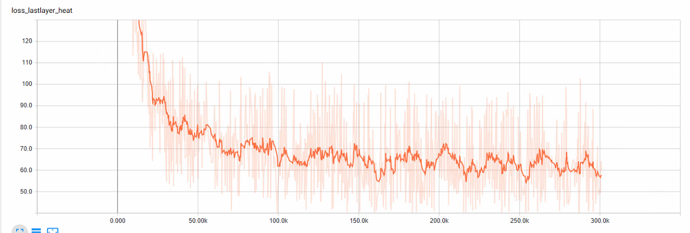
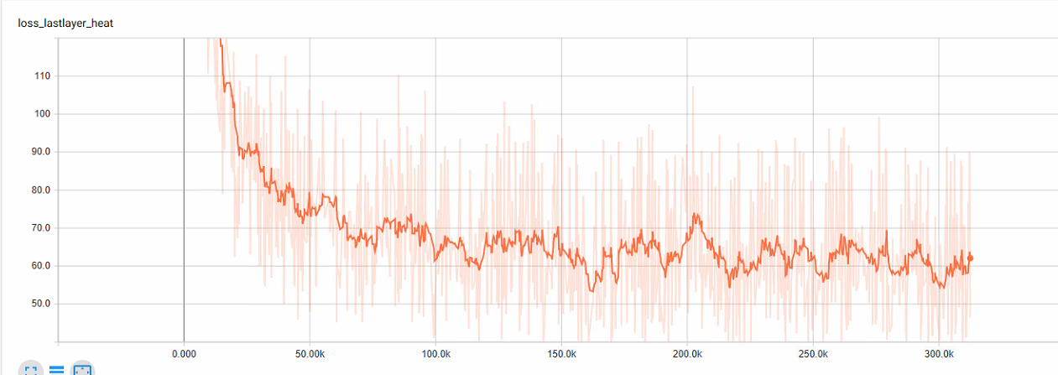
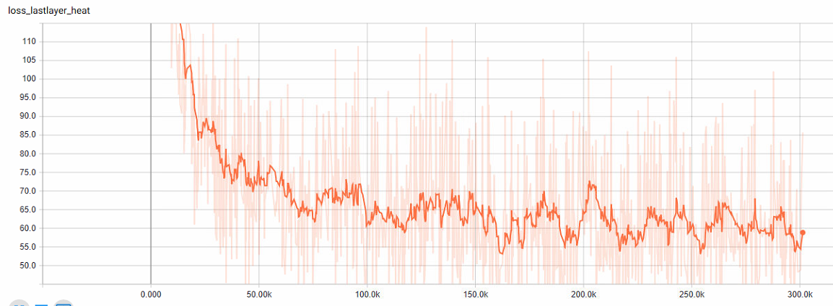
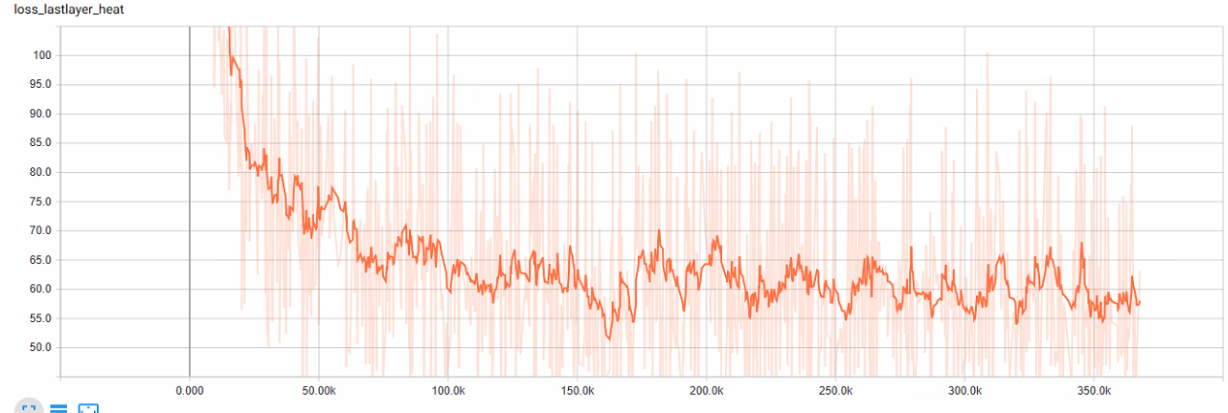
step | zq1-PCKh@1.0 | zq1-PCKh@0.5 | zq1-PCKh@0.2 | zq7-PCKh@1.0 | zq7-PCKh@0.5 | zq7-PCKh@0.2 | zq9-PCKh@1.0 | zq9-PCKh@0.5 | zq9-PCKh@0.2 | zq10-PCKh@1.0 | zq10-PCKh@0.5 | zq10-PCKh@0.2 | zq11-PCKh@1.0 | zq11-PCKh@0.5 | zq11-PCKh@0.2
10000 | 65.56 | 45.81 | 18.31 | 70.25 | 51.23 | 21.28 | 58.88 | 41.1 | 16.92 | 70.66 | 56.21 | 28.17 | 72.4 | 58.48 | 30.93
20000 | 74.35 | 62.7 | 36.51 | 82.25 | 70.5 | 41.79 | 83.13 | 71.25 | 42.77 | 82.21 | 72.04 | 46.2 | 84.5 | 74.7 | 48.7
30000 | 82.99 | 71.81 | 44.54 | 86.17 | 76.51 | 50.4 | 87.28 | 78.01 | 52.15 | 88.4 | 79.81 | 54.23 | 88.06 | 80 | 54.73
40000 | 86.66 | 77.07 | 50.08 | 87.05 | 78.22 | 51.49 | 88.91 | 80.36 | 54.64 | 89.15 | 81.17 | 56.83 | 89.35 | 81.11 | 56.3
50000 | 88.09 | 78.85 | 52.91 | 88.92 | 80.1 | 53.95 | 89.22 | 80.84 | 55.95 | 89.79 | 82.39 | 58.44 | 90.86 | 83.52 | 59.7
60000 | 89.24 | 80.95 | 55.95 | 89.61 | 81.25 | 55.43 | 89.32 | 81.5 | 56.86 | 90.26 | 83.03 | 59.13 | 90.67 | 83.52 | 59.6
70000 | 88.9 | 80.86 | 56.25 | 89.55 | 81.15 | 56.07 | 90.1 | 82.47 | 57.25 | 90.69 | 83.8 | 59.9 | 91.1 | 84.07 | 59.7
80000 | 89.1 | 80.72 | 55.08 | 90.51 | 82.84 | 57.27 | 89.89 | 81.91 | 57.25 | 90.57 | 83.31 | 59.11 | 91.38 | 84.05 | 59.58
90000 | 88.8 | 80.24 | 54.92 | 89.94 | 81.92 | 56.83 | 88.94 | 81.1 | 56.9 | 90.38 | 83.05 | 59.82 | 90.54 | 82.47 | 58.7
100000 | 89.17 | 81.61 | 57.89 | 89.83 | 82.17 | 58.31 | 89.12 | 80.95 | 56.39 | 89.42 | 81.99 | 58.93 | 91.53 | 84.25 | 61.1
110000 | 89.71 | 81.71 | 56.63 | 90.93 | 83.76 | 59.66 | 90.18 | 83.06 | 59.62 | 91.07 | 84.13 | 61.06 | 91.63 | 84.68 | 61.13
120000 | 89.81 | 82.17 | 57.77 | 91.1 | 84.02 | 60.63 | 91.47 | 84.64 | 61.53 | 91.77 | 85.01 | 62.46 | 92.13 | 85.73 | 63.18
130000 | 90.66 | 83.17 | 58.9 | 91.09 | 84.21 | 60.24 | 91.81 | 85.12 | 61.88 | 92.31 | 85.93 | 63.32 | 92.16 | 85.72 | 63.09
140000 | 91.1 | 84.04 | 59.96 | 91.35 | 84.28 | 61.38 | 91.8 | 84.9 | 61.83 | 92.27 | 85.78 | 63.31 | 91.84 | 85.26 | 62.7
150000 | 91.23 | 84.03 | 60 | 91.87 | 85.29 | 61.5 | 91.69 | 84.97 | 61.84 | 92.28 | 85.62 | 63.23 | 92.58 | 86.32 | 63.88
160000 | 91.13 | 84 | 60.44 | 92.02 | 85.53 | 61.91 | 92.03 | 85.45 | 63.12 | 92.39 | 86.06 | 63.7 | 92.87 | 86.52 | 64.29
170000 | 90.73 | 82.96 | 58.93 | 91.7 | 85 | 61.56 | 91.81 | 85.16 | 62.32 | 92.44 | 86.18 | 63.47 | 92.83 | 86.55 | 64.57
180000 | 91.09 | 84.13 | 60.26 | 91.84 | 85.1 | 61.76 | 91.97 | 85.51 | 62.7 | 92.39 | 86.1 | 63.6 | 92.7 | 86.38 | 64.12
190000 |  |  |  | 91.4 | 84.7 | 60.84 | 91.41 | 84.5 | 61.19 | 91.82 | 85.31 | 63.1 | 92.86 | 86.57 | 64.29
200000 | 90.45 | 83.18 | 59.38 | 91.31 | 84.64 | 61.18 | 91.06 | 84.25 | 61.25 | 91.85 | 85.27 | 63.18 | 92.63 | 85.98 | 63.89
210000 | 91.42 | 84.35 | 60.63 | 91.79 | 85.44 | 62.49 | 92.27 | 85.97 | 63.27 | 92.63 | 86.38 | 63.91 | 92.81 | 86.39 | 64.38
220000 | 91.3 | 84.14 | 60.22 | 92.34 | 85.78 | 62.88 | 92.06 | 85.62 | 63.67 | 92.35 | 86.15 | 63.68 | 93 | 86.84 | 65.15
230000 | 91.35 | 84.45 | 60.89 | 92.37 | 85.92 | 62.92 | 92.4 | 85.97 | 63.56 | 92.89 | 86.74 | 64.81 | 92.82 | 86.31 | 64.12
240000 | 91.92 | 85.3 | 61.62 | 92.27 | 85.78 | 62.96 | 92.2 | 85.88 | 63.72 | 92.7 | 86.48 | 64.43 | 93.03 | 86.96 | 65.11
250000 | 91.88 | 85.42 | 62.24 | 92.6 | 86.32 | 63.68 | 92.28 | 85.99 | 63.92 | 92.39 | 86.3 | 64.34 | 93.05 | 87.16 | 64.97
260000 | 91.59 | 84.89 | 61.51 | 92.25 | 85.78 | 62.73 | 92.14 | 85.95 | 63.79 | 92.71 | 86.6 | 64.51 | 93.11 | 86.97 | 65.33
270000 | 91.69 | 85.02 | 61.57 | 92.44 | 86.1 | 63.49 | 92.39 | 86.05 | 63.85 | 92.7 | 86.53 | 64.7 | 93.14 | 87.08 | 65.23
280000 | 91.63 | 84.95 | 61.5 | 92.35 | 85.93 | 62.82 | 92.39 | 86 | 63.8 | 92.64 | 86.42 | 64.77 | 93.18 | 86.98 | 65.38
290000 | 91.47 | 84.78 | 61.3 | 92.03 | 85.61 | 62.9 | 92.26 | 85.89 | 63.4 | 92.33 | 86.25 | 63.97 | 93.17 | 86.85 | 65.13
300000 |  |  |  | 92.05 | 85.87 | 62.85 | 92.3 | 85.92 | 63.73 | 92.55 | 86.49 | 64.38 | 93.02 | 86.88 | 65.29
310000 |  |  |  |  |  |  | 92.32 | 86.14 | 63.93 |  |  |  | 92.96 | 86.67 | 64.84
320000 |  |  |  |  |  |  |  |  |  |  |  |  | 93.19 | 87.02 | 65.49
330000 |  |  |  |  |  |  |  |  |  |  |  |  | 93.06 | 86.98 | 65.18
340000 |  |  |  |  |  |  |  |  |  |  |  |  | 93.32 | 87.32 | 65.98
350000 |  |  |  |  |  |  |  |  |  |  |  |  | 93.23 | 87.11 | 65.49
360000 |  |  |  |  |  |  |  |  |  |  |  |  | 93.13 | 87.01 | 65.14

计算量150-分辨率224
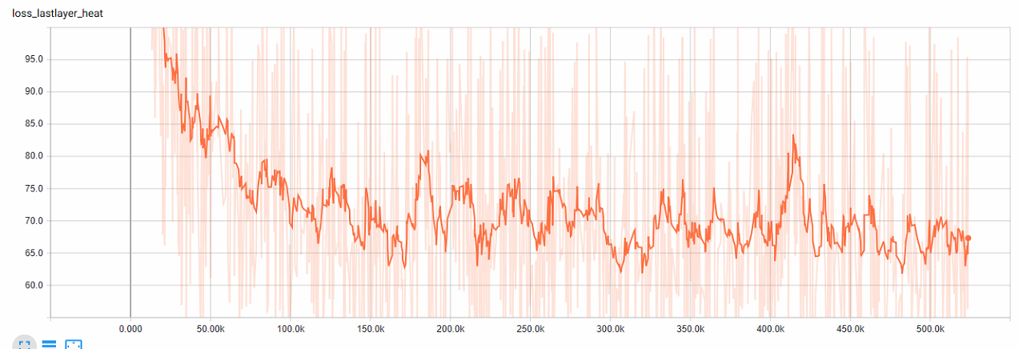
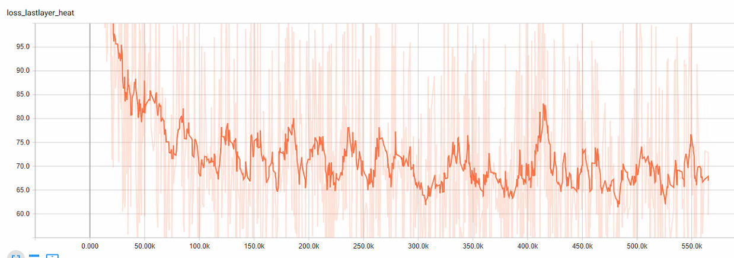
step | zq16-PCKh@1.0 | zq16-PCKh@0.5 | zq16-PCKh@0.2 | zq21-PCKh@1.0 | zq21-PCKh@0.5 | zq21-PCKh@0.2
10000 | 66.93 | 53.4 | 28.81 | 68.3 | 54.59 | 29.2
20000 | 82.9 | 72.56 | 47.14 | 84.06 | 74.67 | 49.68
30000 | 88.23 | 79.78 | 56.01 | 88.5 | 80.55 | 56.78
40000 | 88.89 | 81.25 | 58.15 | 89.62 | 82.02 | 58.86
50000 | 89.17 | 81.54 | 57.98 | 89.93 | 82.78 | 60.19
60000 | 89.15 | 81.4 | 58.72 | 89.7 | 82.8 | 60.84
70000 | 90.3 | 83.44 | 60.95 | 90.12 | 83.55 | 61.2
80000 | 90.73 | 83.7 | 61.55 | 90.61 | 83.74 | 61.62
90000 | 89.77 | 82.66 | 60.88 | 89.71 | 82.7 | 60.75
100000 | 89.1 | 81.92 | 59.83 | 89.18 | 82.2 | 60.69
110000 | 90.91 | 84.38 | 61.75 | 91.1 | 84.58 | 63.79
120000 | 91.11 | 84.9 | 63.12 | 91.1 | 84.88 | 64.25
130000 | 91.81 | 85.77 | 64.27 | 91.07 | 84.65 | 63.73
140000 | 91.16 | 84.6 | 62.73 | 91.53 | 85.24 | 64.37
150000 | 91.83 | 85.72 | 64.16 | 91.73 | 85.57 | 64.81
160000 | 91.87 | 85.84 | 64.47 | 91.68 | 85.8 | 65.2
170000 | 91.68 | 85.57 | 63.8 | 91.49 | 85.05 | 64.49
180000 | 91.9 | 85.75 | 64.41 | 91.9 | 85.97 | 65.49
190000 | 90.9 | 84.42 | 62.35 | 91.37 | 85.17 | 64.59
200000 | 91.07 | 84.87 | 63.24 | 90.72 | 84.38 | 63.38
210000 | 92.13 | 86.06 | 64.8 | 92.14 | 86.1 | 65.63
220000 | 91.91 | 85.97 | 64.45 | 92.16 | 86.21 | 65.8
230000 | 92.14 | 86.14 | 65 | 92.2 | 86.13 | 66.07
240000 | 92.2 | 86.39 | 65.21 | 92.42 | 86.5 | 66.4
250000 | 92.23 | 86.23 | 65.05 | 92.13 | 86.27 | 66.28
260000 | 92.09 | 86.09 | 65.18 | 92.06 | 86.23 | 65.83
270000 | 92.19 | 86.29 | 65.1 | 92.22 | 86.44 | 66
280000 | 92.04 | 86.21 | 65.12 | 92.28 | 86.37 | 66.28
290000 | 91.79 | 85.81 | 64.66 | 91.77 | 86.11 | 65.54
300000 | 91.81 | 85.85 | 64.95 | 91.82 | 86.04 | 65.64
310000 | 92.17 | 86.27 | 65.48 | 92.17 | 86.42 | 66.1
320000 | 92.23 | 86.48 | 65.28 | 92.29 | 86.42 | 66.11
330000 | 92.2 | 86.45 | 65.36 | 92.25 | 86.45 | 66.38
340000 | 92.48 | 86.58 | 65.63 | 92.36 | 86.6 | 66.46
350000 | 92.38 | 86.5 | 65.48 | 92.39 | 86.66 | 66.55
360000 | 92.3 | 86.33 | 65.44 | 92.3 | 86.69 | 66.26
370000 | 92.32 | 86.5 | 65.58 | 92.36 | 86.81 | 66.35 | PCKh@1.0=92.38
380000 | 92.17 | 86.35 | 65.34 | 92.36 | 86.72 | 66.31 | PCKh@0.5=86.83
390000 | 92.22 | 86.39 | 65.55 | 92.28 | 86.64 | 66.58 | PCKh@0.2=66.73
400000 | 92.17 | 86.29 | 65.22 | 92.27 | 86.63 | 66.49
410000 | 92.2 | 86.2 | 65.44 | 92.36 | 86.79 | 66.6
420000 | 92.31 | 86.38 | 65.45 | 92.36 | 86.71 | 66.3
430000 | 92.31 | 86.44 | 65.44 | 92.41 | 86.76 | 66.48
440000 | 92.35 | 86.53 | 65.61 | 92.41 | 86.83 | 66.47
450000 | 92.3 | 86.45 | 65.43 | 92.38 | 86.83 | 66.54
460000 | 92.33 | 86.39 | 65.57 | 92.41 | 86.81 | 66.52
470000 | 92.28 | 86.38 | 65.5 | 92.43 | 86.85 | 66.58
480000 | 92.28 | 86.38 | 65.52 | 92.34 | 86.78 | 66.56
490000 | 92.31 | 86.4 | 65.61 | 92.43 | 86.9 | 66.64
500000 | 92.35 | 86.42 | 65.44 | 92.4 | 86.88 | 66.64
510000 | 92.29 | 86.36 | 65.64 | 92.38 | 86.81 | 66.61
520000 | 92.3 | 86.36 | 65.53 | 92.4 | 86.87 | 66.54
530000 |  |  |  | 92.35 | 86.78 | 66.53
540000 |  |  |  | 92.36 | 86.79 | 66.63
550000 |  |  |  | 92.39 | 86.83 | 66.68
560000 |  |  |  | 92.38 | 86.83 | 66.73
570000
580000
590000
600000

