Dashboard
Nigerian Car Market

Average Vehicle Metrics: Nigerian Car Market
₦5.0M
28.4K
217
3.1K
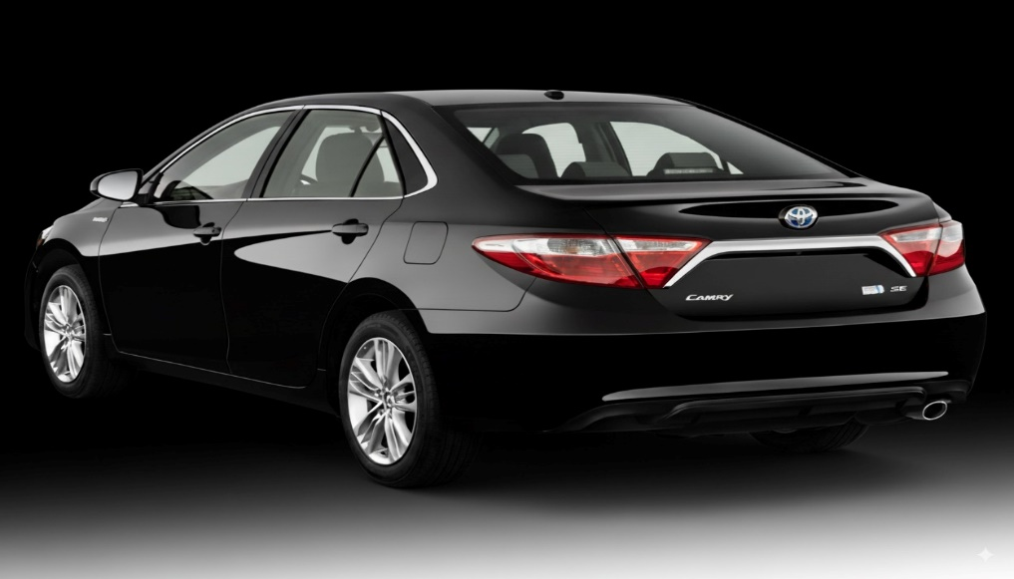
(km)
(hp)
(cc)
Location: Nigeria - Africa
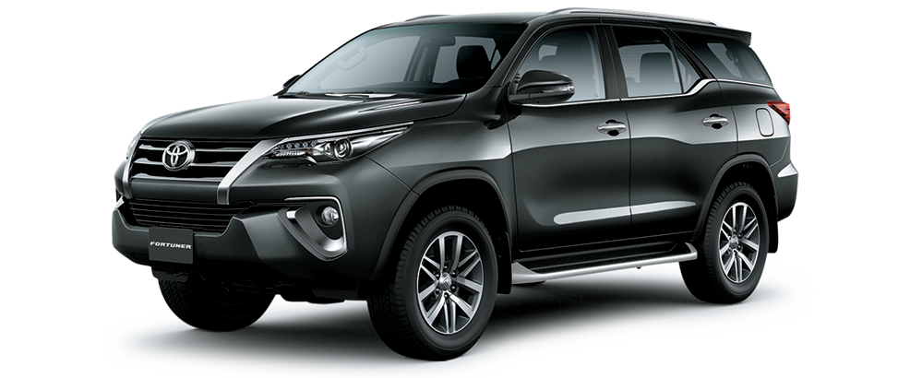
Price
Mileage
Horse Power
Engine Size

 | Total
Acura | 56
Ford | 135
Honda | 310
Hyundai | 97
Kia | 57
Lexus | 289
Mercedes-Benz | 261
Nissan | 111
Toyota | 1126
Volkswagen | 56

 | Total
Beige | 18
Black | 741
Blue | 323
Brown | 46
Gold | 149
Gray | 498
Green | 100
Red | 205
Silver | 484
White | 279
Which Color Wins? Top 10 Picks for Nigerian Cars

Naija Drivers' Choice: Automatic or Manual?
 | Total
Automatic | 2702
Manual | 171

Insights on Pricing, Mileage, and Performance: Sourced from Car45.com

