Sheet1
GPIO | 功能 | 模块 | 类型
0 | BOOT
1 | BLK | SCREEN | IO
2 | RES | SCREEN | IO
3 | DC | SCREEN | IO
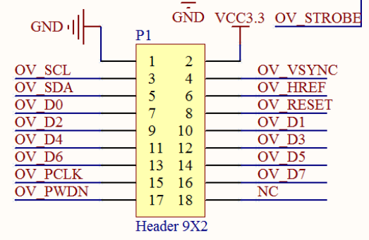
4 | XCLK | CAMERA
5 | I2S_MCLK |  | I2S
6 | I2S_CODEC_DSDIN |  | I2S
7 | I2S_LRCK |  | I2S
8 | VSYNC | CAMERA
9 | HREF | CAMERA
10 | CS | SCREEN | SPI
11 | SCL | SCREEN | SPI
12 | SDA | SCREEN | SPI
13 | D1 | CAMERA | IO
14 | D3 | CAMERA | IO
15 | I2S_ADC_SDOUT
16 | I2S_SCLK
17 | D5 | CAMERA | IO
18 | D7 | CAMERA | IO
19 | USB_D-
20 | USB_D+
21 | D0 | CAMERA | IO | 19
38 | D2 | CAMERA | IO | 20
39 | D4 | CAMERA | IO | 21
40 | D6 | CAMERA | IO | 22
41 | PCLK | CAMERA | IO | 23
42 | ENCODE_KEY |  |  | 24
43 | U0TXD | UART
44 | U0RXD
45 | ENCODA_A |  |  | 25
46 | ENCODA_B |  |  | 26
47 | I2C_SDA |  | I2C | l17
48 | I2C_SCL |  | I2C | l18
EX0 | PA_CTRL
EX1 | SPI_CS
EX2 | SPI_SCK
EX3 | SPI_MOSI
EX4
EX5
EX6
EX7

