virtue - developers
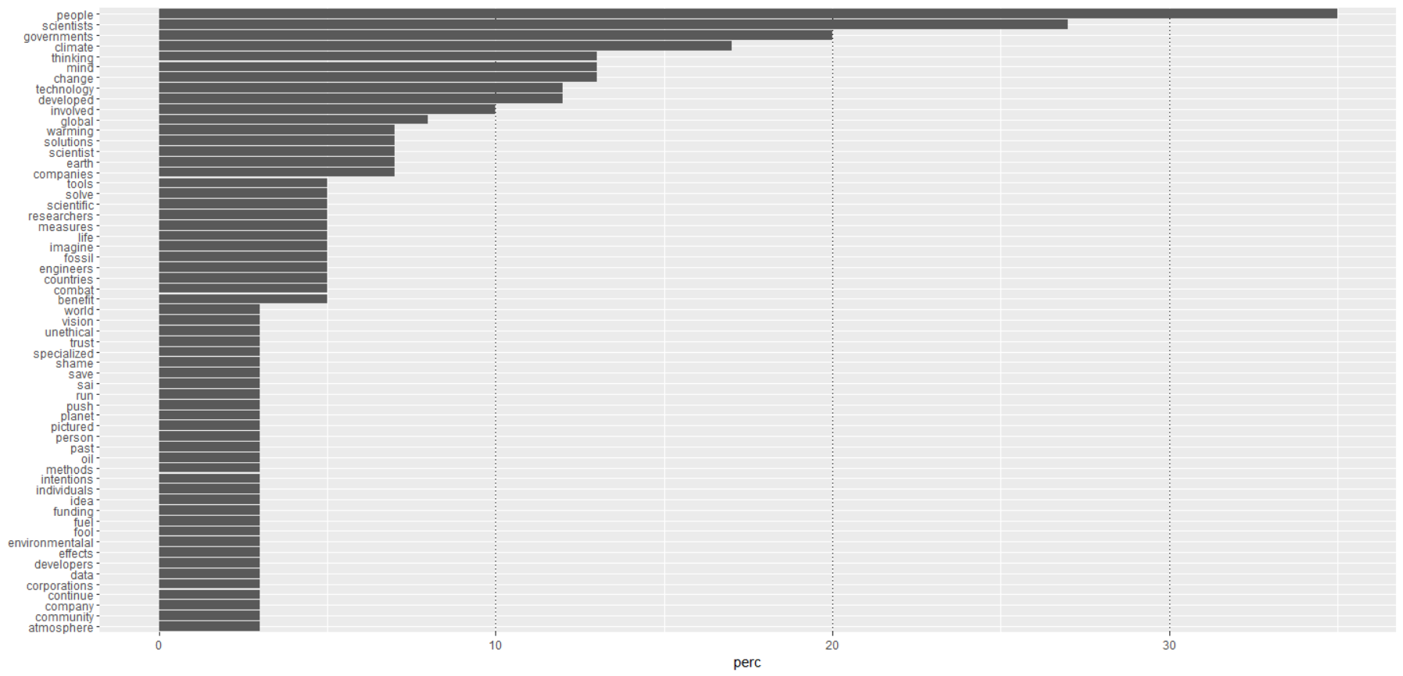
word | n | perc
people | 21 | 35
scientists | 16 | 27
governments | 12 | 20
climate | 10 | 17
change | 8 | 13
mind | 8 | 13
thinking | 8 | 13
developed | 7 | 12
technology | 7 | 12
involved | 6 | 10
global | 5 | 8
companies | 4 | 7
earth | 4 | 7
scientist | 4 | 7
solutions | 4 | 7
warming | 4 | 7
benefit | 3 | 5
combat | 3 | 5
countries | 3 | 5
engineers | 3 | 5
fossil | 3 | 5
imagine | 3 | 5
life | 3 | 5
measures | 3 | 5
researchers | 3 | 5
scientific | 3 | 5
solve | 3 | 5
tools | 3 | 5
atmosphere | 2 | 3
community | 2 | 3
company | 2 | 3
continue | 2 | 3
corporations | 2 | 3
data | 2 | 3
developers | 2 | 3
effects | 2 | 3
environmentalal | 2 | 3
fool | 2 | 3
fuel | 2 | 3
funding | 2 | 3
idea | 2 | 3
individuals | 2 | 3
intentions | 2 | 3
methods | 2 | 3
oil | 2 | 3
past | 2 | 3
person | 2 | 3
pictured | 2 | 3
planet | 2 | 3
push | 2 | 3
run | 2 | 3
sai | 2 | 3
save | 2 | 3
shame | 2 | 3
specialized | 2 | 3
trust | 2 | 3
unethical | 2 | 3
vision | 2 | 3
world | 2 | 3
ability | 1 | 2
abstract | 1 | 2
address | 1 | 2
addressed | 1 | 2
advocacy | 1 | 2
aerospace | 1 | 2
affect | 1 | 2
age | 1 | 2
agenda | 1 | 2
aimed | 1 | 2
ameliorate | 1 | 2
automotive | 1 | 2
aviation | 1 | 2
backgroud | 1 | 2
bandaid | 1 | 2
beginning | 1 | 2
black | 1 | 2
bodies | 1 | 2
boeing | 1 | 2
build | 1 | 2
built | 1 | 2
chemicals | 1 | 2
citizen | 1 | 2
closely | 1 | 2
common | 1 | 2
competent | 1 | 2
computer | 1 | 2
conspiracy | 1 | 2
control | 1 | 2
cooper | 1 | 2
corporate | 1 | 2
counter | 1 | 2
create | 1 | 2
creating | 1 | 2
creation | 1 | 2
crowd | 1 | 2
daily | 1 | 2
deployed | 1 | 2
develop | 1 | 2
discovered | 1 | 2
distribution | 1 | 2
eastern | 1 | 2
educated | 1 | 2
effected | 1 | 2
effective | 1 | 2
elon | 1 | 2
employed | 1 | 2
engineering | 1 | 2
entire | 1 | 2
environment | 1 | 2
environmental | 1 | 2
environmentalalists | 1 | 2
equipment | 1 | 2
expense | 1 | 2
expertise | 1 | 2
experts | 1 | 2
eye | 1 | 2
fail | 1 | 2
figure | 1 | 2
financial | 1 | 2
fuels | 1 | 2
future | 1 | 2
greed | 1 | 2
group's | 1 | 2
guess | 1 | 2
hard | 1 | 2
heavily | 1 | 2
helped | 1 | 2
helpful | 1 | 2
hightech | 1 | 2
history | 1 | 2
improve | 1 | 2
improving | 1 | 2
industry | 1 | 2
influenced | 1 | 2
information | 1 | 2
infrastructure | 1 | 2
injections | 1 | 2
innovative | 1 | 2
invention | 1 | 2
inventors | 1 | 2
involvement | 1 | 2
issue | 1 | 2
jack | 1 | 2
jets | 1 | 2
latino | 1 | 2
lies | 1 | 2
living | 1 | 2
lockheed | 1 | 2
manmade | 1 | 2
manufacturers | 1 | 2
martin | 1 | 2
marty | 1 | 2
matter | 1 | 2
mental | 1 | 2
middle | 1 | 2
military | 1 | 2
misinformation | 1 | 2
mixture | 1 | 2
monitor | 1 | 2
move | 1 | 2
musk | 1 | 2
national | 1 | 2
nations | 1 | 2
ngo | 1 | 2
niles | 1 | 2
outright | 1 | 2
overly | 1 | 2
perspective | 1 | 2
picturing | 1 | 2
politicians | 1 | 2
polluted | 1 | 2
positive | 1 | 2
preserve | 1 | 2
primarily | 1 | 2
private | 1 | 2
producing | 1 | 2
product | 1 | 2
profit | 1 | 2
promote | 1 | 2
proven | 1 | 2
purpose | 1 | 2
purveyors | 1 | 2
quality | 1 | 2
real | 1 | 2
reasons | 1 | 2
refuse | 1 | 2
release | 1 | 2
rely | 1 | 2
renewable | 1 | 2
research | 1 | 2
researcher | 1 | 2
resources | 1 | 2
response | 1 | 2
root | 1 | 2
scientistsresearchers | 1 | 2
seeks | 1 | 2
society | 1 | 2
solar | 1 | 2
sources | 1 | 2
specific | 1 | 2
specifically | 1 | 2
sprayed | 1 | 2
stating | 1 | 2
strategies | 1 | 2
subject | 1 | 2
substancetechnology | 1 | 2
sulfur | 1 | 2
support | 1 | 2
suppose | 1 | 2
suspect | 1 | 2
tainted | 1 | 2
testing | 1 | 2
time | 1 | 2
totally | 1 | 2
tremendous | 1 | 2
ultimately | 1 | 2
understanding | 1 | 2
unique | 1 | 2
unison | 1 | 2
universities | 1 | 2
utilitys | 1 | 2
viewed | 1 | 2
white | 1 | 2
workers | 1 | 2

utilitarian - utilities
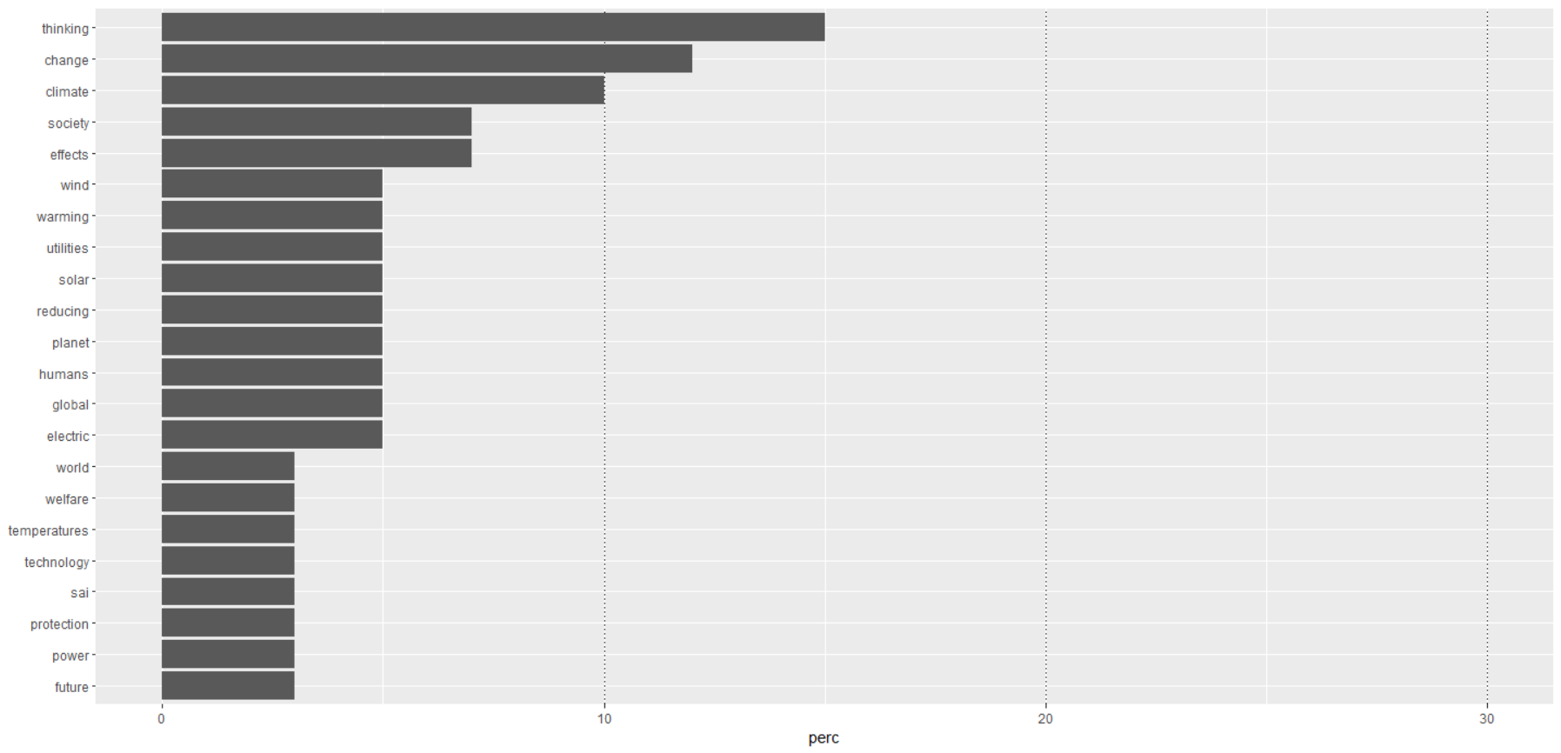
word | n | perc
thinking | 9 | 15
change | 7 | 12
climate | 6 | 10
effects | 4 | 7
society | 4 | 7
electric | 3 | 5
global | 3 | 5
humans | 3 | 5
planet | 3 | 5
reducing | 3 | 5
solar | 3 | 5
utilities | 3 | 5
warming | 3 | 5
wind | 3 | 5
future | 2 | 3
power | 2 | 3
protection | 2 | 3
sai | 2 | 3
technology | 2 | 3
temperatures | 2 | 3
welfare | 2 | 3
world | 2 | 3
ability | 1 | 2
aerosol | 1 | 2
aid | 1 | 2
airplanes | 1 | 2
article | 1 | 2
atmosphere | 1 | 2
based | 1 | 2
benefits | 1 | 2
black | 1 | 2
cars | 1 | 2
combatting | 1 | 2
comfort | 1 | 2
cooling | 1 | 2
creating | 1 | 2
deploying | 1 | 2
developed | 1 | 2
drop | 1 | 2
duplicate | 1 | 2
ease | 1 | 2
emissions | 1 | 2
enormous | 1 | 2
environment | 1 | 2
exist | 1 | 2
expert | 1 | 2
failed | 1 | 2
feet | 1 | 2
gases | 1 | 2
greatly | 1 | 2
handling | 1 | 2
harm | 1 | 2
health | 1 | 2
heat | 1 | 2
heating | 1 | 2
impacting | 1 | 2
inconvenience | 1 | 2
increase | 1 | 2
injection | 1 | 2
limited | 1 | 2
mitigate | 1 | 2
move | 1 | 2
participate | 1 | 2
paying | 1 | 2
personal | 1 | 2
positive | 1 | 2
potential | 1 | 2
preventing | 1 | 2
prevention | 1 | 2
process | 1 | 2
produceconsumeexchange | 1 | 2
promise | 1 | 2
provide | 1 | 2
purpose | 1 | 2
questions | 1 | 2
race | 1 | 2
reduce | 1 | 2
relative | 1 | 2
released | 1 | 2
reversing | 1 | 2
rising | 1 | 2
services | 1 | 2
slow | 1 | 2
slowing | 1 | 2
solved | 1 | 2
sort | 1 | 2
species | 1 | 2
speeding | 1 | 2
stratopsheric | 1 | 2
stuff | 1 | 2
technical | 1 | 2
techonologies | 1 | 2
text | 1 | 2
usefulness | 1 | 2
utility | 1 | 2
worse | 1 | 2

