Placements by Month
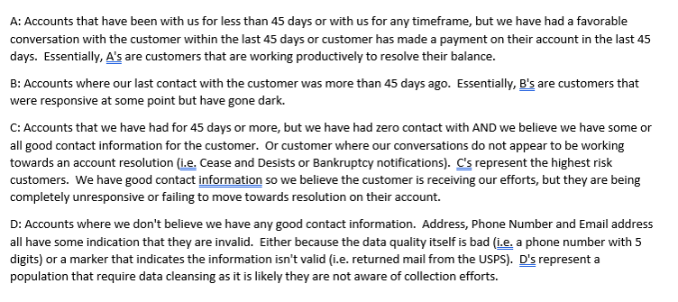
Month Assigned | Accounts | Original Assigned | Additional Charges | Total Assigned | Paid | Paid % | Credit | Credit % | Stop Amt | Stop Amt % | Resolved | Resolved % | $Exhausted | Exhausted % | Resolved & $Exhuasted % | Current Qty | $Current | At ARM Active Qty | At ARM Active | Total Assigned to ARM - Current & Active Qty | Total Assigned to ARM - Current & Active $ | Active % | Reconciliation
July 2022 | 2669 | $2,710,070.91 | $2,110,368.71 | $4,820,439.62 | $742,465.64 | 15% | $1,264,280.36 | 26% | $2,178.57 | 0% | $2,008,924.57 | 42% | $2,811,515.05 | 58% | 100% | 0 | $0.00 | 0 | $0.00 | 0 | $0.00 | 0% | $0.00
August 2022 | 973 | $1,085,573.01 | $900,186.75 | $1,985,759.76 | $467,359.65 | 24% | $541,107.80 | 27% | $52,318.14 | 3% | $1,060,785.59 | 53% | $924,974.17 | 47% | 100% | 0 | $0.00 | 0 | $0.00 | 0 | $0.00 | 0% | $0.00
October 2022 | 3211 | $7,358,037.58 | $3,374,715.40 | $10,732,752.98 | $3,285,329.84 | 31% | $2,233,844.81 | 21% | $9,606.69 | 0% | $5,528,781.34 | 52% | $5,203,971.64 | 48% | 100% | 0 | $0.00 | 0 | $0.00 | 0 | $0.00 | 0% | $0.00
November 2022 | 11333 | $12,034,527.64 | $3,909,851.83 | $15,944,379.47 | $3,151,193.79 | 20% | $2,860,054.12 | 18% | $9,472,879.75 | 59% | $15,484,127.66 | 97% | $460,251.81 | 3% | 100% | 0 | $0.00 | 0 | $0.00 | 0 | $0.00 | 0% | $0.00
December 2022 | 3740 | $9,977,114.60 | $3,125,863.91 | $13,102,978.51 | $2,746,343.00 | 21% | $3,424,855.54 | 26% | $3,853,915.75 | 29% | $10,025,114.29 | 77% | $3,077,864.22 | 23% | 100% | 0 | $0.00 | 0 | $0.00 | 0 | $0.00 | 0% | $0.00
January 2023 | 9290 | $7,202,524.93 | $2,408,891.02 | $9,611,415.95 | $2,601,425.51 | 27% | $2,543,884.00 | 26% | $4,002,405.83 | 42% | $9,147,715.34 | 95% | $463,700.61 | 5% | 100% | 0 | $0.00 | 0 | $0.00 | 0 | $0.00 | 0% | $0.00
February 2023 | 6254 | $4,884,368.77 | $1,135,777.41 | $6,020,146.18 | $3,009,391.46 | 50% | $632,705.69 | 11% | $1,813,543.50 | 30% | $5,455,640.65 | 91% | $564,505.53 | 9% | 100% | 0 | $0.00 | 0 | $0.00 | 0 | $0.00 | 0% | $0.00
March 2023 | 6020 | $6,627,600.75 | $1,248,484.61 | $7,876,085.36 | $3,245,487.92 | 41% | $381,354.53 | 5% | $2,503,311.83 | 32% | $6,130,154.28 | 78% | $1,745,931.08 | 22% | 100% | 0 | $0.00 | 0 | $0.00 | 0 | $0.00 | 0% | $0.00
April 2023 | 4222 | $3,366,584.45 | $437,501.49 | $3,804,085.94 | $1,094,198.70 | 29% | $167,214.80 | 4% | $2,087,280.79 | 55% | $3,348,694.29 | 88% | $455,391.65 | 12% | 100% | 0 | $0.00 | 0 | $0.00 | 0 | $0.00 | 0% | $0.00
May 2023 | 8105 | $6,560,411.67 | $1,571,949.37 | $8,132,361.04 | $3,250,578.13 | 40% | $493,223.82 | 6% | $2,505,028.16 | 31% | $6,248,830.11 | 77% | $1,883,530.93 | 23% | 100% | 0 | $0.00 | 0 | $0.00 | 0 | $0.00 | 0% | $0.00
June 2023 | 5389 | $3,852,985.78 | $1,014,181.41 | $4,867,167.19 | $2,228,479.05 | 46% | $426,354.74 | 9% | $1,504,133.68 | 31% | $4,158,967.47 | 85% | $438,968.62 | 9% | 94% | 0 | $0.00 | 252 | $269,231.10 | 252 | $269,231.10 | 6% | $0.00
July 2023 | 4768 | $3,630,429.44 | $856,031.25 | $4,486,460.69 | $1,611,071.45 | 36% | $275,392.27 | 6% | $1,023,381.82 | 23% | $2,909,845.54 | 65% | $554,371.41 | 12% | 77% | 0 | $0.00 | 1212 | $1,022,243.74 | 1212 | $1,022,243.74 | 23% | $0.00
August 2023 | 8501 | $9,439,757.01 | $650,293.45 | $10,090,050.46 | $846,156.41 | 8% | $253,740.83 | 3% | $571,041.84 | 6% | $1,670,939.08 | 17% | $3,403,343.00 | 34% | 50% | 0 | $0.00 | 4916 | $5,015,768.38 | 4916 | $5,015,768.38 | 50% | $0.00
Summary | 74475 | $78,729,986.54 | $22,744,096.61 | $101,474,083.15 | $28,279,480.55 | 28% | $15,498,013.31 | 15% | $29,401,026.35 | 29% | $73,178,520.21 | 72% | $21,988,319.72 | 22% | 94% | 0 | $0.00 | 6380 | $6,307,243.22 | 6380 | $6,307,243.22 | 6% | $0.00

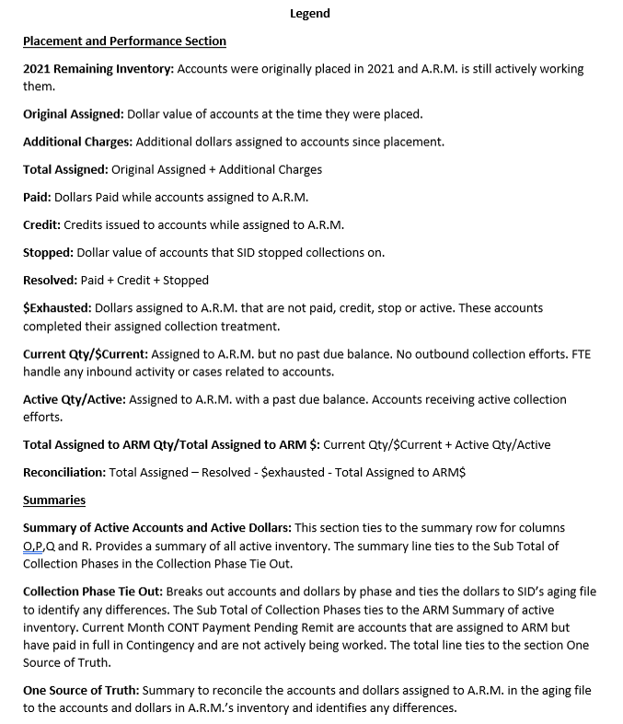
ARM Summary | Accounts | Dollars
At ARM - Active in Treatment | 6380 | $6,307,243.22
At ARM - Active Current Balance | 0 | $0.00
Total | 6380 | $6,307,243.22

Collection Phase Tie Out | Accounts | ARM | SID Aging | Difference
1st Party | 18568 | $8,611,871.70 | $8,611,876.70 | $5.00
3rd Party Flat Fee | 0 | $0.00 | $0.00 | $0.00
3rd Party Contingency | 0 | $0.00 | $0.00 | $0.00
Sub Total of Collection Phases | 18568 | $8,611,871.70 | $8,611,876.70 | $5.00
Treatment Completed | 1136 | $0.00 | $1,581,421.45 | $1,581,421.45
Roll is not allowed | 1272 | $0.00 | $2,654,555.10 | $2,654,555.10
Treatment Complete within last 14 days | 282 | $0.00 | $96,500.15 | $96,500.15
NB but Balance < 0 | 2392 | $0.00 | -$1,228,261.81 | -$1,228,261.81
*** Unknown Error *** | 5 | $0.00 | -$1,774.21 | -$1,774.21
Closed|Client | 228 | $0.00 | $198,484.72 | $198,484.72
Dispute| | 19 | $0.00 | $27,969.17 | $27,969.17
Paid In Full| | 194 | $0.00 | -$19,908.43 | -$19,908.43
Treatment Complete| | 108 | $0.00 | $105,807.44 | $105,807.44
Total | 24204 | $8,611,871.70 | $12,026,670.28 | $3,414,798.58

One Source of Truth | Accounts | Dollars
SID 05.14.24 Aging File | 24204 | $12,026,670.28
ARM Summary for Tie Out | 18568 | $8,611,876.70
Difference | 5636 | $3,414,793.58

Portfolio | ABCDAlignment | Qty | Dollars
Canadian Small Balance Portfolio | A | 17185 | $7,860,295.52
Canadian Small Balance Portfolio | B | 20 | $11,567.34
Canadian Small Balance Portfolio | C | 1363 | $740,008.84
Canadian Total |  | 18568 | $8,611,871.70

