Sheet1
Complete execution | Model Num | Model id | version | Description | Dataset | Changes | RMSE | MAPE | Detail | Trianing time
Yes | 1 | Lstm | v0.0 | Vanilla LSTM | Historic product of product_id="p28" zone_id="z23" |  | 749.92 | 75.23% | epochs=100 train: 80% test: 20% batch_size=32, | NA
No | 2 | Lstm | _ | Vanilla LSTM | Try with 10 products |  |  |  | I can´t run the model with 2.8M of rows with only the preparation | 20 min
No | 3 | Lstm | _ | Vanilla LSTM | Try with 2 products |  |  |  | 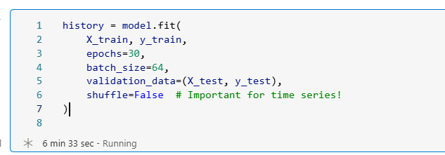 Configured to predict 8 next values |  |  |  |  | 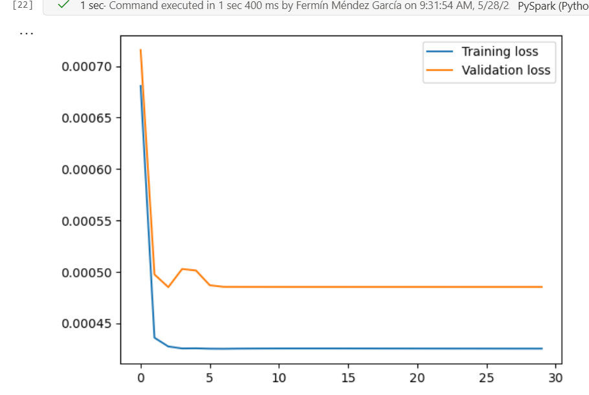
No | 4 | Lstm |  | Vanilla LSTM | = | Redcue epoch 15 and batch size 32 |  |  | 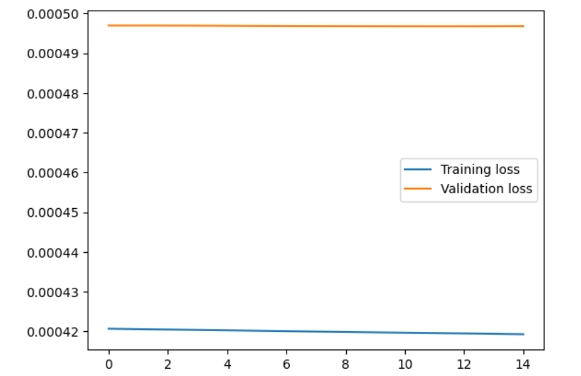 Configured to predict only the next value |  |  | 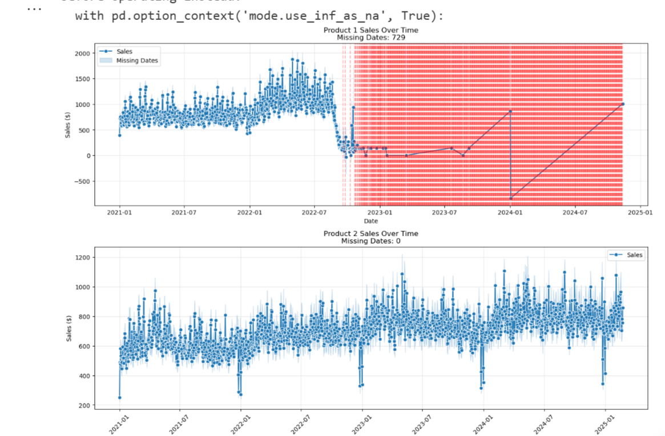
No | 5 | Lstm |  | Vanilla LSTM | Change the dataset to 2 complete history products |  |  |  |  |  | 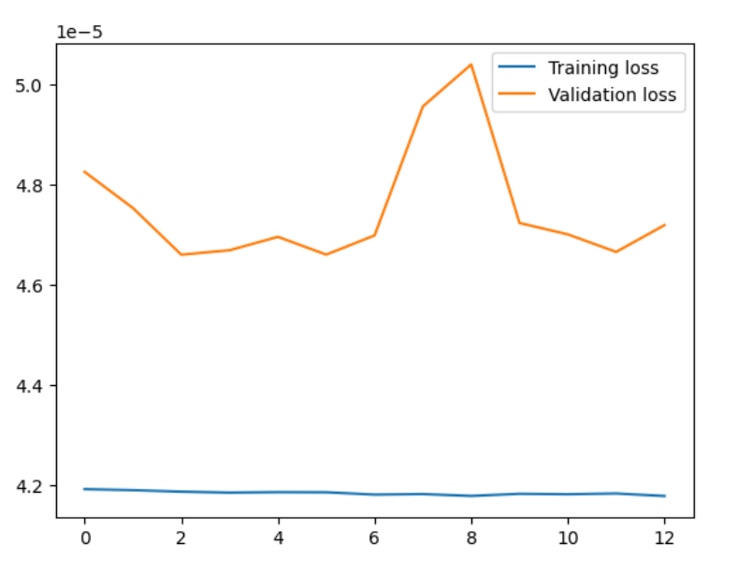 | 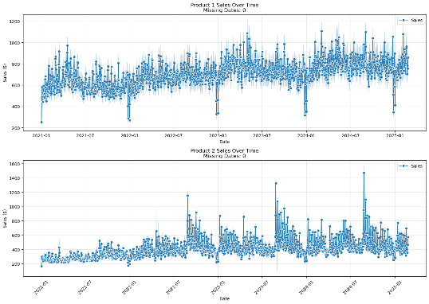
Yes | 6 | Lstm | v0.1 | Vanilla LSTM | Only product 2 | lstm 50 + output | 738 | inf | epochs=11 train: 80% test: 20% batch_size=32, | NA
Yes | 7 | Lstm |  |  | Only 1 product |  | Test RMSE: 749.76 : | 97.07% | epochs=30 train: 80% test: 20% batch_size=32, | 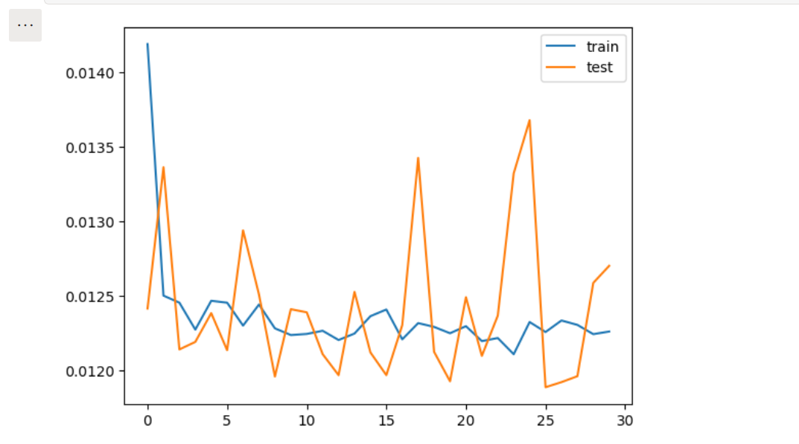
Yes | 8 |  |  |  |  | 100 epochs | Test RMSE: 730.46 | Test MAPE: 86.55%
yes | 9 |  |  |  |  | 200 epochs | Test RMSE: 748.51 | Test MAPE: 94.23% |  | 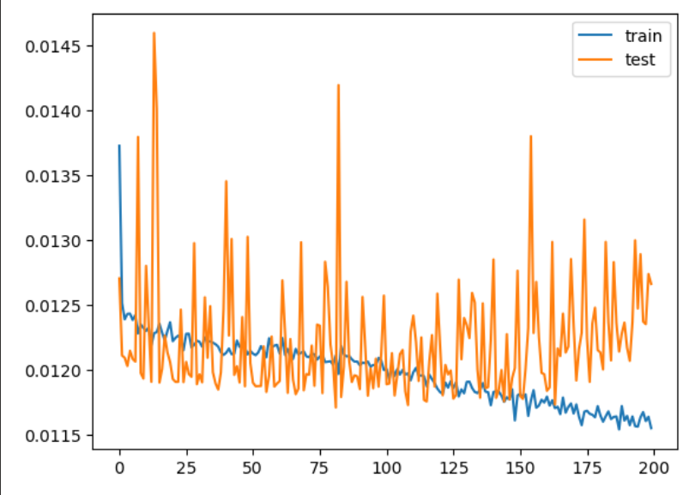 |  |  | 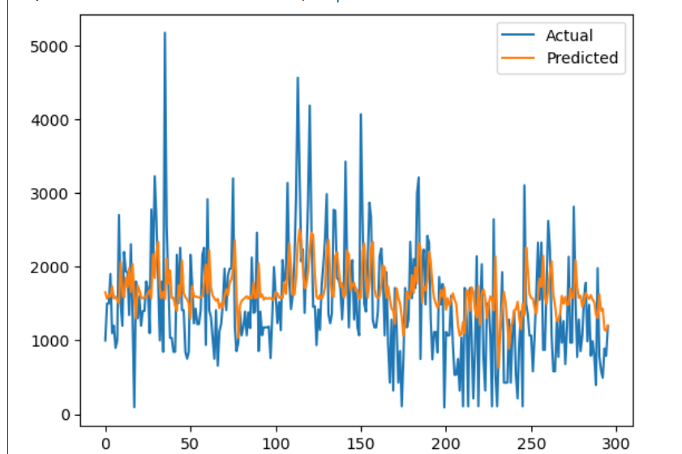
 | 10 |  |  |  |  | 0.001 TO 0.003 of learning rato
 | 11
 | 12
 | 13
 | 14
 | 15
 | 16
 | 17
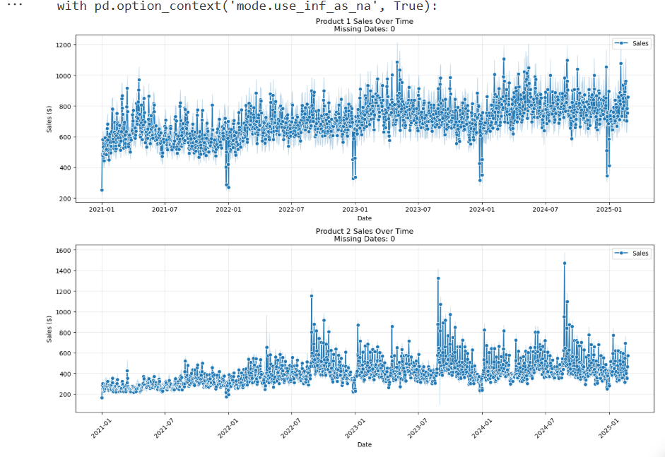
 | 18

